Category statistics
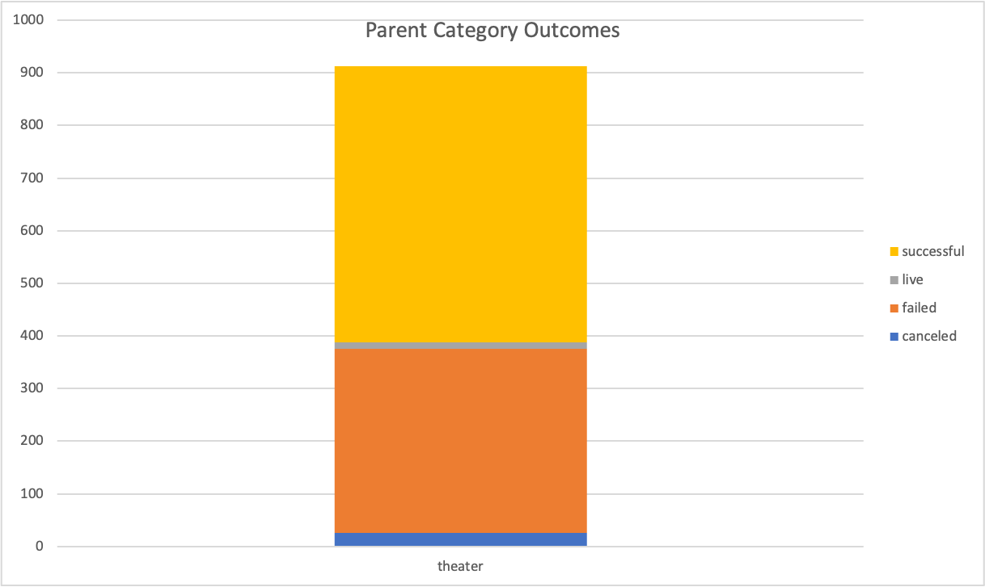
country | US

Parent Category Outcomes
Count of outcomes | Column Labels
Row Labels | canceled | failed | live | successful | Grand Total
theater | 26 | 349 | 12 | 525 | 912
Grand Total | 26 | 349 | 12 | 525 | 912

Subcategory Statistics
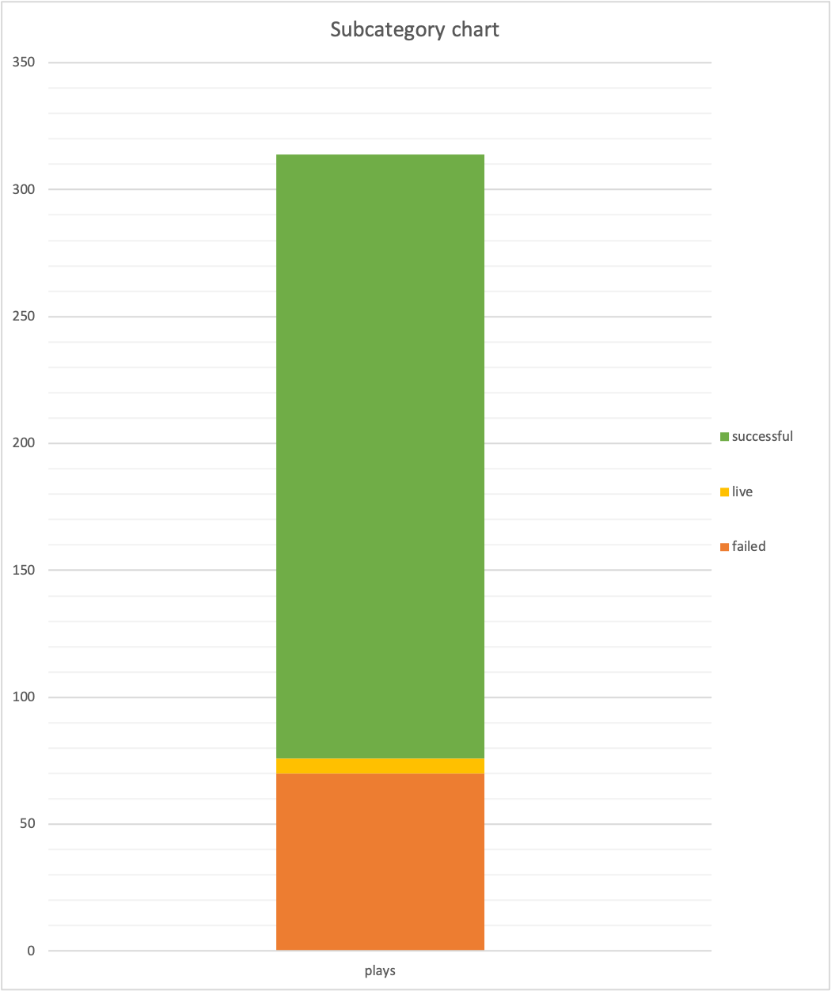
Subcategory chart
country | GB
Parent category | theater

Count of outcomes | Column Labels
Row Labels | failed | live | successful | Grand Total
plays | 70 | 6 | 238 | 314
Grand Total | 70 | 6 | 238 | 314

Outcomes based on Launch Date
Parent category | theater
Years | (All)

Count of outcomes | Column Labels
Row Labels | canceled | failed | live | successful | Grand Total
Jan | 7 | 33 | 2 | 56 | 98
Feb | 3 | 39 | 8 | 71 | 121
Mar | 3 | 33 | 14 | 56 | 106
Apr | 2 | 40 |  | 71 | 113
May | 3 | 52 |  | 111 | 166
Jun | 4 | 49 |  | 100 | 153
Jul | 1 | 50 |  | 87 | 138
Aug | 4 | 47 |  | 72 | 123
Sep | 4 | 34 |  | 59 | 97
Oct |  | 50 |  | 65 | 115
Nov | 3 | 31 |  | 54 | 88
Dec | 3 | 35 |  | 37 | 75
Grand Total | 37 | 493 | 24 | 839 | 1393

Outcomes based on launch date
 | canceled | failed | live | successful
Jan | 7 | 33 | 2 | 56
Feb | 3 | 39 | 8 | 71
Mar | 3 | 33 | 14 | 56
Apr | 2 | 40 |  | 71
May | 3 | 52 |  | 111
Jun | 4 | 49 |  | 100
Jul | 1 | 50 |  | 87
Aug | 4 | 47 |  | 72
Sep | 4 | 34 |  | 59
Oct |  | 50 |  | 65
Nov | 3 | 31 |  | 54
Dec | 3 | 35 |  | 37

Theater Outcomes by Launch Date
Parent category | theater
Years | (All)

Count of outcomes | Column Labels
Row Labels | successful | failed | canceled | Grand Total
Jan | 56 | 33 | 7 | 96
Feb | 71 | 39 | 3 | 113
Mar | 56 | 33 | 3 | 92
Apr | 71 | 40 | 2 | 113
May | 111 | 52 | 3 | 166
Jun | 100 | 49 | 4 | 153
Jul | 87 | 50 | 1 | 138
Aug | 72 | 47 | 4 | 123
Sep | 59 | 34 | 4 | 97
Oct | 65 | 50 |  | 115
Nov | 54 | 31 | 3 | 88
Dec | 37 | 35 | 3 | 75
Grand Total | 839 | 493 | 37 | 1369

Theater Outcomes Based on Launch Date
 | successful | failed | canceled
Jan | 56 | 33 | 7
Feb | 71 | 39 | 3
Mar | 56 | 33 | 3
Apr | 71 | 40 | 2
May | 111 | 52 | 3
Jun | 100 | 49 | 4
Jul | 87 | 50 | 1
Aug | 72 | 47 | 4
Sep | 59 | 34 | 4
Oct | 65 | 50
Nov | 54 | 31 | 3
Dec | 37 | 35 | 3

Outcomes Based on Goals
Goal | Number Successful | Number Failed | Number Canceled | Total Projects | Percentage Successful | Percentage Failed | Percentage Canceled
Less than 1000 | 141 | 45 | 0 | 186 | 0.76 | 0.24 | 0.00
1000 to 4999 | 388 | 146 | 0 | 534 | 0.73 | 0.27 | 0.00
5000 to 9999 | 93 | 76 | 0 | 169 | 0.55 | 0.45 | 0.00
10000 to 14999 | 39 | 33 | 0 | 72 | 0.54 | 0.46 | 0.00
15000 to 19999 | 12 | 12 | 0 | 24 | 0.50 | 0.50 | 0.00
20000 to 24999 | 9 | 11 | 0 | 20 | 0.45 | 0.55 | 0.00
25000 to 29999 | 1 | 4 | 0 | 5 | 0.20 | 0.80 | 0.00
30000 to 34999 | 3 | 8 | 0 | 11 | 0.27 | 0.73 | 0.00
35000 to 39999 | 4 | 2 | 0 | 6 | 0.67 | 0.33 | 0.00
40000 to 49999 | 2 | 2 | 0 | 4 | 0.50 | 0.50 | 0.00
50000 or More | 2 | 14 | 0 | 16 | 0.13 | 0.88 | 0.00
 | 694 | 353
Outcomes Based on Goals

