Sheet1
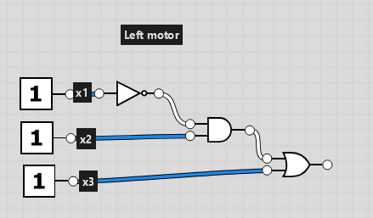
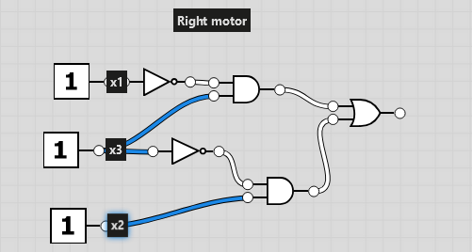
Left Sensor (x1) | Centre Sensor (x2) | Right Sensor (x3) | Left wheel motor (y) | Left Sensor (x1) | Centre Sensor (x2) | Right Sensor (x3) | Right wheel motor (y) | Kolumn1
0 | 0 | 0 | 0 | 0 | 0 | 0 | 0
0 | 0 | 1 | 1 | 0 | 0 | 1 | 0
0 | 1 | 0 | 1 | 0 | 1 | 0 | 1 | 10
0 | 1 | 1 | 1 | 0 | 1 | 1 | 0
1 | 0 | 0 | 0 | 1 | 0 | 0 | 1 | 100
1 | 0 | 1 | 1 | 1 | 0 | 1 | 1 | 101
1 | 1 | 0 | 0 | 1 | 1 | 0 | 1 | 110
1 | 1 | 1 | 1 | 1 | 1 | 1 | 0

Bool expr: |  |  |  | Bool expr:
NOT(x1)*x2+x3 |  |  |  | NOT(x1)*x3 + x2*NOT(x3)

