Layout
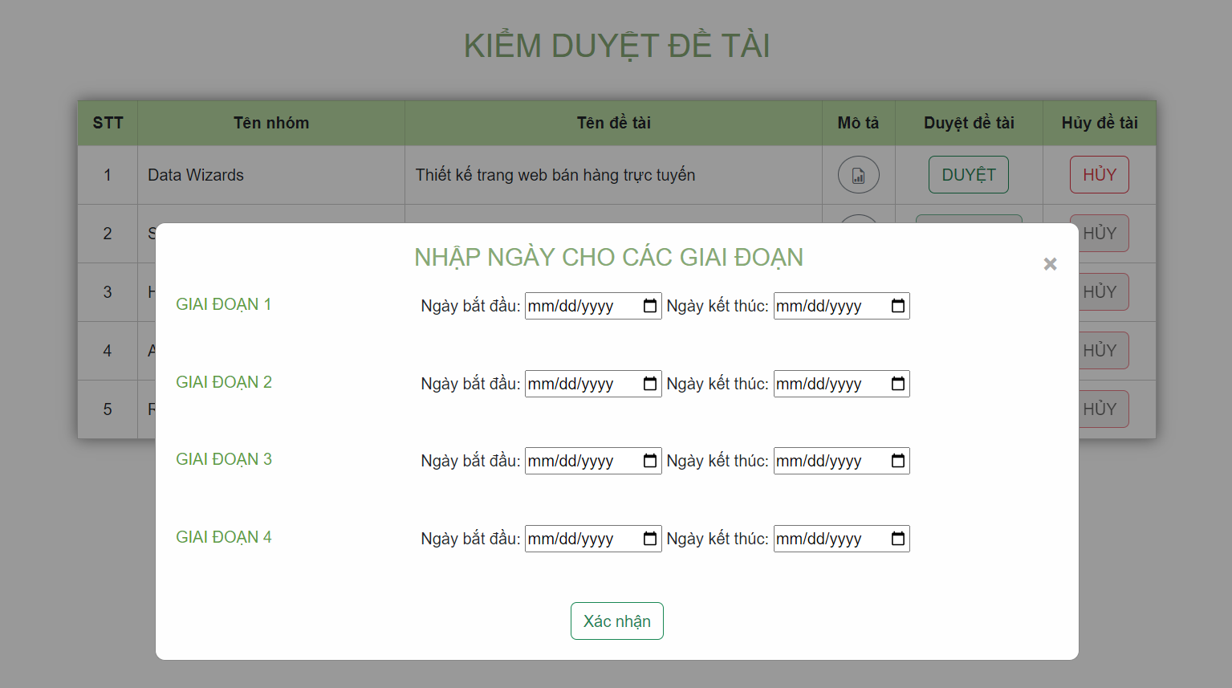
6.8.5.1 Màn hình kiểm duyệt đề tài

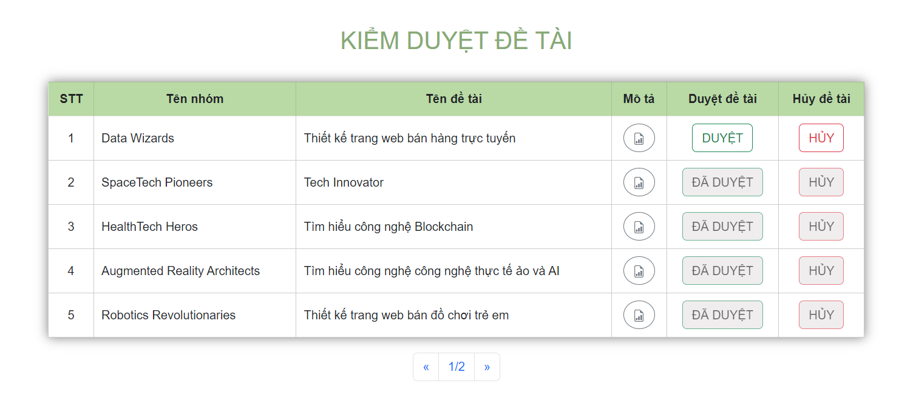

6.8.5.2 Màn hình duyệt

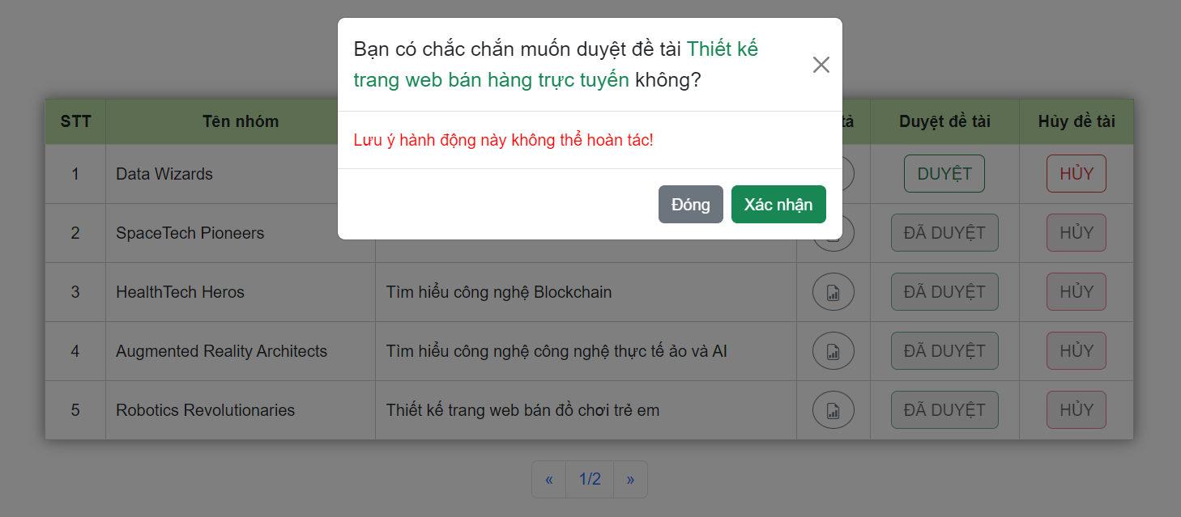

6.8.5.3 Màn hình hủy

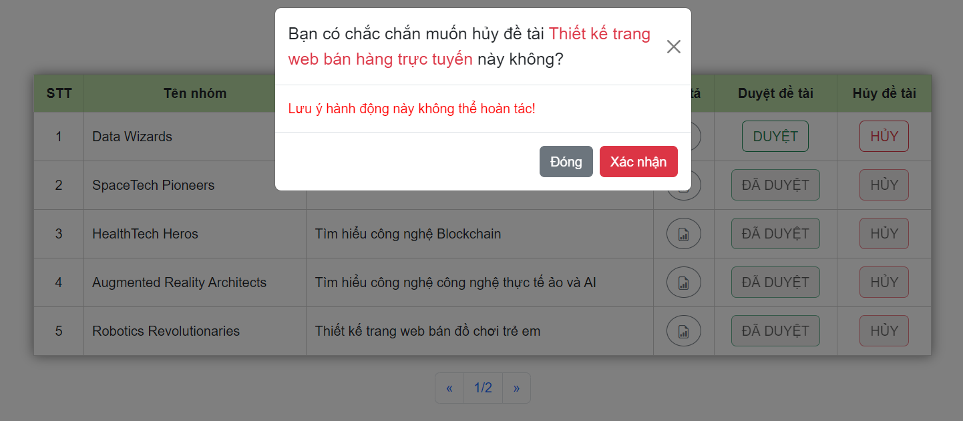

6.8.5.4 Màn hình thêm ngày cho giai đoạn

