Mind_Mapping
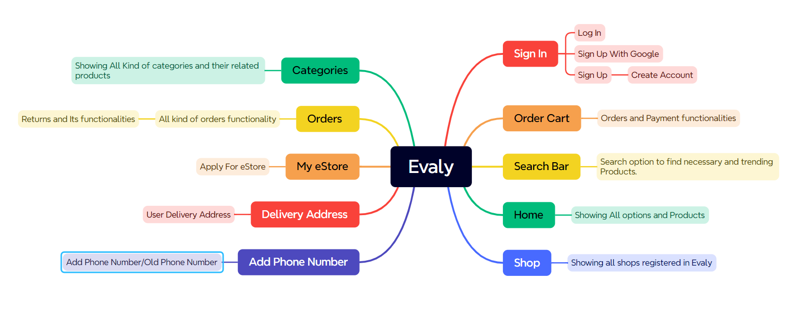

Test-Summery&Improvement-Scopes
Test Execution Report
TEST CASE
PASS | 42
FAIL | 14
Not Executed | 0
Out of Scope | 0
TOTAL | 56

TEST CASE
PASS | 42
FAIL | 14
Not Executed | 0
Out of Scope | 0
TOTAL | 56

 |  | Improvement Scopes
 |  | 1. Grammatical mistakes should be emphasized. 2. Need "Eye button" into Sign up page(Password and Confirm Password field) 3.Need "Asterisk" button into important fields. 4. Need "Sign In with Google" & "Sign In with Facebook" in both "Log In" and "Sign up" page for easy access. 5.Security should be strengthened. 6. Need proper maintanance.

