Sheet1
SrNo. | Learning Rate | Hidden Layer | Activation fun. | Test Acc. | Execution Time | LOSS CURVE ACCURACY CURVE | CONFUSION MATRIX
1 | 0.01 | 160 ,100 | ReLu | 0.9776 | 1930.25 sec
2 | 0.01 | 100, 100 | ReLu | 0.9751 | 1817.99 sec
3 | 0.01 | 100, 160 | ReLu | 0.9774 | 1866.33 sec
4 | 0.01 | 60, 60 | ReLu | 0.9733 | 1790.07 sec
5 | 0.01 | 100, 60 | ReLu | 0.9769 | 1861.73sec
6 | 0.1 | 160 ,100 | ReLu | 0.9782 | 1921.22 sec |  | 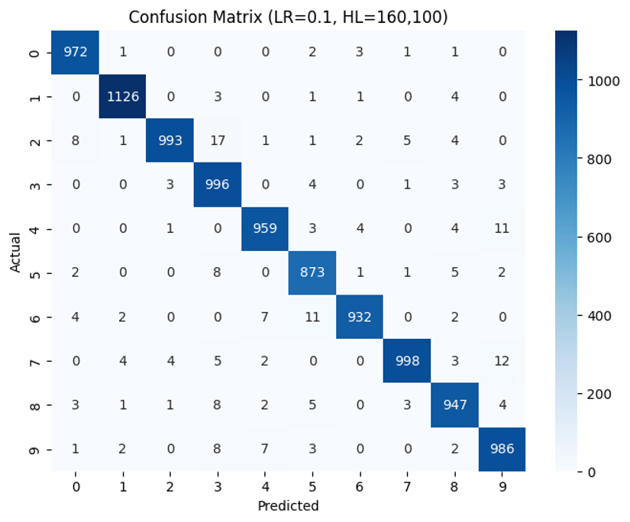
7 | 0.1 | 100, 100 | ReLu | 0.975 | 1824.09 seconds
8 | 0.1 | 100, 160 | ReLu | 0.9778 | 1842.86 sec
9 | 0.1 | 60, 60 | ReLu | 0.9649 | 1789.24 sec
10 | 0.1 | 100, 60 | ReLu | 0.9752 | 1848.73 sec
11 | 1 | 160 ,100 | ReLu | 0.0958 | 1905.50 sec
12 | 1 | 100, 100 | ReLu | 0.0958 | 1838.13 sec
13 | 1 | 100, 160 | ReLu | 0.0958 | 1832.27 sec
14 | 1 | 60, 60 | ReLu | 0.0958 | 1812.26 sec
15 | 1 | 100, 60 | ReLu | 0.0958 | 1801.28sec

