Table 1
*Q\\1'?- ·t1 \<eeh; Mei1A . 10/30/01 · Y\ 00 10:58 THE CITY OF NEW YORK ' I DEPARTMENT OF CORRECTIOti OBCC BACA,MICHAEL ID#1410720441 COMMISSARY PURCHASE REFERENCE NUMBER:1187090735 ITEM PRICE # TOTAL ORANGE SLICE $ 1.40 1 $ 1.40 CHEEZ-IT $ 2.72 1 $ 2.72 ,
TO WN_ HOUSE CRACKERS -=---3=---.-"--4-=_7;,_ -1=-----=<- . 42_
CHEWY CHIPS AHOY $ 3.04 1 $ 3.04 RAMEN SOUP $ 0.35 15 $ 5.25 BEEFSTICK $ 0.31 6 $ 1.86 NACHO CHEESE DORITO $ 0.45 3 $ 1.35 KOOL AID GRAPE 6OZ. $ 1.38 1 $ 1.38
CLEAR TANG SLOPPY JOE KRAFT MAC & CHEESE |  |  | $ 1.47 1 $ 1.47 $ 1.90 2 $ 3.80 $ 0.98 2 $ 1.96
HONEY BUN | $ 0.65 |  |  | 5 | $ 3.25'
HUDSON COFFEE | $ 0.59 |  |  | 4 | $ 2.36
TUNA | $ 1.53 |  |  | 2 | $ 3.06
PEANUT BUTTER | $ 2.03 |  |  | 2 | $ 4.06
FRESH SCENT | $ 0.76 |  |  | 2 | $ 1.52
SNICKERS | $ 0.66 |  |  | 4 | $ 2.64
$.41STAMPED ENVELOP | $ 0.49 |  |  | 7 | $ 3.43
SHOWER SLIPPERS | $ 0.72 |  |  | 1 | $ 0.72
WRITING TABLET | $ 1.00 |  |  | 1 | $ 1.00
PEN | $ 0.42 |  |  | 1 | $ 0.42
TOTAL | ------ |  |  |  | $ 50.16
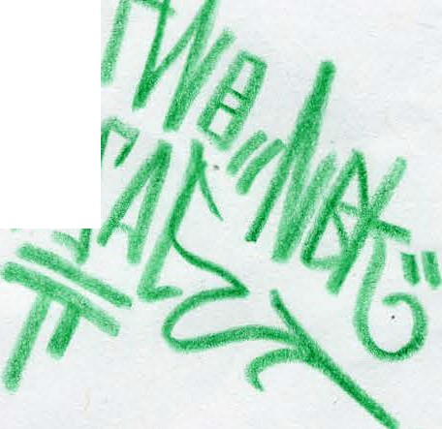
_..T;.H=A:N l --=Y-o= .u.... _ ea_, _M_EA__en_, |  | \N_"-""_- - - - - -

