RM WI
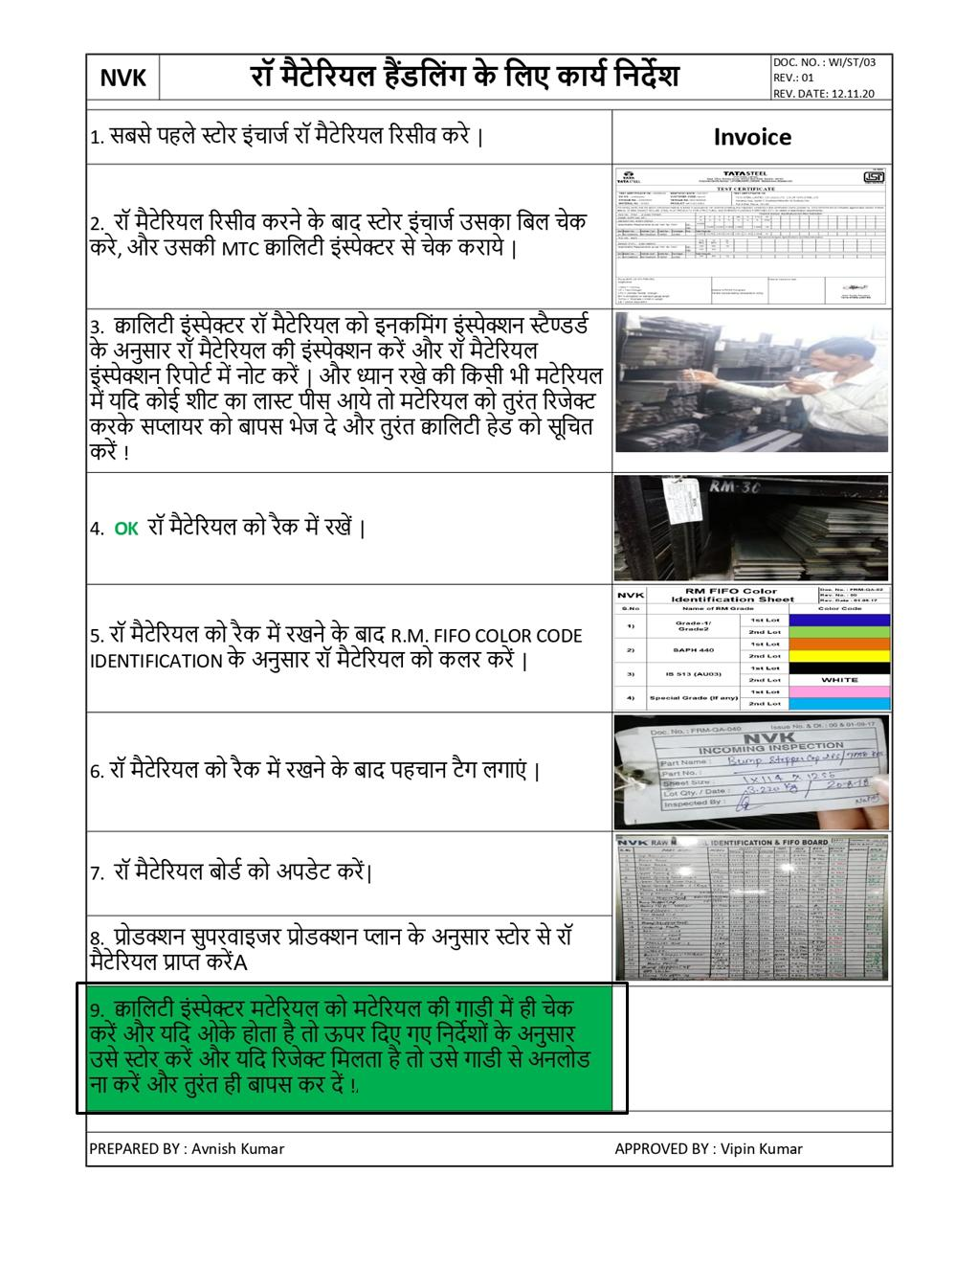

Press PP (2)
NVK | dk;Z funsZ'k & ¼ çSl e'khu½ |  |  |  | DOC.NO.:- PD-WI-001
 |  |  |  |  | REV.NO:-03
 |  |  |  |  | REV.DATE:-16.11.2020
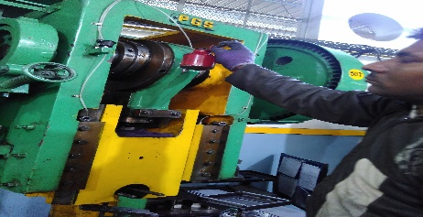 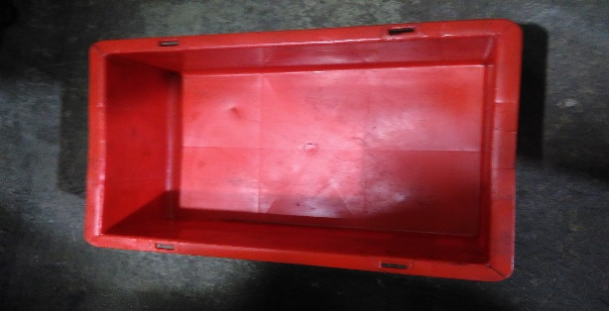 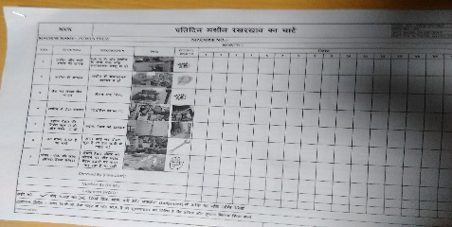 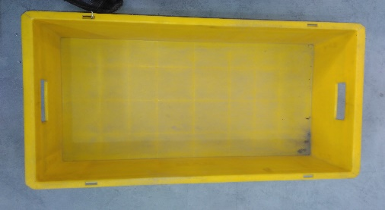 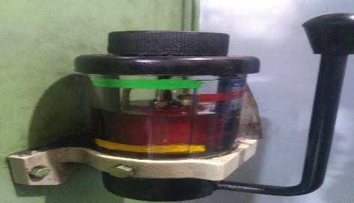 | lqj{kk | 1 | जाँच लें कि मशीन के ऊपर अनावश्यक वस्तु
दस्ताने
 |  |  | (नट,बोल्ट,चाबी,ब्लॉक) न पड़ी हो |
 |  | 2 | सभी ऑपरेटर मशीन चलाते समय सेफ्टी इक्विपमेंट
जूते
 |  |  | (दस्ताने जूते इअर प्लग) का प्रयोग करे l
 |  | 3 | ऑपरेटर मशीन चलाने से पहले MkbZ DySEil cksYV dks pSd djsaA
इअर प्लग
 |  | 5 | ikoj çSl pykrs le; b/kj m/kj /;ku u nsa और किसी से बात न करे
 | e'khu j[kj[kko | 1 | e'khu dks pykus ls iwoZ diM+s ls vPNh rjg lkQ djsaA
मशीन की सफाई
 |  | 2 | e'khu dks pykus ls iwoZ lHkh fuZ/kkfjr LFkkuksa ij rsy MkysaA
 |  | 3 | तेल को निर्धारित स्थान पहुचाने के लिए 6 - 7 बार पंप को पम्पिंग करे
मशीन में तेल डालना
 |  | 5 | çfrfnu e'khu j[kj[kko pSd 'khV के अनुसार ही काम करे I
 | lSfVax | 1 | dke 'kq: djus ls igys lqijokbt+j ls dke ds ckjs esa tkudkjh ysaA
आयल पंप
 |  | 2 | igys ikap ihl DokfyfV baLisDVj ls pSd djk,aA ¼lSfVax vçwoy½
 |  | 3 | टूल सेटर टूल सेट करते समय ध्यान रखे की सेटिंग वाले पार्टो को रेड बिन म डाले और सेटिंग अप्रूवल वाले पीसो को सेटिंग अप्रूवल टेबल पे रखे और क्वालिटी इंस्पेक्टर से चेक कराये फिर डाई अनलोड करते समय सेटिंग अप्रूवल वाले पीसो को टूल म रखे और अगले बार जब भी टूल लगे तो क्वालिटी इंस्पेक्टर से पीसो को चेक कराने के बाद ही प्रोसेस म ले
चैक शीट
 | fjtsD'ku daVªksy | 1 | ikVZ esa dksbZ cj ;k vU; [kjkch fn[kus ij rqjar मशीन बंद करके lqijokbt+j dks lqfpr djsaA
 |  | 2 | ऑपरेशन करने के बाद lgh ikVZ dks पीले fcu esa j[ksaA
 |  | 3 | [k+jkc ;k fjtssDV ikVZ dks yky fcu esa j[ksaA
येलो बिन
 |  | 4 | अचानक लाइट जाने पर डाई में लगे हुए पार्ट को लाल बिन में डाले l
 |  | 5 | MkÃ ,ao iap dks vk/ks ?kaVs ds ckn diMs ls lkQ djsaA ikVZ ij LdzSp ;k baizS'ku uk gksA
लाल बिन
 |  | 6 | dksÃ Hkh vlkekU; fLFkfr vkus ij e'khu can djsa ,oa rqjUr lqijokbtj dks lwfpr djsaA
 |  | 7 | प्रत्येक टूल को अनलोड करते समय ध्यान रखें की टूल को टूल रूम में ले जाकर साफ़ करें और टूल के स्प्रिंग, पिलर, डाइक्लेम्प , पंच इत्यादि को चेक करें फिर इसके बाद ही टूल को रैक में रखें. !
 |  | 8 | किसी भी पार्ट का प्रोडक्शन करते समय ऑपरेटर टूल को प्रत्येक 30~50 पीसो के बीच साफ़ करें जिससे पार्टो में कोई डेंट ना आये और यदि प्रोडक्शन के समय कोई डेंट वाले पार्ट मिलें तो उन्हें रिजेक्ट करके लाल बिन में डालें !

(Prepared By) |  |  |  | (Approved By)

4.11 CP(K066248) (ISC) (2)
NVK |  |  |  | CONTROL PLAN
Prototype
Pre Launch
Production

Control Plan Number: |  | CP/GIL/CK066248 |  | Key Contact/Phone | MR. HARPREET |  | 9971715551 | DATE (Org) : | 18.08.2019 |  |  | DATE (Rev) : | 01 & 20.10.2019
Part Name/Description :LOWER SPRING SEAT (Y9T) CK066248 |  |  |  | Core Team : MR. HARMEET, MR.HARPREET, MR.VIPIN, MR.AVNISH, MR. VIRENDRA, MR. PRAVEEN |  |  |  | Customer Engineering Approval Date(If Reqd)
 |  |  |  | Supplier/Plant ApprovalDate |  |  |  | Customer Quality Approval date(If Reqd)
Supplier/Plant : NEW VISHVEKARMA AUTO INDSTRIES |  |  |  | Other approvalDate(If Reqd) |  |  |  | Other Approval Date(If Reqd)
 |  |  |  | Supplier Code :
Part/ Process Number | Process Name/ Operation Description | Machine, Device, Jigs, Tools for Mfg. | Charecteristics / Parameters |  |  | Spl. Char. Class | M e t h o d s |  |  |  |  |  | Reaction Plan | Corrective Action
 |  |  | No. | Product | Process |  | Product/Process Specification/ Tolerance. | Evalution Mesurements Technoque | Error Proofing | Sample |  | Current Process Controls
 |  |  |  |  |  |  |  |  |  | Size | Freq
10 | RECEIVING INSPECTION (RAW MATERIAL) | INSTR. & GAUGE | 1 | THK |  |  | 2.0 ± 0.15 | MM | NO | n=10 | EVERY LOT | INCOMING INSPECTION | Y | REJECT & SEND BACK TO SUPPLIER
 |  |  | 2 | WIDTH |  |  | 115.0± 1.0 | DGV.
 |  |  | 3 | LENGTH |  |  | 1250 MIN. | MEASURING TAPE
 |  |  | 4 | APPEARANCE |  |  | NO RUST, DENT, TAPER, BURR, SCRATCHES, WRINKLE & PITTED | VISUAL
 |  |  | 5 | RM GRADE SAPH440 |  |  | S=0.04 Max | TEST CERTIFICATE & NABL LAB TEST | NO | n=1 | EVERY LOT & THIRD PARTY AFTER SIX MONTH & EVERY BATCH CHANGE | Supplier Test Certificate | Y | REJECT & SEND BACK TO SUPPLIER
 |  |  |  |  |  |  | P=0.04Max
 |  |  |  |  |  |  | T.S=440 N/mm2 Min.
 |  |  |  |  |  |  | Y.S=305N/mm2 Min.
 |  |  |  |  |  |  | %EL=30 Min.
10.1 | STORAGE OF MATERIAL | -- | 1 |  | FIFO |  | COLOUR CODING AS PER RM FIFO COLOUR IDENTIFICATION SHEETI (FRM-QA-02) | VISUAL | NO | --- | EVERY LOT | -- | Information Given to QA Head for Action | Training Provide to Store executive
20 | BLANKING & 1ST DRAW | POWER PRESS (75-150 TON) INSTR. & GAUGES | 1 | OUTER PROFILE |  |  | AS PER TOOL | VISUAL | NO | 10 PCS. SETUP & 5 PCS PROCESS | SETUP APPROVAL & PER 1 HRS 5 Pcs | FPA (FRM-ED-25) & PIR ( FRM-ED-39) | STOP THE MACHINE & INFORM TO SUPERVISOR | TOOL MAINTENANCE
 |  |  | 2 | OD. |  |  | 68.00 ±0.7 | DGV |  | 10 PCS. SETUP & 5 PCS PROCESS & LPA | FPA & LPA & PER 1 HRS 5 Pcs | FPA (FRM-ED-25) & PIR ( FRM-ED-39) & LPA(FRM-QA-59)
 |  |  | 3 | HEIGHT |  |  | 21.60 ±0.7 | HTG |  | 10 PCS. SETUP & 5 PCS PROCESS | SETUP APPROVAL & PER 1 HRS 5 Pcs | FPA (FRM-ED-25) & PIR ( FRM-ED-39)
 |  |  | 4 | APPEARANCE |  |  | NO BURR, THINNING , CRACK & DENT | VISUAL
 |  |  | 5 |  | PUNCH SIZE WEAR |  | 64.0 ±0.10 | DGV. | NO | … | 250000 TO 275000 | TOOL PM CHECKSHEET (FRM-TR-003) | INFORM TO TOOL ROOM & QA HEAD | RECHECK THE TOOL
 |  |  | 6 |  | CLEARANCE |  | 0.20 Max. | FG
30 | 2ND DRAW | POWER PRESS (50- 75 TON) INSTR. & GAUGES | 1 | DIA. |  |  | Ø67.70 ±0.5 | DGV. | NO | 10 PCS. SETUP & 5 PCS PROCESS & LPA | FPA & LPA & PER 1 HRS 5 Pcs | FPA (FRM-ED-25) & PIR ( FRM-ED-39) & LPA(FRM-QA-59) | STOP THE MACHINE & INFORM TO SUPERVISOR | TOOL MAINTENANCE
 |  |  | 2 | HEIGHT |  |  | 22.10 ±0.7 | HTG |  | 10 PCS. SETUP & 5 PCS PROCESS | SETUP APPROVAL & PER 1 HRS 5 Pcs | FPA (FRM-ED-25) & PIR ( FRM-ED-39)
 |  |  | 3 | APPEARANCE |  |  | NO DRAW LINES, CRACK, DENT & CUT | VISUAL
 |  |  | 4 |  | PUNCH SIZE WEAR |  | 63.0 ± 0.10 | DGV. |  | … | 250000 TO 275000 | TOOL PM CHECKSHEET (FRM-TR-003) | INFORM TO TOOL ROOM & QA HEAD | RECHECK THE TOOL
 |  |  | 5 |  | CLEARANCE |  | 0.20 Max. | FG
40 | TRIMMING & PUNCHING | POWER PRESS (50- 75 TON) INSTR. & GAUGES | 1 | OUTER PROFILE |  |  | AS PER TOOL | VISUAL | NO | 10 PCS. SETUP & 5 PCS PROCESS | SETUP APPROVAL & PER 1 HRS 5 Pcs | FPA (FRM-ED-25) & PIR ( FRM-ED-39) | STOP THE MACHINE & INFORM TO SUPERVISOR | TOOL MAINTENANCE
 |  |  | 2 | SLOT SIZE |  |  | 3.6 x4.0 ±0.20 | DGV |  | 10 PCS. SETUP & 5 PCS PROCESS & LPA | FPA & LPA & PER 1 HRS 5 Pcs | FPA (FRM-ED-25) & PIR ( FRM-ED-39) & LPA(FRM-QA-59)
 |  |  | 3 | CD. |  |  | 50.0 ±0.30 | DGV |  | 10 PCS. SETUP & 5 PCS PROCESS | SETUP APPROVAL & PER 1 HRS 5 Pcs | FPA (FRM-ED-25) & PIR ( FRM-ED-39)
 |  |  | 4 | OD. |  |  | Ø90.0 ±0.50 | DGV
 |  |  | 5 | APPEARANCE |  |  | NO CRACK, DENT & CUT | VISUAL
 |  |  | 6 |  | PUNCH SIZE WEAR |  | 4.00 ±0.20 | DGV. | NO | … | 250000 TO 275000 | TOOL PM CHECKSHEET (FRM-TR-003) | INFORM TO TOOL ROOM & QA HEAD | RECHECK THE TOOL
 |  |  | 7 |  | CLEARANCE |  | 0.20 Max. | FG
50 | RADIUS | POWER PRESS (10- 30 TON) | 1 | RADIUS |  |  | R0.5 MIN. | VISUAL | NO | … | AFTER SET APPROVAL & PER 1 HRS 5 Pcs | FPA (FRM-ED-25) & PIR ( FRM-ED-39 | STOP THE MACHINE & INFORM TO SUPERVISOR | TOOL MAINTENANCE
 |  |  | 2 | APPEARANCE |  |  | NO CRACK, NO DENT | VISUAL
60 | EMBOSSING | POWER PRESS (100-150 TON) INSTR. & GAUGES | 1 | ID. |  |  | Ø 44.60/44.90 | DGV | NO | 10 PCS. SETUP & 5 PCS PROCESS & LPA | FPA & LPA & PER 1 HRS 5 Pcs | FPA (FRM-ED-25) & PIR ( FRM-ED-39) & LPA(FRM-QA-59) | STOP THE MACHINE & INFORM TO SUPERVISOR | RESET PARAMETERS
 |  |  | 2 | DIA. |  |  | Ø 68.0 +0.5/-1.0 | DGV |  | 10 PCS. SETUP & 5 PCS PROCESS | SETUP APPROVAL & PER 1 HRS 5 Pcs | FPA (FRM-ED-25) & PIR ( FRM-ED-39)
 |  |  | 3 | HEIGHT |  |  | 20.00 | HTG
 |  |  | 4 | 2-DIA. |  |  | Ø4.0 ±0.4 | DGV
 |  |  | 5 | RADIUS |  |  | R8 ±1.0 | RG
 |  |  | 6 | RADIUS |  |  | R5 ±1.0 | RG
 |  |  | 7 | RADIUS |  |  | R5 ±1.0 | RG
 |  |  | 8 | OD. |  |  | Ø90.00 ±0.5 | DGV
 |  |  | 9 | DIM. |  |  | 10.5 ±1.50 | HTG
 |  |  | 10 | APPEARANCE |  |  | NO CRACK, DENT, BURR & CUT ETC. | VISUAL
 |  |  | 11 | DIM ON HELIX |  |  | 2.60 ±1.50 | HTG |  | N=5 | AS PER LAYOUT INSP. PLAN | LAYOUT INSP. REPORT (FRM/QA/19) | INFORM TO TOOL ROOM & QA HEAD FOR IMMEDIATE ACTION
 |  |  | 12 | DIM ON HELIX |  |  | 5.30 ±1.50 | HTG
 |  |  | 13 | DIM ON HELIX |  |  | 7.90 ±1.50 | HTG
 |  |  | 14 | DIM ON HELIX |  |  | 10.10 ±1.50 | HTG
 |  |  | 15 | DIM. |  |  | 14.00 | ONLY FOR TOOLING NOT FOR INSPECTION |  | -- | -- | -- | --
 |  |  | 16 | PCD |  |  | 80.00
 |  |  | 17 | ANGLE |  |  | 12°30'
 |  |  | 18 |  | PUNCH SIZE WEAR |  | Ø44.80 ±0.10 | DGV | NO | … | 250000 TO 275000 | TOOL PM CHECKSHEET (FRM-TR-003) | INFORM TO TOOL ROOM & QA HEAD | RECHECK THE TOOL
 |  |  | 19 |  | CLEARANCE |  | 0.20 Max. | FG.
70 | VISUAL INSPECTION | - | 1 | APPEARANCE |  |  | 100% VISUAL INSPECTION FOR CRACKS FLAWS , WRINKLES AND OTHER DEFECTS | VISUAL | NO | 100% | EVERY LOT | NO | REJECT & SCRAP | INVESTIGATION IN PROCESS
80 | PREDISPATCH INSPECTION | - | 1 | INNER DIA. |  |  | Ø44.6 ~ 44.90 | DGV | NO | N=10 | EVERY LOT | PDIR(FRM-QA-03) | REJECT & SCRAP | INVESTIGATION IN PROCESS
 |  |  | 2 | 2HOLE DIA |  |  | Ø4.0±0.4 | DGV
 |  |  | 3 | DIA. |  |  | Ø 68.0 +0.5/-1.0 | DGV
 |  |  | 4 | OUTER DIA |  |  | 90.0±0.5 | DGV
 |  |  | 5 | MATERIAL |  |  | SAPH440 | TC.
 |  |  | 6 | APPEARANCE |  |  | NO WRINKLES, NO CRACK & DRAW LINES | VISUAL
90 | PACKING | - | 1 | QUANTITY |  |  | QTY. SHOULD BE OK AS PER PACKING STANDARD | COUNTING / WEIGHING | NO | - | EACH LOT | PACKING STD. | AGAIN PACKING | -
100 | DESPATCH | - | 1 | QUANTITY |  |  | QTY SHOULD NOT MISMATCH FROM INVOICE | COUNTING | NO | - | EACH LOT | --- | - | -
A- ASTHETIC S- SAFETY K- FIT / FUNCTION / CRITICAL P- PERFORMANCE

Prepared by: |  |  |  |  |  |  |  |  |  | Approved by:
REVISION SUMMARY
2 | 01 | 20.10.2019 | STORAGE OF MATERIAL ADDED
1 | 00 | 18.08.2019 | INITIAL REALEASE/RELEASE FOR NEW PRODUCT
S.NO. | REV. NO. | REV. DATE | REVISION DETAIL

5+3 INSPECTION REPORT
