Sheet1
Skills Development Map

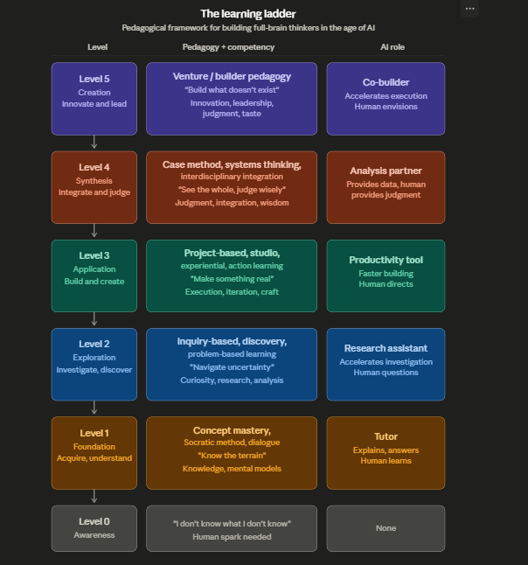
Knowledge Map | Skills (Applied)/must be able to do | Behaviours/Attitude
Conceptual Finance Knowledge | Analytical Skills | Cognitive Behaviours
Valuation methods
Capital budgeting frameworks | Financial modeling | Critical thinking
Financial statement analysis | Risk-return analysis | Structured thinking | Capability demonstration is the observable ability to apply knowledge and skills to deliver meaningful business outcomes under real-world conditions—characterized by ambiguity, collaboration, and sound judgment.
Analytical & Research Knowledge | Scenario building | Curiosity-driven inquiry
Data interpretation
Structured problem frameworks | Decision-Making Skills | Execution Mindset
Hypothesis-driven thinking
Strategic Context Knowledge | Investment evaluation | Ownership of outcomes
Corporate strategy basics | Strategic trade-off analysis | Bias for action
Market/industry understanding | Resource allocation | Resilience in ambiguity
Decision-making under uncertainty
 | Execution Skills | Collaboration & Leadership

 | Applying theory to real cases | Influencing without authority
 | Building models (Excel/Python) | Stakeholder alignment
 | Creating dashboards (Power BI/Tableau) | Accountability in teams

 | Communication Skills | Ethical Orientation | Pedagogy is the design, delivery, and continuous evaluation of the complete learning and capability development experience a learner goes through.

 | Executive summaries | Integrity in decisions
 | Data storytelling | Responsible financial judgment
 | Persuasive presentations
 |  | Adaptability

 |  | Learning agility
 |  | Comfort with uncertainty

PEDAGOGY | PEDAGOGY | PEDAGOGY
Level 0 | Level-3 | Tool/Frameworks
Level 1 | Level-4 | Design Thinking
Level 3 | Level-5 | Dual loop Design
 |  | Backward design
 |  | Thought Calrity Frameworks
 |  | Capstone Projects
 |  | OJT

Sheet4
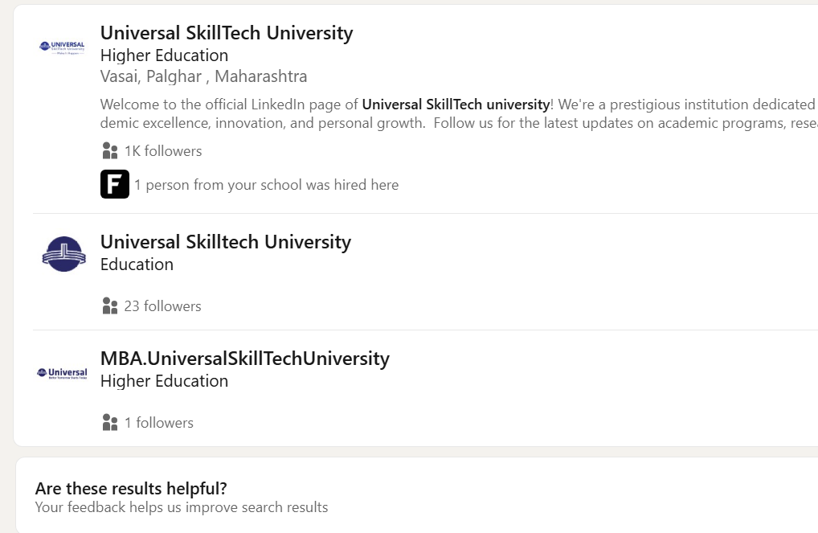
Program Execution Update
BOS Review & Approval for MBA FY commencement and course structure — Completed
Pedagogy Overview with KPMG (lecture content + experiential case-based approach) — Completed
Design of the in-class experiential pedagogy approach initiated. ( AI Simulations )
Trimester 1 Course Content Design — Initiated
Student Intake Process & SOP Finalization (Aptitude, GD, Case, PI) — In Progress
Student Onboarding & Readiness Track (Primer Courses + Kognit AI Knowledge System) — In Progress
Online application process on Merito progressing as planned; on track for go-live on 9th May.
A Detailed Program Execution Plan in Progress, will be in place 15th May

Webinar - Platform to be Zoom , Make It more Wanted and Sophisticated
Position and Communication about the Webinar Session
How do we Strengtnen Lead Quality
Create Content to drive traction to Linkedin
We need a Professional Looking Linkedin Page, I am Confused.

