Sheet1
The One-way ANOVA compare the means between the groups you are interested in and determines whether any of those means are
Statistically significantly different from each other.Specifically, it test the null hypothesis:
H0 = uA = uB = uC
if,however,the one way ANNOVA return a statistically significant result,we accept the alternative hypothesis(H1),which is that there are at least
two group means that are statistically significantly different from each other.

A | B | C
3 | 5 | 2
1 | 2 | 1
2 | 3 | 3

In this example we have 3 groups and we need to see that is there any difference among the mean of these groups.
The Researcher can only set the alpha value for his experiment as the region of rejection can be only understood well by the researcher.
alpha | 0.05
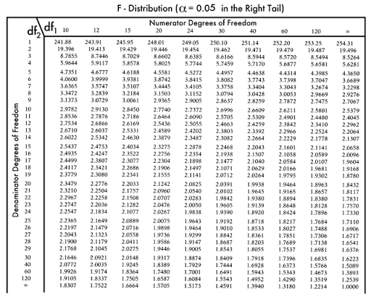
Steps for calculating one way ANNOVA.
Step1: State your Null and Alternate Hypothesis
Step2: Calculate the degree of freedom (df)
Step3: Calculate Sum of Square Deviation from the Mean( SS)
Step4: Calculate Mean Square
Step5: Calculate F-Statistics
Step6: Compare your F value
State7: State the conclusion

If Calculated value F is < Tabulated F value then accept the NULL hypothesis
If Calculated value F is > Tabulated F value then Reject the NULL hypothesis and accept H1

H0 = uA = uB = uC there is no difference b/w the mean values
H1: at least one difference b/w the mean value

Calculate the the degree of freedom
df between = k-1 , where k is the no of conditions
df between = 3-1 =2

df within = N-k , where N is the total number of the observation that is 9 (3x3)
df within = 9-3=6

df total = df between+ df within = 2+6 =8

This will help you to read the F table where df-between(2) is numerator and df-within will be denominator (6)
alpha=0.05 F critical value is 5.14 ( Tabulated Value) check F Table
Check F-Table pdf

n=3 total no of groups N=9 total number of observation
Calculate the sum of sqaure deviations from the mean (SS)
Xa bar= 3+2+1/3 =2 (mean of group A)
Xb bar= 5+2+3/3= 3.3 (Mean of Group B)
Xc bar= 2+1+3/3 =2 (Mean of Group C)

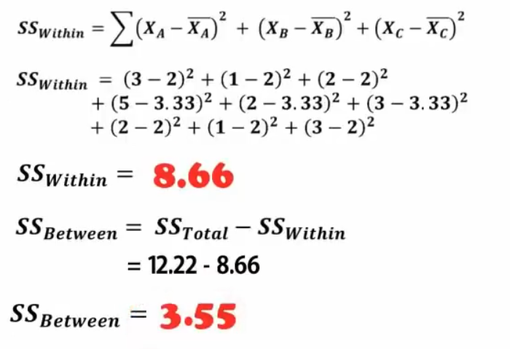
Grand Mean = 2+3.3+2/3 = 7.33/3 = 2.44

Calculate the varinace between and variance within

Calculate F statistics
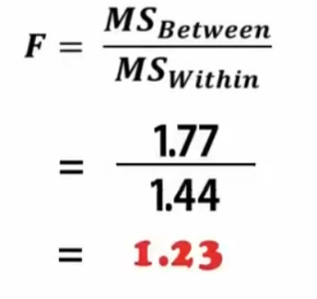

Compare Calculated F value with Tabulated F value
Tabulated = 5.14 Calculated 1.23
Fail to reject Null Hypothesis
There is no siginificant difference b/w three groups as Null hypothesis is accepted
ANNOVA TABLE
 |  |  | Anova: Single Factor Threw Excel

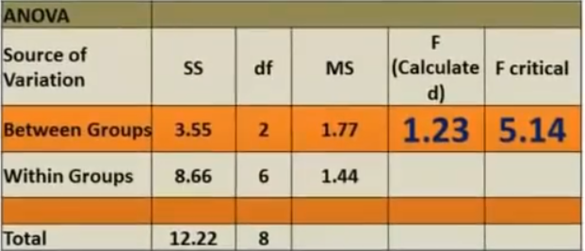
 |  |  | SUMMARY
 |  |  | Groups | Count | Sum | Average | Variance
 |  |  | Column 1 | 3 | 6 | 2 | 1
 |  |  | Column 2 | 3 | 10 | 3.3333333333 | 2.3333333333
 |  |  | Column 3 | 3 | 6 | 2 | 1

 |  |  | ANOVA
 |  |  | Source of Variation | SS | df | MS | F | P-value | F crit
 |  |  | Between Groups | 3.5555555556 | 2 | 1.7777777778 | 1.2307692308 | 0.3565379414 | 5.1432528498
 |  |  | Within Groups | 8.6666666667 | 6 | 1.4444444444

 |  |  | Total | 12.222222222 | 8

