Pinout
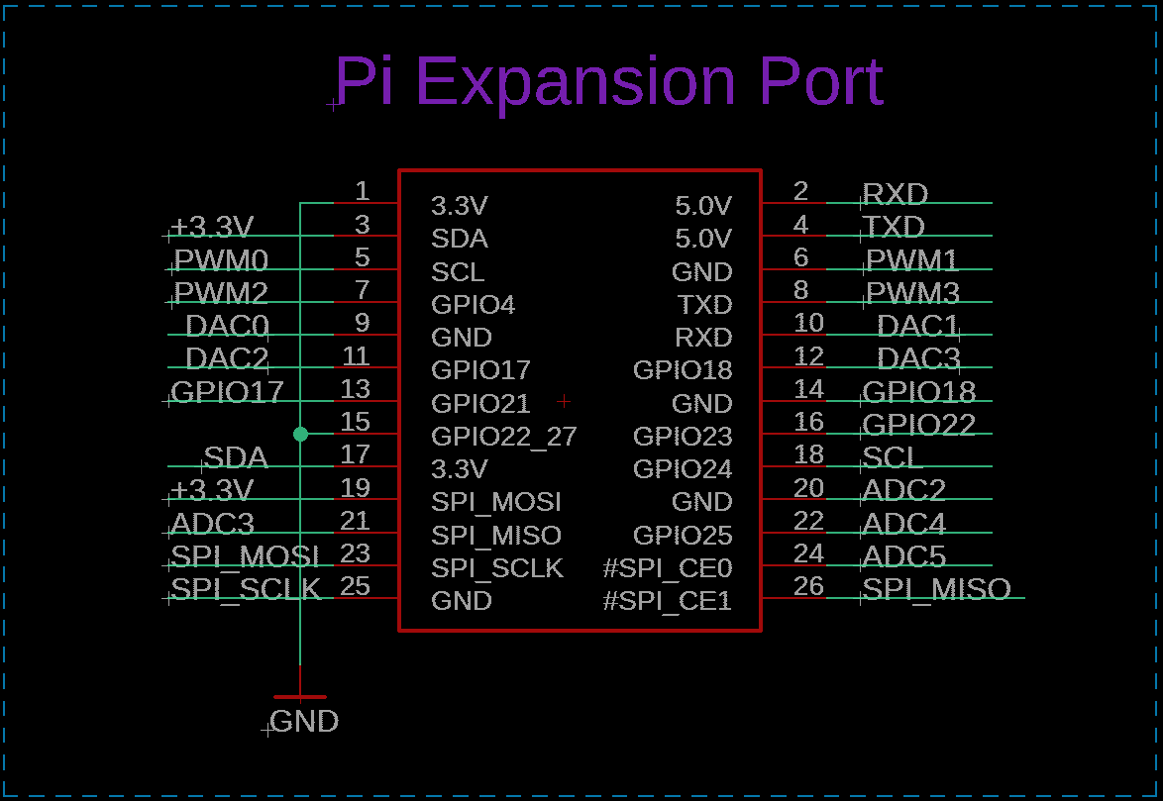
Pin | Signal
1 | GND
2 | RXD
3 | +3.3V
4 | TXD
5 | PWM0
6 | PWM1
7 | PWM2
8 | PWM3
9 | DAC0
10 | DAC1
11 | DAC2
12 | DAC3
13 | GPIO17
14 | GPIO18
15 | GND
16 | GPIO22
17 | SDA
18 | SCL
19 | +3.3V
20 | ADC2
21 | ADC3
22 | ADC4
23 | SPI_MOSI
24 | ADC5
25 | SPI_SCLK
26 | SPI_MISO

