Sheet1
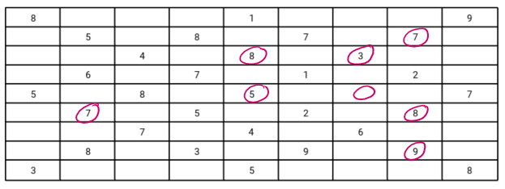
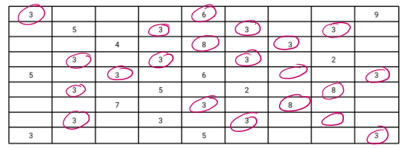
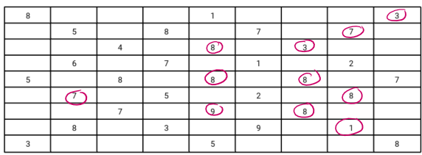
model: | 2 Conv2D + MaxPool (original model) | 2 (Conv2D + MaxPooling) + 1 Fully Connected | 2 (Conv2D + MaxPooling) + 2 Fully Connected
another_sudoku.jpeg:

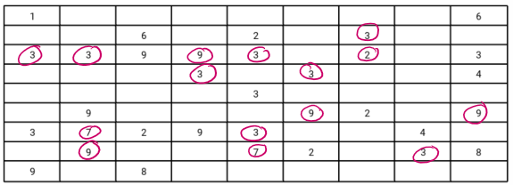
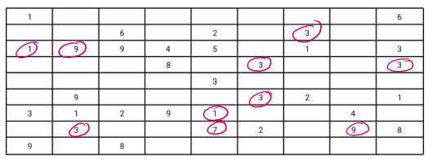
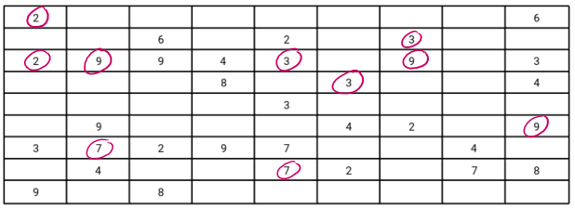
incorrect prediction: | 21 | 8 | 11
sudoku_png:

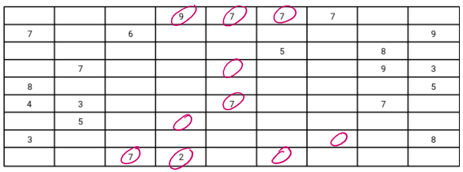
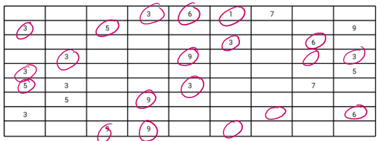
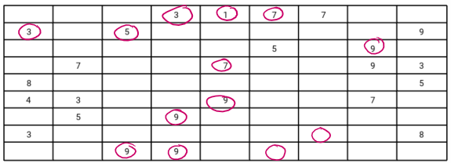
incorrect prediction: | 10 | 10 | 15
magazine_sudoku.jpg:

incorrect prediction: | 20 | 10 | 13

Conclusion: | Adding fully connected layers can improve accuracy
 | model may overfit with too much hidden layers >= 4

