Existing module mapping
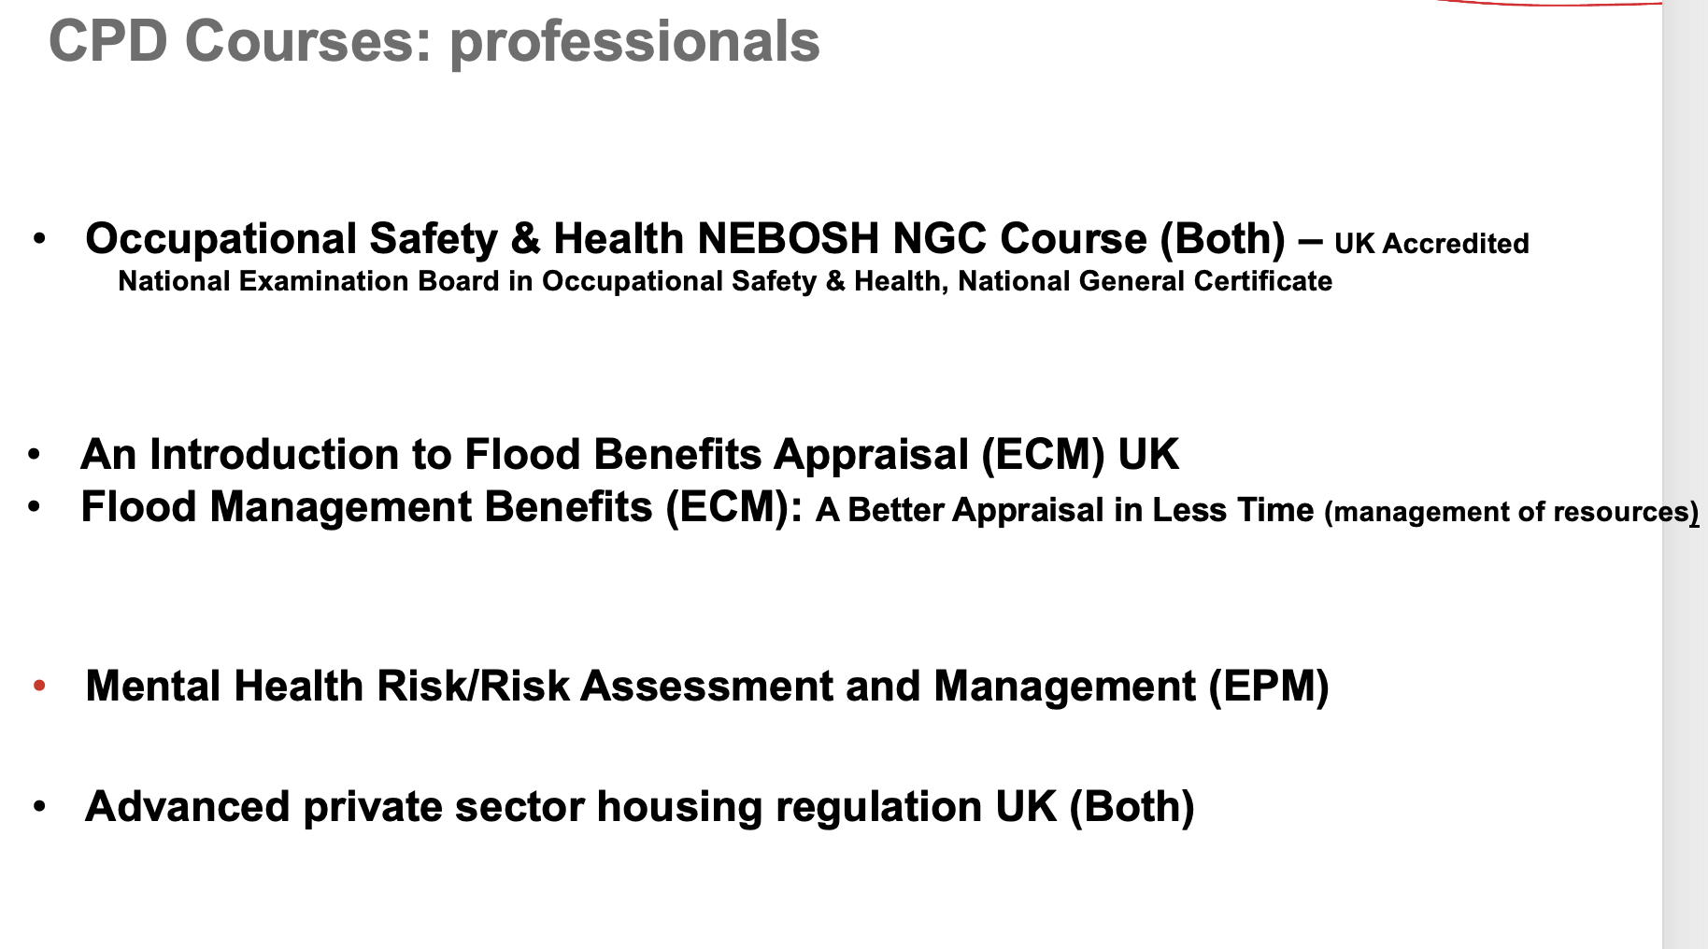
European Prevention Manager (EPM)

Competencies / Programme Learning Outcomes (PLO) | Example | UnivAQ | UdG | UoA | MUHEC
1 - Demonstrate awareness of relevant legislation, policy and legal constraints | Module Code - Module Title - Module Learning Outcome | [DT0350] - INFORMATION LAW AND ETHICS - multidisciplinary understanding of the cyber issues and information and technology law, taking into consideration the technological development of knowledge as well as the judicial facts. | Transport Enginery (4 ECTS) Transport methods and techniques Community and Spanish road transport (dangerous substances) regulations. Safety. | Seminar 3 - Civil Protection Structures and Agents /Civil Protection and Risks Management Degree | Provide an existing Module Code - Title and Module Learning Outcome (MLO). | Factors affecting risk and strategic risk intervention (EPM) PRS4434
 | Module Code - Module Title - Module Learning Outcome |  | Management Control (5 ECTS) Decision making based on incomplete or limited information. Knowledge on labor risk prevention. | 0105702 - Seminar 2 - Natural and Technological Risks /Civil Protection and Risks Management Degree. | Provide an existing Module Code - Title and Module Learning Outcome (MLO). | Management of workplace safety (Both) PRS4212
 |  |  | Legislation and professional ethics in computer science(5 ECTS) | 0105702 - Seminar 2 - Natural and Technological Risks /Civil Protection and Risks Management Degree. | Provide an existing Module Code - Title and Module Learning Outcome (MLO). | Environmental Assessment and Management (EPM) PRS4700

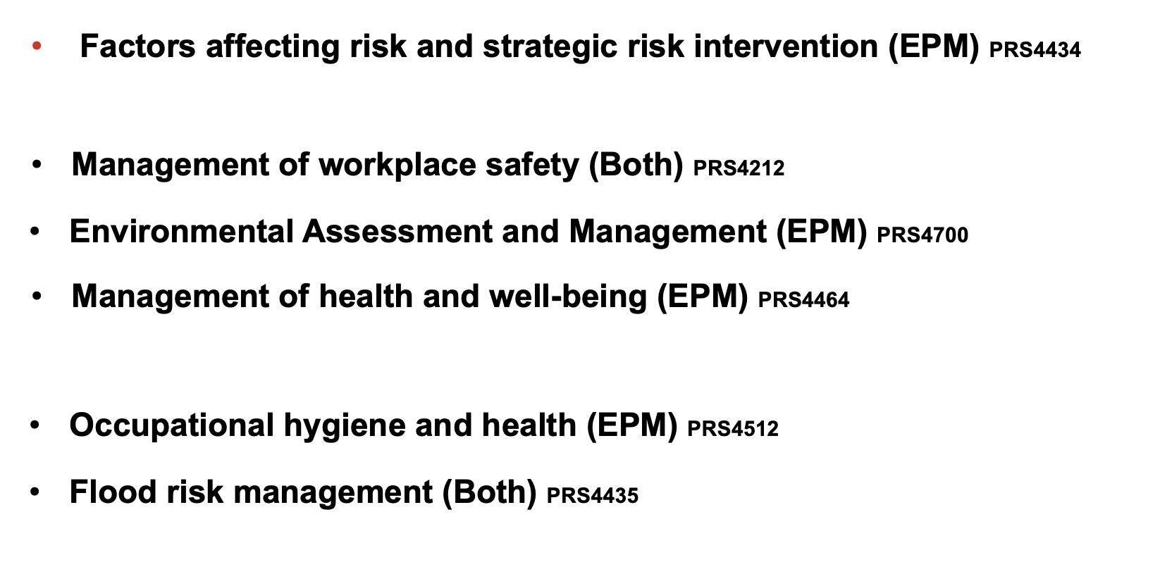
2 - Demonstrate sufficient awareness of relevant engineering approaches and related problem-solving skills | Module Code - Module Title - Module Learning Outcome | [DH0116] - RISK ASSESSMNENT AND EMERGENCY MANAGEMENT | Water and innovation (3 ECTS) Water cycle. Circular economy. Smartcities. Design of reliable water networks | 0105717 - Monitoring and Alert Systems /Civil Protection and Risks Management Degree. | Provide an existing Module Code - Title and Module Learning Outcome (MLO). | Occupational hygiene and health (EPM) PRS4512
 | Module Code - Module Title - Module Learning Outcome | [DH0115] - SAFETY ASSESSMENT AND MANAGEMENT | Environmental Protection Technologies (5 ECTS) Environmental management Waste and pollutant treatment technologies. | 0105717 - Monitoring and Alert Systems /Civil Protection and Risks Management Degree. | Provide an existing Module Code - Title and Module Learning Outcome (MLO). | Flood risk management (Both) PRS4435
 |  |  | Data Acquisition and Preparation (6 ECTS) Processes and algorithms to collect and prepare big data. | 0105717 - Monitoring and Alert Systems /Civil Protection and Risks Management Degree. | Provide an existing Module Code - Title and Module Learning Outcome (MLO).

3 - Demonstrate awareness and appreciation of the medical skills and associated responsibilities | Module Code - Module Title - Module Learning Outcome | [DM0552] - TERRITORIAL PLANNING TECHNIQUES AND ENVIRONMENTAL ASSESSMENT - The student will learn to find the data in the different portals available today (Web service) to manage them in order to set up a suitable panel of indicators functional to the phenomenon under investigation | Visualization of the information (3 ECTS) Tecniques and tolos and layouts to visualize processed information. | Provide an existing Module Code - Title and Module Learning Outcome (MLO). | Provide an existing Module Code - Title and Module Learning Outcome (MLO).
 | Module Code - Module Title - Module Learning Outcome | [D3A] ENVIRONMENT AND WORKPLACE PREVENTION TECHNIQUES | Security and data protection (5 ECTS) OS security. Networks security. Cryptograpy. | Provide an existing Module Code - Title and Module Learning Outcome (MLO). | Provide an existing Module Code - Title and Module Learning Outcome (MLO).
 |  | [D4812] - HYGIENE OF FOOD AND WATER |  | Provide an existing Module Code - Title and Module Learning Outcome (MLO). | Provide an existing Module Code - Title and Module Learning Outcome (MLO).
 |  | [D4063] - INDUSTRIAL CHEMISTRY AND TECHNICAL ARCHITECTURE
 |  | [D4810] - HEALTH IN THE WORKPLACE AND LIFE

4 - Demonstrate the ability to manage multidisciplinary teams in emergency scenarios | Module Code - Module Title - Module Learning Outcome |  |  | 0201260 - Crisis Management and Response Mechanisms / Masters Degree in Volcanology and Geological Risks. | Provide an existing Module Code - Title and Module Learning Outcome (MLO).
 | Module Code - Module Title - Module Learning Outcome |  |  | 0201260 - Crisis Management and Response Mechanisms / Masters Degree in Volcanology and Geological Risks. | Provide an existing Module Code - Title and Module Learning Outcome (MLO).
 |  |  |  | 0201260 - Crisis Management and Response Mechanisms / Masters Degree in Volcanology and Geological Risks. | Provide an existing Module Code - Title and Module Learning Outcome (MLO).
 |  | Post Graduate vocational Couses provide further competences related to ECEM
 |  | O.D.E.M. Official of Disaster and Emergency Management

European Crisis Emergency Manager (ECEM)
Besides the deep knowledge of the prevention management plan including the strategy followed for its design the EMERGENCY MANAGER must:
Competencies / Programme Learning Outcomes (PLO) | Example | UnivAQ | UdG | UoA | MUHEC
1 - Demonstrate an exhaustive awareness of legislation, policies and legal constraints relevant to the governance of crisis and emergency management (specific responsibilities of individual local, regional and national authorities). | CST3333 - Legal issues in Forensic Computing - Discussing current legislation. | [DT0350] - INFORMATION LAW AND ETHICS - multidisciplinary understanding of the cyber issues and information and technology law, taking into consideration the technological development of knowledge as well as the judicial facts. |  | Seminar 3 - Civil Protection Structures and Agents /Civil Protection and Risks Management Degree | Factors affecting risk and strategic risk intervention (EPM) PRS4434
 | BPS4444 - Policy making - Identifying factors affecting crisis governance. |  |  | 0105702 - Seminar 2 - Natural and Technological Risks /Civil Protection and Risks Management Degree. | Flood risk management (Both) PRS4435
 |  |  |  | 0105702 - Seminar 2 - Natural and Technological Risks /Civil Protection and Risks Management Degree. | Environmental Assessment and Management (EPM) PRS4700
 |  |  |  |  | Management of workplace safety (Both) PRS4212
 |  |  |  |  | Cyber security and legal regulations CST4590

2 - Demonstrate an exhaustive managerial competences, leadership and problem-solving skills for the coordination of the components and operational structures of civil defense, civil protection and public health bodies according to the event scenario (firefighters, law enforcement and military, health care and civil protection volunteers). | Module Code - Module Title - Module Learning Outcome | [DH0089] - DESIGN AND FUNDAMENTALS OF BIM - understand fundamental concepts of projective geometry and know CAD and BIM technologies and processes for buildings’ design and surveying. | Psychological Intervention in Emergencies (3 ECTS) Communication skills for different audiences in the event of an emergency Identify and assess the condition and needs of people affected by an emergency Know how to apply Psychological First Aid according to standards and protocols | 0105717 - Monitoring and Alert Systems /Civil Protection and Risks Management Degree. | Philosophy and Leadership of Occupational Safety and Health Improvement (PRS4222)
 | Module Code - Module Title - Module Learning Outcome | [DH0091] - TERRITORIAL ANALYSIS AND DIAGNOSIS TECHNIQUES AND GIS - control and monitoring of territorial phenomena with particular emphasis on remote sensing for diagnostics and identification of problems and monitoring of activities that daily have to do with the territory (risk, natural disasters, service systems of network and infrastructure, organization and management of public services). |  | 0105717 - Monitoring and Alert Systems /Civil Protection and Risks Management Degree. | Cyber security and digital forensics compliance CST2530 •Cyber security and digital forensics compliance CST2530
 |  | [DH0111] - EMERGENCY MANAGEMENT - |  | 0105717 - Monitoring and Alert Systems /Civil Protection and Risks Management Degree.
 |  | [DH0112] - EMERGENCY HOUSING FACILITIES

3 - Demonstrate exhaustive awareness and knowledge of health specialties and responsibilities ensuring public health in critical scenarios. | Module Code - Module Title - Module Learning Outcome | [D4138] - HEALTHCARE MANAGEMENT I |  | Provide an existing Module Code - Title and Module Learning Outcome (MLO). | Policy and Public Health Strategy
 | Module Code - Module Title - Module Learning Outcome |  |  | Provide an existing Module Code - Title and Module Learning Outcome (MLO).
 |  |  |  | Provide an existing Module Code - Title and Module Learning Outcome (MLO).

4 - Demonstrate practical skills for a concrete intervention directly on the field by using proper technologies and methodologies. | Module Code - Module Title - Module Learning Outcome | [DT0445] - HYBRID SYSTEMS CONTROL AND SIMULATION |  | 0201260 - Crisis Management and Response Mechanisms / Masters Degree in Volcanology and Geological Risks. | Flood risk management (Both) PRS4435
 | Module Code - Module Title - Module Learning Outcome |  |  | 0201260 - Crisis Management and Response Mechanisms / Masters Degree in Volcanology and Geological Risks. | Cyber and information security
 |  |  |  | 0201260 - Crisis Management and Response Mechanisms / Masters Degree in Volcanology and Geological Risks.
 |  | Post Graduate vocational Couses provide further competences related to EPM

