Maths
$$y=±√(R^{2}−x^{2})$$
$$\frac{dy}{dR}=±\frac{R}{√(R^{2}−x^{2})}$$
 |  |  |  | Gauss Newton |  | Levenberg
Fit a circle to the following data of x and y with R as initial guess. |  |  |  | Output: Ctrl+W |  | Output : Ctrl+ L
R (initial guess) | 3.0339388048
h | 0.097915628119
k | -0.054103065723

x | y | SignDecider | ZR | Zh | Zk | y0 | D | ynew | Dnew | ZT
-2.4164 | 1.692 | 1 | 1.7868346906 | -1.4808032318 | 1 | 1.6438373318 | 0.048162668184 | 1.6454121383 | 0.046587861736 | 1.7868346906 | 1.1910023467 | -2.7296611728 | -1.0202461008 | 3.4293487646 | -3.9109337431 | -1.1977168792 | 1.2903237727 | 1.0120289013 | 1.0005211945 | -1.0005211945 | -1.5244054699 | 1.4665325173
-1.55 | 2.6846 | 1 | 1.1910023467 | -0.64690539476 | 1 | 2.4932796605 | 0.19132033947 | 2.440624395 | 0.24397560501 | -1.4808032318 | -0.64690539476 | 2.5398917533 | 0.20224269144 | 3.2803098862 | -3.7809261753 | -0.65918565124 | 0.81543573535 | 0.15557151736 | -0.032290256168 | 0.032290256168 | 1.1505703093 | -1.0727150714
-2.7251 | -0.9918 | -1 | -2.7296611728 | 2.5398917533 | -1 | -1.1655739087 | 0.1737739087 | -1.5369405002 | 0.54514050019 | 1 | 1 | -1 | -1 | 1 | -1 | -1 | 1 | 1 | 1 | -1 | -1 | 1
-0.5035 | -2.8559 | -1 | -1.0202461008 | 0.20224269144 | -1 | -3.0278353862 | 0.17193538617 | -3.2521986034 | 0.39629860343
3 | 0 | 1 | 3.4293487646 | 3.2803098862 | 1 | 0.8305951709 | -0.8305951709 | 0.84586419632 | -0.84586419632
3.031 | -1.75 | -1 | -3.9109337431 | -3.7809261753 | -1 | -0.82986123605 | -0.92013876395 | -1.1604962112 | -0.58950378882 | ZT Z |  | ZT* D |  | ZT * Z |  |  |  | ZT *D
1.7677 | -1.7677 | -1 | -1.1977168792 | -0.65918565124 | -1 | -2.5872048842 | 0.81950488421 | -2.8070237503 | 1.0393237503 | 50.759331359 |  | -0.054211380756 |  | 50.759331359 | 14.087896156 | 22.560076748 |  | -0.054211380756
2.01525 | 2.01525 | 1 | 1.2903237727 | 0.81543573535 | 1 | 2.2971973357 | -0.28194733572 | 2.2231240569 | -0.20787405693 |  |  |  |  | 14.087896156 | 37.759331359 | 1.533720001 |  | 0.013405620955
0.5643 | 3.2006 | 1 | 1.0120289013 | 0.15557151736 | 1 | 2.943774565 | 0.25682543495 | 2.8634154781 | 0.33718452186 |  |  |  |  | 22.560076748 | 1.533720001 | 13 |  | -0.37175403057
0 | 3.5 | 1 | 1.0005211945 | -0.032290256168 | 1 | 2.9782552906 | 0.5217447094 | 2.900760309 | 0.59923969101 | Increment |  | Next value of R
0 | -2.8 | -1 | -1.0005211945 | 0.032290256168 | -1 | -3.086461422 | 0.28646142205 | -3.3061660978 | 0.50616609779 | -0.0010680081732 |  | 3.0328707966
-2.192 | -2.192 | -1 | -1.5244054699 | 1.1505703093 | -1 | -2.0443470426 | -0.1476529574 | -2.3204047653 | 0.12840476525
-2.1213 | 2.1213 | 1 | 1.4665325173 | -1.0727150714 | 1 | 2.0146807962 | 0.10661920381 | 1.9883336042 | 0.13296639584 |  |  |  |  | ZT* Z inverse |  |  |  | Increments
 |  |  |  |  |  |  |  |  |  |  |  |  |  | 0.12293400464 | -0.03737999761 | -0.20892847152 |  | R | 0.070504477174
 |  |  |  |  |  |  |  |  |  | Z |  |  |  | -0.03737999761 | 0.037977012287 | 0.060388423969 |  | h | -0.019914113295
 |  |  |  |  |  |  |  |  |  |  |  |  |  | -0.20892847152 | 0.060388423969 | 0.4323710322 |  | k | -0.14859982868

 |  |  |  |  |  |  | R | 3.104443282
 |  |  |  |  |  |  | h | 0.078001514824 |  |  |  |  |  |  |  |  |  | New Values
 |  |  |  |  |  |  | k | -0.2027028944 |  |  |  |  |  |  |  |  |  | R1 | 3.104443282
 |  |  |  |  |  |  | Output |  |  |  |  | Beta | 2 |  |  |  |  | h1 | 0.078001514824
 |  |  |  |  |  | Theta | X | Y |  | Theta (degrees) |  | Initial lambda | 100 |  | new lambda* I |  |  | k1 | -0.2027028944
 |  |  |  |  |  | 0 | 3.1824447968 | -0.2027028944 |  | 0 |  | lambda new | 200 |  | 200 | 0 | 0
 |  |  |  |  |  | 0.1745329252 | 3.1352813277 | 0.33637802419 |  | 10 |  |  |  |  | 0 | 200 | 0
 |  |  |  |  |  | 0.3490658504 | 2.9952239586 | 0.85907924185 |  | 20 |  |  |  |  | 0 | 0 | 200
 |  |  |  |  |  | 0.5235987756 | 2.7665282616 | 1.3495187466 |  | 30
 |  |  |  |  |  | 0.6981317008 | 2.45614304 | 1.7927947822 |  | 40
 |  |  |  |  |  | 0.872664626 | 2.0734991915 | 2.1754386307 |  | 50
 |  |  |  |  |  | 1.0471975512 | 1.6302231558 | 2.4858238524 |  | 60 |  |  |  |  | ZT* Z + new lambda* I
 |  |  |  |  |  | 1.2217304764 | 1.1397836511 | 2.7145195493 |  | 70 |  |  |  |  | 250.75933136 | 14.087896156 | 22.560076748 |  | Increments
 |  |  |  |  |  | 1.3962634016 | 0.61708243341 | 2.8545769185 |  | 80 |  |  |  |  | 14.087896156 | 237.75933136 | 1.533720001 |  | R | -6.3738446311E-05
 |  |  |  |  |  | 1.5707963268 | 0.078001514824 | 2.9017403876 |  | 90 |  |  |  |  | 22.560076748 | 1.533720001 | 213 |  | h | 7.1378205005E-05
 |  |  |  |  |  | 1.745329252 | -0.46107940376 | 2.8545769185 |  | 100 |  |  |  |  | #N/A | #N/A | #N/A |  | k | -0.0017390871385
 |  |  |  |  |  | 1.9198621772 | -0.98378062143 | 2.7145195493 |  | 110
 |  |  |  |  |  | 2.0943951024 | -1.4742201262 | 2.4858238524 |  | 120
 |  |  |  |  |  | 2.2689280276 | -1.9174961618 | 2.1754386307 |  | 130
 |  |  |  |  |  | 2.4434609528 | -2.3001400103 | 1.7927947822 |  | 140 |  |  |  |  | ZT* Z + new lambda* I |  |  |  | New Values
 |  |  |  |  |  | 2.617993878 | -2.610525232 | 1.3495187466 |  | 150 |  |  |  |  | 0.0040395191546 | -0.00023660370455 | -0.00042614543811 |  | R1 | 3.0338750664
 |  |  |  |  |  | 2.7925268032 | -2.8392209289 | 0.85907924185 |  | 160 |  |  |  |  | -0.00023660370455 | 0.0042199875462 | -5.3262045556E-06 |  | h1 | 0.097987006324
 |  |  |  |  |  | 2.9670597284 | -2.9792782981 | 0.33637802419 |  | 170 |  |  |  |  | -0.00042614543811 | -5.3262045556E-06 | 0.0047400095901 |  | k1 | -0.055842152861
 |  |  |  |  |  | 3.1415926536 | -3.0264417672 | -0.2027028944 |  | 180
 |  |  |  |  |  | 3.3161255788 | -2.9792782981 | -0.74178381299 |  | 190
 |  |  |  |  |  | 3.490658504 | -2.8392209289 | -1.2644850307 |  | 200 |  |  |  |  | Theta (Degrees) | Theta (radians) | X | Y
 |  |  |  |  |  | 3.6651914292 | -2.610525232 | -1.7549245354 |  | 210 |  |  |  |  | 0 | 0 | 3.1318620727 | -0.055842152861
 |  |  |  |  |  | 3.8397243544 | -2.3001400103 | -2.198200571 |  | 220 |  |  |  |  | 10 | 0.1745329252 | 3.0857706934 | 0.47098472368
 |  |  |  |  |  | 4.0142572796 | -1.9174961618 | -2.5808444196 |  | 230 |  |  |  |  | 20 | 0.3490658504 | 2.9488970186 | 0.98180423217
 |  |  |  |  |  | 4.1887902048 | -1.4742201262 | -2.8912296412 |  | 240 |  |  |  |  | 30 | 0.5235987756 | 2.7253998857 | 1.4610953803
 |  |  |  |  |  | 4.36332313 | -0.98378062143 | -3.1199253381 |  | 250 |  |  |  |  | 40 | 0.6981317008 | 2.422070142 | 1.8942951491
 |  |  |  |  |  | 4.5378560552 | -0.46107940376 | -3.2599827073 |  | 260 |  |  |  |  | 50 | 0.872664626 | 2.0481243083 | 2.2682409829
 |  |  |  |  |  | 4.7123889804 | 0.078001514824 | -3.3071461764 |  | 270 |  |  |  |  | 60 | 1.0471975512 | 1.6149245395 | 2.5715707265
 |  |  |  |  |  | 4.8869219056 | 0.61708243341 | -3.2599827073 |  | 280 |  |  |  |  | 70 | 1.2217304764 | 1.1356333914 | 2.7950678594
 |  |  |  |  |  | 5.0614548308 | 1.1397836511 | -3.1199253381 |  | 290 |  |  |  |  | 80 | 1.3962634016 | 0.62481388287 | 2.9319415342
 |  |  |  |  |  | 5.235987756 | 1.6302231558 | -2.8912296412 |  | 300 |  |  |  |  | 90 | 1.5707963268 | 0.097987006324 | 2.9780329135
D*D | Dnew * Dnew |  |  |  |  | 5.4105206812 | 2.0734991915 | -2.5808444196 |  | 310 |  |  |  |  | 100 | 1.745329252 | -0.42883987022 | 2.9319415342
0.0023196426066 | 0.0021704288611 |  |  |  |  | 5.5850536064 | 2.45614304 | -2.198200571 |  | 320 |  |  |  |  | 110 | 1.9198621772 | -0.93965937871 | 2.7950678594
0.036603472296 | 0.059524095839 |  |  |  |  | 5.7595865316 | 2.7665282616 | -1.7549245354 |  | 330 |  |  |  |  | 120 | 2.0943951024 | -1.4189505269 | 2.5715707265
0.030197371345 | 0.29717816495 |  |  |  |  | 5.9341194568 | 2.9952239586 | -1.2644850307 |  | 340 |  |  |  |  | 130 | 2.2689280276 | -1.8521502957 | 2.2682409829
0.029561777016 | 0.15705258308 |  |  |  |  | 6.108652382 | 3.1352813277 | -0.74178381299 |  | 350 |  |  |  |  | 140 | 2.4434609528 | -2.2260961294 | 1.8942951491
0.68988833792 | 0.71548623862 |  |  |  |  | 6.2831853072 | 3.1824447968 | -0.2027028944 |  | 360 |  |  |  |  | 150 | 2.617993878 | -2.5294258731 | 1.4610953803
0.84665534493 | 0.34751471703 |  |  |  |  |  |  |  |  |  |  |  |  |  | 160 | 2.7925268032 | -2.7529230059 | 0.98180423217
0.67158825524 | 1.0801938579 |  |  |  |  |  |  |  |  |  |  |  |  |  | 170 | 2.9670597284 | -2.8897966807 | 0.47098472368
0.079494300117 | 0.043211623544 |  |  |  |  |  |  |  |  |  |  |  |  |  | 180 | 3.1415926536 | -2.9358880601 | -0.055842152861
0.065959304039 | 0.11369340178 |  |  |  |  |  |  |  |  |  |  |  |  |  | 190 | 3.3161255788 | -2.8897966807 | -0.58266902941
0.27221754179 | 0.35908820728 |  |  |  |  |  |  |  |  |  |  |  |  |  | 200 | 3.490658504 | -2.7529230059 | -1.0934885379
0.082060146321 | 0.25620411855 |  |  |  |  |  |  |  |  |  |  |  |  |  | 210 | 3.6651914292 | -2.5294258731 | -1.572779686
0.021801395829 | 0.01648778374 |  |  |  |  |  |  |  |  |  |  |  |  |  | 220 | 3.8397243544 | -2.2260961294 | -2.0059794549
0.011367654621 | 0.017680062424 |  |  |  |  |  |  |  |  |  |  |  |  |  | 230 | 4.0142572796 | -1.8521502957 | -2.3799252886
2.8397145441 | 3.4654852836 | Sums |  |  |  |  |  |  |  |  |  |  |  |  | 240 | 4.1887902048 | -1.4189505269 | -2.6832550322
 |  |  |  |  |  |  |  |  |  |  |  |  |  |  | 250 | 4.36332313 | -0.93965937871 | -2.9067521651
 |  |  |  |  |  |  |  |  |  |  |  |  |  |  | 260 | 4.5378560552 | -0.42883987022 | -3.0436258399
 |  |  |  |  |  |  |  |  |  |  |  |  |  |  | 270 | 4.7123889804 | 0.097987006324 | -3.0897172192
 |  |  |  |  |  |  |  |  |  |  |  |  |  |  | 280 | 4.8869219056 | 0.62481388287 | -3.0436258399
 |  |  |  |  |  |  |  |  |  |  |  |  |  |  | 290 | 5.0614548308 | 1.1356333914 | -2.9067521651
 |  |  |  |  |  |  |  |  |  |  |  |  |  |  | 300 | 5.235987756 | 1.6149245395 | -2.6832550322
 |  |  |  |  |  |  |  |  |  |  |  |  |  |  | 310 | 5.4105206812 | 2.0481243083 | -2.3799252886
 |  |  |  |  |  |  |  |  |  |  |  |  |  |  | 320 | 5.5850536064 | 2.422070142 | -2.0059794549
 |  |  |  |  |  |  |  |  |  |  |  |  |  |  | 330 | 5.7595865316 | 2.7253998857 | -1.572779686
 |  |  |  |  |  |  |  |  |  |  |  |  |  |  | 340 | 5.9341194568 | 2.9488970186 | -1.0934885379
 |  |  |  |  |  |  |  |  |  |  |  |  |  |  | 350 | 6.108652382 | 3.0857706934 | -0.58266902941
 |  |  |  |  |  |  |  |  |  |  |  |  |  |  | 360 | 6.2831853072 | 3.1318620727 | -0.055842152861

Graphs
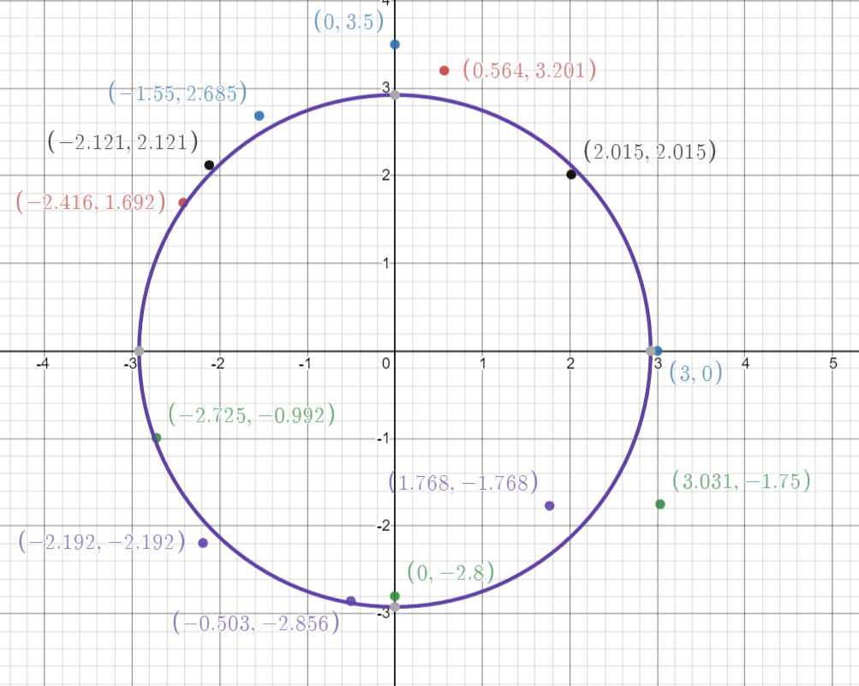
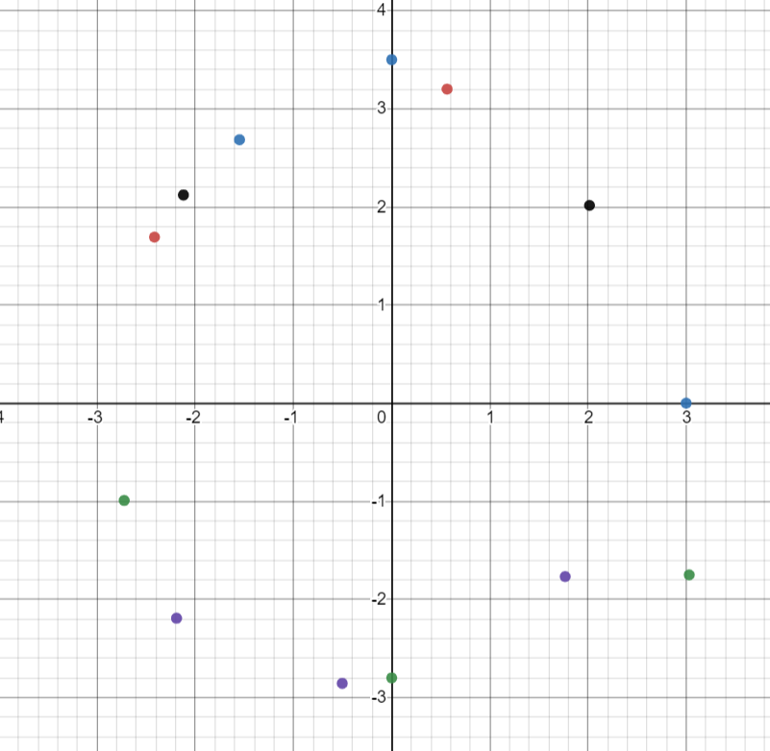
 | y
-2.4164 | 1.692
-1.55 | 2.6846
-2.7251 | -0.9918
-0.5035 | -2.8559
3 | 0
3.031 | -1.75
1.7677 | -1.7677
2.01525 | 2.01525
0.5643 | 3.2006
0 | 3.5
0 | -2.8
-2.192 | -2.192
-2.1213 | 2.1213
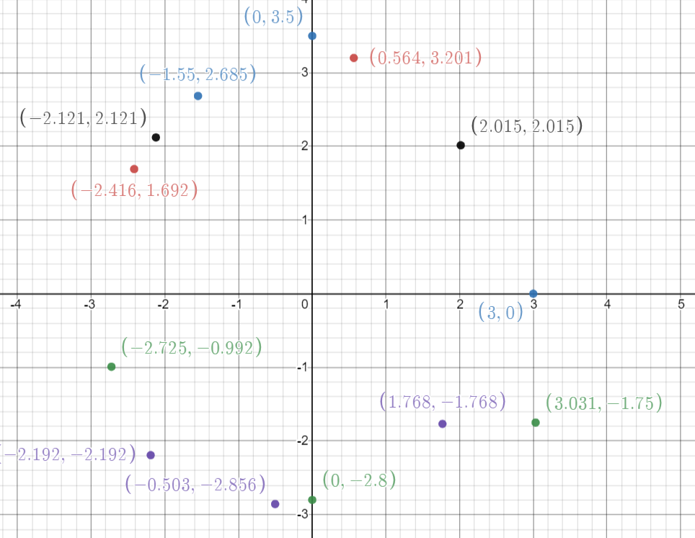

R1 | 2.92241184

