Maths
$$y=±√(R^{2}−x^{2})$$
$$\frac{dy}{dR}=±\frac{R}{√(R^{2}−x^{2})}$$
 |  |  |  | Gauss Newton |  | Levenberg (lambda * Identity ) | Levenberg Marquardt ((lambda * Diag(ZT*Z) )
Fit a circle to the following data of x and y with R as initial guess. |  |  |  | Output: Ctrl+W |  | Output : Ctrl+ L | Output: Ctrl+ M
R (initial guess) | 6.1235944721 |  |  | -9.1840662521 |  | 5.9219123421 | 6.1092366347
h | 1.4183582182 |  |  | -4.0402964338 |  | 1.4592551069 | 1.4338003775
k | -2.8934576722 |  |  | 9.2234924818 |  | -3.0759245891 | -2.909523582

x | y | SignDecider | ZR | Zh | Zk | y0 | D | ynew | Dnew | ZT
-2.4164 | 1.692 | 1 | 1.2826415628 | -0.80322436376 | 1 | 1.8807478813 | -0.18874788133 | 18.262852708 | -16.570852708 | 1.2826415628 | 1.1433044583 | -1.3581132594 | -1.0532143935 | 1.0351234314 | -1.0365909768 | -1.0016312476 | 1.0047847214 | 1.0098701829 | 1.0279542895 | -1.0279542895 | -1.2380698535 | 1.2254733085
-1.55 | 2.6846 | 1 | 1.1433044583 | -0.55420671637 | 1 | 2.4625911278 | 0.22200887222 | 18.063486633 | -15.378886633 | -0.80322436376 | -0.55420671637 | 0.91895137267 | 0.33054584965 | 0.26735840787 | -0.27298507887 | -0.057141544294 | 0.097940473598 | -0.14084667639 | -0.23809666382 | 0.23809666382 | 0.72994312256 | -0.70836772212
-2.7251 | -0.9918 | -1 | -1.3581132594 | 0.91895137267 | -1 | -7.4023559027 | 6.4105559027 | 0.13408484089 | -1.1258848409 | 1 | 1 | -1 | -1 | 1 | -1 | -1 | 1 | 1 | 1 | -1 | -1 | 1
-0.5035 | -2.8559 | -1 | -1.0532143935 | 0.33054584965 | -1 | -8.7076532527 | 5.8517532527 | 0.74775393532 | -3.6036539353
3 | 0 | 1 | 1.0351234314 | 0.26735840787 | 1 | 3.0223532218 | -3.0223532218 | 15.121059696 | -15.121059696
3.031 | -1.75 | -1 | -1.0365909768 | -0.27298507887 | -1 | -8.8008933039 | 7.0508933039 | 3.3631307465 | -5.1131307465 | ZT Z |  | ZT* D |  | ZT * Z |  |  |  | ZT *D
1.7677 | -1.7677 | -1 | -1.0016312476 | -0.057141544294 | -1 | -9.0070793139 | 7.2393793139 | 2.1091231951 | -3.8768231951 | 16.232725132 |  | -46.448328542 |  | 16.232725132 | -4.948233127 | 14.444725975 |  | -46.448328542
2.01525 | 2.01525 | 1 | 1.0047847214 | 0.097940473598 | 1 | 3.2009766297 | -1.1857266297 | 16.128377007 | -14.113127007 |  |  |  |  | -4.948233127 | 3.2327251319 | -3.9668536465 |  | 10.033375909
0.5643 | 3.2006 | 1 | 1.0098701829 | -0.14084667639 | 1 | 3.1702865357 | 0.030313464278 | 17.169860495 | -13.969260495 |  |  |  |  | 14.444725975 | -3.9668536465 | 13 |  | -41.940928368
0 | 3.5 | 1 | 1.0279542895 | -0.23809666382 | 1 | 3.0636111728 | 0.4363888272 | 17.471102902 | -13.971102902 | Increment |  | Next value of R
0 | -2.8 | -1 | -1.0279542895 | 0.23809666382 | -1 | -8.8505265172 | 6.0505265172 | 0.97588206123 | -3.7758820612 | -2.8614005452 |  | 3.262193927
-2.192 | -2.192 | -1 | -1.2380698535 | 0.72994312256 | -1 | -7.8395392319 | 5.6475392319 | 0.22733367845 | -2.4193336785
-2.1213 | 2.1213 | 1 | 1.2254733085 | -0.70836772212 | 1 | 2.1034642761 | 0.017835723871 | 18.204835678 | -16.083535678 |  |  |  |  | ZT* Z inverse |  |  |  | Increments
 |  |  |  |  |  |  |  |  |  |  |  |  |  | 26.151966302 | 6.9901556827 | -26.925312491 |  | R | -15.307660724
 |  |  |  |  |  |  |  |  |  | Z |  |  |  | 6.9901556827 | 2.3628918272 | -7.0459720999 |  | h | -5.4586546519
 |  |  |  |  |  |  |  |  |  |  |  |  |  | -26.925312491 | -7.0459720999 | 27.844493892 |  | k | 12.116950154

 |  |  |  |  |  |  | R | -9.1840662521 |  |  |  |  |  |  |  |  |  |  |  |  |  | Diagonal elements of ZT * Z
 |  |  |  |  |  |  | h | -4.0402964338 |  |  |  |  |  |  |  |  |  | New Values |  |  |  | 16.232725132
 |  |  |  |  |  |  | k | 9.2234924818 |  |  |  |  |  |  |  |  |  | R1 | -9.1840662521 |  |  | 3.2327251319
 |  |  |  |  |  |  | Output |  |  |  |  | Beta | 2 |  |  |  |  | h1 | -4.0402964338 |  |  | 13
 |  |  |  |  |  | Theta | X | Y |  | Theta (degrees) |  | Initial lambda | 100 |  | new lambda* I |  |  | k1 | 9.2234924818
 |  |  |  |  |  | 0 | -13.224362686 | 9.2234924818 |  | 0 |  | lambda new | 200 |  | 200 | 0 | 0
 |  |  |  |  |  | 0.1745329252 | -13.084836083 | 7.6286961136 |  | 10 |  |  |  |  | 0 | 200 | 0 |  |  |  |  | new lambda* Diag(ZT*Z)
 |  |  |  |  |  | 0.3490658504 | -12.67049572 | 6.082356826 |  | 20 |  |  |  |  | 0 | 0 | 200 |  |  |  |  | 3246.5450264 | 0 | 0
 |  |  |  |  |  | 0.5235987756 | -11.993931118 | 4.6314593558 |  | 30 |  |  |  |  |  |  |  |  |  |  |  | 0 | 646.54502637 | 0
 |  |  |  |  |  | 0.6981317008 | -11.075699351 | 3.3200884884 |  | 40 |  |  |  |  |  |  |  |  |  |  |  | 0 | 0 | 2600
 |  |  |  |  |  | 0.872664626 | -9.9437004271 | 2.1880895642 |  | 50
 |  |  |  |  |  | 1.0471975512 | -8.6323295598 | 1.2698577975 |  | 60 |  |  |  |  | ZT* Z + new lambda* I
 |  |  |  |  |  | 1.2217304764 | -7.1814320896 | 0.59329319594 |  | 70 |  |  |  |  | 216.23272513 | -4.948233127 | 14.444725975 |  | Increments |  |  | ZT* Z + new lambda* Diag(ZT*Z)
 |  |  |  |  |  | 1.3962634016 | -5.635092802 | 0.1789528326 |  | 80 |  |  |  |  | -4.948233127 | 203.23272513 | -3.9668536465 |  | R | -0.20168213004 |  | 3272.6969927 | 6.9901556827 | -26.925312491
 |  |  |  |  |  | 1.5707963268 | -4.0402964338 | 0.03942622975 |  | 90 |  |  |  |  | 14.444725975 | -3.9668536465 | 213 |  | h | 0.040896888785 |  | 6.9901556827 | 648.9079182 | -7.0459720999
 |  |  |  |  |  | 1.745329252 | -2.4455000655 | 0.1789528326 |  | 100 |  |  |  |  | #N/A | #N/A | #N/A |  | k | -0.18246691687 |  | -26.925312491 | -7.0459720999 | 2627.8444939
 |  |  |  |  |  | 1.9198621772 | -0.89916077792 | 0.59329319594 |  | 110
 |  |  |  |  |  | 2.0943951024 | 0.55173669227 | 1.2698577975 |  | 120
 |  |  |  |  |  | 2.2689280276 | 1.8631075596 | 2.1880895642 |  | 130
 |  |  |  |  |  | 2.4434609528 | 2.9951064839 | 3.3200884884 |  | 140 |  |  |  |  | ZT* Z + new lambda* I Inverse |  |  |  | New Values |  |  | ZT* Z + new lambda* Diag(ZT*Z) Inverse
 |  |  |  |  |  | 2.617993878 | 3.9133382506 | 4.6314593558 |  | 150 |  |  |  |  | 0.0046480199958 | 0.00010705465921 | -0.00031321457747 |  | R1 | 5.9219123421 |  | 0.00030559103015 | -3.2579792637E-06 | 3.1223987451E-06
 |  |  |  |  |  | 2.7925268032 | 4.5899028521 | 6.082356826 |  | 160 |  |  |  |  | 0.00010705465921 | 0.0049247224242 | 8.4456703709E-05 |  | h1 | 1.4592551069 |  | -3.2579792637E-06 | 0.0015411302988 | 4.0988114035E-06
 |  |  |  |  |  | 2.9670597284 | 5.0042432154 | 7.6286961136 |  | 170 |  |  |  |  | -0.00031321457747 | 8.4456703709E-05 | 0.0047176494184 |  | k1 | -3.0759245891 |  | 3.1223987451E-06 | 4.0988114035E-06 | 0.00038058300405
 |  |  |  |  |  | 3.1415926536 | 5.1437698183 | 9.2234924818 |  | 180
 |  |  |  |  |  | 3.3161255788 | 5.0042432154 | 10.81828885 |  | 190 |  |  |  |  |  |  |  |  |  |  |  | Increments
 |  |  |  |  |  | 3.490658504 | 4.5899028521 | 12.364628138 |  | 200 |  |  |  |  | Theta (Degrees) | Theta (radians) | X | Y |  |  |  | R | -0.0143578374
 |  |  |  |  |  | 3.6651914292 | 3.9133382506 | 13.815525608 |  | 210 |  |  |  |  | 0 | 0 | 7.381167449 | -3.0759245891 |  |  |  | h | 0.015442159348
 |  |  |  |  |  | 3.8397243544 | 2.9951064839 | 15.126896475 |  | 220 |  |  |  |  | 10 | 0.1745329252 | 7.2912002941 | -2.0475953026 |  |  |  | k | -0.016065909798
 |  |  |  |  |  | 4.0142572796 | 1.8631075596 | 16.258895399 |  | 230 |  |  |  |  | 20 | 0.3490658504 | 7.0240324357 | -1.0505112811
 |  |  |  |  |  | 4.1887902048 | 0.55173669227 | 17.177127166 |  | 240 |  |  |  |  | 30 | 0.5235987756 | 6.5877816342 | -0.11496841801
 |  |  |  |  |  | 4.36332313 | -0.89916077792 | 17.853691768 |  | 250 |  |  |  |  | 40 | 0.6981317008 | 5.9957031492 | 0.73060729009 |  |  |  | New Values
 |  |  |  |  |  | 4.5378560552 | -2.4455000655 | 18.268032131 |  | 260 |  |  |  |  | 50 | 0.872664626 | 5.2657869861 | 1.4605234532 |  |  |  | R1 | 6.1092366347
 |  |  |  |  |  | 4.7123889804 | -4.0402964338 | 18.407558734 |  | 270 |  |  |  |  | 60 | 1.0471975512 | 4.420211278 | 2.0526019382 |  |  |  | h1 | 1.4338003775
 |  |  |  |  |  | 4.8869219056 | -5.635092802 | 18.268032131 |  | 280 |  |  |  |  | 70 | 1.2217304764 | 3.484668415 | 2.4888527397 |  |  |  | k1 | -2.909523582
 |  |  |  |  |  | 5.0614548308 | -7.1814320896 | 17.853691768 |  | 290 |  |  |  |  | 80 | 1.3962634016 | 2.4875843935 | 2.7560205981
 |  |  |  |  |  | 5.235987756 | -8.6323295598 | 17.177127166 |  | 300 |  |  |  |  | 90 | 1.5707963268 | 1.4592551069 | 2.845987753
D*D | Dnew * Dnew |  |  |  |  | 5.4105206812 | -9.9437004271 | 16.258895399 |  | 310 |  |  |  |  | 100 | 1.745329252 | 0.43092582044 | 2.7560205981
0.035625762705 | 274.59315946 |  |  |  |  | 5.5850536064 | -11.075699351 | 15.126896475 |  | 320 |  |  |  |  | 110 | 1.9198621772 | -0.56615820105 | 2.4888527397
0.049287939344 | 236.51015407 |  |  |  |  | 5.7595865316 | -11.993931118 | 13.815525608 |  | 330 |  |  |  |  | 120 | 2.0943951024 | -1.5017010641 | 2.0526019382
41.095226982 | 1.2676166749 |  |  |  |  | 5.9341194568 | -12.67049572 | 12.364628138 |  | 340 |  |  |  |  | 130 | 2.2689280276 | -2.3472767722 | 1.4605234532
34.24301613 | 12.986321686 |  |  |  |  | 6.108652382 | -13.084836083 | 10.81828885 |  | 350 |  |  |  |  | 140 | 2.4434609528 | -3.0771929353 | 0.73060729009
9.1346189971 | 228.64644633 |  |  |  |  | 6.2831853072 | -13.224362686 | 9.2234924818 |  | 360 |  |  |  |  | 150 | 2.617993878 | -3.6692714203 | -0.11496841801
49.715096383 | 26.144106031 |  |  |  |  |  |  |  |  |  |  |  |  |  | 160 | 2.7925268032 | -4.1055222218 | -1.0505112811
52.408612851 | 15.029758086 |  |  |  |  |  |  |  |  |  |  |  |  |  | 170 | 2.9670597284 | -4.3726900802 | -2.0475953026
1.4059476403 | 199.18035392 |  |  |  |  |  |  |  |  |  |  |  |  |  | 180 | 3.1415926536 | -4.4626572351 | -3.0759245891
0.00091890611651 | 195.14023878 |  |  |  |  |  |  |  |  |  |  |  |  |  | 190 | 3.3161255788 | -4.3726900802 | -4.1042538756
0.1904352085 | 195.19171631 |  |  |  |  |  |  |  |  |  |  |  |  |  | 200 | 3.490658504 | -4.1055222218 | -5.1013378971
36.608871135 | 14.25728534 |  |  |  |  |  |  |  |  |  |  |  |  |  | 210 | 3.6651914292 | -3.6692714203 | -6.0368807601
31.894699376 | 5.8531754477 |  |  |  |  |  |  |  |  |  |  |  |  |  | 220 | 3.8397243544 | -3.0771929353 | -6.8824564682
0.00031811304601 | 258.68011991 |  |  |  |  |  |  |  |  |  |  |  |  |  | 230 | 4.0142572796 | -2.3472767722 | -7.6123726313
256.78267542 | 1663.4804521 | Sums |  |  |  |  |  |  |  |  |  |  |  |  | 240 | 4.1887902048 | -1.5017010641 | -8.2044511163
 |  |  |  |  |  |  |  |  |  |  |  |  |  |  | 250 | 4.36332313 | -0.56615820105 | -8.6407019179
 |  |  |  |  |  |  |  |  |  |  |  |  |  |  | 260 | 4.5378560552 | 0.43092582044 | -8.9078697762
 |  |  |  |  |  |  |  |  |  |  |  |  |  |  | 270 | 4.7123889804 | 1.4592551069 | -8.9978369311
 |  |  |  |  |  |  |  |  |  |  |  |  |  |  | 280 | 4.8869219056 | 2.4875843935 | -8.9078697762
 |  |  |  |  |  |  |  |  |  |  |  |  |  |  | 290 | 5.0614548308 | 3.484668415 | -8.6407019179
 |  |  |  |  |  |  |  |  |  |  |  |  |  |  | 300 | 5.235987756 | 4.420211278 | -8.2044511163
 |  |  |  |  |  |  |  |  |  |  |  |  |  |  | 310 | 5.4105206812 | 5.2657869861 | -7.6123726313
 |  |  |  |  |  |  |  |  |  |  |  |  |  |  | 320 | 5.5850536064 | 5.9957031492 | -6.8824564682
 |  |  |  |  |  |  |  |  |  |  |  |  |  |  | 330 | 5.7595865316 | 6.5877816342 | -6.0368807601
 |  |  |  |  |  |  |  |  |  |  |  |  |  |  | 340 | 5.9341194568 | 7.0240324357 | -5.1013378971
 |  |  |  |  |  |  |  |  |  |  |  |  |  |  | 350 | 6.108652382 | 7.2912002941 | -4.1042538756
 |  |  |  |  |  |  |  |  |  |  |  |  |  |  | 360 | 6.2831853072 | 7.381167449 | -3.0759245891

Graphs
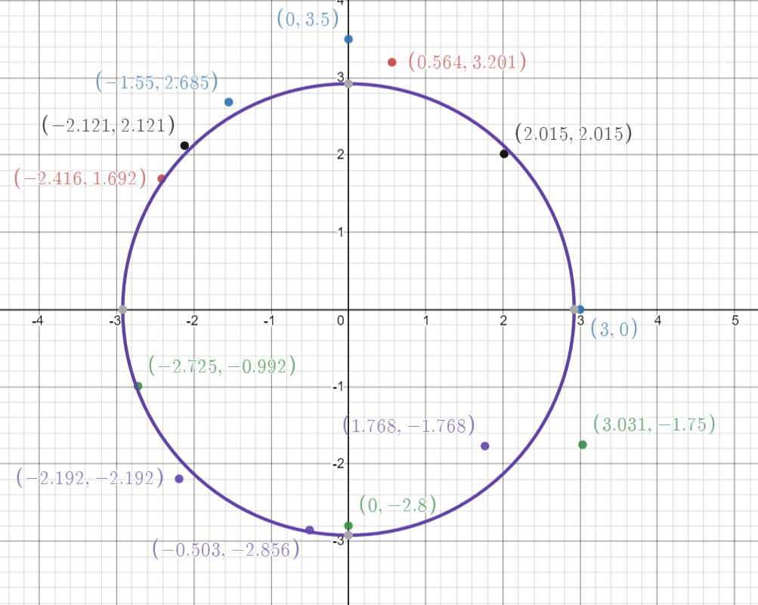
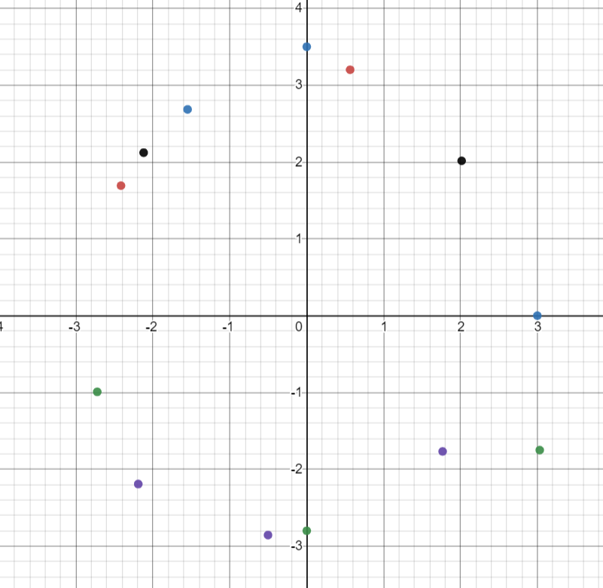
 | y
-2.4164 | 1.692
-1.55 | 2.6846
-2.7251 | -0.9918
-0.5035 | -2.8559
3 | 0
3.031 | -1.75
1.7677 | -1.7677
2.01525 | 2.01525
0.5643 | 3.2006
0 | 3.5
0 | -2.8
-2.192 | -2.192
-2.1213 | 2.1213
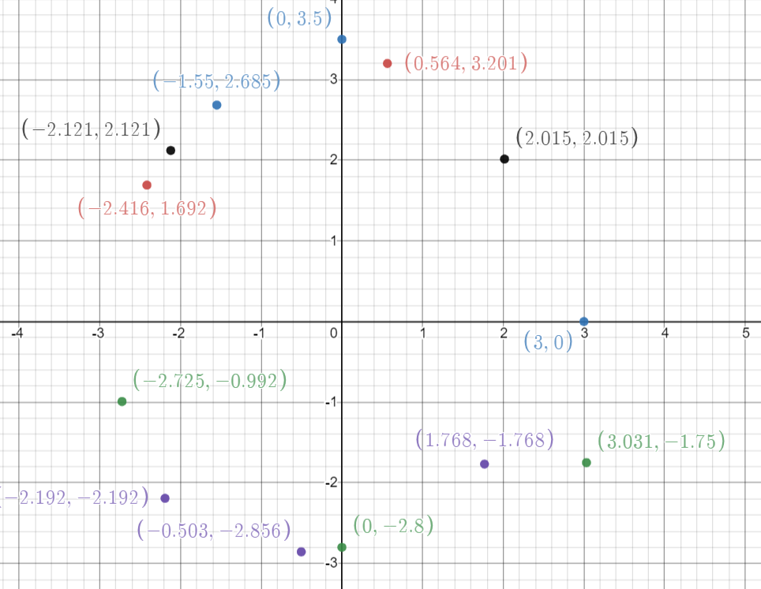

R1 | 2.92241184

