Sign Up
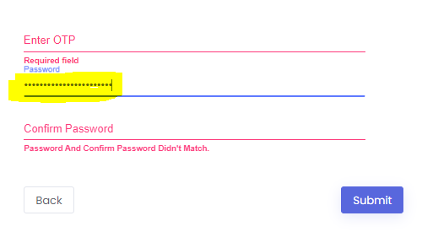
Sign up test cases

 | Test Case ID | Test Objective | Prerequsite | Steps | Data | Expected Output | Actual Output | Status
 | TC-1 | To Verify Sign up process first part with entering valid details | I am on Sign Up Page | 1.Enter Name 2.Select the Country 3.Enter the Mobile Number 4.Enter the Email Address 5.Enter the Captcha 6.Click on Submit | 1.Name: Anish Mate 2.Country: India 3.Mobile no:8446739221 4.Email: anishmate12@gmail.com 5.Captcha code | 1.Page Should Redirected to Validate OTP and Set Password field. | 1.Page is redirected to the Validate OTP and Set Password field | Pass

 | TC-2 | To Verify Sign up process Second part with validating Valid OTP and entering Valid new password | I am on Autorize OTP page | 1.Enter The OTP Received on Email. 2.Enter the Password and Confirm password. 3.Click On Submit | 1.OTP:OTP that is received. 2.Password that you are gonna set. 3.Confirm Password | 1.Page Should Redirected to Login Page. | 1.Page is Redirected to Login Page. | Pass

 | TC-3 | To Verify Sign up process first part with entering invalid data | I am on Sign Up Page | 1.Enter Name 2.Select the Country 3.Enter the Mobile Number 4.Enter the Email Address 5.Enter the Captcha 6.Click on Submit | 1.Name: ''asgdj" 2.Mobile no:844 0r 852894343441 3.Email: anishmategmail.com | 1.Validation for Mobile no should appear for minimum length: "Minimum field length: 6" 2.Validation for Mobile no should appear for minimum length: "Maximum field length: 10" 3.Validation for Email ID field Should appear"Please Enter Correct Email Id" | All the Validations are appearing | Pass

 | TC-4 | To verify Sign Up Process first part keep all field empty | I am on Sign Up Page | 1.Keep all the fields empty. |  | 1.Validation Should appear:"Required Fields are empty" | 1.Validation is appearing:"Required Fields are empty" | Pass

 | TC-5 | To Verify Sign up Process first part with entering already registered email address | I am on Sign Up Page | 1.Enter already registered email address. | 1.email id-anishmate12@gmail.com | 1.Validation Should appear:"The login Details Is Incorrect" | 1.Validation is appearing:"The login Details Is Incorrect" | Pass

 | TC-6 | To Verify Sign up Process first part Without Entering Captcha code | I am on Sign Up Page | 1.Keep the Captcha field empty |  | 1.Validation Should appear:"Please EnterCaptcha" | 1.Validation is appearing:"Please EnterCaptcha" | Pass

 | TC-7 | To Verify Sign up Process first part With Entering Wrong Captcha code | I am on Sign Up Page | 1.Enter the wrong Captcha code | 1.Wrong Captcha | 1.Validation Should appear:"Please Enter Correct Captcha" | 1.Validation is appearing:"Please Enter Correct Captcha" | Pass

 | TC-8 | To Verify Sign up process Second part with validating Invalid OTP | I am on Autorize OTP page | 1.Enter The invalid OTP |  | 1.Validation Should appear:"Please Enter Correct OTP" | 1.Validation is appearing:"Please Enter Correct OTP" | Pass

 | TC-9 | To Verify Sign up process Second part with entering less than minimum Length password | I am on Autorize OTP page | 1.Enter the password below minimum length. |  | 1.Validation Should appear :"Minimum field length: 8" | 1.Validation is appearing :"Minimum field length: 8" | Pass

 | TC-10 | To Verify Sign up process Second part with entering password and confirm password different | I am on Autorize OTP page | 1.Enter different passwords in both password fields |  | 1.Validation Should appear :"Password And Confirm Password Didn't Match." | 1.Validation is appearing :"Password And Confirm Password Didn't Match." | Pass

 | Bugs:
 | 1.Password Field Maximum Length is Not Set

