ProfitCharts
10 MOST PROFITABLE GOODS
 | Total
gold malt | -₦200
fanta apple | -₦190
active can | ₦0
fritz | ₦100
nella | ₦150
eva small | ₦150
big | ₦190
nirvana | ₦280
bigi water | ₦300
sosa | ₦300
limca | ₦950
maltina can | ₦1,100
bottle big | ₦1,200
exotic 315ml | ₦1,600
nutri choco | ₦1,800
h y 315ml | ₦2,000
viju | ₦2,400
bottle min | ₦2,800
cwater | ₦3,600
mr v | ₦7,310
solo big | ₦7,960
exotic 1l | ₦8,900
kommando | ₦9,760
pepsi lite | ₦9,830
maltina pet | ₦10,650
eva | ₦10,800
smoov | ₦10,850
chivita 1l | ₦10,900
small pulpy | ₦12,650
fresh 115 | ₦12,650
solo coke | ₦14,750
bigi | ₦15,830
predator | ₦18,400
mama coke | ₦19,670
bigi solo | ₦20,500
amstel | ₦24,900
cway small | ₦25,800
la casera | ₦33,420
fearless | ₦35,350
coke | ₦38,020
beta pet | ₦39,150
solo pepsi | ₦40,800
h y 1l | ₦41,800
big pulpy | ₦42,900
mg | ₦46,650
cway big | ₦53,500
pepsi | ₦62,120
fresh yo | ₦86,500
10 LEAST PROFITABLE GOODS
 | Total
gold malt | -₦200
fanta apple | -₦190
active can | ₦0
fritz | ₦100
nella | ₦150
eva small | ₦150
big | ₦190
nirvana | ₦280
bigi water | ₦300
sosa | ₦300
limca | ₦950
maltina can | ₦1,100
bottle big | ₦1,200
exotic 315ml | ₦1,600
nutri choco | ₦1,800
h y 315ml | ₦2,000
viju | ₦2,400
bottle min | ₦2,800
cwater | ₦3,600
mr v | ₦7,310
solo big | ₦7,960
exotic 1l | ₦8,900
kommando | ₦9,760
pepsi lite | ₦9,830
maltina pet | ₦10,650
eva | ₦10,800
smoov | ₦10,850
chivita 1l | ₦10,900
small pulpy | ₦12,650
fresh 115 | ₦12,650
solo coke | ₦14,750
bigi | ₦15,830
predator | ₦18,400
mama coke | ₦19,670
bigi solo | ₦20,500
amstel | ₦24,900
cway small | ₦25,800
la casera | ₦33,420
fearless | ₦35,350
coke | ₦38,020
beta pet | ₦39,150
solo pepsi | ₦40,800
h y 1l | ₦41,800
big pulpy | ₦42,900
mg | ₦46,650
cway big | ₦53,500
pepsi | ₦62,120
fresh yo | ₦86,500

Charts
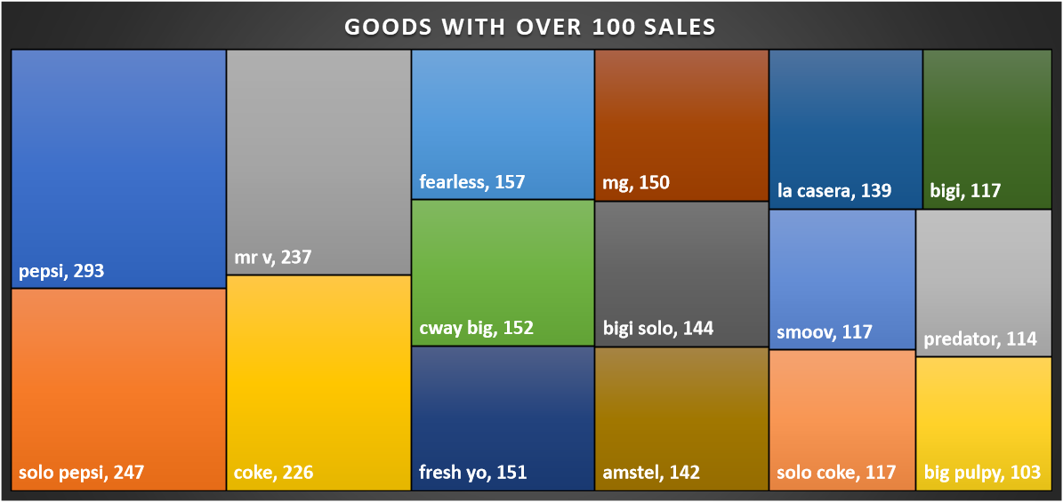
JUNE TOP 10 SALES
 | Total
gold malt | -₦200
fanta apple | -₦190
active can | ₦0
fritz | ₦100
nella | ₦150
eva small | ₦150
big | ₦190
nirvana | ₦280
bigi water | ₦300
sosa | ₦300
limca | ₦950
maltina can | ₦1,100
bottle big | ₦1,200
exotic 315ml | ₦1,600
nutri choco | ₦1,800
h y 315ml | ₦2,000
viju | ₦2,400
bottle min | ₦2,800
cwater | ₦3,600
mr v | ₦7,310
solo big | ₦7,960
exotic 1l | ₦8,900
kommando | ₦9,760
pepsi lite | ₦9,830
maltina pet | ₦10,650
eva | ₦10,800
smoov | ₦10,850
chivita 1l | ₦10,900
small pulpy | ₦12,650
fresh 115 | ₦12,650
solo coke | ₦14,750
bigi | ₦15,830
predator | ₦18,400
mama coke | ₦19,670
bigi solo | ₦20,500
amstel | ₦24,900
cway small | ₦25,800
la casera | ₦33,420
fearless | ₦35,350
coke | ₦38,020
beta pet | ₦39,150
solo pepsi | ₦40,800
h y 1l | ₦41,800
big pulpy | ₦42,900
mg | ₦46,650
cway big | ₦53,500
pepsi | ₦62,120
fresh yo | ₦86,500
JULY TOP 10 SALES
 | Total
gold malt | -₦200
fanta apple | -₦190
active can | ₦0
fritz | ₦100
nella | ₦150
eva small | ₦150
big | ₦190
nirvana | ₦280
bigi water | ₦300
sosa | ₦300
limca | ₦950
maltina can | ₦1,100
bottle big | ₦1,200
exotic 315ml | ₦1,600
nutri choco | ₦1,800
h y 315ml | ₦2,000
viju | ₦2,400
bottle min | ₦2,800
cwater | ₦3,600
mr v | ₦7,310
solo big | ₦7,960
exotic 1l | ₦8,900
kommando | ₦9,760
pepsi lite | ₦9,830
maltina pet | ₦10,650
eva | ₦10,800
smoov | ₦10,850
chivita 1l | ₦10,900
small pulpy | ₦12,650
fresh 115 | ₦12,650
solo coke | ₦14,750
bigi | ₦15,830
predator | ₦18,400
mama coke | ₦19,670
bigi solo | ₦20,500
amstel | ₦24,900
cway small | ₦25,800
la casera | ₦33,420
fearless | ₦35,350
coke | ₦38,020
beta pet | ₦39,150
solo pepsi | ₦40,800
h y 1l | ₦41,800
big pulpy | ₦42,900
mg | ₦46,650
cway big | ₦53,500
pepsi | ₦62,120
fresh yo | ₦86,500
TOTAL SALES BY MONTH
 | Total
gold malt | -₦200
fanta apple | -₦190
active can | ₦0
fritz | ₦100
nella | ₦150
eva small | ₦150
big | ₦190
nirvana | ₦280
bigi water | ₦300
sosa | ₦300
limca | ₦950
maltina can | ₦1,100
bottle big | ₦1,200
exotic 315ml | ₦1,600
nutri choco | ₦1,800
h y 315ml | ₦2,000
viju | ₦2,400
bottle min | ₦2,800
cwater | ₦3,600
mr v | ₦7,310
solo big | ₦7,960
exotic 1l | ₦8,900
kommando | ₦9,760
pepsi lite | ₦9,830
maltina pet | ₦10,650
eva | ₦10,800
smoov | ₦10,850
chivita 1l | ₦10,900
small pulpy | ₦12,650
fresh 115 | ₦12,650
solo coke | ₦14,750
bigi | ₦15,830
predator | ₦18,400
mama coke | ₦19,670
bigi solo | ₦20,500
amstel | ₦24,900
cway small | ₦25,800
la casera | ₦33,420
fearless | ₦35,350
coke | ₦38,020
beta pet | ₦39,150
solo pepsi | ₦40,800
h y 1l | ₦41,800
big pulpy | ₦42,900
mg | ₦46,650
cway big | ₦53,500
pepsi | ₦62,120
fresh yo | ₦86,500

AUGUST TOP 10 SALES
 | Total
gold malt | -₦200
fanta apple | -₦190
active can | ₦0
fritz | ₦100
nella | ₦150
eva small | ₦150
big | ₦190
nirvana | ₦280
bigi water | ₦300
sosa | ₦300
limca | ₦950
maltina can | ₦1,100
bottle big | ₦1,200
exotic 315ml | ₦1,600
nutri choco | ₦1,800
h y 315ml | ₦2,000
viju | ₦2,400
bottle min | ₦2,800
cwater | ₦3,600
mr v | ₦7,310
solo big | ₦7,960
exotic 1l | ₦8,900
kommando | ₦9,760
pepsi lite | ₦9,830
maltina pet | ₦10,650
eva | ₦10,800
smoov | ₦10,850
chivita 1l | ₦10,900
small pulpy | ₦12,650
fresh 115 | ₦12,650
solo coke | ₦14,750
bigi | ₦15,830
predator | ₦18,400
mama coke | ₦19,670
bigi solo | ₦20,500
amstel | ₦24,900
cway small | ₦25,800
la casera | ₦33,420
fearless | ₦35,350
coke | ₦38,020
beta pet | ₦39,150
solo pepsi | ₦40,800
h y 1l | ₦41,800
big pulpy | ₦42,900
mg | ₦46,650
cway big | ₦53,500
pepsi | ₦62,120
fresh yo | ₦86,500
SEPTEMBER TOP 10 SALES
 | Total
gold malt | -₦200
fanta apple | -₦190
active can | ₦0
fritz | ₦100
nella | ₦150
eva small | ₦150
big | ₦190
nirvana | ₦280
bigi water | ₦300
sosa | ₦300
limca | ₦950
maltina can | ₦1,100
bottle big | ₦1,200
exotic 315ml | ₦1,600
nutri choco | ₦1,800
h y 315ml | ₦2,000
viju | ₦2,400
bottle min | ₦2,800
cwater | ₦3,600
mr v | ₦7,310
solo big | ₦7,960
exotic 1l | ₦8,900
kommando | ₦9,760
pepsi lite | ₦9,830
maltina pet | ₦10,650
eva | ₦10,800
smoov | ₦10,850
chivita 1l | ₦10,900
small pulpy | ₦12,650
fresh 115 | ₦12,650
solo coke | ₦14,750
bigi | ₦15,830
predator | ₦18,400
mama coke | ₦19,670
bigi solo | ₦20,500
amstel | ₦24,900
cway small | ₦25,800
la casera | ₦33,420
fearless | ₦35,350
coke | ₦38,020
beta pet | ₦39,150
solo pepsi | ₦40,800
h y 1l | ₦41,800
big pulpy | ₦42,900
mg | ₦46,650
cway big | ₦53,500
pepsi | ₦62,120
fresh yo | ₦86,500

