Evidence
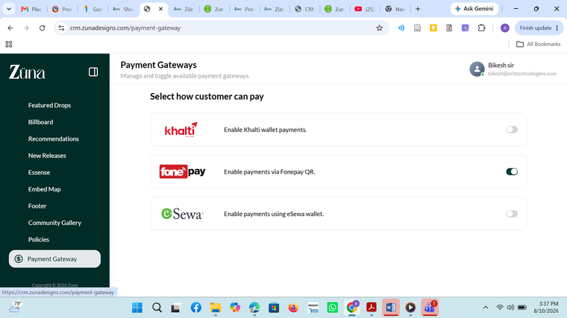
Bug Report — Screenshot Evidence
Zuna E-Commerce QA Project | SkillShikshya QA Batch 10 | Prepared by: Anita Singh

Fig. 1 BUG-000 — CRM login fails with documented admin credentials ("Invalid credentials")
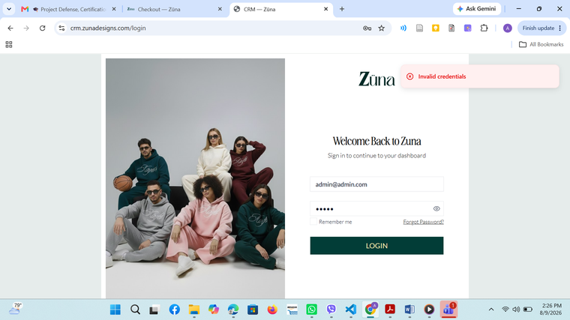

Fig. 2 BUG-001 — eSewa and Khalti not offered at customer checkout (COD + Fonepay only)
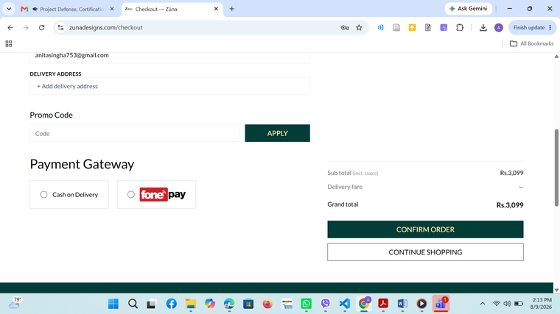

Fig. 3 BUG-002 — No UI entry point to submit a product review ("Your Reviews" tab)
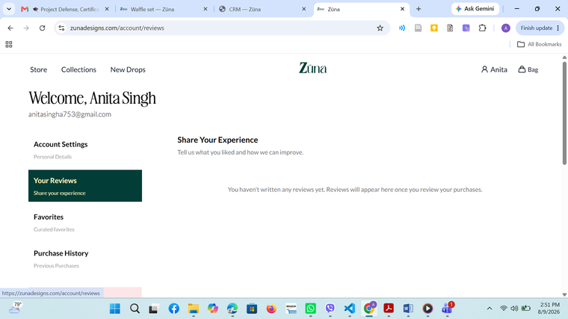

Fig. 4 OBS-003 — Delivery address field labels don't match placeholders (Province/City/Area vs Region/District/City)
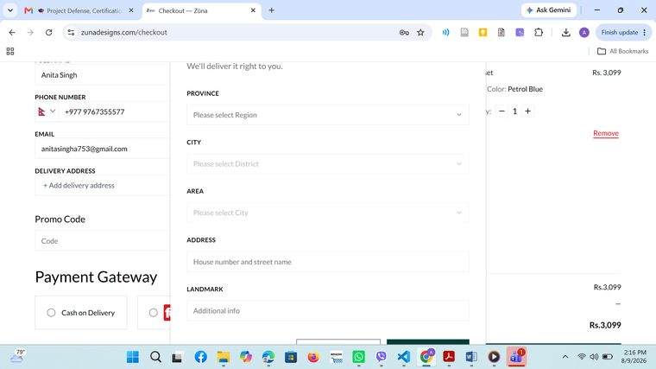

Fig. 5 OBS-004 — Bag badge shows "1" while cart quantity is 2 (count vs. total quantity)
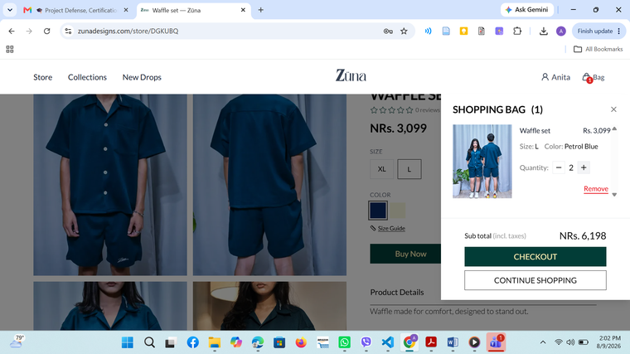

Fig. 6 OBS-005 — Undocumented UI elements present (e.g. "New Drops" nav item, bookmark/favorite icon)
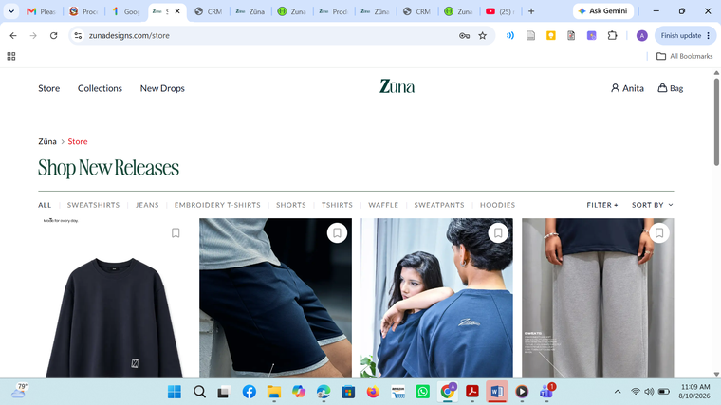

Fig. 7 BUG-003 — Search icon missing from navigation bar
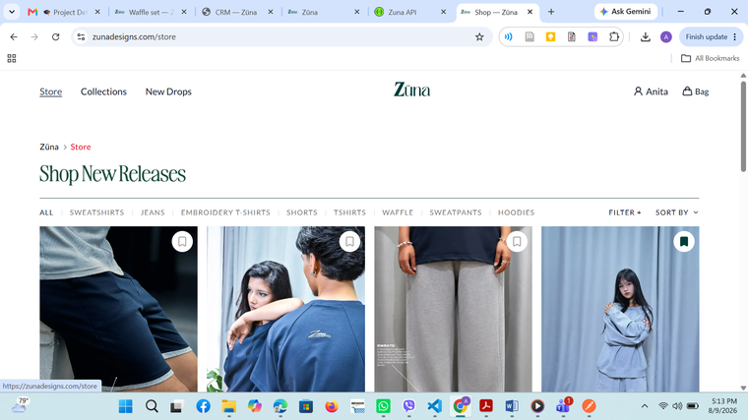

Fig. 8 BUG-004 — Broken link: /store/collections returns 404 Not Found
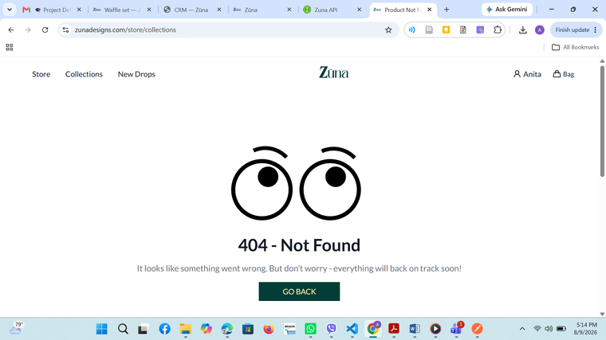

Fig. 9 OBS-006 — Order status labels differ between CRM and customer Track Orders page
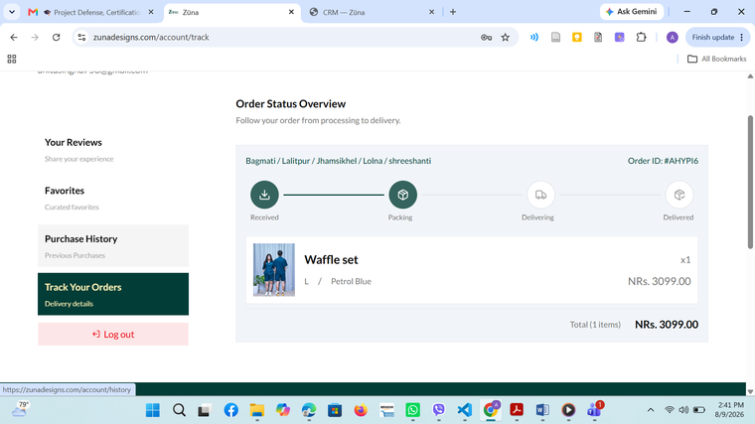

Fig. 10 OBS-007 — Delivery fare showed Rs. 0 for a Jhamsikhel (Lalitpur) address (verified as configured "Inside Valley" zone)
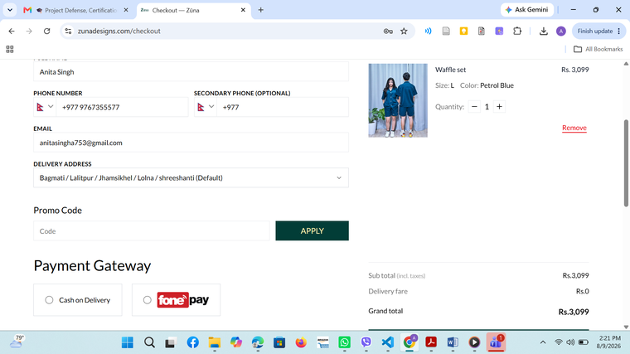

Fig. 11a BUG-006 — Order ONMMIC (Babu): Payment Status = Failed
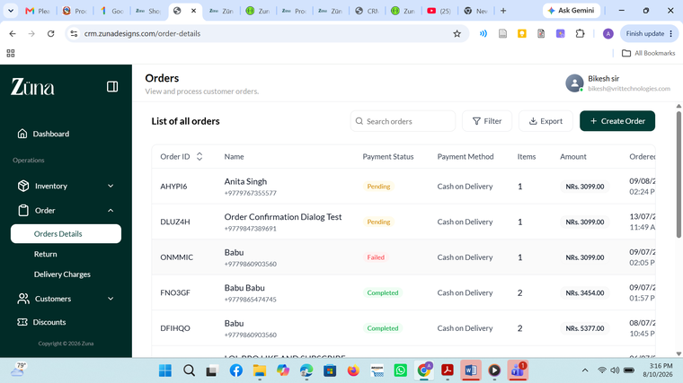

Fig. 11b BUG-006 — Same order ONMMIC: Delivery Status = Delivered (inconsistent with Failed payment)
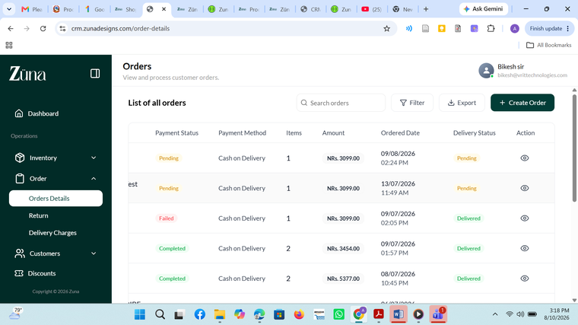

Fig. 12 BUG-007 / OBS-008 — Return records (0NZ3MR, LAFJ1U) have blank Product field; reason text "example plalkdjsflkajsdf" shows test/placeholder data in production DB
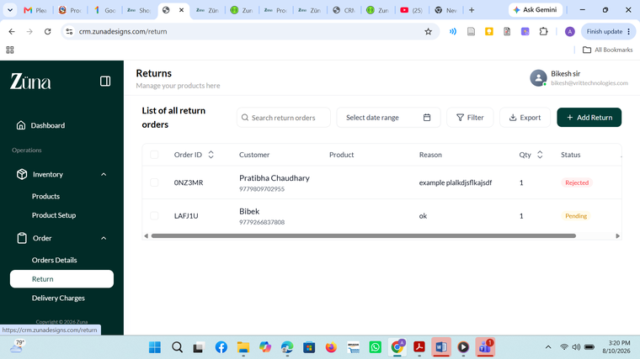

Fig. 13 BUG-008 — Top Selling Products: #1 ranked item (13 units, NRs. 40,897) shows "Product no longer available" (orphaned/deleted product reference)
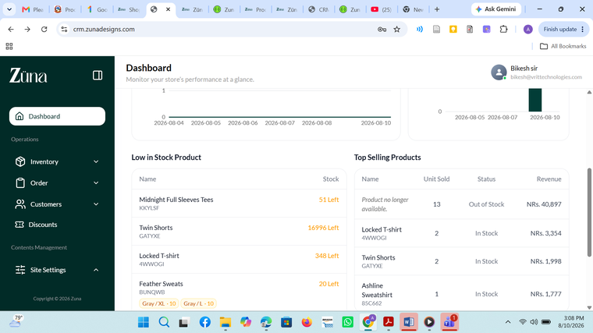

Fig. 14 OBS-008 — Community/Newsletter subscribers list contains test emails (e.g. "test@example.com")
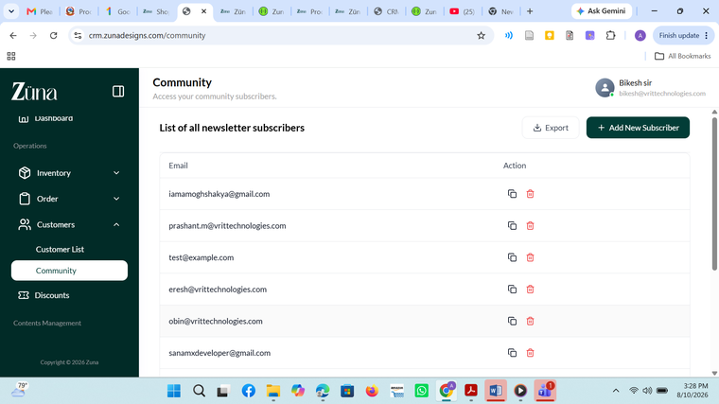

Fig. 15 OBS-008 — Multiple auto-generated test entries ("test1783...@example.com", "e@gmail.com", "e@e.com") in the shared production database


Fig. 16 BUG-001 — CRM Payment Gateway settings: Khalti = OFF, eSewa = OFF, Fonepay = ON (root-cause confirmation)

