String
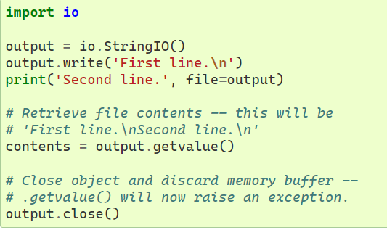

 | (highest index means the last position of the character)

or

List
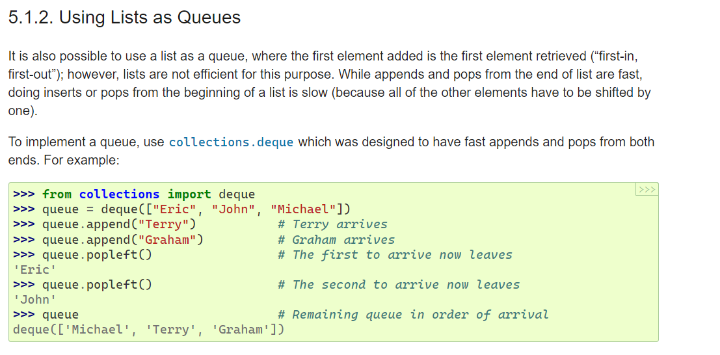
https://docs.python.org/3/tutorial/datastructures.html#tut-loopidioms

