Summary
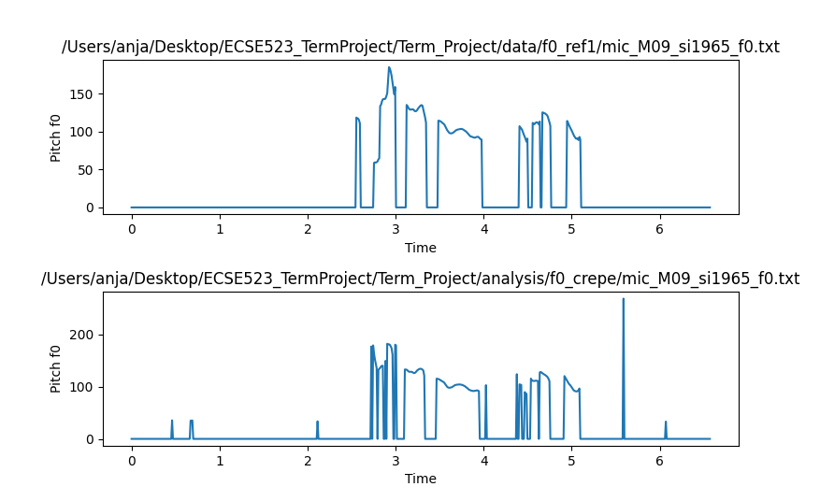
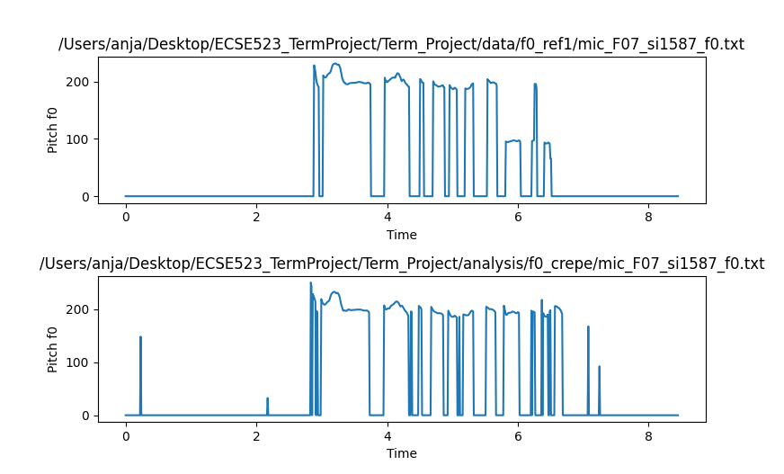
Standard Deviation Fine Pitch Error Per Sample
PDA Name | Total Frames | Unvoiced Frames | U/V Errors as % of unvoiced | Unvoiced/Voiced Errors | V/U Errors as % of Voiced | Voiced/Unvoiced Errors | Voiced Frames | Gross Pitch Error | FP Error | Mean FP Error | Stdev FP Error |  | mean (samples) | rank for mean | stdev (samples) | rank for stdev | FOM
CREPE | 14477.00 | 10411.00 | 7% | 764.00 | 19% | 519.00 | 2783.00 | 3.00 | 2780.00 | 0.000060 | 0.000465 | 0.0000625 | 0.96 | 2.00 | 7.44 | 3.00 | 5.00
YAAPT | 14477.00 | 10552.00 | 6% | 623.00 | 4% | 125.00 | 3177.00 | 0.00 | 3177.00 | 0.000018 | 0.000776 |  | 0.29 | 1.00 | 12.42 | 4.00 | 5.00
pYIN | 14457.00 | 9882.00 | 13% | 1273.00 | 14% | 412.00 | 2890.00 | 0.00 | 2890.00 | 0.000027 | 0.000386 |  | 0.44 | 1.00 | 6.18 | 3.00 | 4.00
 |  |  |  |  |  |  |  |  |  |  |  |  | all less than 1 sample!
 |  |  |  |  |  |  |  | FOM:
 |  |  |  |  |  |  |  | FP Mean
 | Unvoiced/Voiced is percentage of unvoiced frames |  |  |  | UV % VU %
 | Voiced/Unvoiced is percentage of voiced frames |  |  |  | Everything below 8% is FOM of 1 |  |  |  |  |  |  |  |  |  |  | mean +stdev?
 |  |  |  |  | Below 16% is FOM of 2
 |  |  |  |  | Everything higher is FOM 3 |  |  |  |  |  |  |  |  |  |  | these statistics may converge pretty quickly
 |  |  |  |  |  |  |  |  |  |  |  |  |  |  |  | potentially be discussed as future work
 |  |  |  |  | UV % | VU % | Mean FP | STDEV FP | TOTAL
Mean Fine Pitch Error Per Sample
Voicing Errors
 |  |  |  | CREPE | 1.00 | 3.00 | 2.00 | 1.00 | 7.00
 |  |  |  | YAAPT | 1.00 | 1.00 | 1.00 | 2.00 | 5.00
Making the figures for the report |  |  |  | pYIN | 2.00 | 2.00 | 1.00 | 1.00 | 6.00
Think of ways to plot the results
perhaps bars for the voicing errors etc.
visually makes it very easy to show
do same with mean and average |  |  |  |  |  |  |  |  |  |  |  |  |  |  |  | We need to add more feeder parameters but.. To give an idea
plot the traces |  |  |  | Total Voicing Errors |  |  |  |  | 1 yaapt |  |  | 1 yin |  |  |  | Combine all the figures of merit
see what kind of mistakes it makes |  |  |  | Crepe |  | 1283.00 | 2.00 |  | 2 yin |  |  | 2 crepe |  |  |  | yin
 |  |  |  | Yin |  | 1685.00 | 3.00 |  | 3 crepe |  |  | 3 yaapt |  |  |  | yaapt | 5.00
 |  |  |  | Yaapt |  | 748.00 | 1.00 |  |  | Prog. Name | Gross Pitch Error |  |  |  |  | crepe | 7.00
Outline the report |  |  |  | smoothers could be contributing |  |  |  |  |  | Crepe | 3.00
 |  |  |  | worst is voiced to unvoiced |  |  |  |  |  | Yaapt | 0.00
 |  |  |  |  |  |  |  |  |  | Yin | 0.00
Other experiment: add a little bit of noise
typically when you add noise, it declares a lot more things unvoiced

Check the code
Worried that the gross pitch error is always 0
is that a mistake in the code |  |  |  |  |  | Point out what voicing errors are
or are there no gross pitch error |  |  |  |  |  | Gross Pitch Error 2 |  |  |  |  |  |  |  |  | Gross Pitch Error 1

