Sheet1
BUG REPORT
PROJECT NAME : EXPODINE mobile application

Bug Id | Test Description | SEVERITY | PRIORITY | STATUS | ASSIGNED TO | REPORTED BY: | SCREENSHOTS
DEF_MOP_01 | Takeaway items are not correctly alligned | Major | High | close | Akash | Anjali
DEF_MOP_02 | product details there is two single and two double , they they are not proper working | Major | High | close | Akash | Anjali | 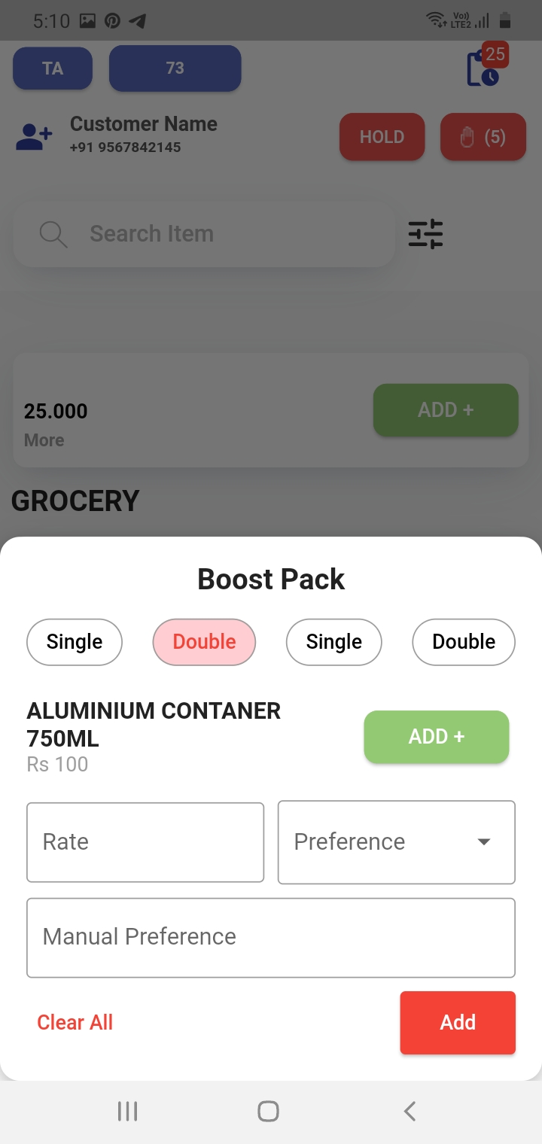
DEF_MOP_03 | There is no clear button in cart field | Major | High | close | Akash | Anjali | 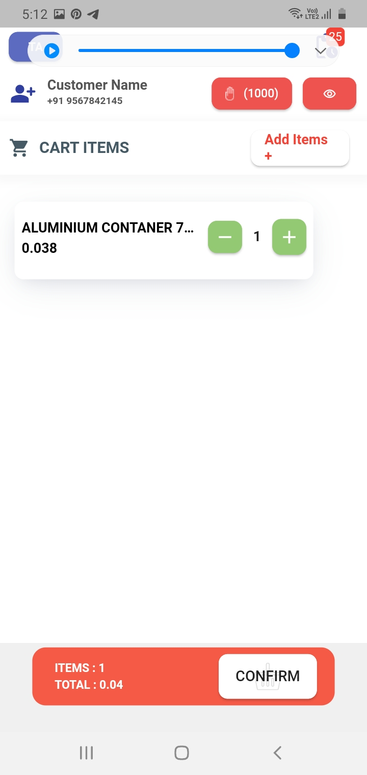
DEF_MOP_04 | There is one extra field above grocery in take away | Major | High | close | Akash | Anjali | 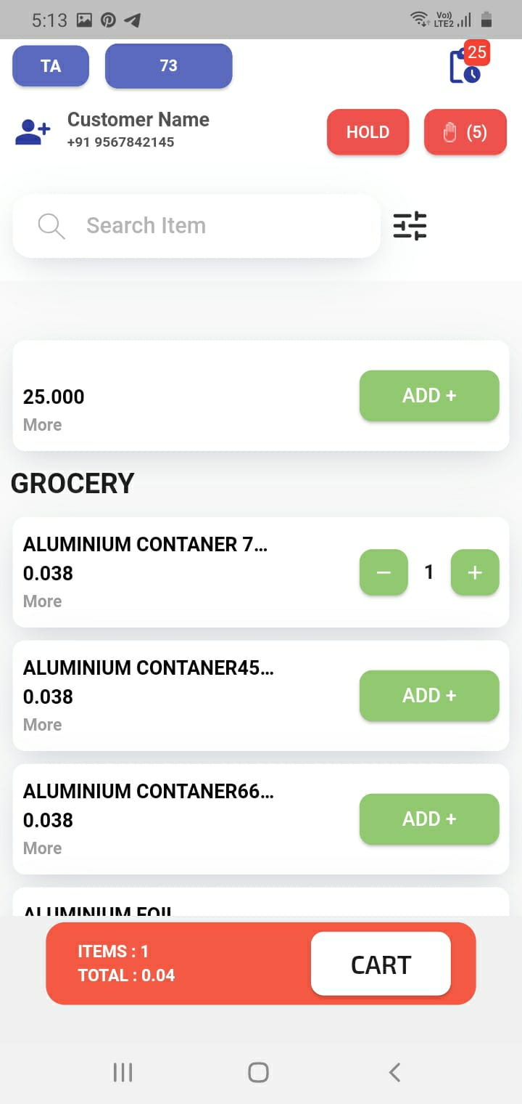
DEF_MOP_05 | KOT print there is no item details and are not proper alignment | Major | High | close | Akash | Anjali | 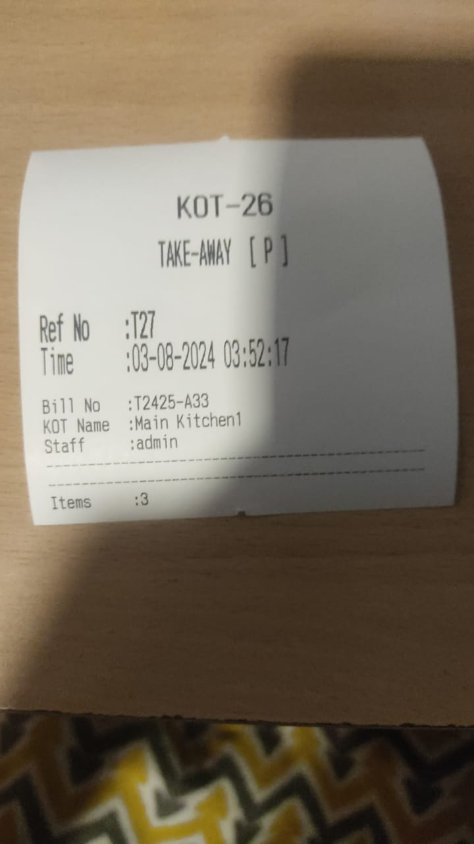
DEF_MOP_06 | all items rate are rs.15 in take away bill print | Major | High | close | Akash | Anjali | 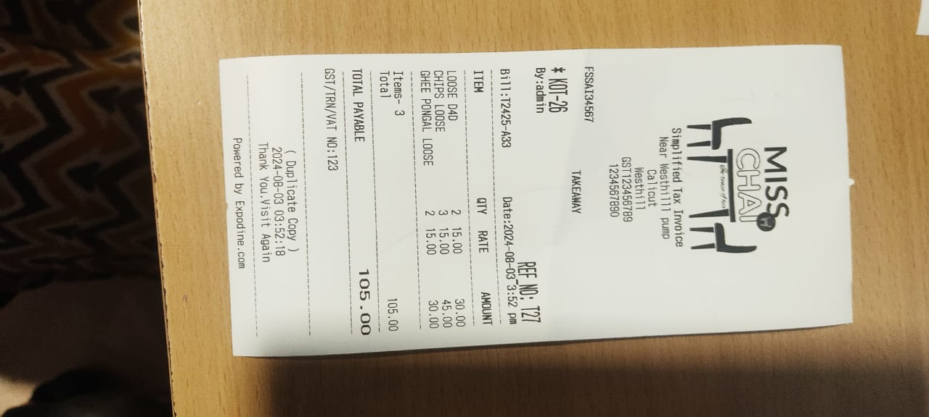
DEF_MOP_07 | Sure button in Hold button is not enable | Major | High | close | Akash | Anjali | 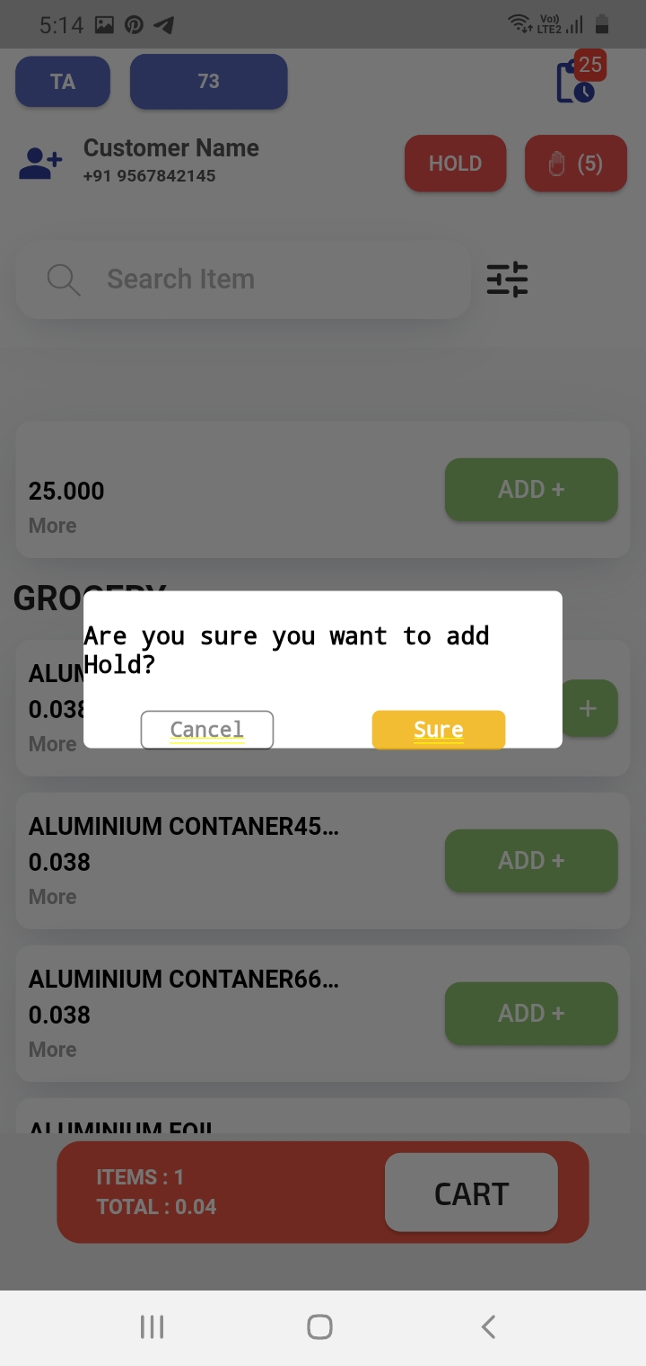
DEF_MOP_08 | Click cancel button in hold option they navigate to the take away home page | Major | High | bug | Akash | Anjali | video
DEF_MOP_09 | Hold list pop up page there is no working the buttons(clear all, add menu) | Major | High | bug | Akash | Anjali | 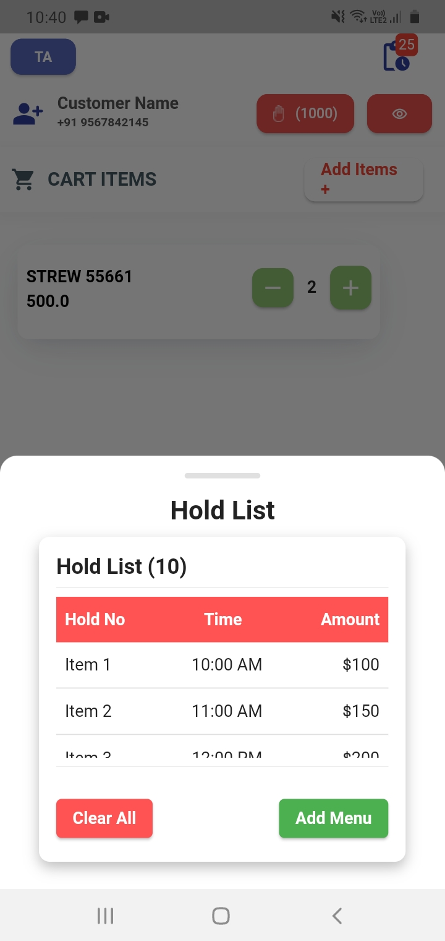
DEF_MOP_10 | Submit button is not enable in customer detail page | Major | High | close | Akash | Anjali | 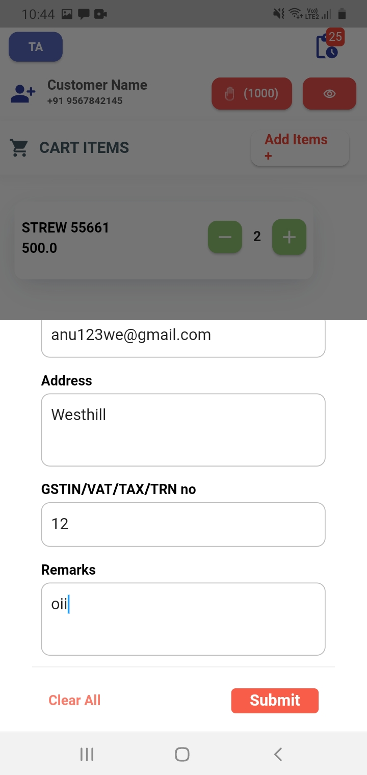
DEF_MOP_11 | Click clear button in customer details contact field still remains | Major | High | close | Akash | Anjali | video
DEF_MOP_12 | Click hamburger menu redirect to select category page first field is blank | Major | High | close | Akash | Anjali | 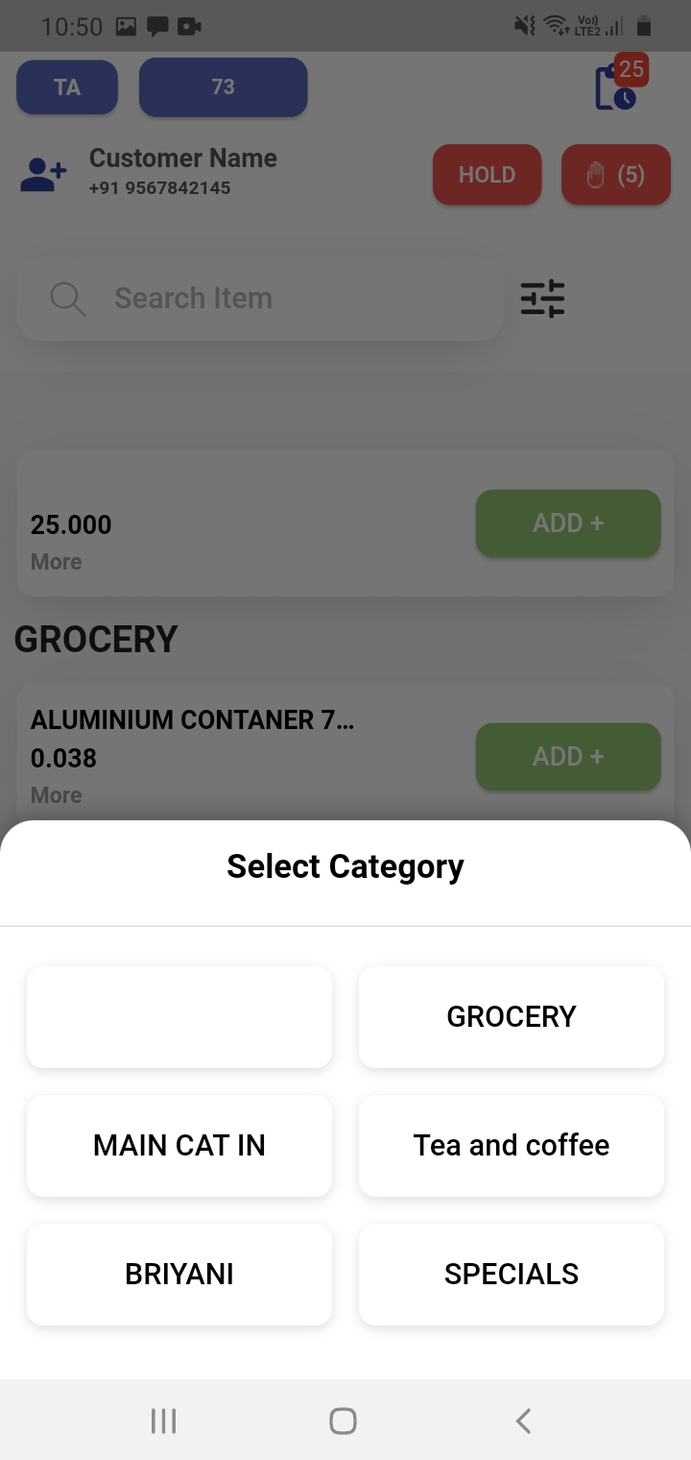
DEF_MOP_13 | "all" option is not available in select category field | Major | High | close | Akash | Anjali
DEF_MOP_14 | Bill history page there is no proper alignment of serial number | Major | High | close | Akash | Anjali | 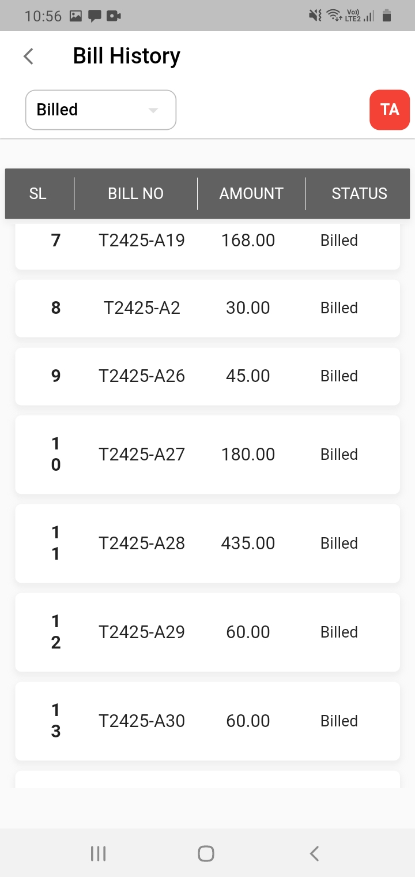
DEF_MOP_15 | "TA" button is not working in bill history field | Major | High | close | Akash | Anjali
DEF_MOP_16 | "Bill detail"page is blanck | Major | High | close | Akash | Anjali | 
DEF_MOP_17 | Click "re-order" button in bill detail page it redirect to product page but doest not display any items | Major | High | close | Akash | Anjali | video
DEF_MOP_18 | Bill detail page "re-print" is not working | Major | High | close | Akash | Anjali
DEF_MOP_19 | entire page of this application is completely slow | Major | High | close | Akash | Anjali
DEF_MOP_21 | current bill order is incorrect | Major | High | close | Akash | Anjali | video
DEF_MOP_22 | Select partners in TA their "ok" button is not working | Major | High | close | Akash | Anjali | 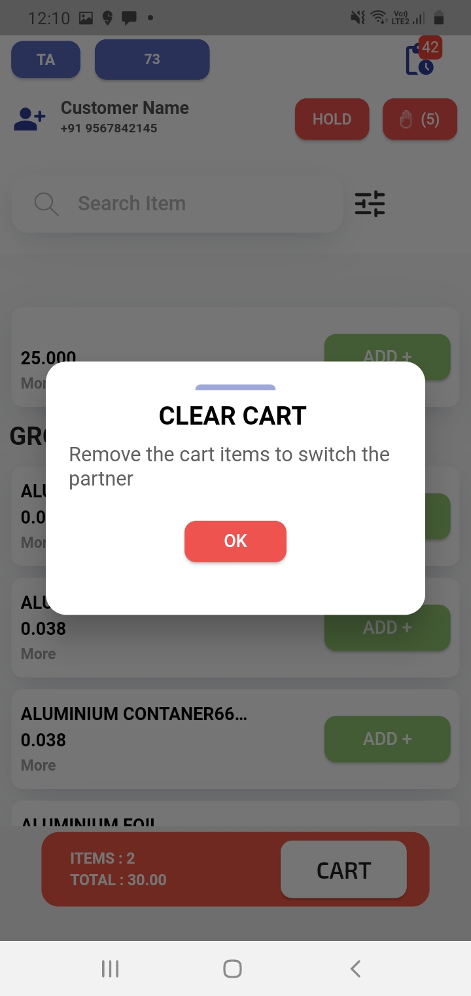
DEF_MOP_23 | Select partners in HD is not working | Major | High | close | Akash | Anjali | 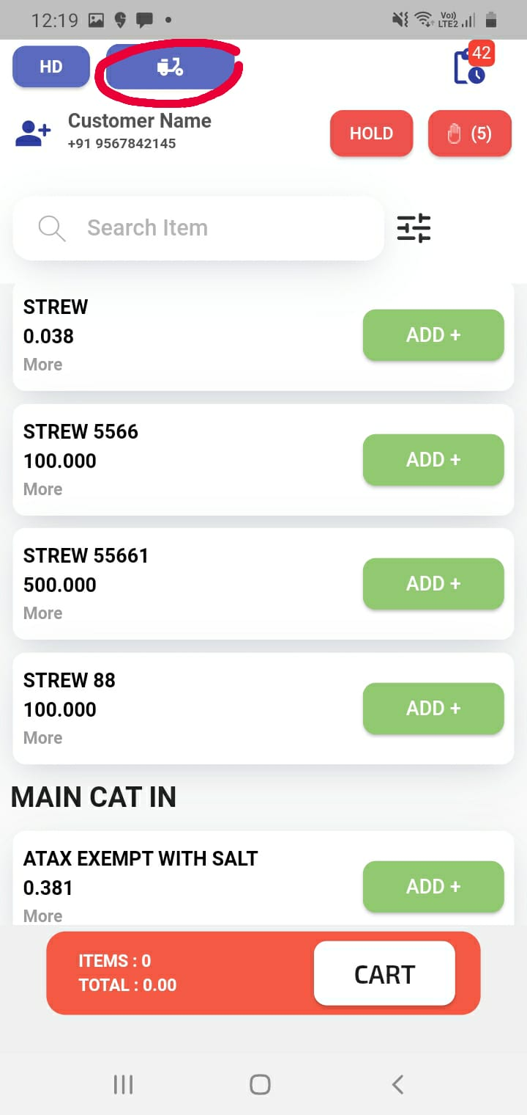
DEF_MOP_24 | Loading performance issue in settle button and their ok button | Major | High | close | Akash | Anjali | video
DEF_MOP_25 | Search field and hamburger menu is not proper allignment | Major | High | close | Akash | Anjali | 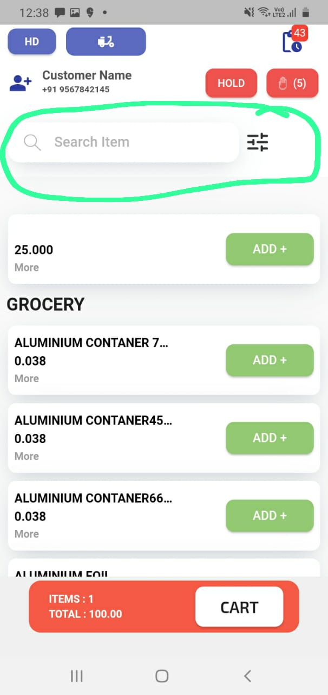
DEF_MOP_26 | product detaile page view is visible but no content | Major | High | close | Akash | Anjali | 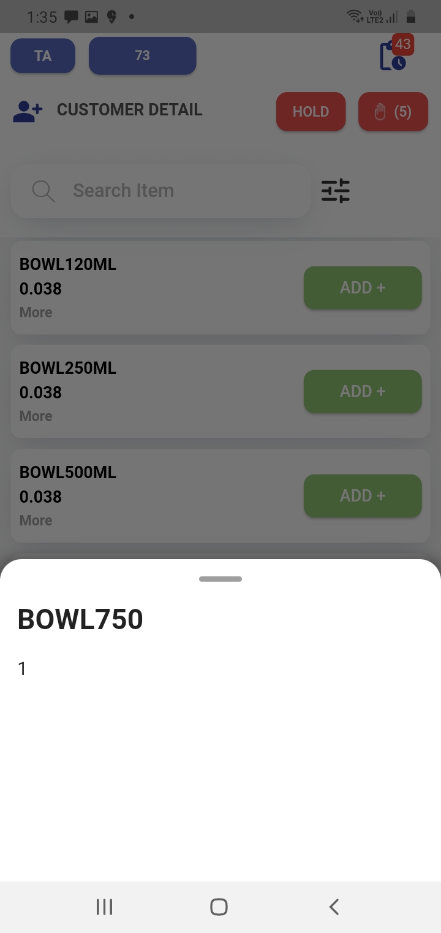
DEF_MOP_27 | Does not show any error message when the contact field, email address, etc are blank only fill the name in customer detail page | Major | High | close | Akash | Anjali | video
DEF_MOP_28 | An item is defaultly selected during the first time of installation it keeps apperaing even after syncing | Major | High | close | Akash | Anjali | 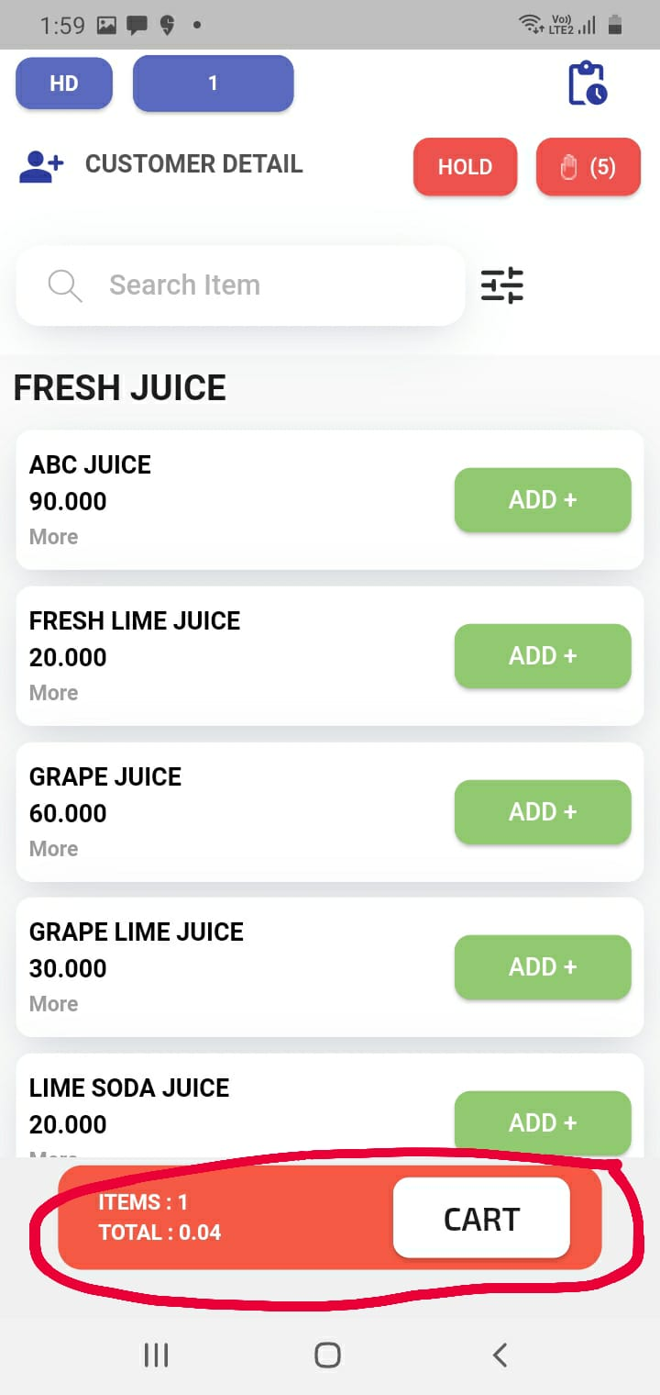
DEF_MOP_29 | TA and HD there is only one online food parnter | Major | High | close | Akash | Anjali | 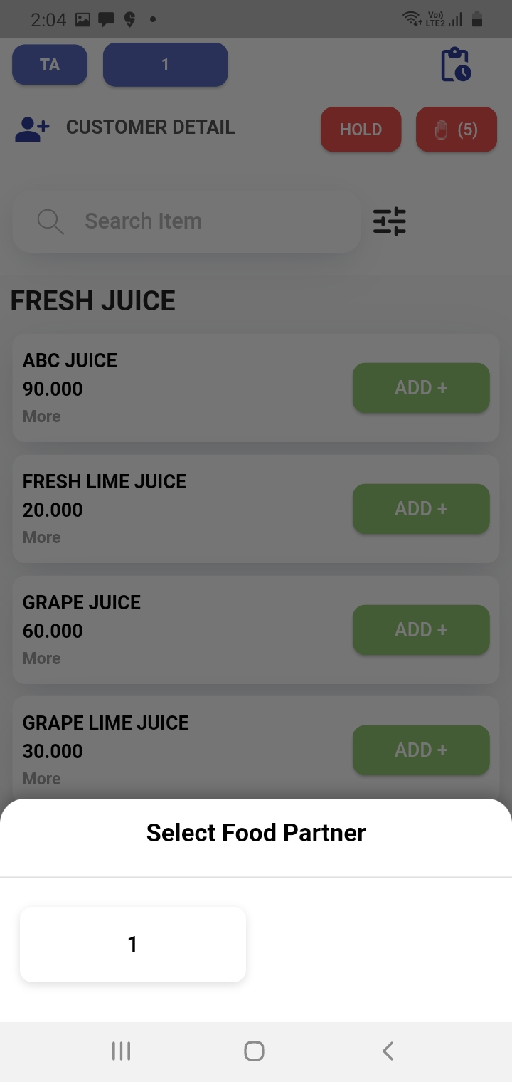
DEF_MOP_30 | Select category page is not proper allignment | Major | High | close | Akash | Anjali | 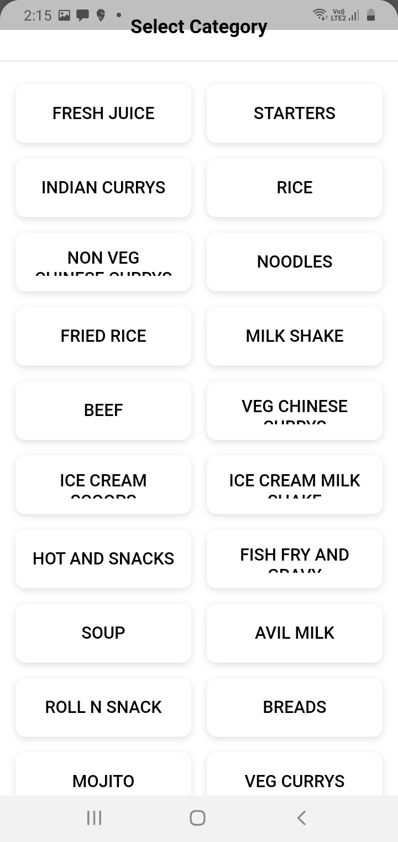
DEF_MOP_31 | History icon is not increment after the bill print | Major | High | close | Akash | Anjali | video
DEF_MOP_32 | re-order in the existing bill but re-ordered items are added in seperate bill | Major | High | close | Akash | Anjali | video
DEF_MOP_33 | Bill print notification text is in correct | Major | High | close | Akash | Anjali | 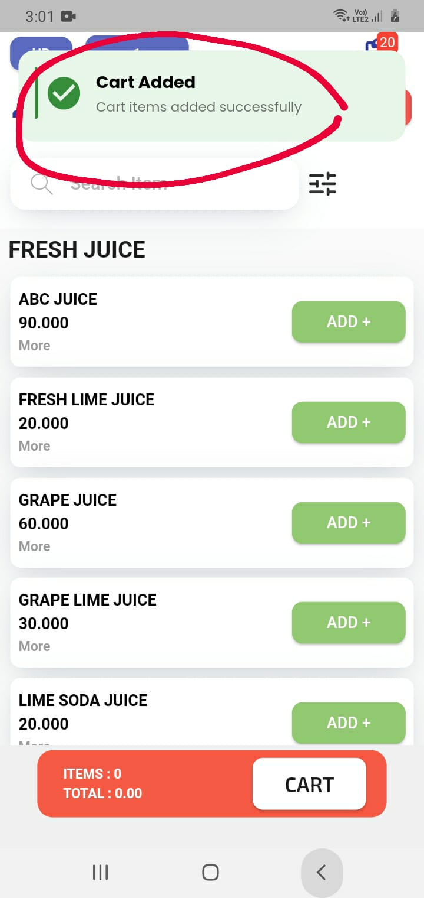
DEF_MOP_34 | Minimize the application and open the application there is no items in take away | Major | High | close | Akash | Anjali
DEF_MOP_35 | incorrect message clear all items in the cart | minor | medium | close | Akash | Anjali | 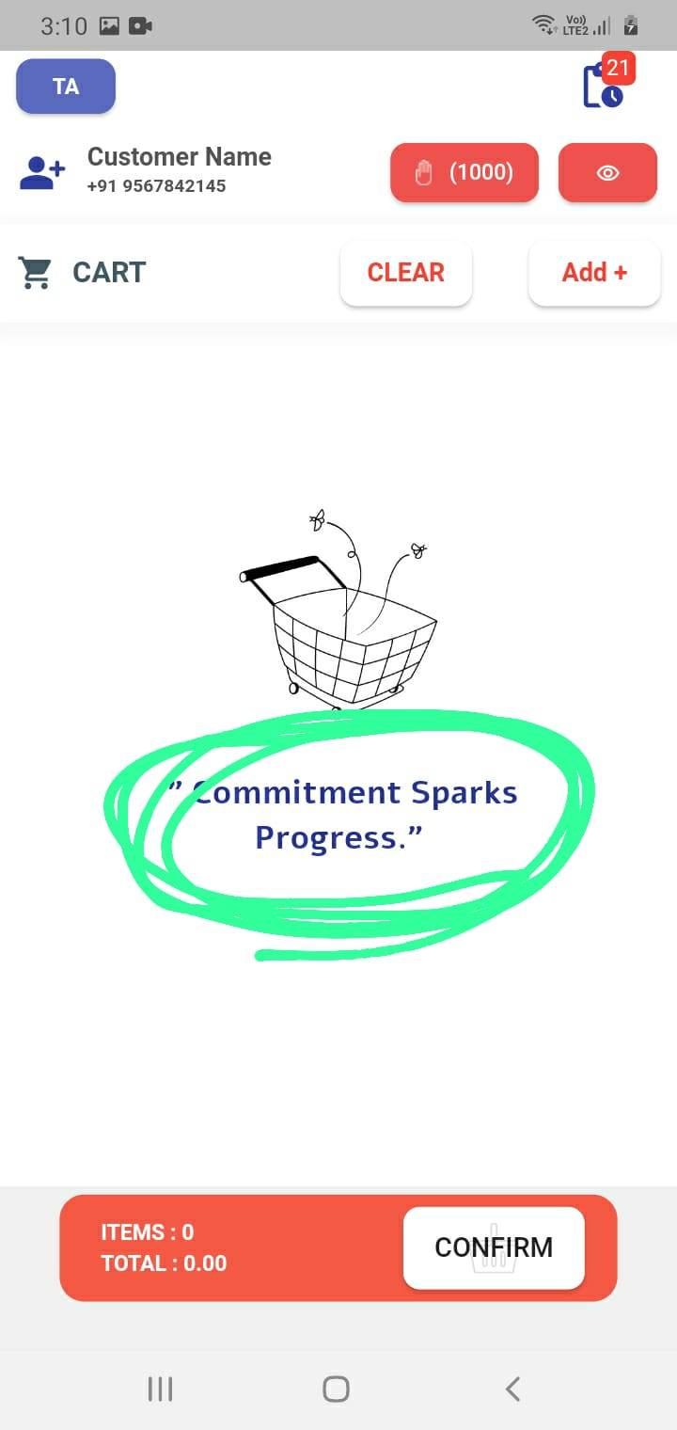
DEF_MOP_36 | display previous details when add new customer in customer field | Major | High | close | Akash | Anjali | 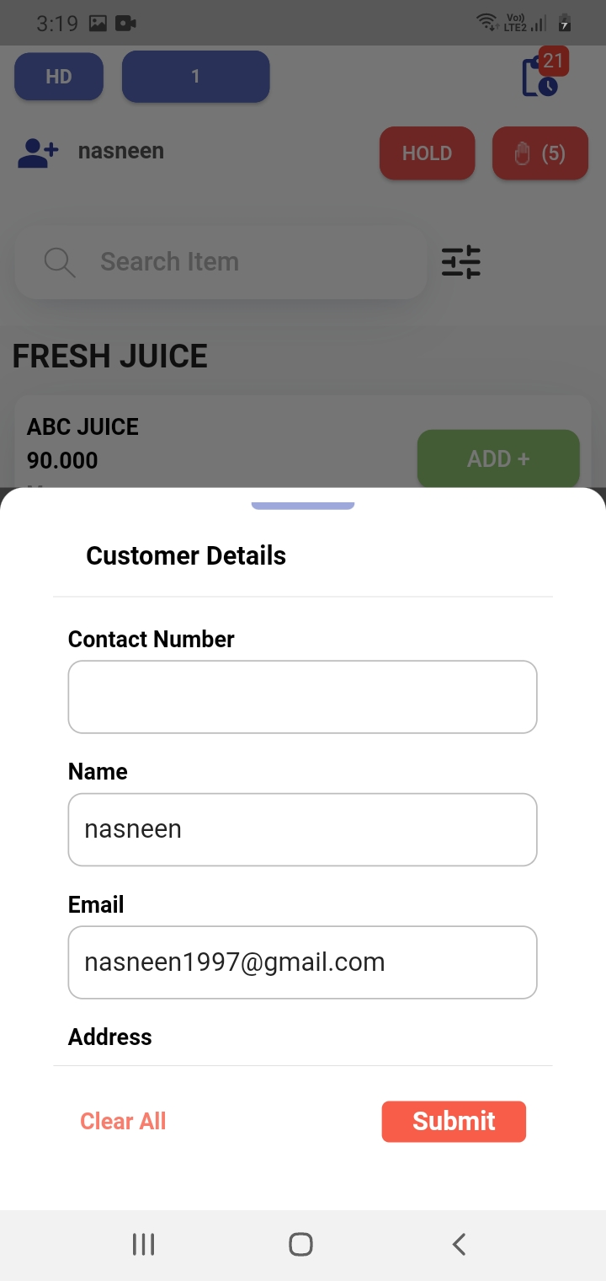
DEF_MOP_37 | must enter valide mail id like "@","com" and not allow whitespace,negative numbers in customer details field | Major | High | close | Akash | Anjali | video
DEF_MOP_38 | Email field does not allows white space | Major | High | close | Akash | Anjali | video
DEF_MOP_39 | not allow special charactors,negative number,alphabets,white spce in contact field | Major | High | close | Akash | Anjali | video
DEF_MOP_40 | not allow special charactors,negative number and numbers in name field | Major | High | close | Akash | Anjali | video
DEF_MOP_41 | not allow special charactors,negative number ,float value,white space,in gst field only allows uppercase and number | Major | High | close | Akash | Anjali | video
DEF_MOP_42 | there is no auto suggection in search field | minor | medium | close | Akash | Anjali | 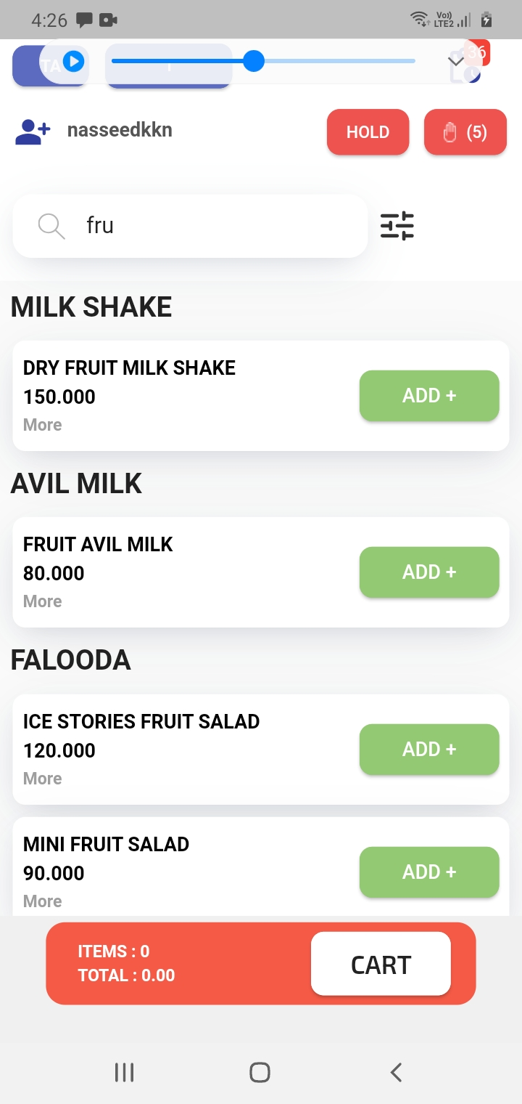
DEF_MOP_43 | display auto suggession in customer details while entering exiciting custemer details | minor | medium | close | Akash | Anjali | 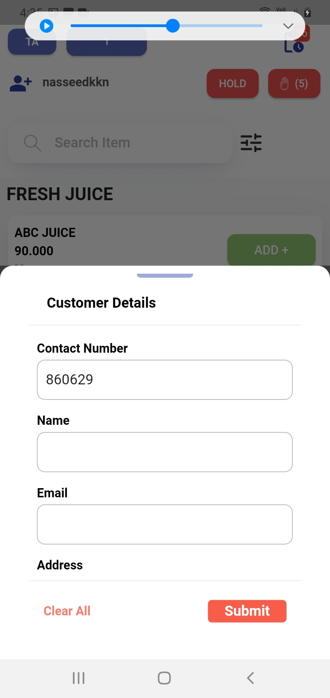
DEF_MOP_44 | display default mobile number in customer name when click on cart button | Major | High | close | Akash | Anjali | 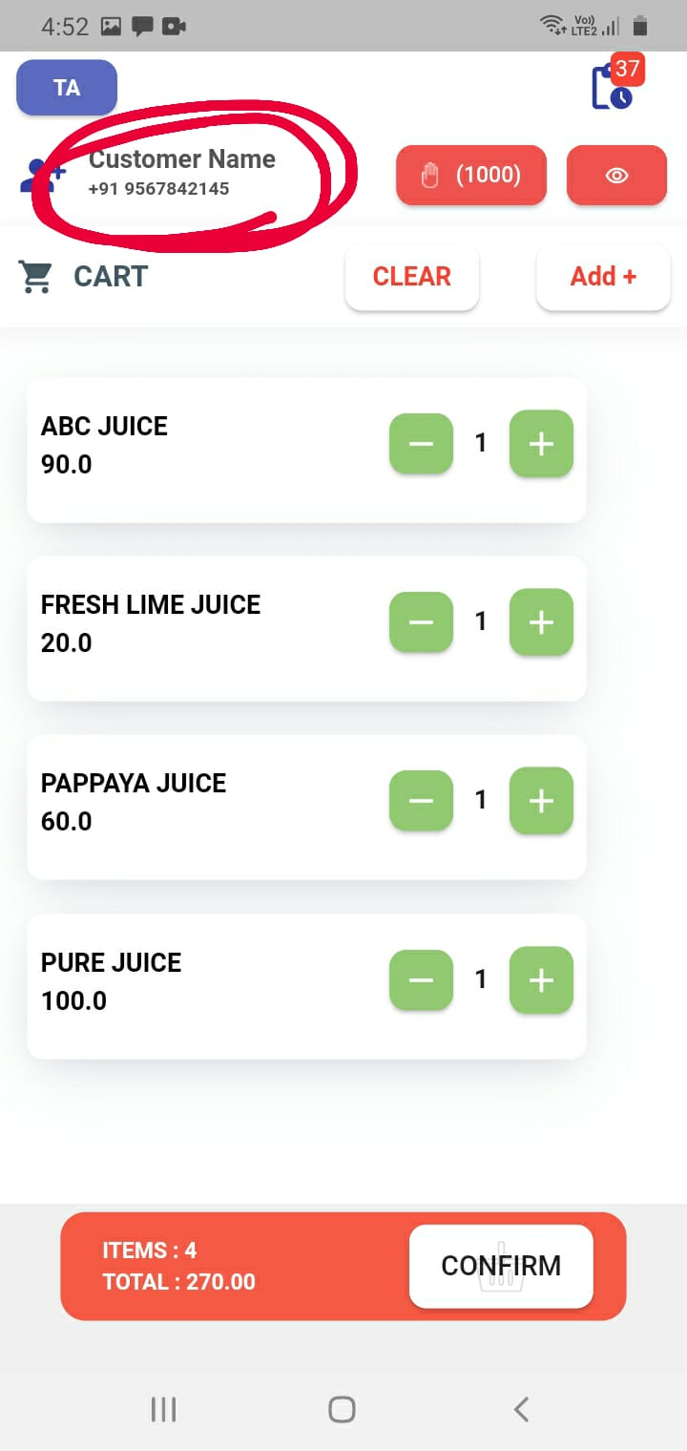
DEF_MOP_45 | current details of customer is not displayed in caart field | Major | High | close | Akash | Anjali | video
DEF_MOP_46 | does not enter customer details in cart page | Major | High | close | Akash | Anjali | video
DEF_MOP_47 | bill history count does not increament when printed new item | Major | High | close | Akash | Anjali | 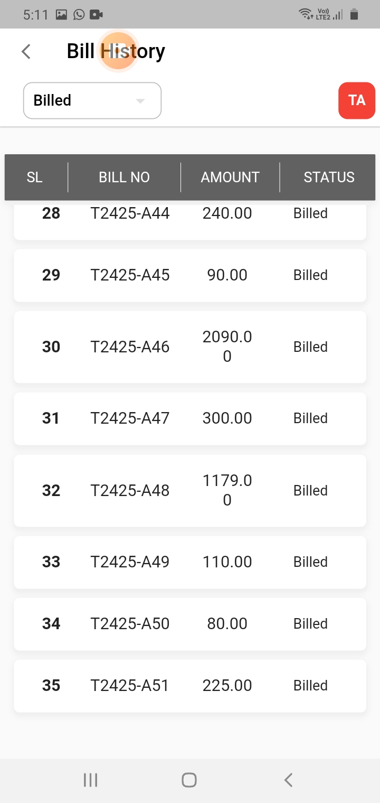
DEF_MOP_48 | Enter customer details information in cart page is not proper allignment | Major | High | close | Akash | Anjali | 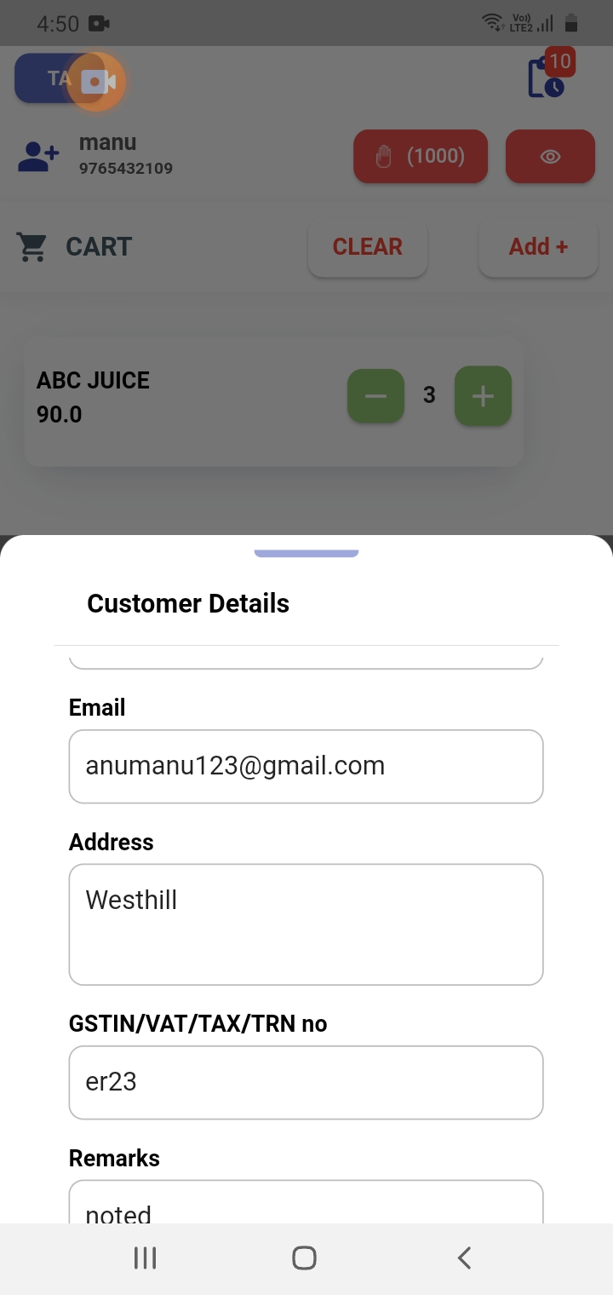
DEF_MOP_49 | Bill history detail page there is no prper allignment in gst section | Major | High | close | Akash | Anjali | 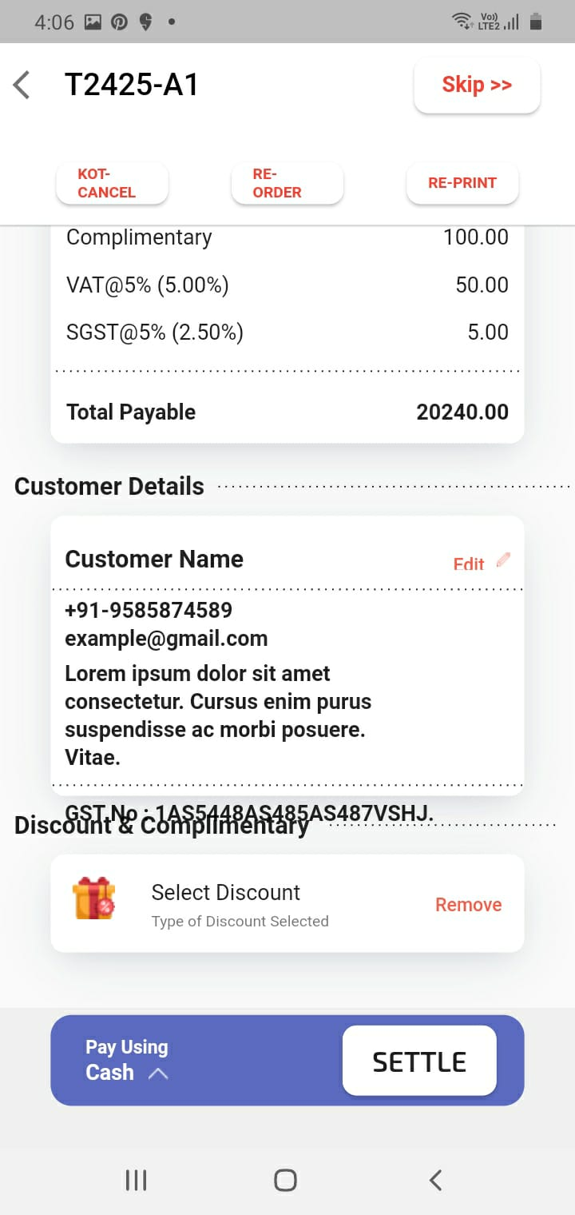
DEF_MOP_50 | Bill history detail page the total amount is incorrect all details show same total amount | Major | High | close | Akash | Anjali | 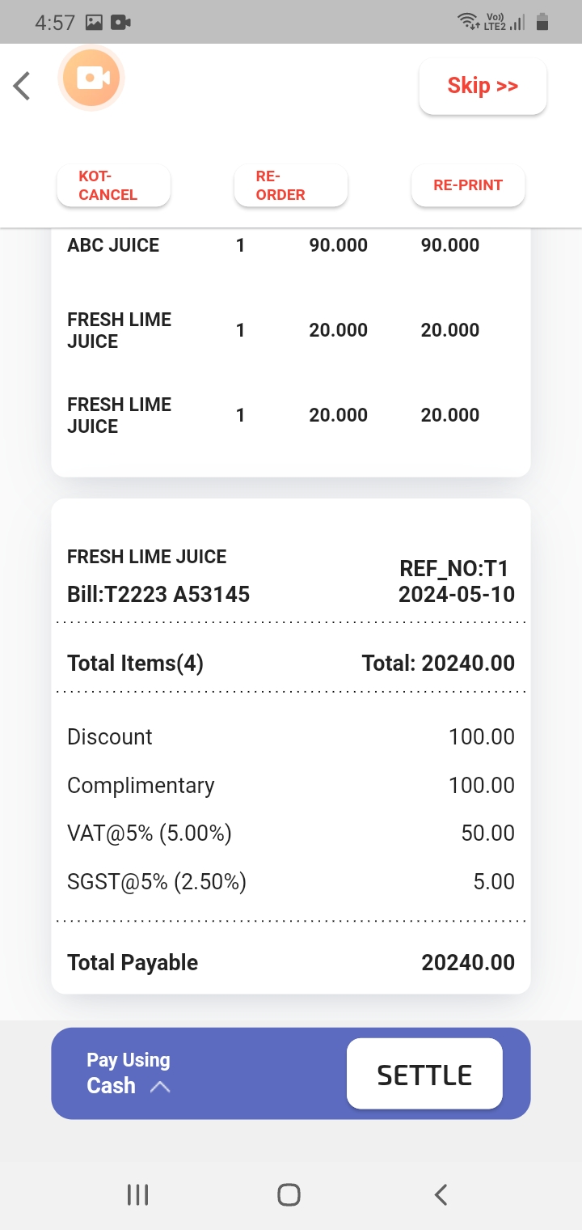
DEF_MOP_51 | Bill history details page their date incorrect | Major | High | close | Akash | Anjali
DEF_MOP_52 | Edit button in customer details in bill details page is not working | Major | High | close | Akash | Anjali | 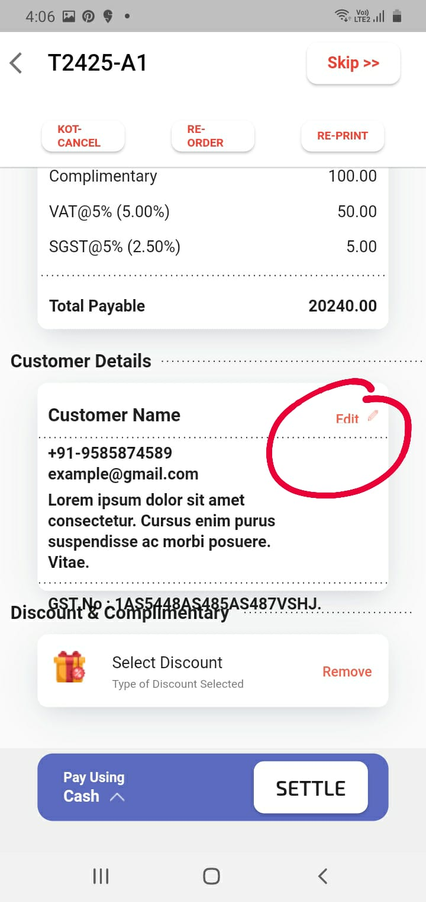
DEF_MOP_53 | Select discount field is not working | Major | High | close | Akash | Anjali | 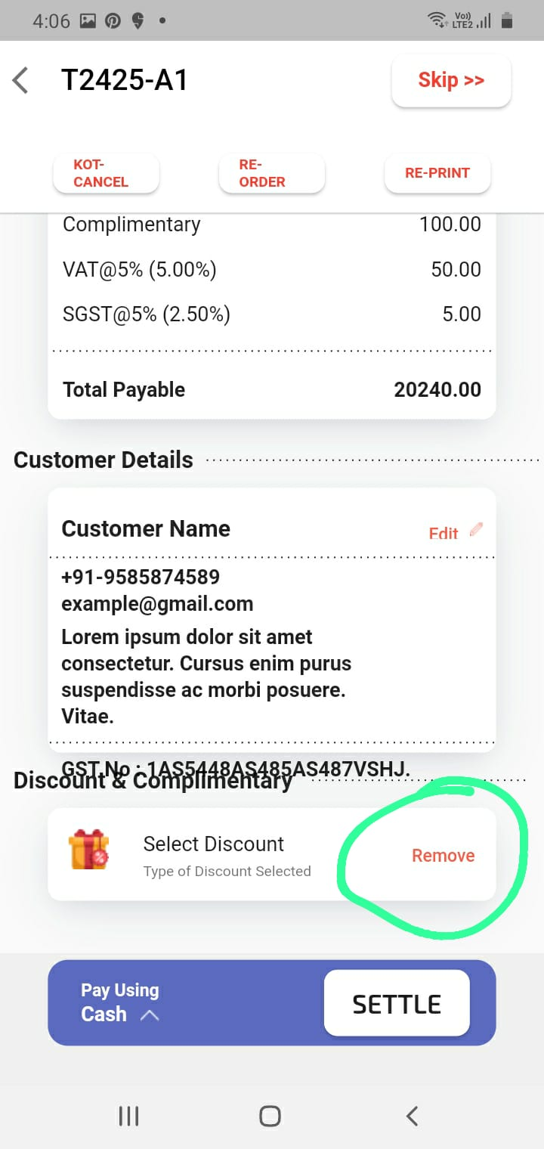
DEF_MOP_54 | re-oder in the current bill but it does not added the current bill appears as a seperate bill | Major | High | close | Akash | Anjali | video
DEF_MOP_55 | Bill history detailed page select payment option cash button only proper working others are disable | Major | High | close | Akash | Anjali | video
DEF_MOP_56 | not proper logo alignment in dashboard | minor | medium | close | Akash | Anjali | 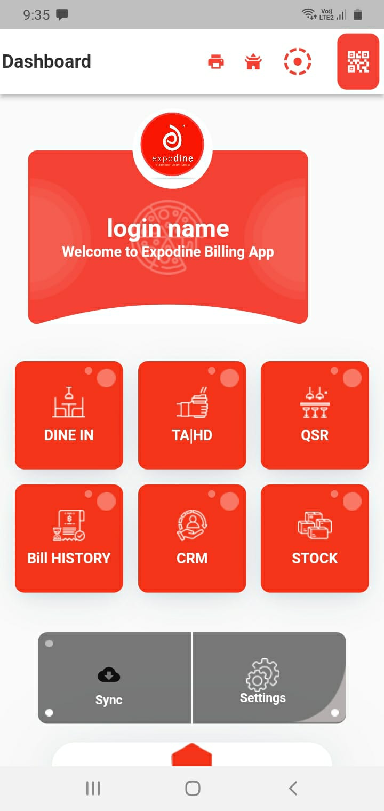
DEF_MOP_57 | there is no option to select delivery boy in hd | Major | High | close | Akash | Anjali | 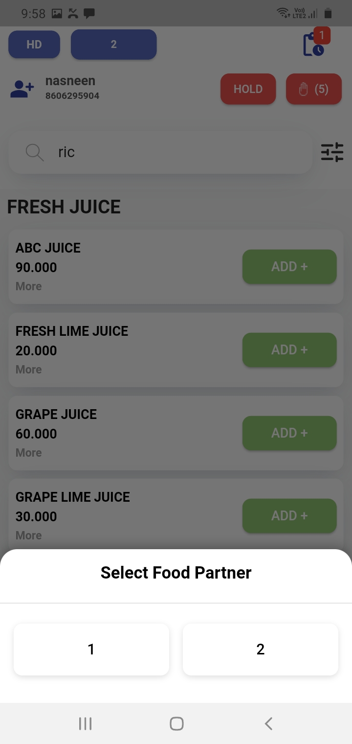
DEF_MOP_58 | already entered existing customer contact number display default email id is one | Major | High | close | Akash | Anjali | video
DEF_MOP_59 | cart page items details alignment not proper | Major | High | close | Akash | Anjali | 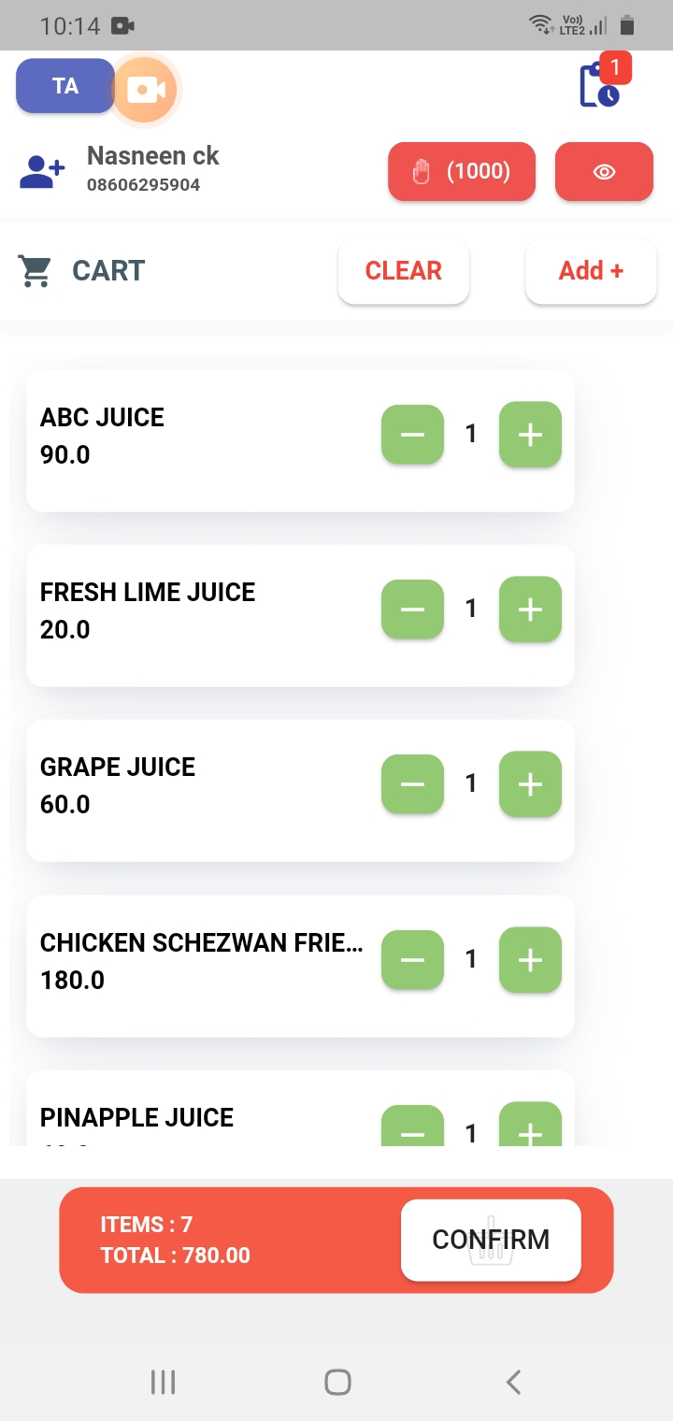
DEF_MOP_60 | item decrease not available in kot cancel | Major | High | close | Akash | Anjali | video
DEF_MOP_61 | there is no display kot generated bill history | Major | High | close | Akash | Anjali | 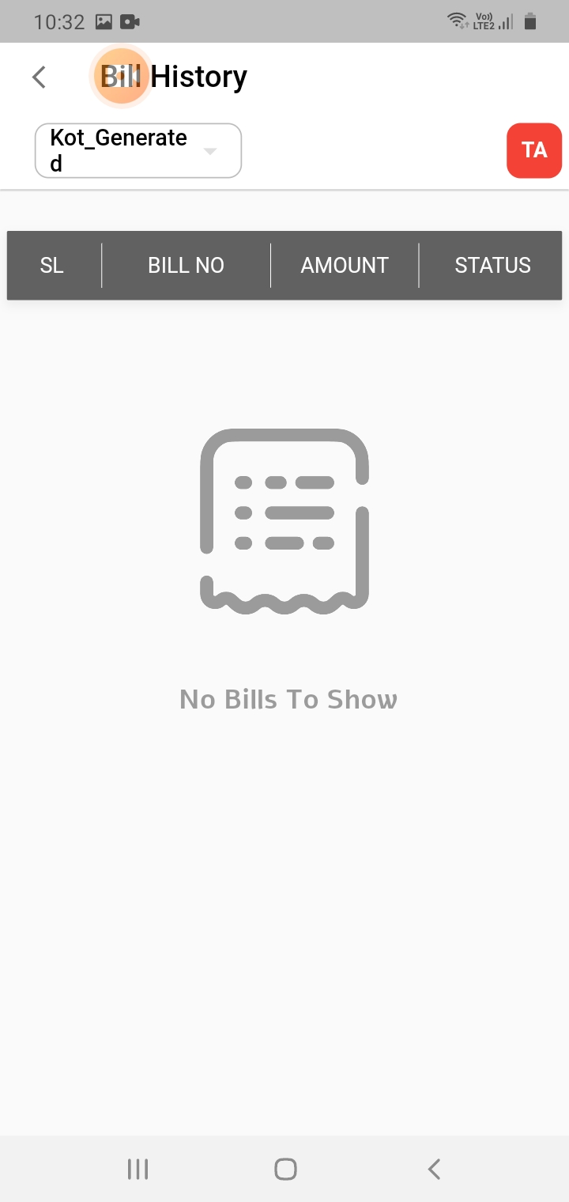
DEF_MOP_62 | there is no proper text alignment in kot generated button | minor | medium | close | Akash | Anjali | 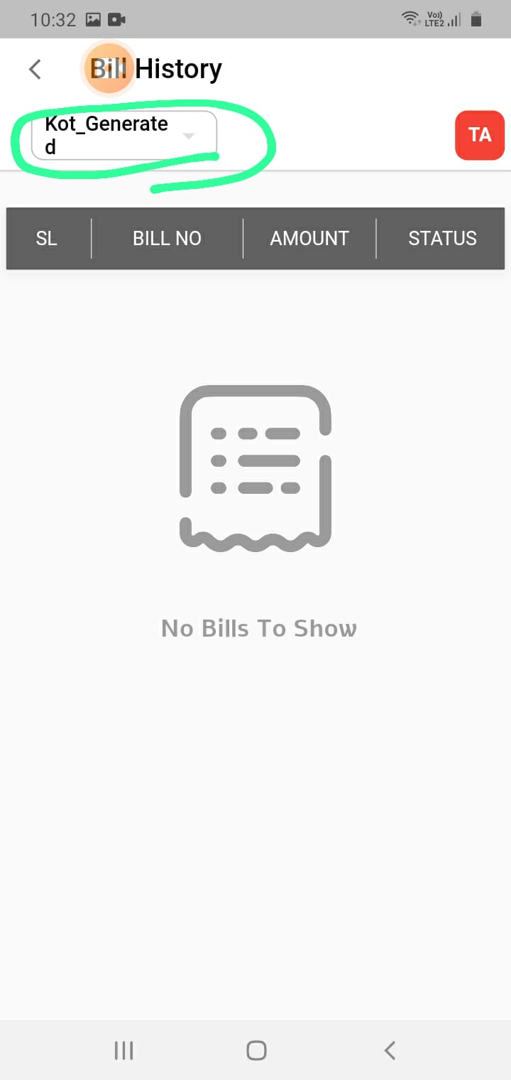
DEF_MOP_63 | there is no option to cancel the closed bill | Major | High | close | Akash | Anjali | 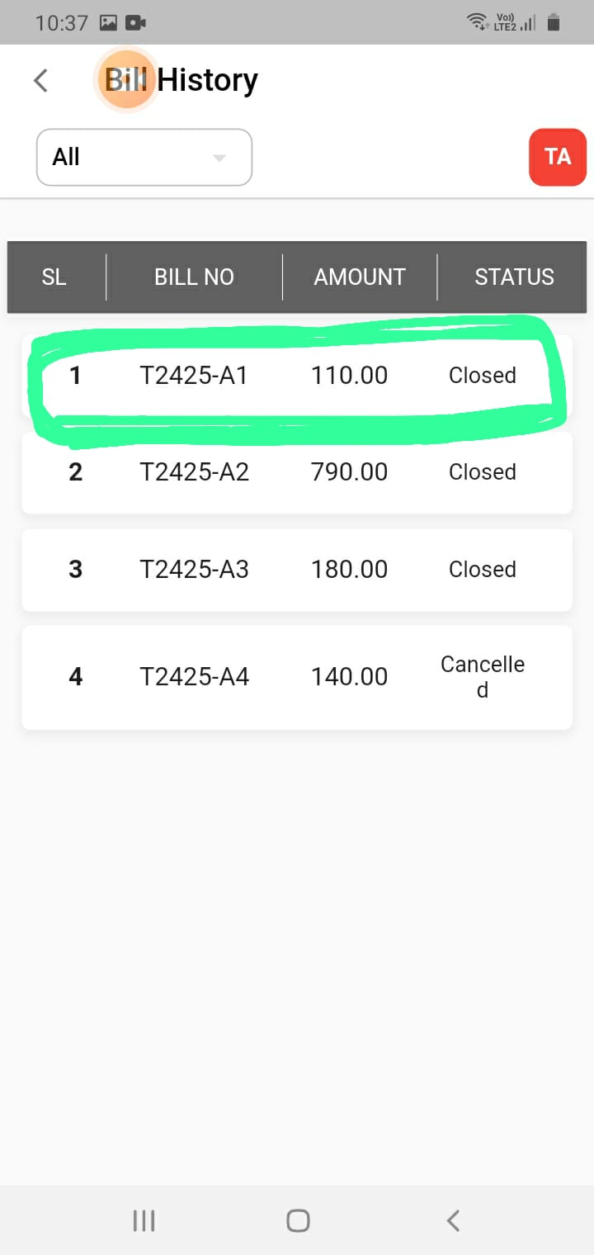
DEF_MOP_64 | there is no proper text alignment cancelled in bill history | minor | medium | close | Akash | Anjali
DEF_MOP_65 |  |  |  |  | Akash | Anjali | 