Sheet1
FANTACODE WEBSITE |  |  |  |  | Assigned To : FantaCode Reported By : Anjali V Date : 29/09/2024 Environment setup : OS= Windows 11, Browser=Chrome
CONTACT

Bug Id | Test Description | SEVERITY | PRIORITY | STATUS | SCREENSHOTS
DEF_FNTCDCTCT_01 | the red icon on the location does not click | HIGH | MAJOR | NEW | 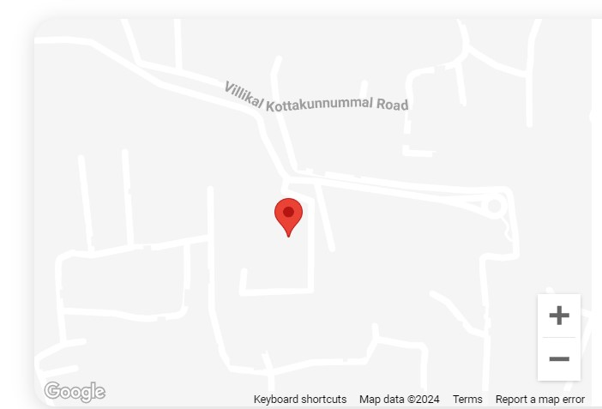
DEF_FNTCDCTCT_02 | does not show any error message when entered special charactors,negative number and numbers in name field | HIGH | MAJOR | NEW | 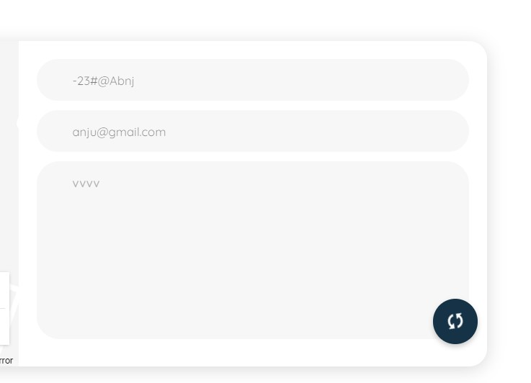
DEF_FNTCDCTCT_03 | does not show any error message when entered negative numbers and special character except ". , _" in mail field | HIGH | MAJOR | NEW | 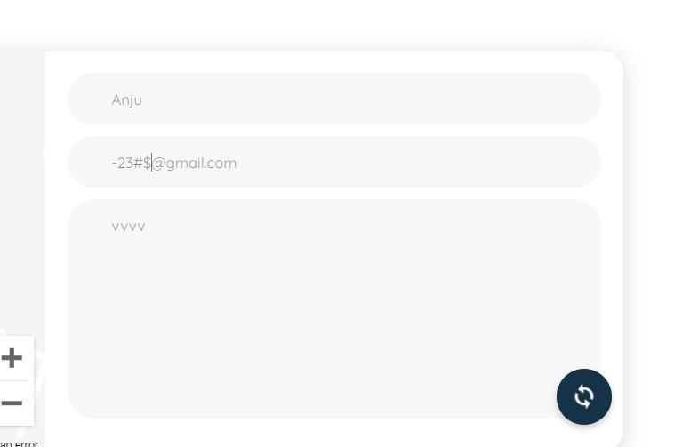
FOOTER
Bug Id | Test Description | SEVERITY | PRIORITY | STATUS | SCREENSHOTS
DEF_FNTCDFTR_01 | The Services field like "Web Application,development,Mobile Application Development,UI/UX Design,Devops and CI/CD Setup,Testing and DatabaseArchitecture" are does not clicking | HIGH | MAJOR | NEW | 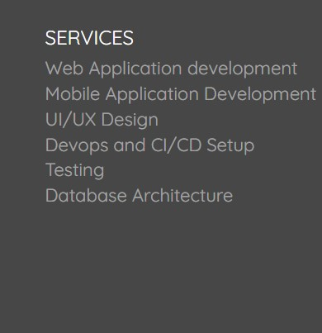
DEF_FNTCDFTR_02 | The Technologies field like "Xamarin,Node JS,.Net Core,Adobe XD,MS SQL,Mongo DB,Angular,HTML, CSS3,Visual Studio Team Services,Microsoft App center Jira" are does not clicking | HIGH | MAJOR | NEW | 