Business Questions solved
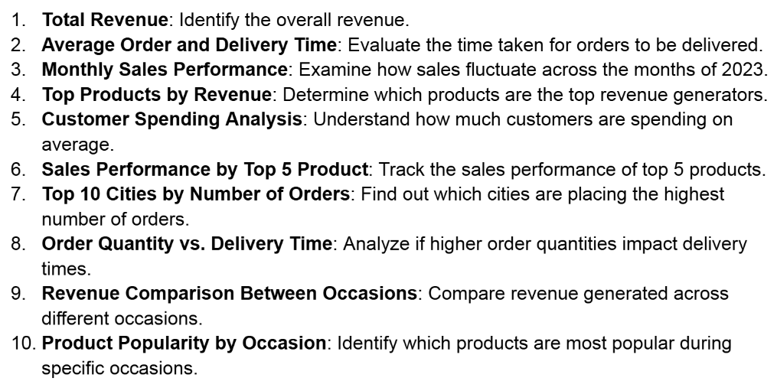
The below Business Questions is presented as dashboard on dashboard sheet. These are the data of FNP of 2023.

Dashboard
SALES ANALYSIS
Average of Delivery Timeline 5.53 Days
Total Revenue Rs 35,20,984
Average Customer Spending Rs 3,520
Order Qty & Delivery Time are independent

Revenue by Top 5 Product
 | Total
Deserunt Box | ₹ 97,665.00
Dolores Gift | ₹ 106,624.00
Harum Pack | ₹ 101,556.00
Magnam Set | ₹ 121,905.00
Quia Gift | ₹ 114,476.00
Revenue by Occasions
 | Total
All Occasions | ₹ 586,176.00
Anniversary | ₹ 674,634.00
Birthday | ₹ 408,194.00
Diwali | ₹ 313,783.00
Holi | ₹ 574,682.00
Raksha Bandhan | ₹ 631,585.00
Valentine's Day | ₹ 331,930.00
Revenue by Month
 | Total
January | ₹ 95,468.00
February | ₹ 704,509.00
March | ₹ 511,823.00
April | ₹ 140,393.00
May | ₹ 150,346.00
June | ₹ 157,913.00
July | ₹ 135,826.00
August | ₹ 737,389.00
September | ₹ 136,938.00
October | ₹ 151,619.00
November | ₹ 449,169.00
December | ₹ 149,591.00

Revenue by Category
 | Total
Cake | ₹ 329,862.00
Colors | ₹ 1,005,645.00
Mugs | ₹ 201,151.00
Plants | ₹ 212,281.00
Raksha Bandhan | ₹ 297,372.00
Soft Toys | ₹ 740,831.00
Sweets | ₹ 733,842.00
Top 10 cities by Order number
 | Total
Bhatpara | 18
Bidhannagar | 21
Bilaspur | 18
Dhanbad | 28
Dibrugarh | 21
Guntakal | 20
Haridwar | 24
Imphal | 29
Kavali | 27
North Dumdum | 19
Revenue by Order time(hour)
 | Total
0 | ₹ 99,400.00
1 | ₹ 129,309.00
2 | ₹ 152,940.00
3 | ₹ 146,810.00
4 | ₹ 114,700.00
5 | ₹ 156,198.00
6 | ₹ 177,211.00
7 | ₹ 147,749.00
8 | ₹ 133,617.00
9 | ₹ 153,678.00
10 | ₹ 94,985.00
11 | ₹ 130,287.00
12 | ₹ 162,394.00
13 | ₹ 152,340.00
14 | ₹ 126,406.00
15 | ₹ 163,586.00
16 | ₹ 128,797.00
17 | ₹ 155,373.00
18 | ₹ 173,118.00
19 | ₹ 185,771.00
20 | ₹ 186,426.00
21 | ₹ 155,466.00
22 | ₹ 125,912.00
23 | ₹ 168,511.00

