Sheet1
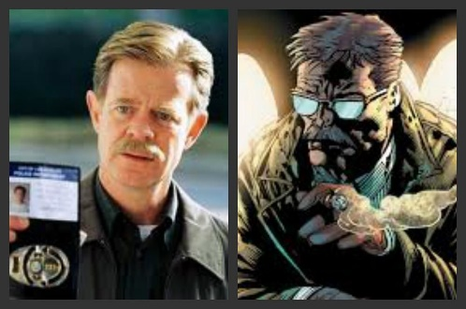
PASSWORD | QUESTION

JIM GORDON | 1) BGCSSTSGTBKTKBMKXC KEY= FAST

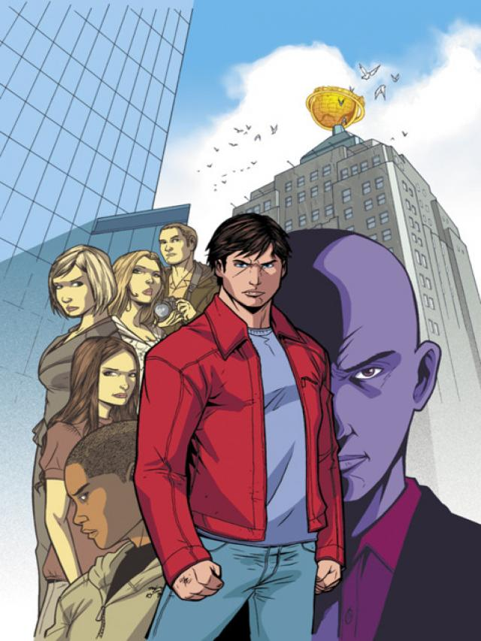

small ville | 2) KEKTCTPGTOHODRBHYIPQUBQS KEY= BEAUTY



shield | 3) MOIUVAHBGNPJATMJ KEY= EVIL

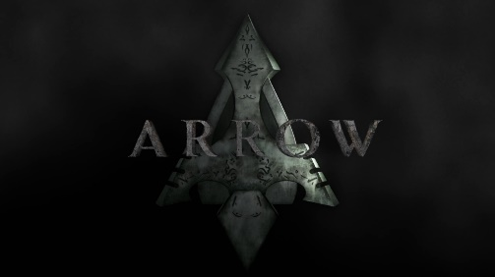

green arrow | 4) UMZFVRVAQMKQARFVTLVBRAEHQNML KEY=MARVEL

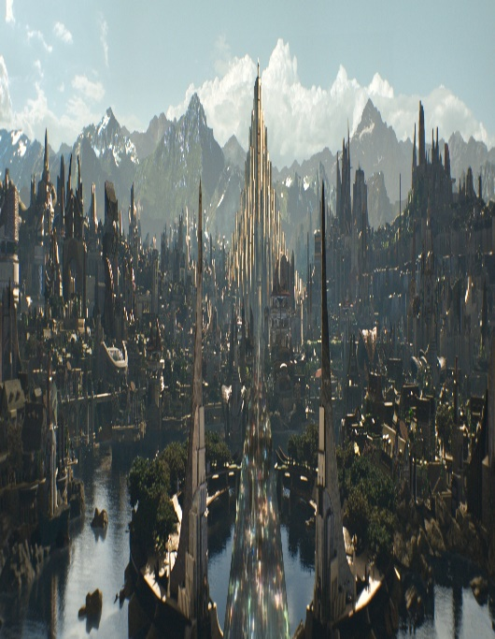

asgard | 5) YNFEQBKHVRGPBDPSFMTQ KEY=CAT

jarvis | 6) LKJZFDGWIEGHKSANTHPDCOGPHPRB KEY= PANTHER

