left aid
Left Aid

Cost | 1.25
Selling price | 3

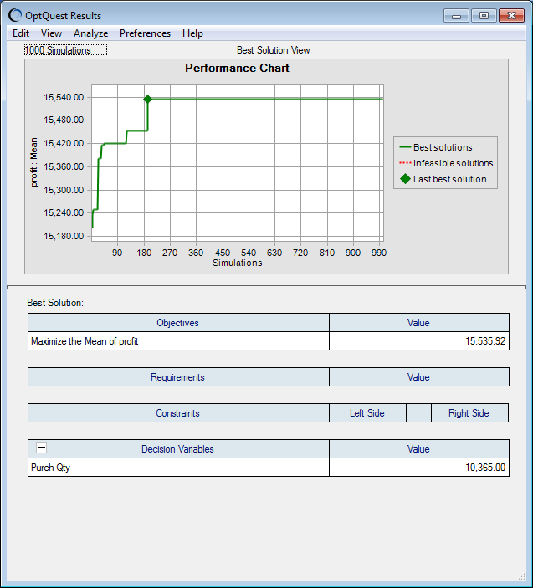
Mean Demand | 10000
SD | 2000

Demand | 10000

Purch Qty | 0
Purch Cost | 0
Qty sold | 0
Revenue | 0

profit | 0

