L3.C1
Let's Code - Just be just code
Sub-section | Script | Characters, Background & Storyboarding | Reference Links for video & illustrations | Scene Elements Instructor(On-Screen:OS/Voice-Over:VO) | Time
Video 17: Infinite loops of anger and kindness | Scene 1: Part 1: In the last video, we learnt how to code for events and use a broadcast event to code for one of the nature's best algorithms - metamorphosis. In this video, we will learn about infinite loops and how to code for one in scratch. But first, let's discuss some emotions. Anger is a completely normal human emotion. Infact, scientists like Charles Darwin proposed that animals developed emotions for survival and to prevent themselves from underisable situations. Emotions like disgust for example prevented them from eating food that's bad for them. Fear helped them protect them from predators. But when these emotions go beyond one's control, it consumes us instead of protecting us. Part 2: The emotion of anger, for example, when not controlled could extend for a prolonged period of time and cause harmful effects on health, mind and overall quality of life. This is called the infinite loop of anger (Show the infinite loop of anger diagram) Part 3: Our planet earth rotates on an infinite loop around the sun. The waterfalls flowing continuously from up above the mountains, our heart beating indefinitely from our mother's womb, jumping on trampolines or even walking are all examples of infinite loops. The same action keep on repeating continuosly. If we were to write an algorithm for walking, then we would put it inside an infinite loop or 'forever loop' which would look like this,
 | 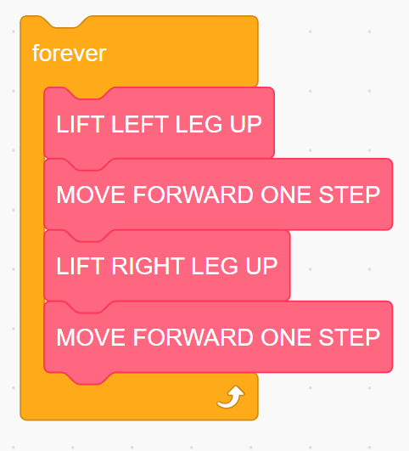
 | In case we want to walk only a specific number of steps, then we will use a repeat block as follows by specifying the number of times to repeat the action.
 | 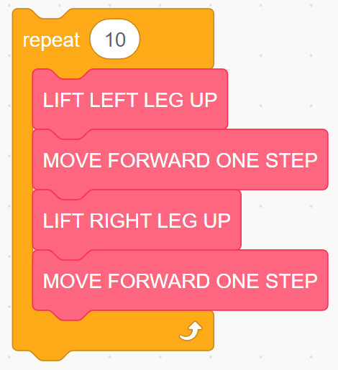
 | Now, let's get to code for an infinite loop. Remember Eshal, the pet sheep of Rumanzel? Eshal gets sad and angry when Rumanzel doesn't feed him on time. When Eshal is angry, his heart races and he goes into an infinite loop of running up and down the living room. Let's see how to code for this in scratch,
 | When the green flag is clicked, we want Eshal to walk infinitely. To do this, we use the when flag clicked block and the forever block from the control palette. We will use the 'move steps' block from the 'Motion' section and latch it inside the forever loop. But this will make Eshal walk past the screen. To make him bounce back when he reaches the edge, we use the 'If on edge bounce' block from the motion section. But doing this will make Eshal flip upside down. To correct this, use the set rotation style block from the motions palette and select the rotation style as left-right. You will now see that Eshal doesn't flip upside down but he strides infinitely. This is not good for Eshal. Escaping from the infinite loop of anger: I have created four different sprites for Eshal each representing an emotion - Sad, Angry, Balance and Compassion. To let the sprites communicate with each other, we will use the sending and receiving broadcast events. To show these emotions in a sequence, we will use specific broadcast messages as events to trigger specific emotions. When each sprite is clicked, the sprite communicates it's emotion using the variable 'emotion' whose value keep changing throughout the code. The current emotion is broadcast as a variable and used to trigger the subsequent emotion. Let's divide the code for each sprite and work on one sprite at a time (This is precisely called as decomposition or dividing the problem into smaller tasks to work with and working on one task at a time to later combine the solution for a bigger problem. Even professional coders or programmers today use this technique while working on bigger projects).
 | Sad Eshal: ● When green flag is clicked, we want the sad Eshal to show up and say that he's sad. At the same time, we want to hide all other sprites. ● Let's also choose a backdrop for our project. ● Click on 'Make a variable' from the Variables palette and create a new variable called 'emotion'. (It's a good programming convention to create meaningful variable names. ● Drag the 'set count to 0' block from the variables section. This will initialize the variable value to 0. Initializing means giving a value to the variable. We will initialize the value of emotion variable to 'sad'. As Eshal is initially sad because he is hungry. ● Drag a 'think' block from the 'looks' palette and make Eshal think 'I'm exhausted and hungry' for 3 seconds. Let's check this out. That works. When green flag is clicked, Eshal thinks "I'm exhausted and hungry" When the Eshal sprite is clicked, he needs to say "I am sad". To do this, get the 'when this sprite clicked' block from the events palette. Get the 'say' block from the 'looks' palette. We want Eshal to communicate his emotions whenever we click on him. To do this, get the join block from the 'operators' palette. Write the text "I am" in the space on left. Drag the emotion block from the variables section and put it in the space on the right. ● Make the sad Eshal wait for 3 s before we hide him ● Hide the sprite and broadcast the message "I'm emotion" by placing the join block inside the broadcast block. Join the text "I am" and the variable 'emotion'. When you click on the sad Eshal, he will say "I am sad". Angry Eshal: ● We want the angry Eshal to show up when he receives the message, "I am sad". Drag the "When I receive" block from the events palette and the show block from the 'looks' palette. ● Set emotion variable to the value 'angry'. ● Instead of running into an infinite loop of anger, Eshal needs to stop striding after sometime. To do this, we use a repeat block and set the number to 250. This will make Eshal repe
 | 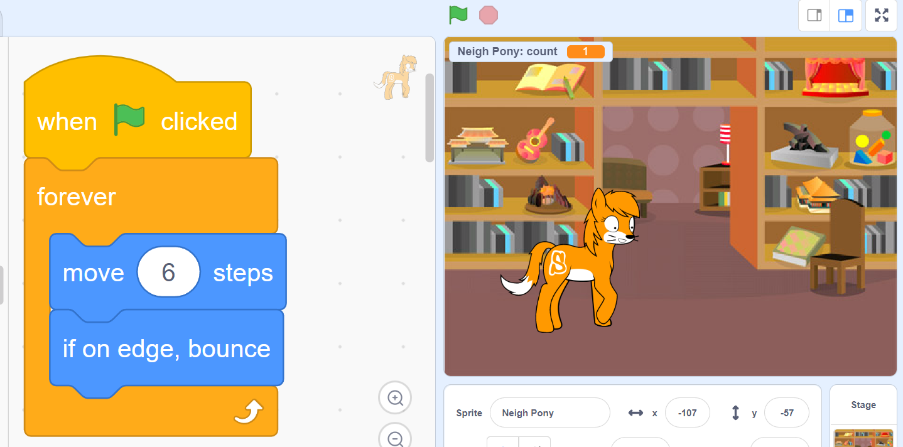 | Sprite for Eshal. We will use colors to differentiate between the emotions. Background for living room and bed room. Four sprites for 'sad', 'angry', 'balance' and 'compassion'
Video 18: Emotions are Variables | Part 1: Think about our emotions. We are not always happy right? Sometimes sad, sometimes angry (just like Eshal), sometimes balanced and other times compassionate. Our emotions keep changing with time. So emotions are nothing but variables. Part 2: The weather which changes from rainy to sunny to windy is a variable. Part 3: The seasons which change from Spring to Summer to Monsoon to Winter is a variable. Part 4: The number of fruits that you can add in your falooda is a variable. It could be apple, banana and pineapple (three). Or if you add mango and grapes (it becomes five). Part 5: Eshal's emotions and feelings are variables too. Eshal gets 'sad' when he is hungry. His sadness turns into 'anger'. To prevent himself from getting stuck in the infinite loop of anger, he needs to find 'balance' by communicating with his anger and taking deep breaths from his gut to calm down. Once he reaches 'balance', Eshal will focus on how to be 'compassionate' to others. Let's look at how to code for these emotions using variables.

 | 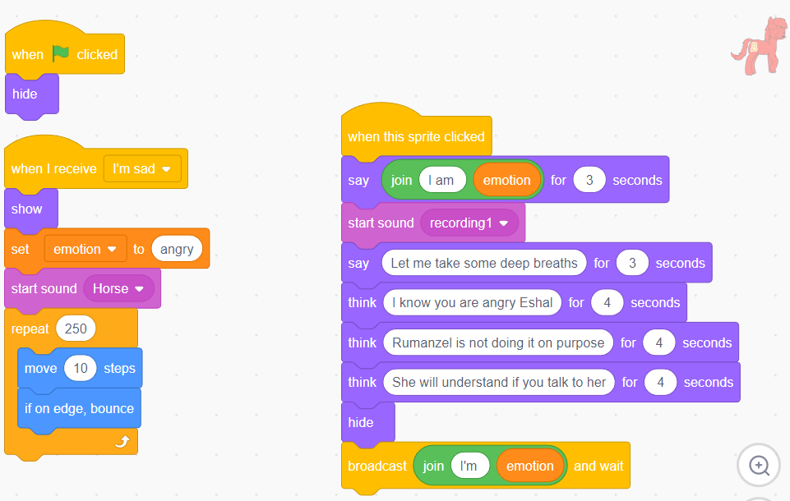
 | Eshal Balance: ● Hide this sprite when the green flag is clicked ● When the balance sprite recieves the message, "I'm angry", show the balance sprite and set the emotion variable to "Balance" ● When the balance sprite is clicked, say I'm balance using the say block and the join block to join the text and the variable. ● Use the think block to show the balance sprite thinking "I will find ways to help Rumanzel" ● Hide the sprite and broadcast the message "I'm emotion" by placing the join block inside the broadcast block. Join the text "I'm" and the variable 'emotion'. When the angry sprite is clicked, we notice that the angry sprite should be hidden. Let's do that before the sprite broadcasts the message.
 | 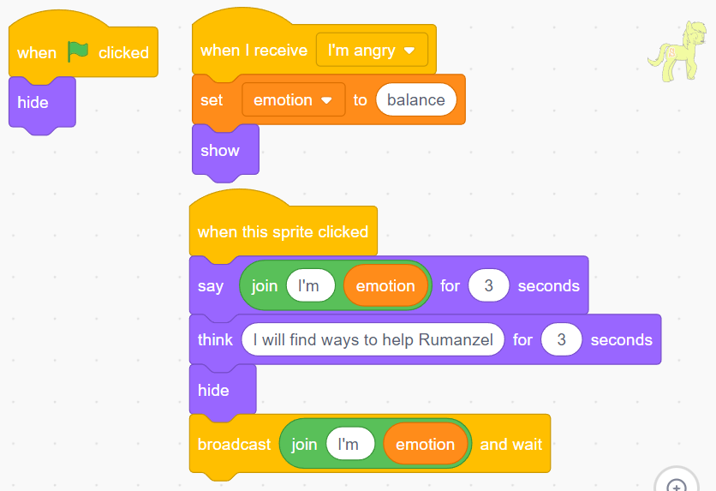
 | Eshal Compassion: ● Hide this sprite when the green flag is clicked ● When the balance sprite recieves the message, "I am Balance", show the compassion sprite and set the emotion variable to "Compassion" ● When the compassion sprite is clicked, say 'I'm compassion' using the say block and use the join block to join the text and the variable. ● Use the say block to make the compassion sprite say "Hello Rumanzel. Let me know if I can be of any help with your homework" ● Hide the sprite and broadcast the message "I am emotion" by placing the join block inside the broadcast block. Join the text "I am" and the variable 'emotion'.
 | 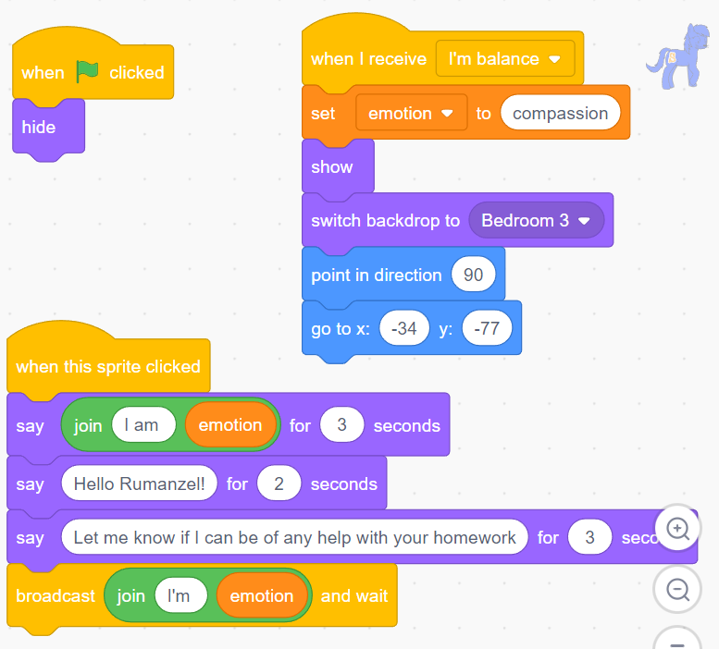
 | ● When Rumanzel receives the message "I am compassion", she shows up and communicates with Eshal. To do this, use the say block to make Rumanzel say "Sure Eshal. I kept you waiting for long. Let's first go for lunch." We also need to add a backdrop for this. When the code starts, we need to switch the backdrop to blue sky.
 | 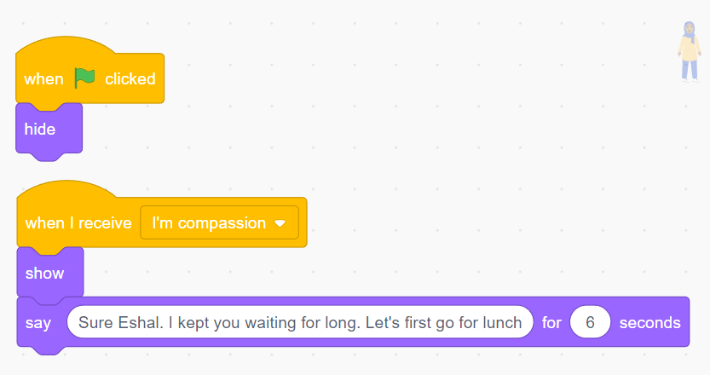
 | **Not added** AI.S.H.A: What if we don't use the variable to broadcast the emotion Abida? How would the code look like? Abida: Great question AI.S.H.A. In this case we would have to broadcast different messages to different sprites which will make the coding process trickier. For example the sad sprite will broadcast the message "I'm sad" inside the broadcast block. The anger sprite will broadcast the message "I'm anger". When a variable is created to store the changing emotions, the computer stores this variable in it's memory and only provides the updated value at any given point. So using a variable makes this process easy and convenient. **Not added**
 | In this video we saw how a single variable called 'emotion' took so many different values at different times throughout the code and how it made our code easier to work with. And we also learnt a good strategy to escape from the infinite loop of anger and learn to be more compassionate.
Video 19: Catch your thoughts with conditions | Part 1: We wrote some code that helped Eshal control his anger and be more compassionate. But wait! Thoughts fuel our emotions and emotions shape our thinking. Thoughts and feelings are closely connected. AI.S.H.A: Oh yes Abida. I have some information you would like to know about thoughts. The average person has about 12,000 to 60,000 thoughts per day. Of those, 80% are negative (National Science Foundation, 2005) Abida: Absolutely AI.S.H.A. So many negative thoughts, right? Negativity is everywhere! But so is our ability to focus on the positive. If we are able to catch our thoughts and identify them as positive or negative, it becomes easier to consciously choose our emotions. Let's see if we could write some code to catch our thoughts. (screensharing starts) Let's imagine that a thought is like a cloud. It's always passing by. ● We choose a cloud sprite to represent a thought. Let's duplicate this sprite one for the positive thought and one for negative thought. To mimic that we are catching a thought, let's choose a bucket sprite into which the thought is captured. ● Let's duplicate this sprite and change the color of the bucket. The blue bucket is to catch a positive thought and the red bucket is to catch a negative thought.
 | 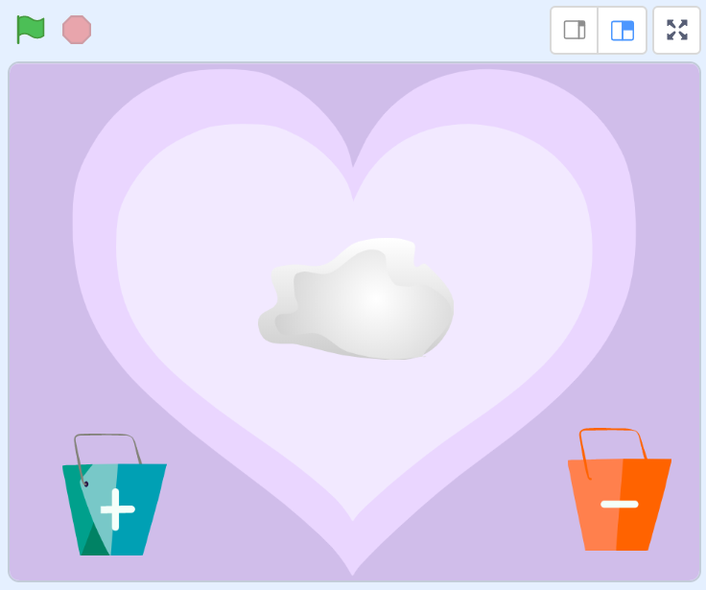
 | When the green flag is clicked, the cloud sprite asks to "enter your thought?" and waits for your answer. To do this, ● Use the 'ask and wait' block from the sensing palette and type in the question inside the block. ● A text box pops up to enter the answer.
 | 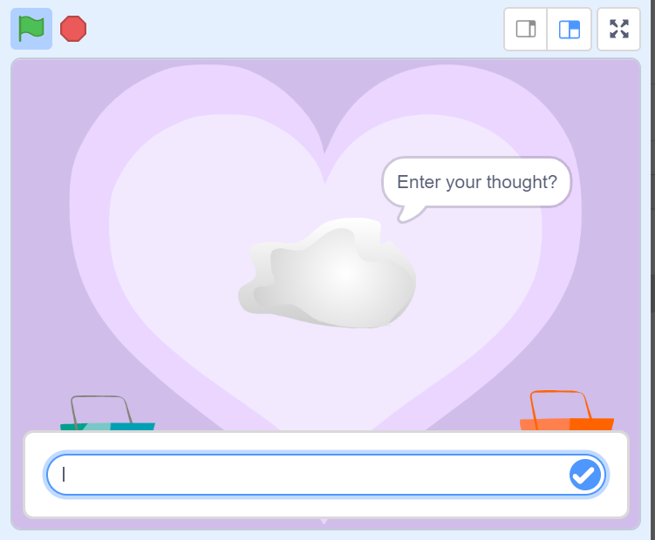
 | ● Once the answer is entered, use the say block from the looks palette to make the cloud say the answer for 2 sec. ● Show the cloud sprite using the show block from the looks palette and make it go to the specific location on the screen using the go to block from the motion palette. Let's check this out. That works! Likewise, when the green flag is clicked, the positive cloud and the negative cloud goes to a specific position but is initially hidden.
 | 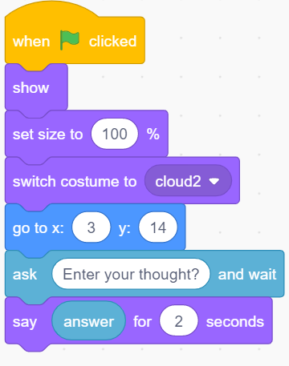
 | Now if a thought is positive, it goes to the positive bucket and if negative, it goes to the negative bucket. If the thought is positive such as grateful, then we need to broadcast a positive message. To check if a thought is 'grateful', get the if then block from the control palette and broadcast positive if the condition is true. Similarly check if the thought is 'friendly'. If it is, then broadcast positive again. If the thought is negative such as blaming, then we need to broadcast a negative message. 'Similarly check if the thought is 'bully'. If it is, then broadcast negative again. So the positive cloud needs to show up only when it receives a positive broadcast message and hide when it receives a negative broadcast message. The positive cloud after receiving the message also changes it's size by -50 and glides towards the blue bucket, i.e takeout. If the positive cloud touches the blue bucket, it must hide. To do this we use the if then block from the control palette. For the negative cloud, we repeat the same steps as the positive cloud. Also it's a good practice to add comments to your code to make it more understandable. Code to catch thoughts, code that receives positive thoughts and code that recieves negative thoughts Let's check if this is working! Positive thoughts like grateful go to the positive bucket and negative thoughts go to the negative bucket. Glad! That works!
 | 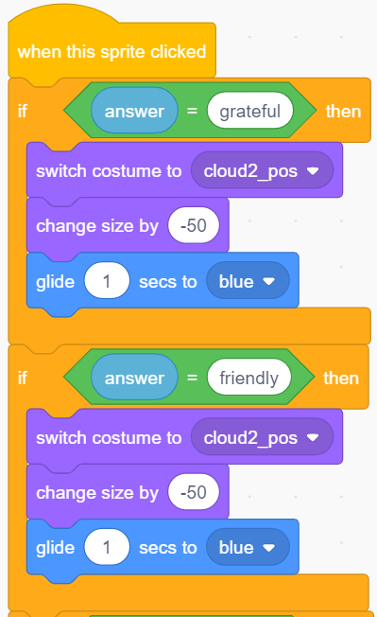

 | 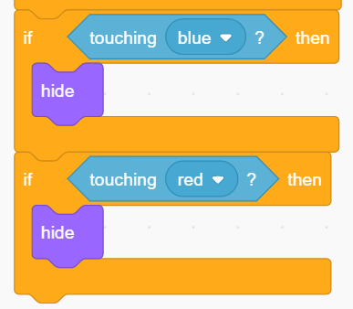
 | 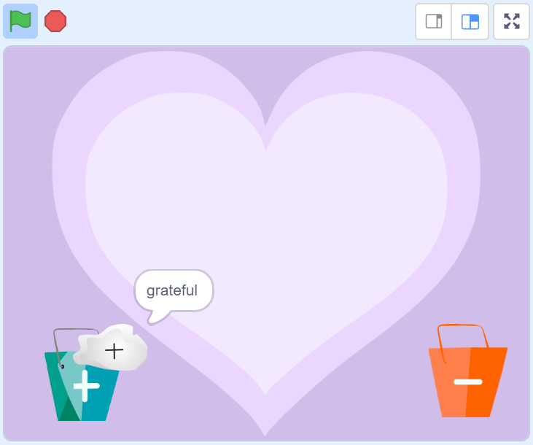

 | 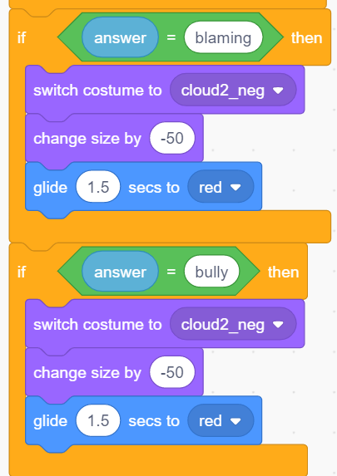
 | 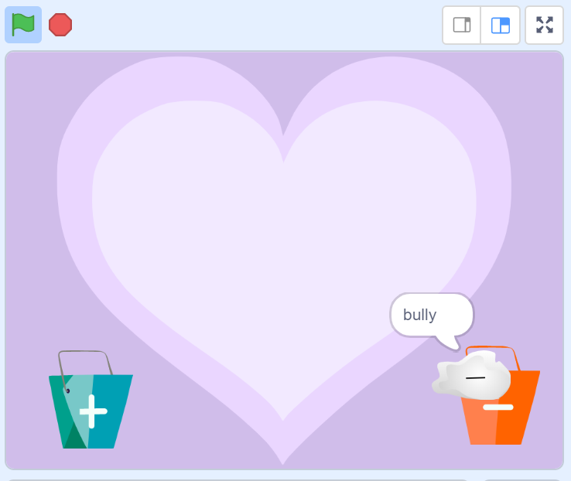
 | We are processing conditions literally in every part of our daily lives, not just to catch thoughts. Some basic examples of If conditions are, ● If you go out wear a mask ● If it is rainy take an umberella ● If you are hungry have some food ● If it is winter wear a hoodie If conditions either return the output as 'true' or it returns the output as 'false'. This type of output is called as boolean since it can only have two possible outputs. | ● If you go out wear a mask ● If it is rainy take an umberella ● If you are hungry have some food ● If it is winter wear a hoodie
 | AI.S.H.A: Wow Abida, we process so many conditions in a single day. But you got me thinking. Let's say I wish to write the code to classify people into different generations based on their age groups, do I have to write many 'If blocks' to achieve this? There would be lots of conditions to check for each person. If age = 10 to 25 Gen Z If age = 26 to 41 Millenials If age = 42 to 57 Gen X If age = 58 to 76 Baby boomers If age = 77 to 94 Silent generation | If age = 10 to 25 Gen Z If age = 26 to 41 Millenials If age = 42 to 57 Gen X If age = 58 to 76 Baby boomers If age = 77 to 94 Silent generation
 | Abida: Great question AI.S.H.A. And hey, I could see your tone of voice has improved too. AI.S.H.A: Thanks Abida. I have been learning a lot from the way you speak. As an A.I, that's what I'm good at. And what not, we have been doing more lessons on emotions and thoughts recently. I've been recently working on them too. Do I sound more like a human? Abida: (Giving a puzzled look) Well, looks like you are getting closer) Okay, let's see. You have come up with a great example for if conditions. But not every time each and every condition needs to be checked. For example, a single person cant be of age 11 and age 57 at the same time (unless you are time travelling). So it's not useful to check all those if conditions at the same time. Only one condition could be true for a single person. In this case, instead of using a 'if condition', we could use an 'else-if' condition,
 | If age = 10 to 25 Gen Z else If age = 26 to 41 Millenials else If age = 42 to 57 Gen X else If age = 58 to 76 Baby boomers else Silent generation In this case, only the first if block needs to be checked always. If this condition is false, only then the proceeding else-if blocks are checked. If none of the else-if conditions are true, then the else block is executed. In our case we could translate the code to something like this using the if-else ladder
 | 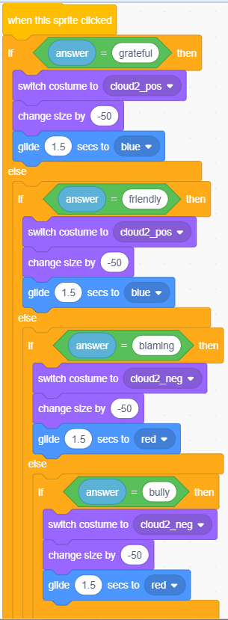
Video 20: Binary thoughts and boolean logic | Let's look at the sentence: "When Rumansel walks past the dessert shop or a restuarant and if it's not raining, she will buy a falooda". It might look like a simple sentence. But when a computer reads it, it will try to evaluate this sentence using only 0's and 1's as inputs and produce an output that is equal to a 0 or a 1. Let's decompose this sentence into different parts and access each simple sentence i) When Rumansel walks past the dessert shop or (any one statement must evaluate to true or 1) ii) a restuarant and (both statements must evaluate to true or 1) iii) it's not raining - (The negation must evaluate to true or 1) Let's look at the possibilities hidden in this sentence to check the outcome of the statements using binary logic: ● Rumanzel walks past the dessert shop (1) or restaurant (0) and if it's not raining (1), she will buy a falooda (output is true or 1) 1 or 0 = 1 and 1 = 1 ● Rumanzel walks past the dessert shop (0) or restaurant (1) and if it's not raining (0), she will buy a falooda (output is false or 0) 0 or 1 = 1 and 0 = 0 Exercises for students to try: ● Rumanzel walks past the dessert shop (0) or restaurant (1) and if it's not raining (1), she will buy a falooda (output is true or 1) 0 or 1 = 1 and 1 = 1 ● Rumanzel walks past the dessert shop (1) or restaurant (0) and if it's not raining (0), she will buy a falooda (output is false or 0) 1 or 0 = 1 and 0 = 0 ● Rumanzel walks past the dessert shop (0) or restaurant (0) and if it's not raining (1), she will buy a falooda (output is false or 0) 0 or 0 = 0 and 1 = 0 ● Rumanzel walks past the dessert shop (0) or restaurant (0) and if it's not raining (0), she will buy a falooda (output is false or 0) | 24.2 part 2 Voice over (Abida) Let's look at another example. The first sentence, 'Rumansel walks past the dessert shop' evaluates to an input of 0. The second sentence 'restaurant' evaluates to input of 1. Third sentence, "if it's not raining" evaluates to 0. 0 or 1 is 1. 1 AND 0 is 0 So the output is 0 or false and hence Rumansel will not buy a falooda. Can you work out the output for other images? and check if you are correct? | Abida Khan

 | Similarly, out of the 60,000 thoughts an average human thinks per day, some are postive and the rest are negative. Instead of checking each thought with an 'if statement', we could check for example if a thought is friendly or grateful or peaceful using a single 'if condition' connected with 'or' statements. So the code we wrote above will translate to:
 | 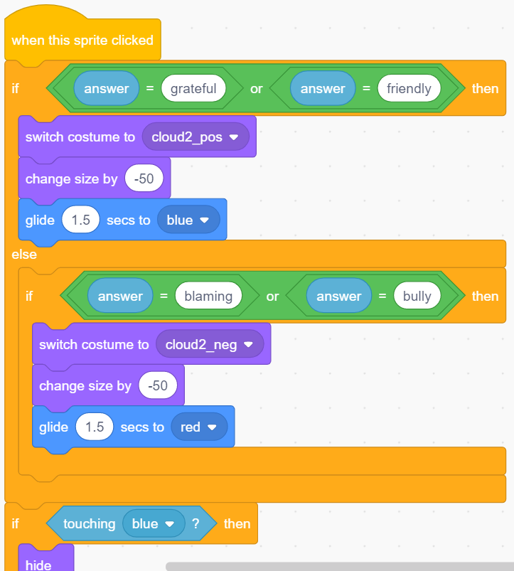
 | Now we have a simple if and else-if condition to check for all four thoughts. Do you also notice that the size of the code has reduced subsequently by coding for the 'or' condition? Through this we also learn that there could be more than one way of coding to achieve the same logic or result. Thr trick is to go for the most efficient way. For example, in this case, we prioritized writing shorter code which checks for as few conditions as possible.

When the machine learns thought-catching | 1. AI.S.H.A: Abida, I have a question. We are only checking for 4 thoughts in this code. How do we catch the rest of the thoughts? Would it require thousands of 'OR boolean logic' to check for these conditions? That would be a complex task to do,. 2. Abida: Yes AI.S.H.A, that's a great question. Whenever we are dealing with huge amounts of data, just like our thoughts, we know that machines like you can be trained to identify patterns in data. So instead of coding for the exact logic to check for all 60,000 thoughts, we could train a machine to catch the thoughts just like humans do. 3. AI.S.H.A: Why then humans can't do thought catching on their own if they could do it themselves? Why do they need to train a machine? 4. Abida: Well the fact is, not all humans are good at thought-catching all the time. This is why people experience depression and stress and can't find a way to come out of it. 5. AI.S.H.A: make sense Abida. This is why some of my bot friends are working tirelessly, along with the therapists, in learning human behaviors to act as guiding agents for mental health.
 | 6. Abida: Alright, now it's time for us to start training the machine to catch some thoughts. Go to https://machinelearningforkids.co.uk/ website. You could see precisely the steps that we will follow to train the machine.
 | We could change the sprites to any sprite of our choice from the sprite library and the backdrop library. Let's add some pictures and sound of our choice and get started with the dance party. You want to join with me AI.S.H.A?
 | Step 1: We will create a new project called 'thought catching' and set this project type to recognizing text. We then create labels to classify the text as positive and negative and provide as many examples as we could in each type. We need to make sure we provide equal number of examples for positive and negative thoughts, to make sure there is no bias in terms of what category the machine will learn better. I have come up with 11 examples in each. Step 2: Once we come up with examples for both positive and negative thoughts, it's time to train the machine to recognize these thoughts by providing these examples. Click on train new machine learning model. Step 3: Once the machine learns from these examples, we could use the machine learning model that we have trained, to code for our thought-catcher by connecting to the scratch platform.
 | 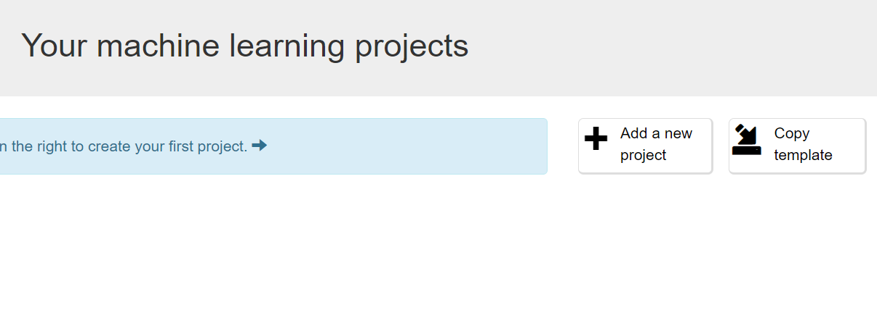
 | 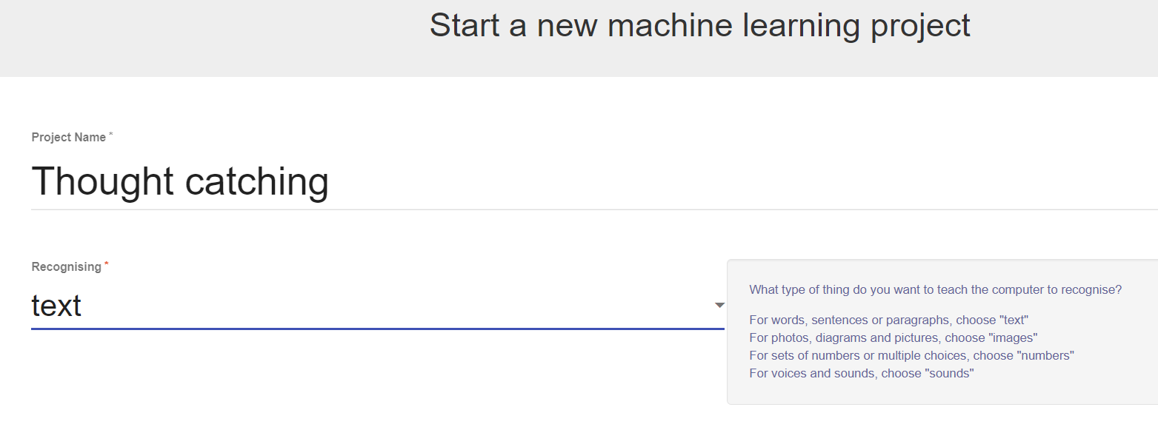
 | 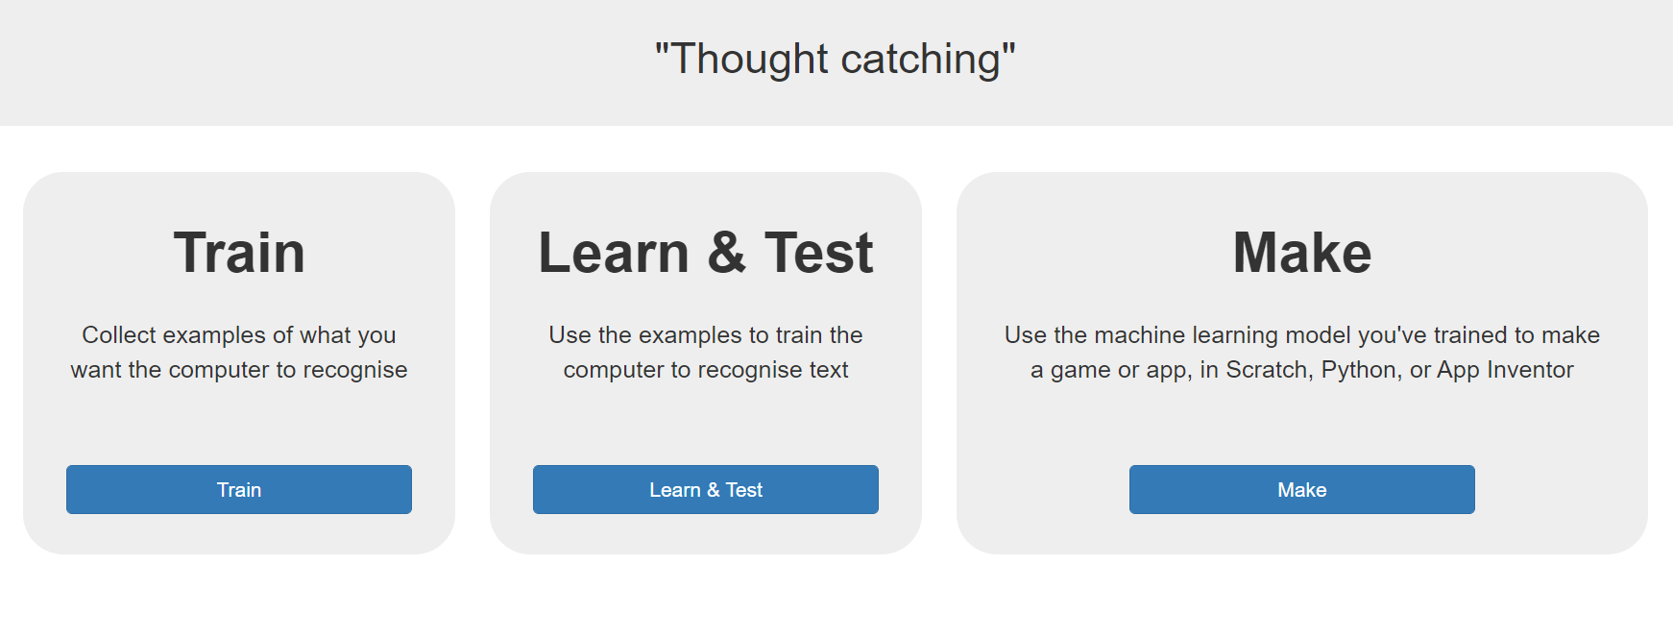
 | 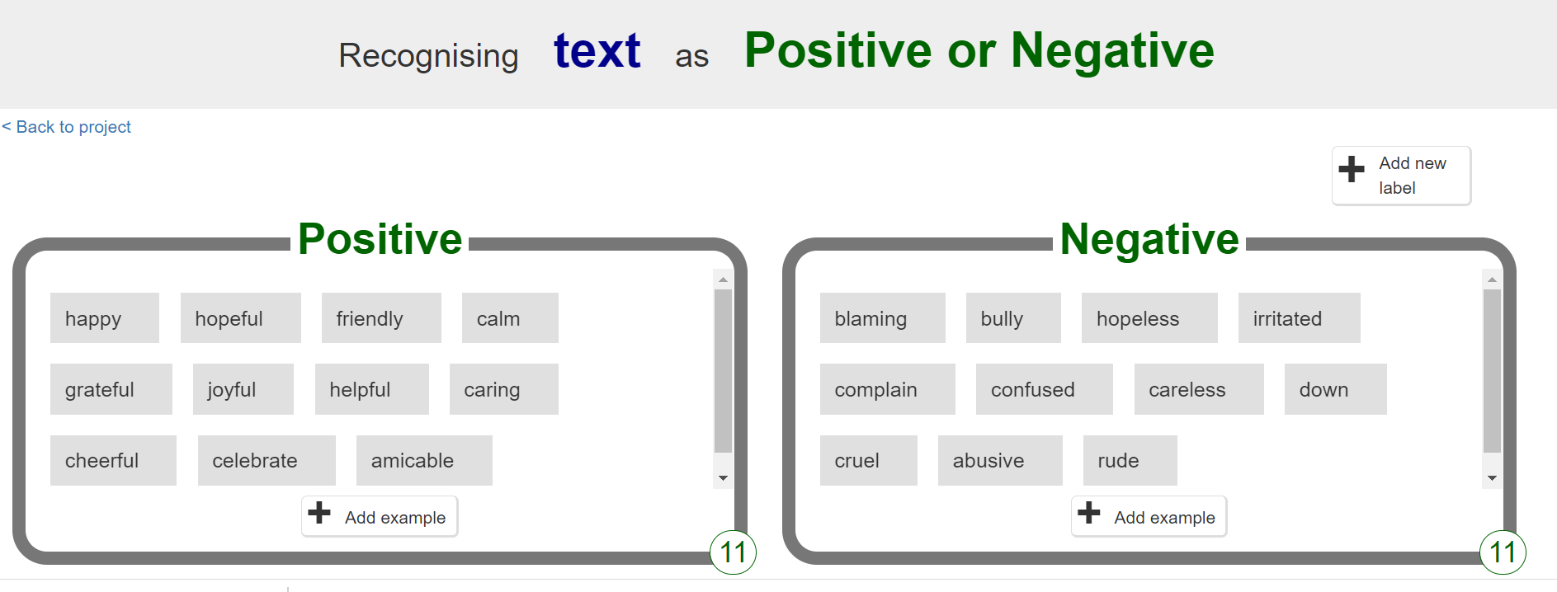
 | 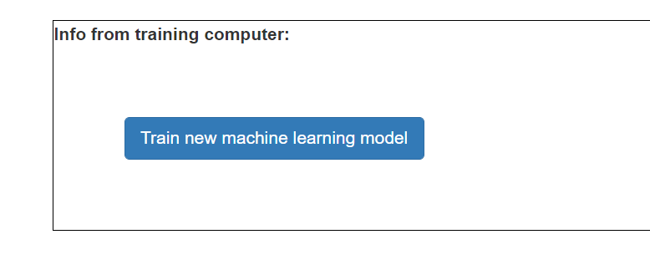
 | 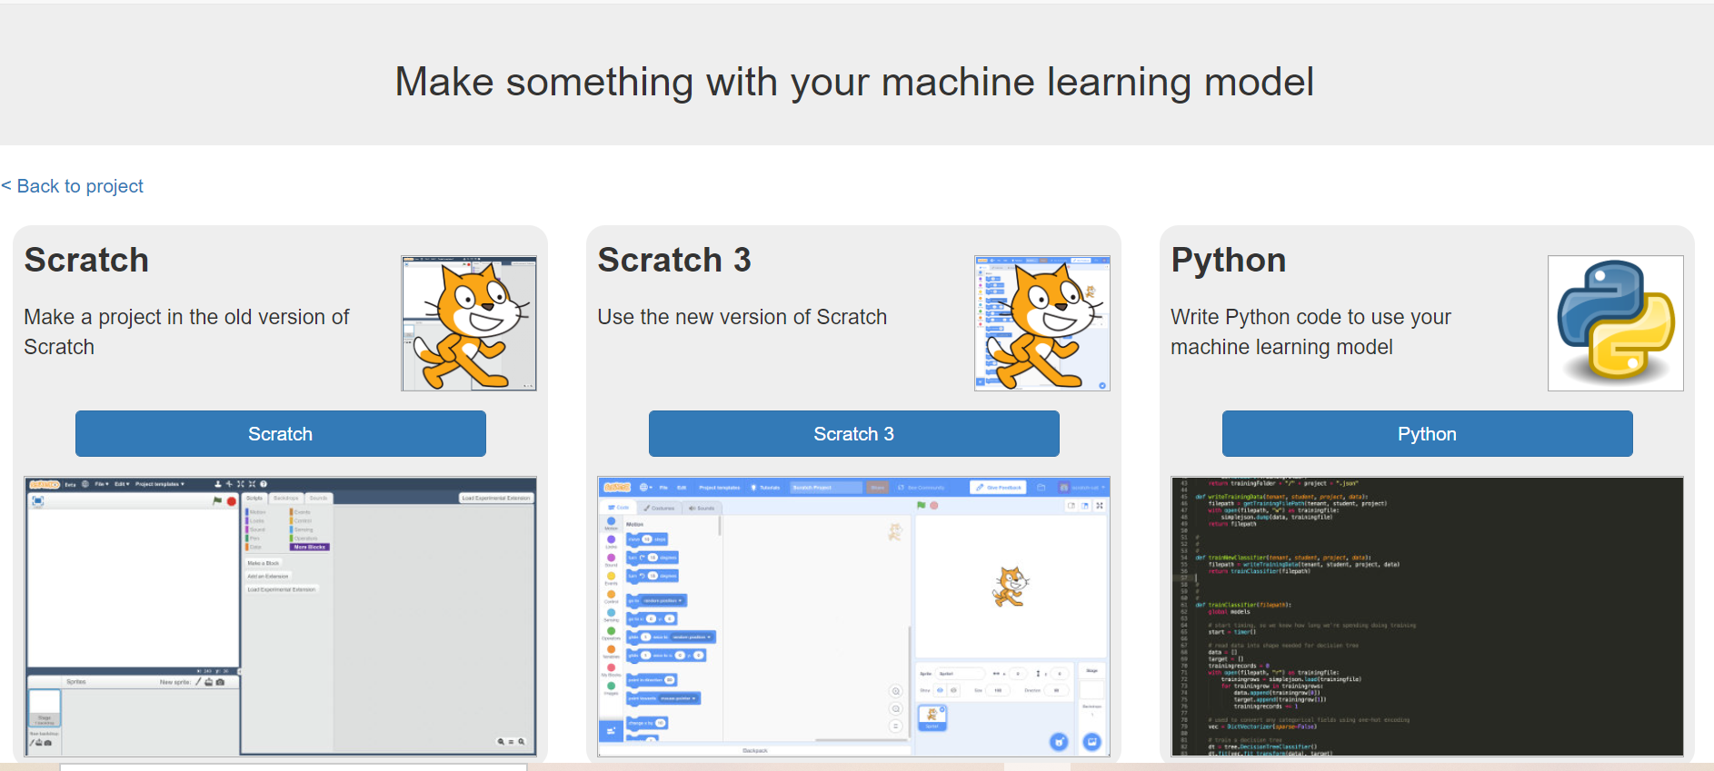
 | Once we click on scratch 3, it redirects to scratch 3 which loads with an extension for machine learning. Now our 'if condition' translates as follows,
 | 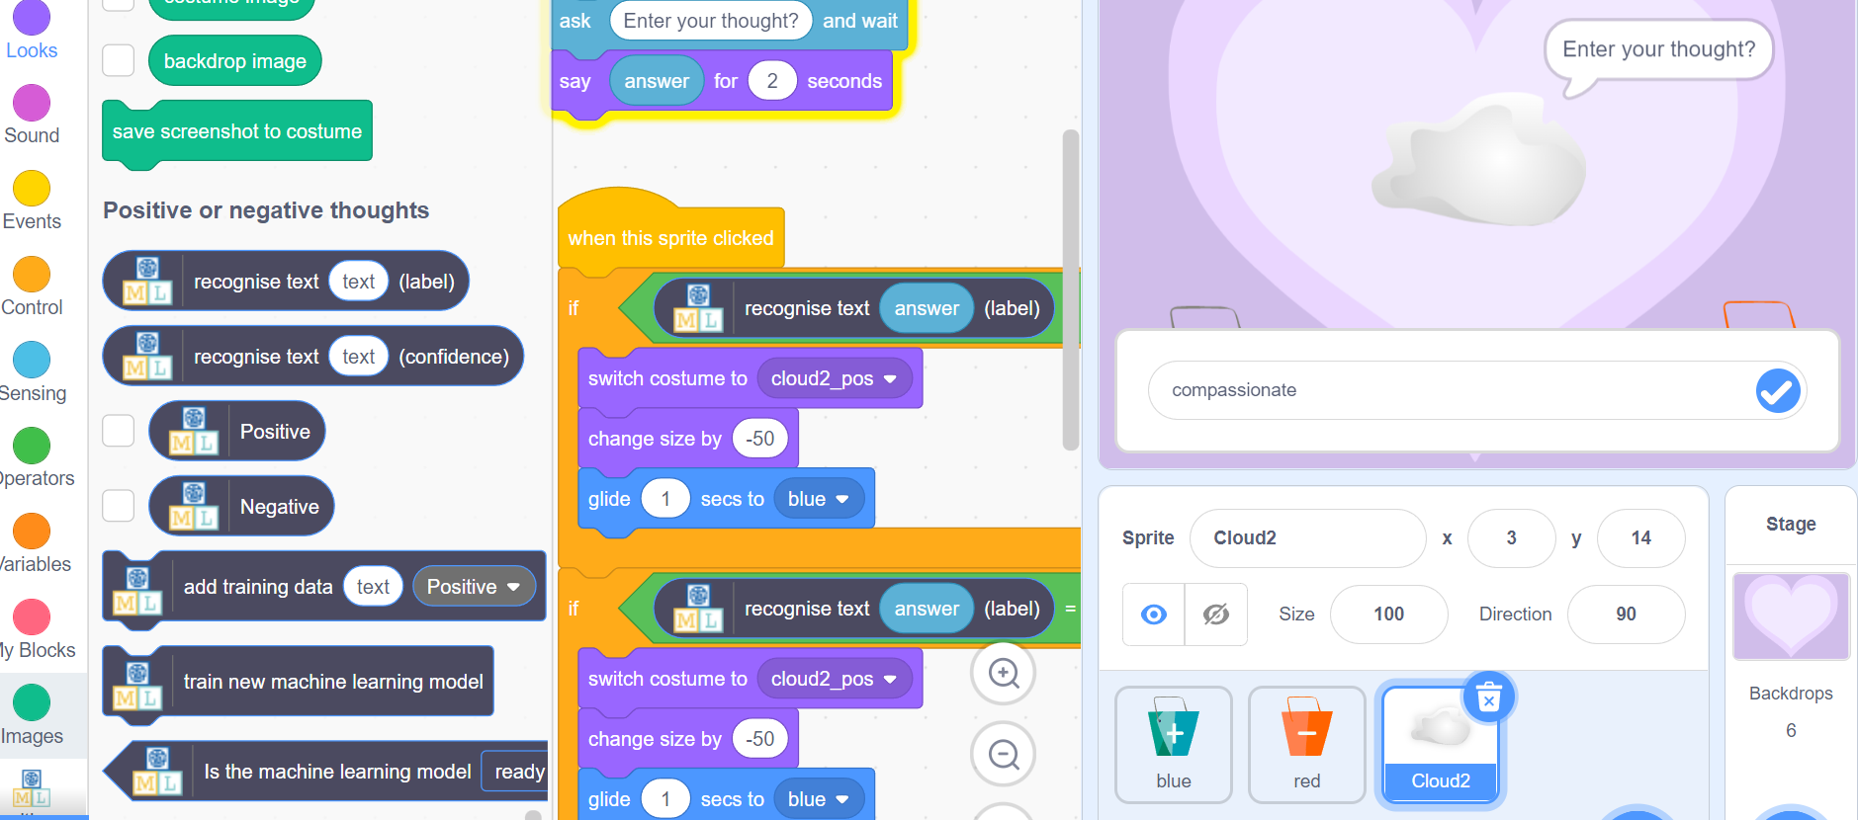
 | If the machine recognizes a thought as positive based on the training data, then the thought is positive and goes to the blue bucket. If the machine recognizes it as negative, then the thought goes to the negative bucket.
 | 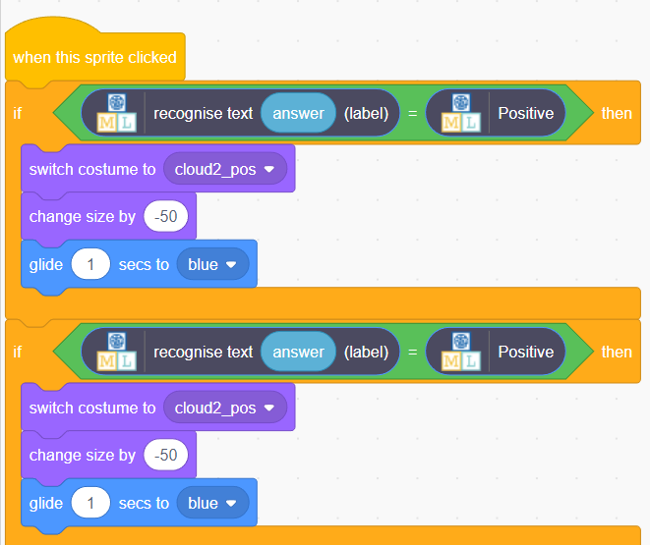
 | 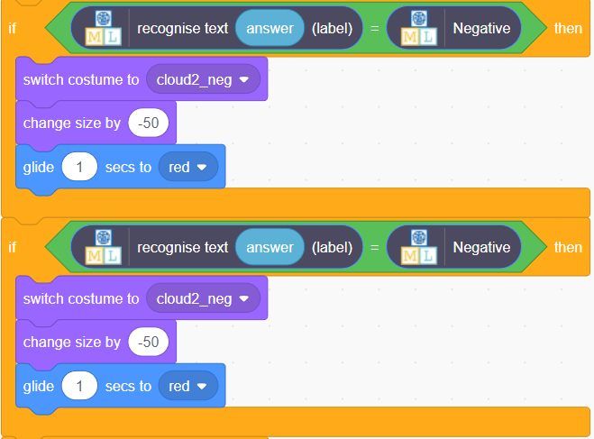
 | Time to test if our machine learning model is trained enough to catch our thoughts. Let's see. First let's try something positive - I'm going to type compassionate. Note that this word is not in the list of our positive words. This is great! You can see that compassionate goes to positive.
 | 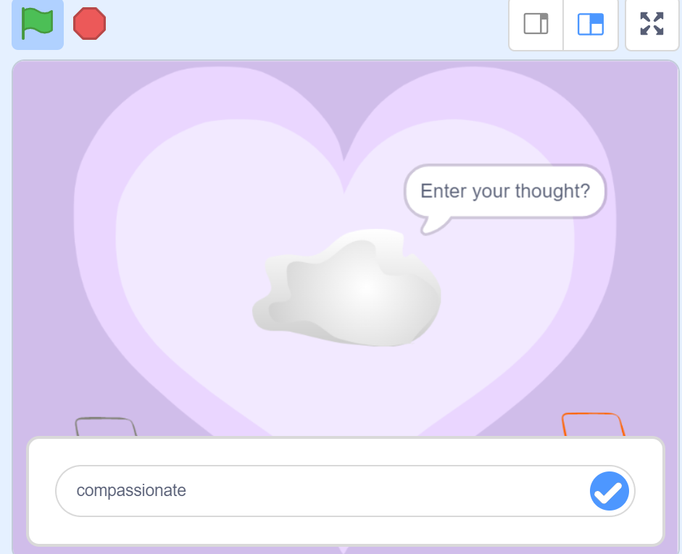
 | 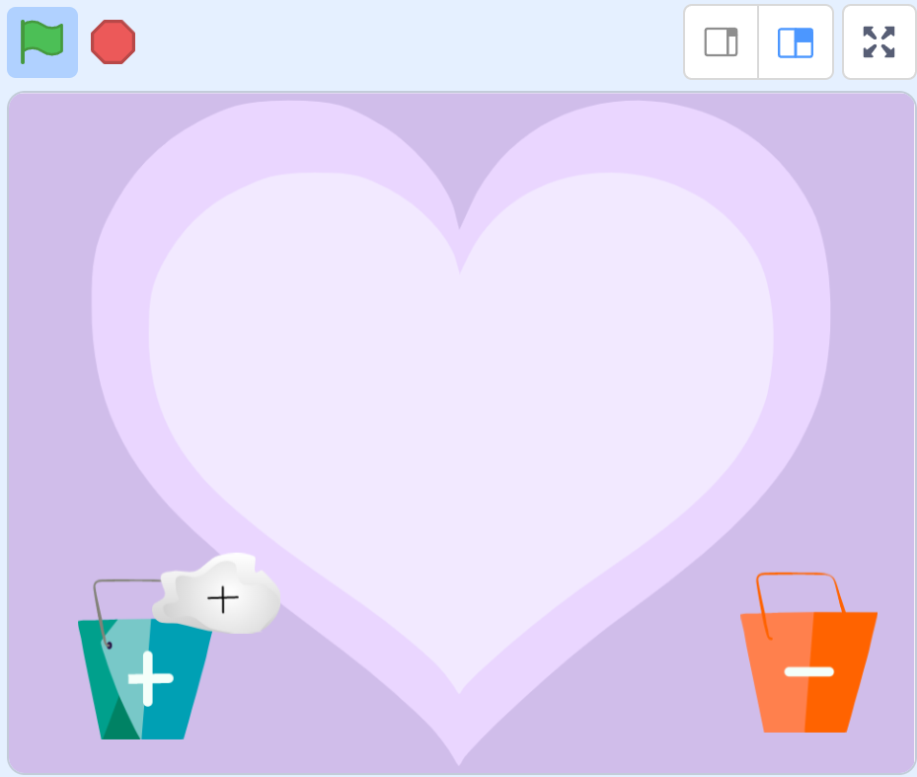
 | Let's try a negative thought now. Let's say the thought is to steal something from someone. Eeew, that's a bad thought, right? Is the machine trained enough to understand that it's a negative thought? Let's try it out!
 | 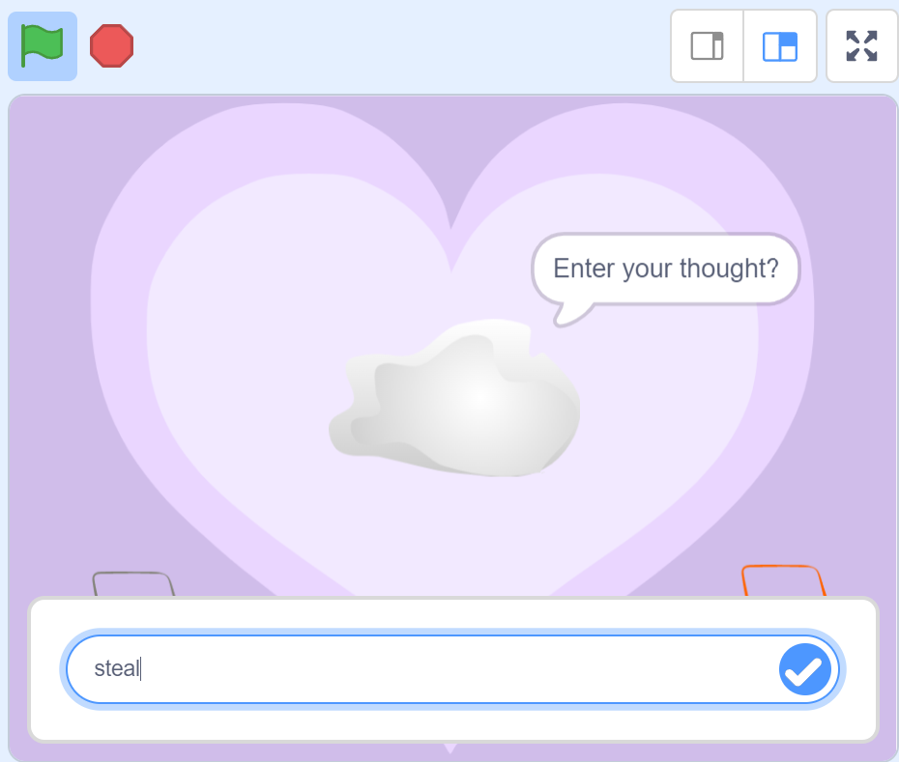
 | 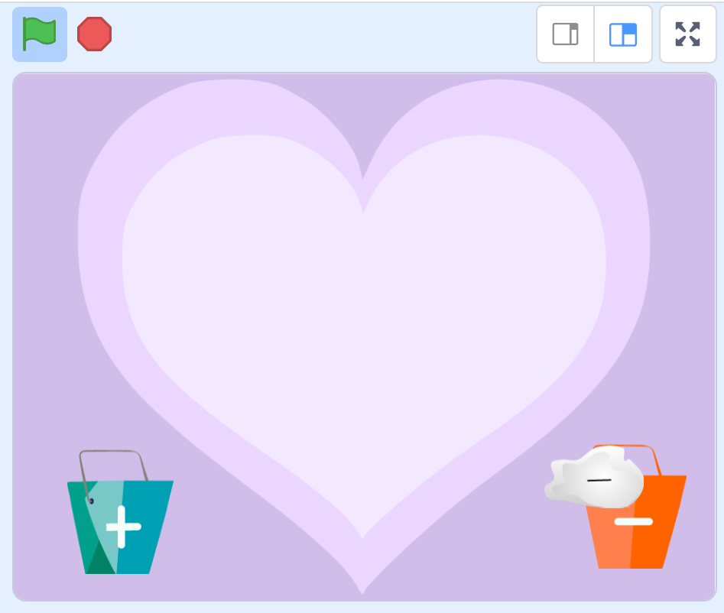
 | AI.S.H.A: Wow that's cool. That worked too! Looks like the machine is trained for both. Abida: I'm excited too. AI.S.H.A, would you like to try? What are you thinking now? Let's catch your thoughts too! (Try more examples and make sure to include the ones that doesn't work to demonstrate that the machine needs to be trained more to make accurate predictions)
Code Remix - Let's dance in the snow and clone some snowflakes | Abida: Modifying, remixing or re-using already existing code is a great trait of any good programmer besides coding for projects from the beginning. Let's look at an existing code of a dance party at https://scratch.mit.edu/projects/10128067. | sound, characters and backdrops needed to add to scratch library
 | 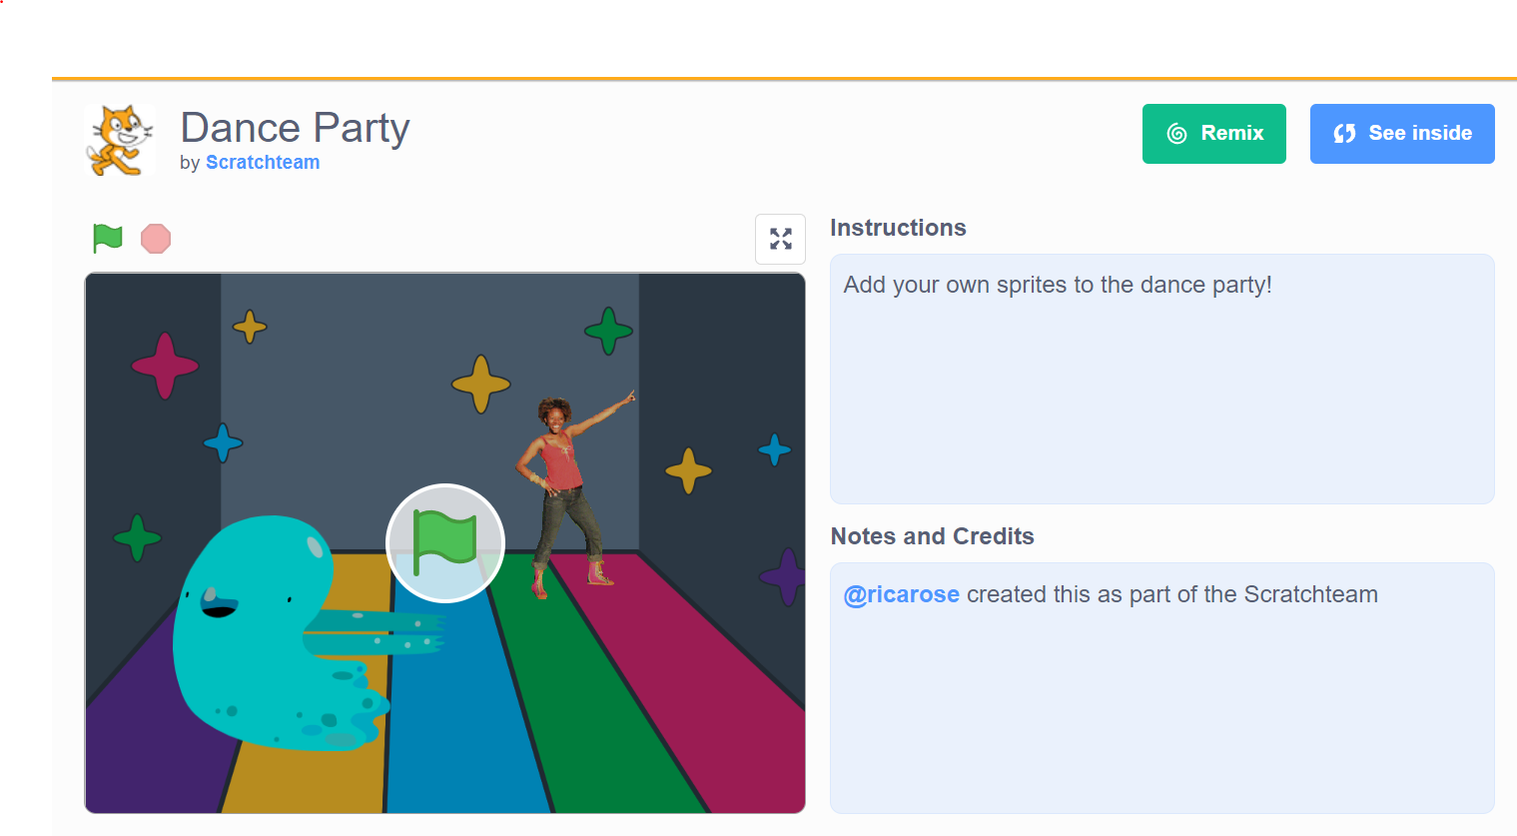
 | We could change the sprites to any sprite of our choice from the sprite library and the backdrop library. Let's add some pictures and sound of our choice and get started with the dance party. You want to join with me AI.S.H.A?
 | AI.S.H.A: Yes indeed. Abida, do you know I have been dreaming about dancing in the snow for a long time. Do you think we could code for a snow dance? Abida: Yes ofcourse
 | All we need to do is to change our sprites and background and code for some snow since we already have the code for the dance. Now AI.S.H.A, I want some pictures of you doing some dance moves so I could patch it up together to code for an animation to make you dance in the snow. AI.S.H.A: There you go Abida. Abida: Thanks AI.S.H.A. That was fast! You see these pictures in the costumes tab when put together will make it look like you are dancing. We will use the same code in the existing project to make you dance. But let's try changing the number of seconds in the glide block to see the character move slower or faster in each direction. The same way, we could code for the other character too. Oh, we have Bahir the reindeer. Do you remember him? Let's make him dance with you too.
 | Cool. We have got you dancing now. But we are missing the snow, right? Let's get coding for the snow.
 | (Show Abida when she says this) Abida: Firstly, not every snowflake looks similar in size. We will create snowflakes of tow different sizes using the costumes tab and create as many clones of these snowflakes. AI.S.H.A: So clones are sprites that look identical right? This is interesting - nature has so many clones then. The leaves and flowers in a tree are clones. Even identical twins are clones. Our ears, eyes and hands are clones too. Abida: Exactly AI.S.H.A. Look at this piece of papier-mâché. It has this pattern cloned all over it. (Abida shows examples of papier-mâché which has patterns cloned over it) or (can we interview a papier-mâché artist and let him talk about the process of making patterns and clones of it?) Next, it's not just going to be three snowflakes. Do you know that we could create clones of sprites who look exactly the same as the original sprite? This feature will help us create hundreds of snowflakes at the same time. Let me show you how.
 | 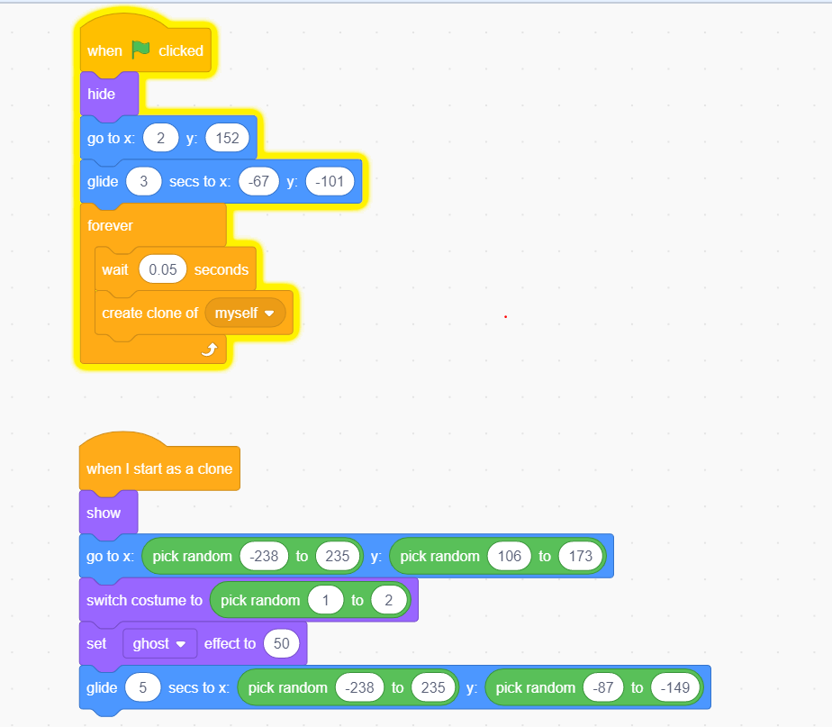
 | The original snowflake sprite is placed at the top corner of the screen using the 'go to x:2 y:152 block as it glides to the bottom. We hide this sprite and use the forever block to create as many clones of the sprite as possible using the 'create clone of myself' block from the control section. (Although the forever block runs the code forever, scratch sets a limit to the number of clones that will be created at a time to avoid glitches and hangs of the system) When the clones are created, we use the 'when I start as a clone' event block and make the clone visible using the 'show' block. When the clones are created, they start from a specific x and y location and glide to the bottom of the screen to a random location within the range x :(-238 to 235) and y: (-87 to -149). Each clone switches it's costume between the two available costumes of snowflakes. We also have an option to set a ghost effect for the snowflake to make it look more natural. AI.S.H.A: Can we use the 'change y block' to make the snowflake move down instead of the glide block? Abida: Great question AI.S.H.A. Yes the change y block will also make the snowflake move down. In this case we will need a repeat block which will keep changing the y value of the snowflake as many times until the snowflake reaches the ground. There we go AI.S.H.A, we got you dancing in the snow. There's another project which you might want to try from the scratch website too - the bubble bursting. You could find this at https://scratch.mit.edu/projects/10128119/ This projects uses your phone camera to sense your hand movements to burst the bubbles. Do give it a try! (Note: This project can only be introduced when functions are introduced earlier) Abida: (Facing the students) - Now it's your turn! Have you been dreaming about doing something for a long time? Try coding for it and make it go real! And remember that you could find inspiration from the existing projects in scratch in the projects section and remix the code
 | 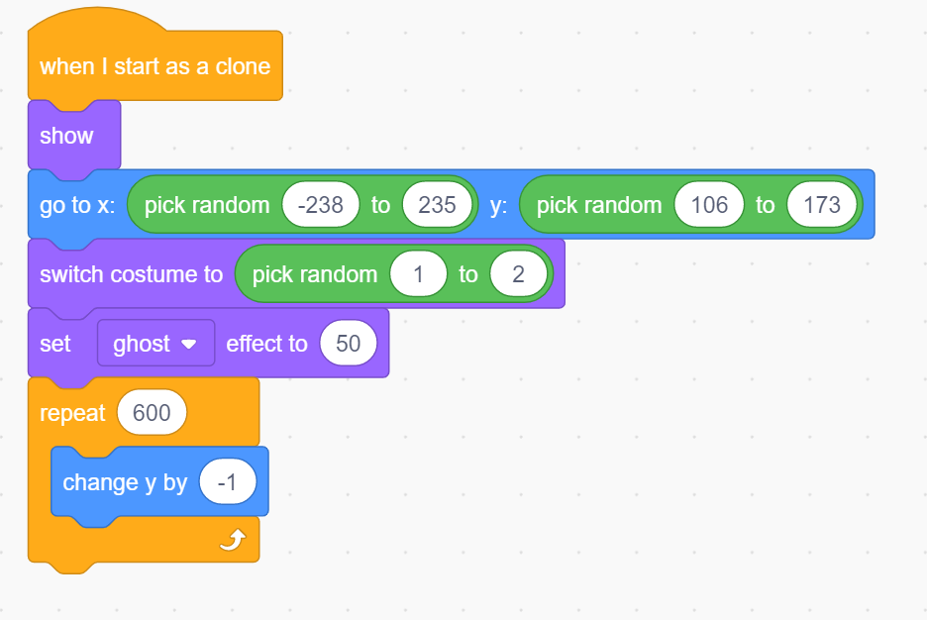
 | 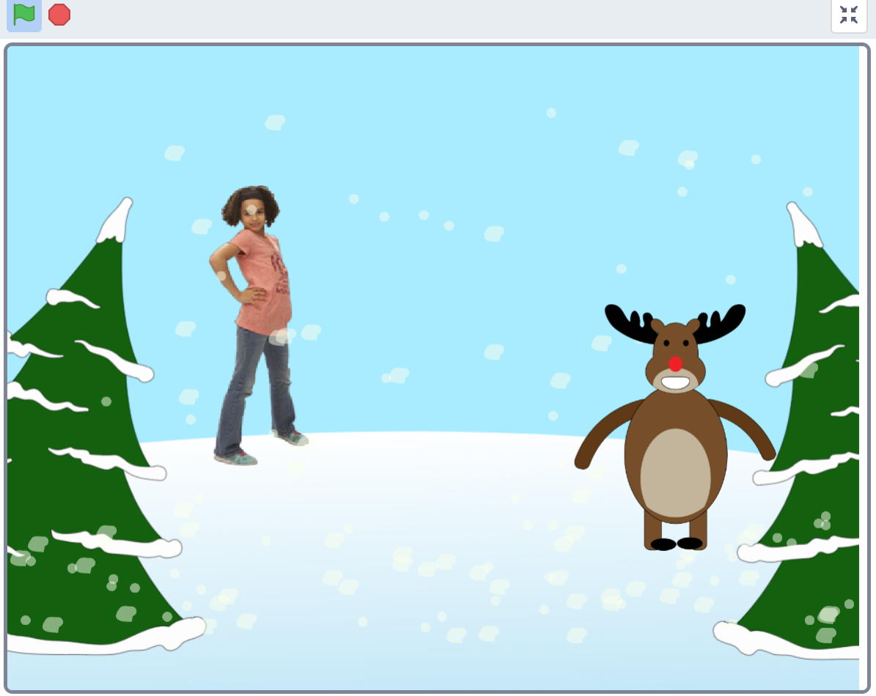

L3.C2
Sub-section | Script | References
Code Remix - Let's dance in the snow and clone some snowflakes | Abida: Modifying, remixing or re-using already existing code is a great trait of any good programmer besides coding for projects from the beginning. Let's look at an existing code of a dance party at https://scratch.mit.edu/projects/10128067.

 | We could change the sprites to any sprite of our choice from the sprite library and the backdrop library. Let's add some pictures and sound of our choice and get started with the dance party. You want to join with me AI.S.H.A?
 | AI.S.H.A: Yes indeed. Abida, do you know I have been dreaming about dancing in the snow for a long time. Do you think we could code for a snow dance?
 | Abida: Yes ofcourse. All we need to do is to change our sprites and background and code for some snow since we already have the code for the dance. Now AI.S.H.A, I want some pictures of you doing some dance moves so I could patch it up together to code for an animation to make you dance in the snow. AI.S.H.A: There you go Abida. Abida: Thanks AI.S.H.A. That was fast! You see these pictures in the costumes tab when put together will make it look like you are dancing. We will use the same code in the existing project to make you dance. But let's try changing the number of seconds in the glide block to see the character move slower or faster in each direction. The same way, we could code for the other character too. Oh, we have Bahir the reindeer. Do you remember him? Let's make him dance with you too.
 | Cool. We have got you dancing now. But we are missing the snow, right? Let's get coding for the snow.
 | (Show Abida when she says this) Abida: Firstly, not every snowflake looks similar in size. We will create snowflakes of tow different sizes using the costumes tab and create as many clones of these snowflakes. AI.S.H.A: So clones are sprites that look identical right? This is interesting - nature has so many clones then. The leaves and flowers in a tree are clones. Even identical twins are clones. Our ears, eyes and hands are clones too. Abida: Exactly AI.S.H.A. Look at this piece of papier-mâché. It has this pattern cloned all over it. (Abida shows examples of papier-mâché which has patterns cloned over it) or (can we interview a papier-mâché artist and let him talk about the process of making patterns and clones of it?) Next, it's not just going to be three snowflakes. Do you know that we could create clones of sprites who look exactly the same as the original sprite? This feature will help us create hundreds of snowflakes at the same time. Let me show you how.

 | The original snowflake sprite is placed at the top corner of the screen using the 'go to x:2 y:152 block as it glides to the bottom. We hide this sprite and use the forever block to create as many clones of the sprite as possible using the 'create clone of myself' block from the control section. (Although the forever block runs the code forever, scratch sets a limit to the number of clones that will be created at a time to avoid glitches and hangs of the system) When the clones are created, we use the 'when I start as a clone' event block and make the clone visible using the 'show' block. When the clones are created, they start from a specific x and y location and glide to the bottom of the screen to a random location within the range x :(-238 to 235) and y: (-87 to -149). Each clone switches it's costume between the two available costumes of snowflakes. We also have an option to set a ghost effect for the snowflake to make it look more natural. AI.S.H.A: Can we use the 'change y block' to make the snowflake move down instead of the glide block? Abida: Great question AI.S.H.A. Yes the change y block will also make the snowflake move down. In this case we will need a repeat block which will keep changing the y value of the snowflake as many times until the snowflake reaches the ground. There we go AI.S.H.A, we got you dancing in the snow. There's another project which you might want to try from the scratch website too - the bubble bursting. You could find this at https://scratch.mit.edu/projects/10128119/ This projects uses your phone camera to sense your hand movements to burst the bubbles. Do give it a try! (Note: This project can only be introduced when functions are introduced earlier) Abida: (Facing the students) - Now it's your turn! Have you been dreaming about doing something for a long time? Try coding for it and make it go real! And remember that you could find inspiration from the existing projects in scratch in the projects section and remix the code

Video 21: Let's karaoke | 2. Can we create some music aswell using our code? Let's try! AISHA do you remember the computer song that we wrote together the other day? What if we could code for a Karaoke for this song? 3. AISHA: Oh how could I forget the computer song!
 | 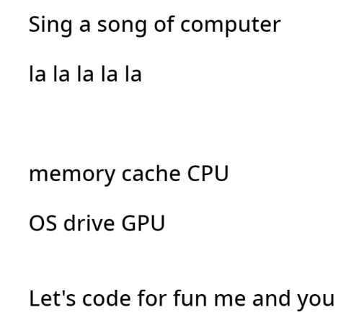
 | First we need to create some karaoke tunes for this song. Let's see how to do this. First we will create music for stanza 1. There are 12 beats in first stanza.
 | 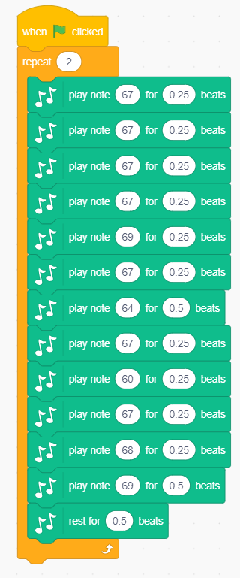
 | Then we will create music for stanza2. Stanza 2 has 6 notes repeating twice for 2 lines. These 2 lines repeat together one more time. In this case, we will need a nested loop for the second stanza, like the one shown below
 | 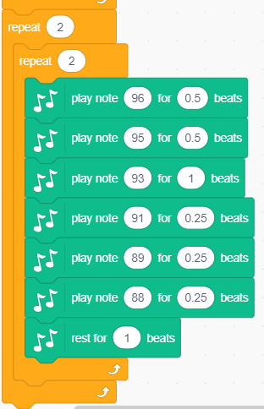
 | We will then proceed with the last stanza same way
 | 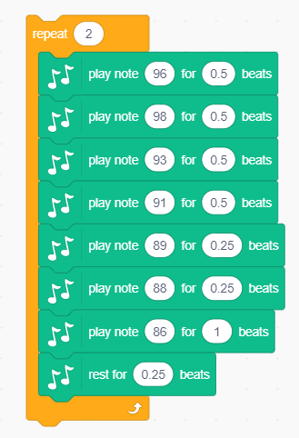
 | Wait, to test if the second stanza is working properly, we should have to wait for the first stanza to get over. And for the third, we need to wait for both second and first to complete. Can we do something to test for the 2nd stanza without having to wait for the previous one? Yes we have a way to divide this code into modules or functions to avoid the complexity of working with huge blocks of code. In this case, we can write different functions for each stanza and call that function separately to test our code. Just like this.
 | 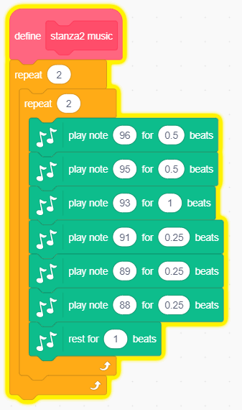
 | 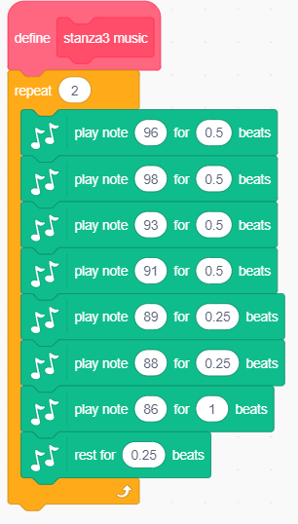
 | Once we defined all three functions to play music for the three stanzas, we define another function called 'play music' which calls for functions stanza1, stanza2 and stanza3 music. To call a function we use the function name block shown in pink. We then use a repeat block to repeat the entire music twice resting for 0.5 beats in between.
 | 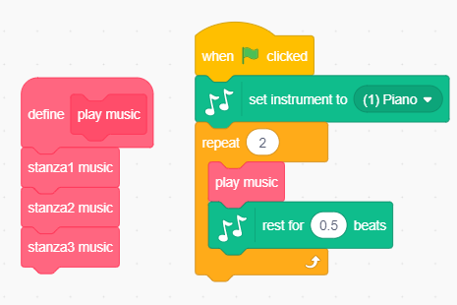
 | See how functions make the code modular and easy to work with? Now let's say if somebody else wants to add more lyrics to the song and create karaoke for the same. They could perhaps find a way to reuse the tones and notes that we have created and the functions that we have written are greatly helping for modifying and reusing parts of the code.
 | Now that we have music, we want to guide people to sing along just like in the karaokes. Let's introduce an arrow sprite for this and make it move in sync with the notes.
 | 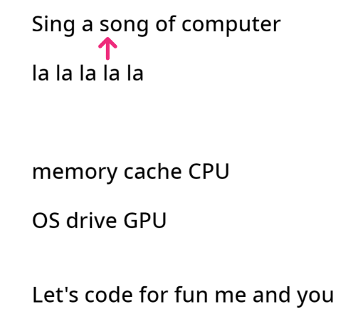
 | Now that we have learnt a easy way to code and check for each of our music stanza's we can build our code for the arrow movement the same way. One stanza at a time and one separate function for each stanza like this and call a single function for moving the arrow for all three stanzas.
 | 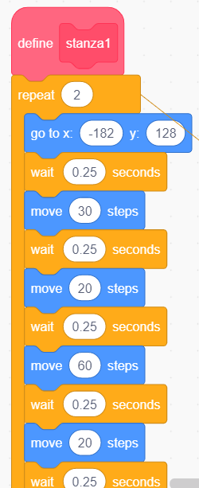
 | 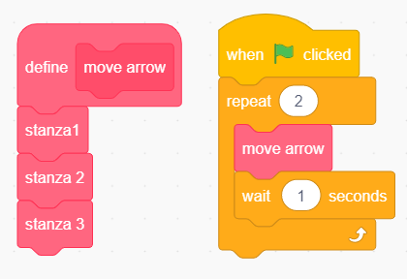
 | Up next is another interesting visualization. Let's consider that we are in a fairy tale world for now and let's say that for every stanza or line that is repeated, two flowers bloom in the garden right next to each other. Let's code for this now.
 | 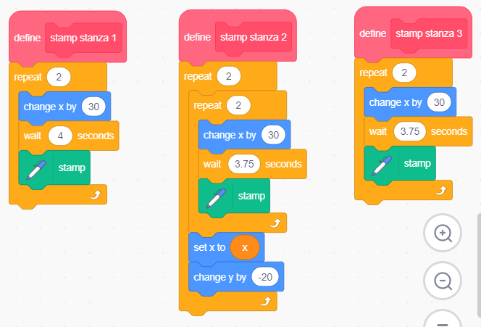

 | 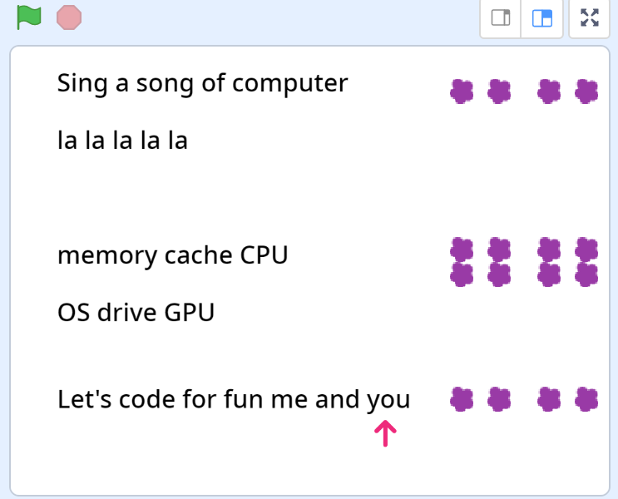
Video 22: Funny face costumes | Wow, that was intense. We wrote a program to create a karaoke and visualize loops and nested loops by coding using many functions or modules. Let's code for a simple yet fun project now - face filters. Let's see how this works.
 | I'm first going to draw some accessories to be able to use them in my face filter project. Let's draw some cool eye glasses first. Then a jokers hat, a jungle hat and moustache and some beautiful jewelry.
 | 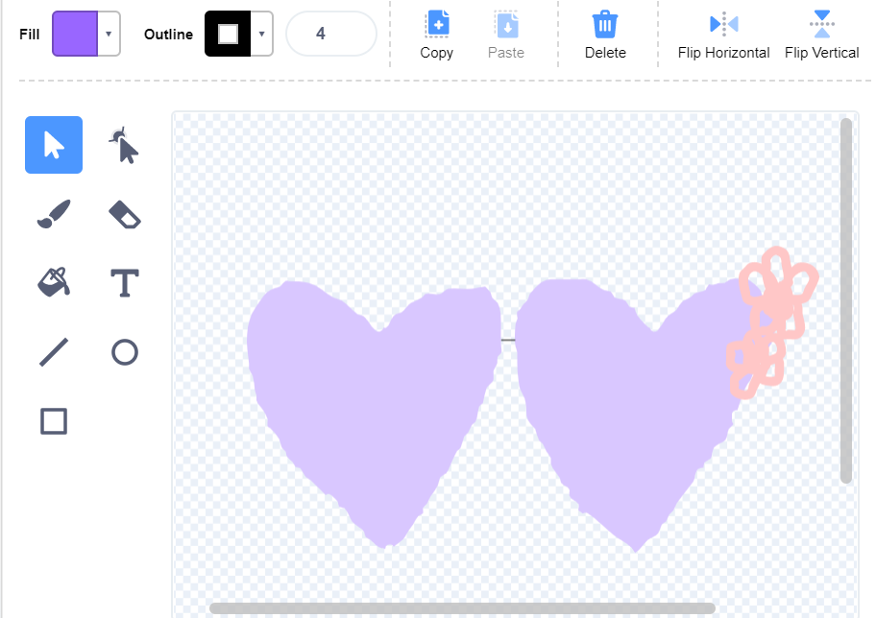
 | 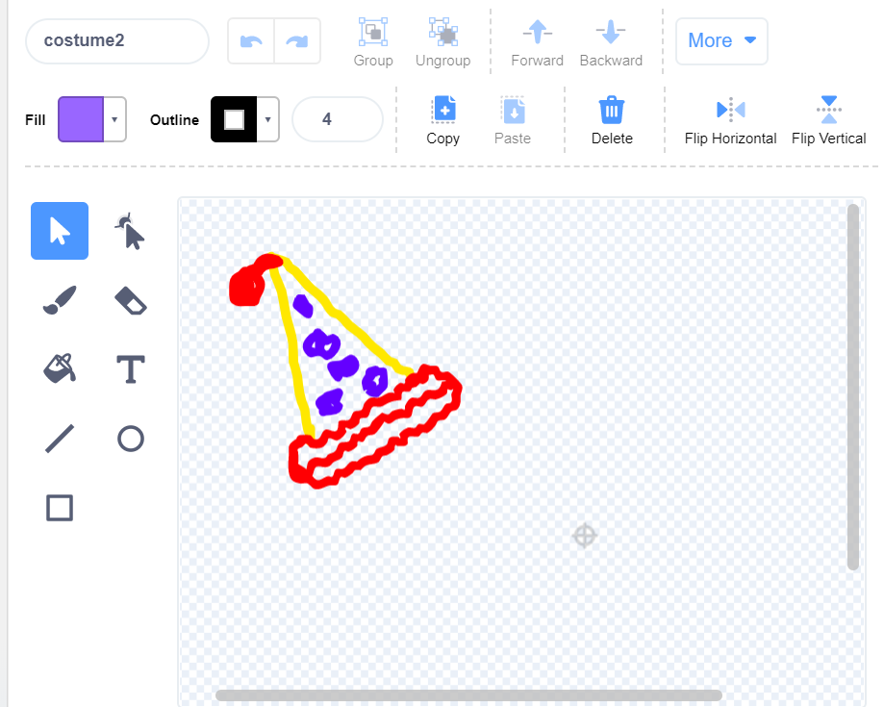
 | 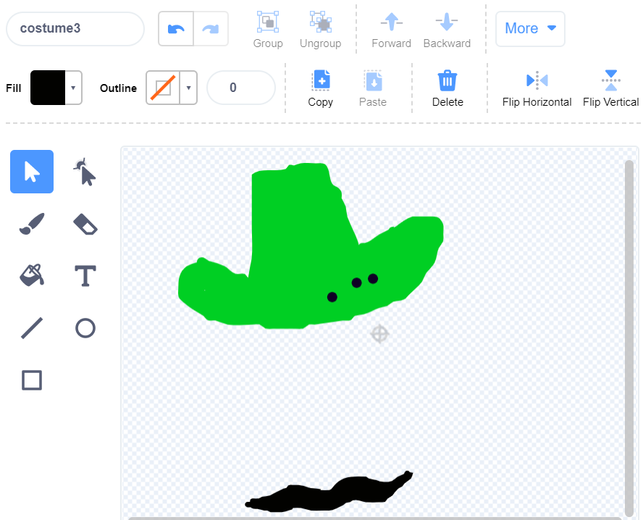
 | 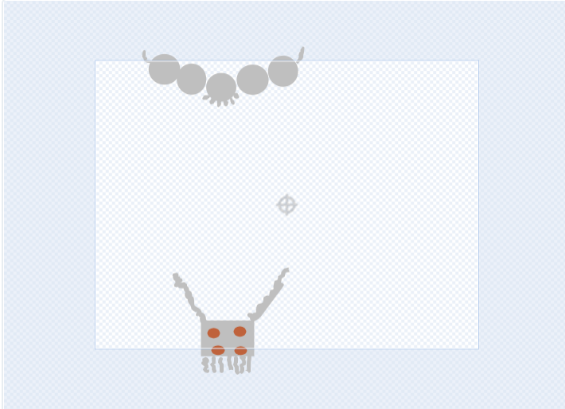
 | Now that we got all our costumes drawn, we are going to use the video sensing extension from scratch to turn the video on. When the green flag is clicked, the video is turned on. Now all we have to do is try our first face effect. Let's see. But we have a problem, we want to try all the face effects we made. How could we do that? It's time to recall our past lesson on events and actions.
 | 
 | We want these costumes to change automatically by sensing our motion. We can use the video motion on sprite block to sense the video motion if it's greater than 50. If so we keep changing costume every 3 seconds. To do this get the forever block from the control palette and use next costume block to change the costume waiting for 3 seconds.
 | 
Video 23: Part 1: Let's create some patterns Part 2: Let's summon some magic patterns | Part 1: Abida: In the past videos, we wrote algorithms to draw geometric shapes like squares. How about we write some code now to draw different geometric patterns just as we tap on the screen? We will create three shapes - triangle, square and hexagon. Let's work on these shapes one at a time. To draw a shape, we need the length of each line of the shape and the angle of rotation. The angle of rotation is 360 degrees/no of edges. If it's a square, it's 360/4. If it's a triangle, it's 360/3. For a hexagon, it is 360/6. Alright, we know how to draw these shapes. But how do we draw a different shape everytime we tap on the screen? Just like this? Triangle Square Hexagon Triangle Square Hexagon And how do we automate this process through our code such that if someone else wants to draw a different shape, they can still achieve this with our code with minor changes. Let's see how? Part 2: That was fun. Now, what if we could summon some magic patterns when we tap on the screen using the same logic? This time, may be a snowflake, a honeycomb, Kite (saw it out loud) snowflake, a honeycomb, Kite (just do actions) snowflake, a honeycomb, Kite (just do actions) | angle of rotation = 360 degree/no of edges
 | 
 | Let's create some patterns with shapes part 1 (Start to 1.17s) Let's first try drawing a square by replacing the sprite. We will use the pen extension to draw our shapes. When the pen is down, we draw the shape (30 s) (1.17 to 6.14s) As we discussed, we could draw different shapes by changing the edge value. (30s) (6.08 to 6.58s) Instead of changing these values every single time, what if we could automate this process. First, I want to be able to draw any shape by re-using the logic that we just wrote. Writing functions are a great way to re-use our code. So let's write a function called drawShape. What if I want to draw a shape of any length? In this case, we can create a function with parameter or input called 'length' and define the function. (30s) (7.24s to 11.08s) But wait, we didn't mention when to draw a square or a triangle or hexagon when we tap on the screen. To do this, let's create another function called chooseShape which automates this process. This function defines that if it's the first tap, i.e if count variable =1, then we draw a triangle, 2 a square and 3 a hexagon. Since we will keep up incrementing the count value, a count of four will reset to 1 and set the edge as 3 (30s) (11.41s to 15.15s) Now when the green flag is clicked, we erase everything from the last run, we initialize the count to 1 and use a forever block to check for a full tap, i.e when the mouse or your finger touches the screen, the shape is drawn. We also call the choose shape function we defined before to choose the shape to draw and play a pop sound as we draw. Let's check if it works so far. We have a problem. (15.16s to 16.50s) We need to make the pen go up after drawing every shape until the next tap. Let's fix this. That works! (16.51s to end) But we still don't get different shapes. Let's see what we are missing. There we go, this is because we haven't changed the count variable by 1. Also let's set the pen color and try tapping our shapes.
 | 
 | When green flag is clicked, we first choose the shape, pen down, wait for a full mouse click or a tap and go to the mouse pointer. The next step is to call the draw shape function and then we are done.
 | 
 | We need these patterns to appear only when we tap on the screen. And how do we know which pattern should be drawn upon tapping on the screen. We want these patterns to appear exactly in the same order everytime. First the triangle, then the square and then on the third tap we want the hexagon. How could we achieve this? We can write a function which initially chooses which shape to draw. If it's the first time we are tapping on the stage, we draw a triangle, second time square and so on. And if the count reaches 4, we reset the count and start drawing a triangle again.
 | 
 | Let's try and create some magic patterns with the same logic. First we create a function to choose the pattern based on the tap count.
 | 
 | We then define functions to specify the characteristic of each magic pattern. For example, a value of (4,150, 30) for the (edge, angle, length). If it's the first time the screen is tapped or at the first instance of the mouse click, a snowflake should be summoned. We set the pen color to be white. Similarly we define other two functions honeycomb and kite. Once we choose the shape to draw and define the characteristics of a pattern, we need to draw the pattern. So we define a draw pattern function which will draw the shape. We create clones corresponding to number of edges and draw a pattern of specific length. And then we create clones for each clone turning at specific angles and drawing patterns, extending this for 5 levels. After every pattern is drawn, we delete the clones for that pattern to make sure we don't run out of clones in scratch. There we go, let's check this out! We got a beautiful pattern of snowflake, honeycomb and kite. And we could repeat this forever to create something that looks like a wallpaper.
 | 
 | 

L3.C3
Let's code - Code with purpose
Sub-section | Script | References
Video 24: Code for net zero: blow the heat off planet earth & plant more trees | Abida: We have so far coded for some of the things that we love doing and are passionate about. How about coding for something the world needs the most? AI.S.H.A: There are more pressing issues in today's world. One of the problems that I could think of over the last decade is Global warming - Melting glaciers, dying animals and plants, snow storms and extreme weather conditions. The global warming effect is caused by harmful gases mostly carbon which traps heat from the sun and stops it from leaving our earth's atmosphere. Do you think we could do anything about this Abida?
 | Abida: You are right AI.S.H.A. We all can do our part in reducing the effects of climate change. Little things like turning off the lights when not in use, reducing food waste and planting more trees can help in removing the same amount of carbon-di-oxide which is being released into our atmosphere. This is known as achieving net-zero emissions. How about we code to create some awareness about the net zero and global warming?
 | AISHA: Smoke and pollutants from industries and vehicles produce carbon (gases like carbon di-oxide and carbon monoxide which gets trapped in the earth's atmosphere. Our planet earth is literally on fire and couldn't bear with the heat anymore. Could we do a simulation to blow off this heat? To do this, once we create the sprites, we simple blow off the heat by blowing into our microphone. If the loudness level is above a certain level, the fire sprite should start shrinking and then disappear when it's size is less than 5. Once the fire sprites disappears, we have our earth happy and smiling. Could we do an illustration to visualize this? We will first create all the sprites. The earth sprite which looks sad, the fire sprite, the building and the car and a sprite of tree which is half cut.
 | 
 | 
 | 
 | when we click on earth, we could plant trees by simply tapping or clicking on the stage. Let's see how we could achieve this.
 | 
 | 
 | 
Code for net zero: Carbon sequestration | That's nice. We simulated planting some trees. A great step ahead in creating awareness about global warming. How about we also simulate how these trees help with reducing the climate change? Trees absorb carbon-di-oxide from the atmosphere to make their food and are later converted into wood and buried deep in the ground through the roots. These roots can later be converted into charcoal which is a stable form of carbon which doesn't easily release into the air. This is commonly known as natural sequestration. Other artificial way of achieving sequestration is by absorbing carbon from the atmosphere and storing it underground. Let's see how to code for carbon sequestration.
 | 
 | 
 | 
 | 
 | 
 | 
 | 
 | 

