Sheet2
Domain | Count of Variant
BRCT Region | 8
RING Domain | 2
Count of Variant by Domain

Sheet1
Variant | Domain
M18R | RING Domain
C61G | RING Domain
R1699W | BRCT Region
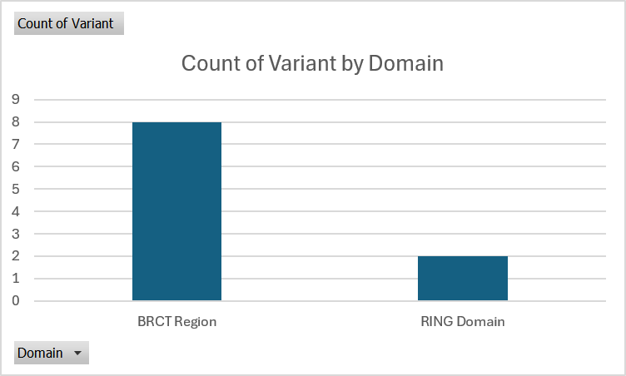
T1712I | BRCT Region
W1739C | BRCT Region
D1760Y | BRCT Region
M1775R | BRCT Region
G1788V | BRCT Region
L1839S | BRCT Region
W1858R | BRCT Region

