Summary_Report
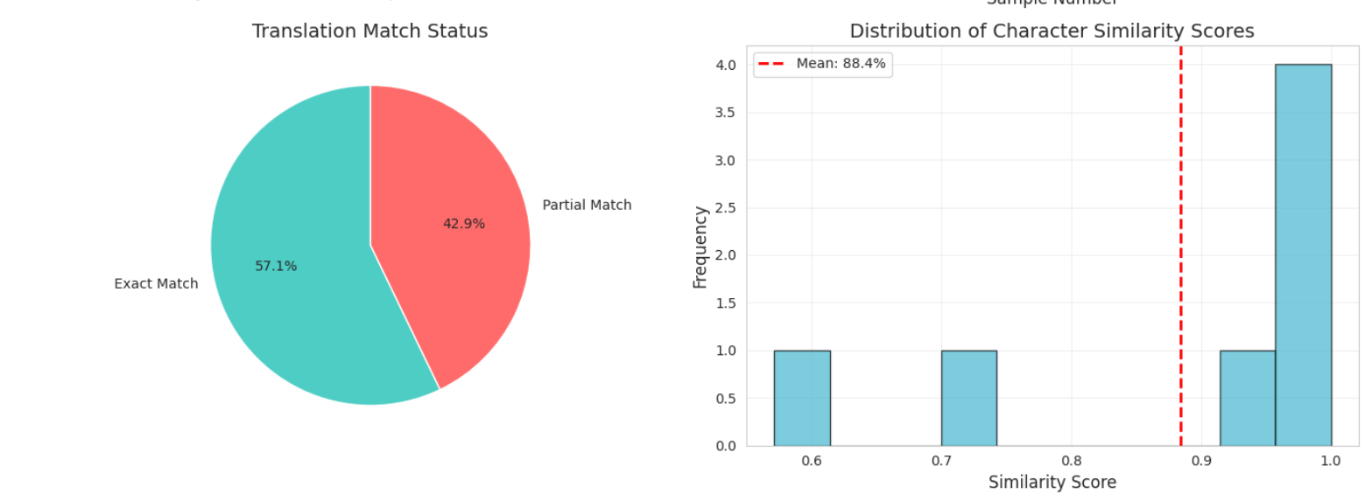
Metric | Value
Total Evaluation Sentences | 10
Average BLEU Score (%) | 32.11%
Average chrF Score (%) | 41.05%
Model Version | Gemini In-Context Learning Translator
Language Pair | English → Khasi
Training Examples | 25

