Sheet1
Customer Trend
 | Affluent Customer | High Net Worth | Mass Customer
January | 578.11699752 | 558.11978261 | 549.48365337
February | 539.52408 | 543.09 | 541.46610697
March | 525.16698667 | 537.07870647 | 553.98601485
April | 558.70513253 | 539.44370927 | 552.73576726
May | 567.20279188 | 557.51292566 | 540.20843788
June | 577.75477454 | 531.154325 | 541.67394062
July | 552.85871935 | 559.83879518 | 546.89290618
August | 557.16576555 | 572.31051044 | 554.29687351
September | 545.92776623 | 542.65486979 | 555.19729694
October | 543.42282238 | 558.08097619 | 571.91127563
November | 559.05780105 | 568.89440476 | 554.53039241
December | 558.48824176 | 534.26611241 | 543.4184125
Customer Distribution
 | Total
Almost Lost Customer | 326
Becoming Loyal | 344
Evasive Customer | 401
High Risk Customer | 360
Late Bloomer | 333
Losing Customer | 356
Lost Customer | 290
Platinum Customer | 176
Potential Customer | 355
Recent Customer | 368
Very Loyal | 184
Customer Distribution
 | Total
Almost Lost Customer | 0.093329516175
Becoming Loyal | 0.098482679645
Evasive Customer | 0.11480103063
High Risk Customer | 0.1030632694
Late Bloomer | 0.095333524191
Losing Customer | 0.10191812196
Lost Customer | 0.083023189236
Platinum Customer | 0.05038648726
Potential Customer | 0.1016318351
Recent Customer | 0.10535356427
Very Loyal | 0.052676782136
TOP 1000 Customers Obtained by using RFM analysis
customer_id | Name | LastName | Address | Postcode
25 | Geoff | Assaf | 28 5th Center | 4413
37 | Laurie | Dwerryhouse | 54 Sage Plaza | 4726
89 | Benedicto | Hoxey | 73042 Roth Crossing | 2100
91 | Dylan | Meaker | 2640 Manley Point | 2166
99 | Reggie | Mulliner | 079 Merry Park | 2160
109 | Cody | Blabey | 41 Service Lane | 2217
117 | Nance | Suttling | 185 Pennsylvania Way | 4226
144 | Jory | Barrabeale | 22 Oxford Junction | 2315
151 | Donnie | Brimson | 34457 Springview Street | 2759
165 | Aldon | Roelofs | 22371 Miller Trail | 2032
167 | Nathalie | Tideswell | 75612 Clarendon Junction | 4352
171 | Halli | Davidoff | 13950 Jackson Avenue | 2099
173 | Ebba | Hanselmann | 2 Randy Point | 2766
174 | Catie | Tosspell | 6898 Redwing Park | 2148
Average Profit from each Customer Tier
 | Almost Lost Customer | Becoming Loyal | Evasive Customer | High Risk Customer | Late Bloomer | Losing Customer | Lost Customer | Platinum Customer | Potential Customer | Recent Customer | Very Loyal
Total | 554.12333739 | 511.52464885 | 578.79873439 | 536.74610718 | 465.92655456 | 580.85747096 | 360.92752089 | 632.14484308 | 556.04785469 | 620.71325092 | 504.30529707
Average Profit from Customers
 | Total
Almost Lost Customer | 1.004286654
Becoming Loyal | 0.92708128924
Evasive Customer | 1.0490080548
High Risk Customer | 0.97279236526
Late Bloomer | 0.8444398366
Losing Customer | 1.0527392849
Lost Customer | 0.65414081637
Platinum Customer | 1.1456919181
Potential Customer | 1.0077746266
Recent Customer | 1.1249734342
Very Loyal | 0.91399702053
200 | Hube | Weald | 7 Havey Point | 4005
234 | Mead | Alpes | 816 Spohn Center | 2036
235 | Leona | Phateplace | 98 Service Court | 2018
239 | Wells | Pressman | 95 Eliot Street | 4514
298 | Maurise | Lenglet | 83 Brickson Park Drive | 3029
320 | Aldous | Cubin | 1108 Nevada Junction | 4701
322 | De | Denington | 5 Schurz Place | 4350
344 | Carlene | Eyckelbeck | 85 Straubel Park | 2147
346 | Timmie | Eisikowitz | 44621 Linden Drive | 2155
357 | Betta | Shrimpton | 780 Carberry Place | 3199
377 | Levy | Bonavia | 259 Barnett Crossing | 2265
381 | Leesa | Castleman | 010 Namekagon Parkway | 2062
404 | Sinclair | Sustins | 333 Bunting Crossing | 2536
515 | Winna | Verny | 12845 Paget Lane | 2026
534 | Madel | Palffrey | 46 Eastlawn Lane | 2218
577 | Nadean | Fielding | 8 Pawling Alley | 3930
605 | Bart | Creenan | 425 Thierer Junction | 2761
Average Profit of Customers by Tiers and Wealth
 | Affluent Customer | High Net Worth | Mass Customer
Almost Lost Customer | 549.44900222 | 583.59068182 | 544.30815914
Becoming Loyal | 522.75564378 | 530.71961616 | 495.96482577
Evasive Customer | 580.80021226 | 560.52676923 | 587.25300113
High Risk Customer | 541.66087678 | 546.32386574 | 529.38636256
Late Bloomer | 482.08794344 | 483.20890805 | 445.45893511
Losing Customer | 580.22884127 | 573.54383481 | 584.79184423
Lost Customer | 357.56304813 | 356.45980296 | 365.6107622
Platinum Customer | 695.23652308 | 624.0107 | 612.97691111
Potential Customer | 567.56225979 | 553.6005916 | 551.86339516
Recent Customer | 633.06560837 | 632.40588991 | 609.15006289
Very Loyal | 448.8265493 | 482.79503055 | 546.61639871
Customer Distribution by Wealth and Tier
 | Almost Lost Customer | Becoming Loyal | Evasive Customer | High Risk Customer | Late Bloomer | Losing Customer | Lost Customer | Platinum Customer | Potential Customer | Recent Customer | Very Loyal
Affluent Customer | 451 | 466 | 424 | 422 | 389 | 630 | 187 | 325 | 562 | 526 | 284
High Net Worth | 352 | 495 | 455 | 432 | 348 | 678 | 203 | 400 | 524 | 545 | 491
Mass Customer | 842 | 947 | 883 | 844 | 601 | 1361 | 328 | 900 | 1240 | 1113 | 622
614 | Nonnah | Johns | 786 Rowland Court | 2035
621 | Constantin | Giacobbo | 363 Schiller Court | 2763
637 | Mercy | Wilsone | 9427 Tennyson Plaza | 2759
640 | Galvin | O'Keenan | 18 Forest Avenue | 2204
669 | Fleur | Whittlesea | 48 Warbler Road | 4053
695 | Kevan | Kubal | 02 Bartelt Center | 2745
719 | Pattin | Weathey | 14254 Hallows Parkway | 4615
725 | Gage | Crossan | 29639 Porter Center | 4221
729 | Ammamaria | Standbridge | 8044 Emmet Hill | 3150
739 | Arnie | Zorn | 08260 Jay Court | 3191
753 | Josy | St. Quentin | 37 Dorton Street | 2594
768 | Alexia | Wolford | 06495 Swallow Terrace | 2759
790 | Yvonne | 0 | 02353 Kropf Lane | 3046
793 | Kissie | Delong | 57 Gulseth Terrace | 2099
799 | Harland | Spilisy | 572 Brown Circle | 2756
820 | Cecilia | Chipchase | 58047 Westport Road | 2040
Average Profit by Wealth Segment
 | Affluent Customer | High Net Worth | Mass Customer
Total | 555.41525718 | 550.4706561 | 550.65021692
Sum of Profit by Wealth Segment
 | Affluent Customer | High Net Worth | Mass Customer
Total | 2591567.59 | 2709967.04 | 5330844.75
832 | Shaun | Murphey | 44997 Anniversary Way | 4114
877 | Didi | Milne | 029 Springview Place | 2177
902 | Selene | Vasiltsov | 9 Northridge Lane | 2340
906 | Cammy | Marcroft | 1 Cottonwood Street | 3150
925 | Nicko | Pembridge | 3 Luster Junction | 2323
934 | Marcellus | Louisot | 4 Eastlawn Crossing | 2036
946 | Bettina | Farrer | 93446 Eagle Crest Plaza | 2229
953 | Jasmin | Brodeur | 97 Aberg Pass | 4720
973 | Annabella | Hebron | 42 Dahle Parkway | 3806
983 | Shaylyn | Riggs | 3638 Starling Alley | 2027
...
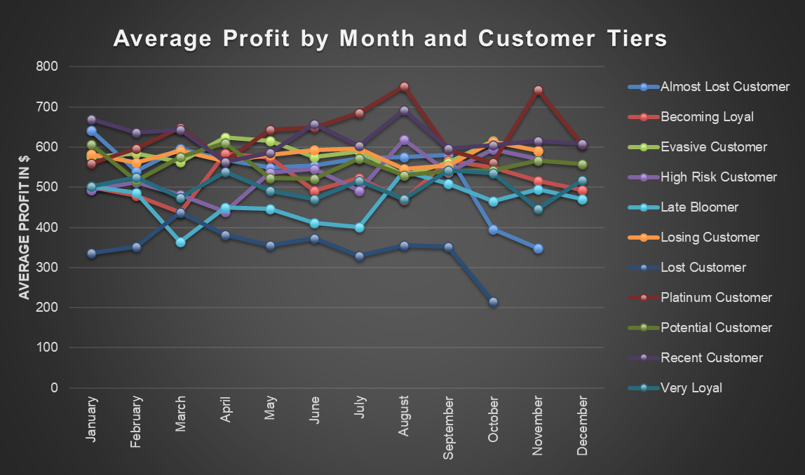
...
New Customer Age Distribution
 | 20 | 30 | 40 | 50 | 60 | 70 | 80 | 90
Total | 14 | 159 | 95 | 198 | 157 | 153 | 78 | 24
...
Old Customer Age Distribution
 | 20 | 30 | 40 | 50 | 60 | 70 | 80 | 90
Total | 53 | 586 | 643 | 1142 | 597 | 396 | 3 | 2
...
TOP 1000 Customers Obtained by using RFM analysis
1802 | Lizzie | Duke | 66238 Old Gate Circle | 4157
1830 | Nathan | Antognazzi | 717 Oakridge Way | 2117
1885 | Jerome | Sheavills | 83148 Rowland Alley | 2530
1905 | Corabelle | 0 | 83975 Rowland Place | 2166
1942 | Abe | Townby | 184 Hoepker Way | 2197
1991 | Tobe | Godrich | 42554 Burrows Court | 2117
2013 | Marge | Girault | 06069 Hayes Road | 2099
2023 | Marco | Denziloe | 174 Calypso Crossing | 2770
2029 | Charlie | Hastilow | 2 Thierer Place | 4053
2055 | Harmon | Bakster | 1786 Orin Street | 2327
Old Customer wealth Segmentation w.r.t. Age
 | Affluent Customer | High Net Worth | Mass Customer
20 | 16 | 13 | 24
30 | 154 | 137 | 295
40 | 154 | 169 | 320
50 | 272 | 299 | 571
60 | 150 | 152 | 295
70 | 89 | 106 | 201
80 | 1 | 1 | 1
90 | 1 | 0 | 1
New Customer Wealth segmentation w.r.t. Age
 | Affluent Customer | High Net Worth | Mass Customer
20 | 5 | 0 | 9
30 | 42 | 45 | 72
40 | 18 | 27 | 50
50 | 53 | 45 | 100
60 | 36 | 39 | 82
70 | 39 | 42 | 72
80 | 16 | 23 | 39
90 | 6 | 2 | 16
New Customers by Wealth Segment
 | Affluent Customer | High Net Worth | Mass Customer
Total | 241 | 251 | 508
2060 | Constancia | Akram | 74164 Village Green Parkway | 3037
2070 | Tiphany | Leppington | 7949 Waywood Way | 2318
2072 | Margie | Tillyer | 692 Leroy Parkway | 3043
2103 | Jayme | Hendin | 0 Waubesa Alley | 2265
2109 | Grazia | Vinson | 7 Porter Parkway | 2261
2111 | Ellis | Vokes | 91933 Artisan Avenue | 2753
2120 | Clare | Attoe | 35 Harbort Way | 2446
2130 | Evangelina | Coxhell | 26064 Morningstar Junction | 2480
2132 | Davina | Dougary | 7518 Canary Parkway | 2145
2149 | Lana | Druce | 2 Spaight Road | 2210
2152 | Junina | Labone | 2800 Dottie Trail | 3071
2165 | Marlie | Teesdale | 0134 Swallow Pass | 3030
2182 | Symon | Minchin | 3 Declaration Circle | 4350
2183 | Jillie | Fyndon | 8142 Tomscot Drive | 4132
2308 | Nancey | Hastie | 00 Marcy Crossing | 3115
Old customer Job industry distribution
 | Total
Argiculture | 100
Entertainment | 122
Financial Services | 691
Health | 532
IT | 188
Manufacturing | 704
Property | 231
Retail | 306
Telecommunications | 63
New Customer Job Industry Distribution
 | Total
Argiculture | 26
Entertainment | 37
Financial Services | 203
Health | 152
IT | 51
Manufacturing | 199
Property | 64
Retail | 78
Telecommunications | 25
2340 | Joachim | Amer | 29 Portage Street | 4070
2341 | Caterina | Scedall | 35 Lakewood Gardens Junction | 3806
2369 | Averyl | Gosz | 1 Bay Pass | 3219
2379 | Trixie | Piscopiello | 5390 Park Meadow Park | 2222
2391 | Corny | Millott | 9501 Melby Avenue | 4178
2434 | Lenci | Soars | 1966 Glendale Avenue | 4207
2464 | Cleve | Jindrak | 3126 Butterfield Pass | 2573
2465 | Paloma | Nilles | 0 Moulton Plaza | 2761
2476 | Hal | Braddon | 567 Scott Park | 4118
2492 | Gayelord | Lipman | 46 Victoria Center | 2770
...
Ownership of car w.r.t States in New dataset
 | No | Yes
NSW | 272 | 234
QLD | 103 | 125
VIC | 132 | 134
...
Ownership of Car by Gender in NewCustomer List
 | No | Yes
Female | 252 | 261
Male | 245 | 225
U | 10 | 7
...
Purchases made by Wealth segments
 | Affluent Customer | High Net Worth | Mass Customer
Total | 12005 | 12716 | 25115
...
Bike related purchases by Age Group in New Dataset
 | 20 | 30 | 40 | 50 | 60 | 70 | 80 | 90
Total | 14 | 159 | 95 | 198 | 157 | 153 | 78 | 24
...

