Test excution details
Test case number | test case name | screen shorts
TC_001 | Enter Product details page Validation | 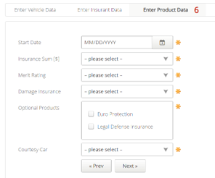
TC_002 | Start Date Field Validation. | 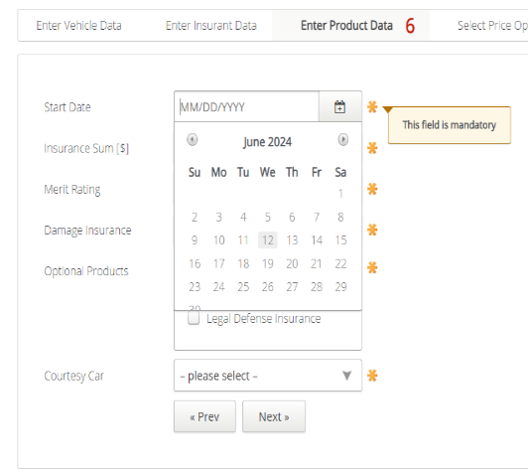 | 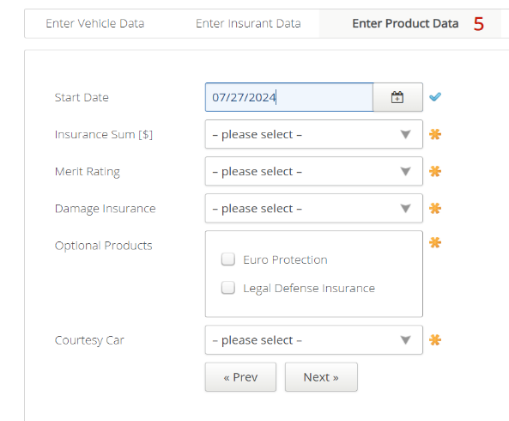 | 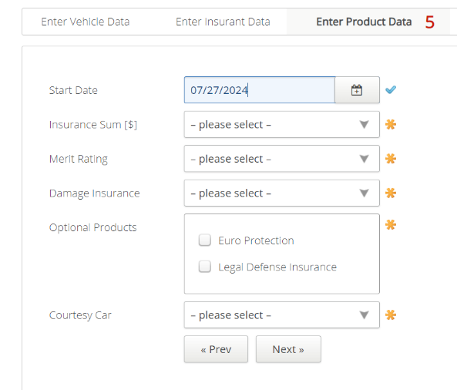 | 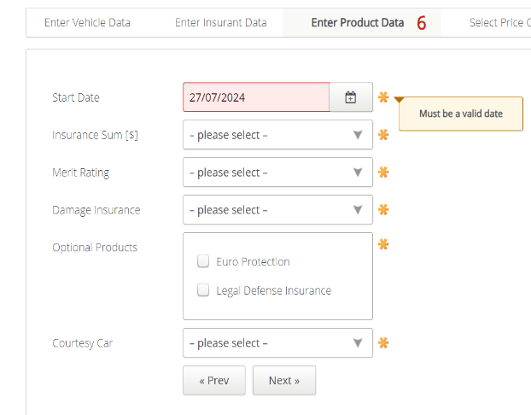 | 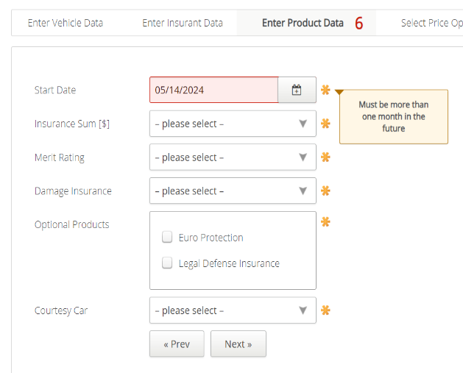 |  | 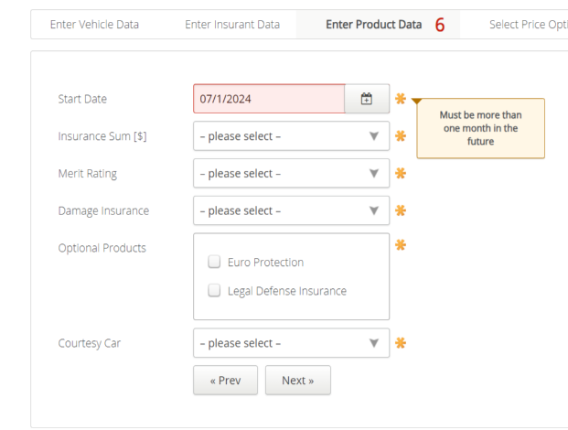 | 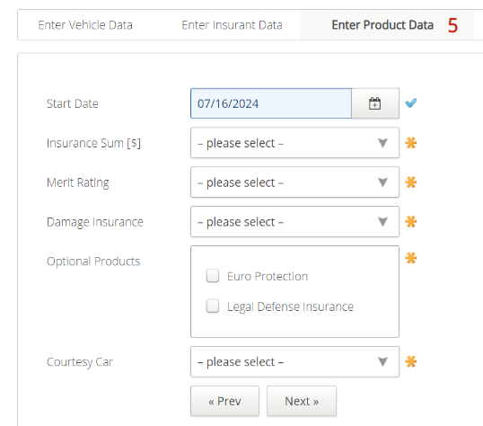 | 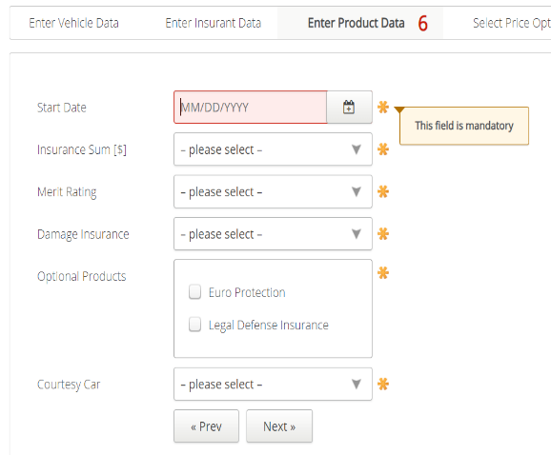 | 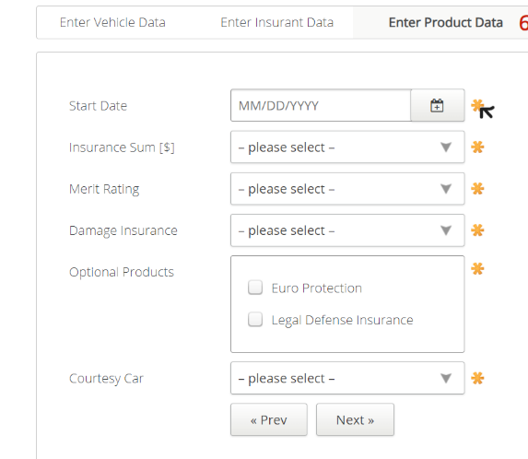 | 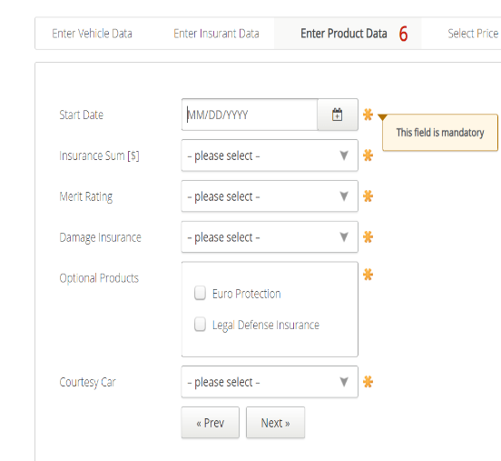
TC_003 | Insurance sum Field Validation | 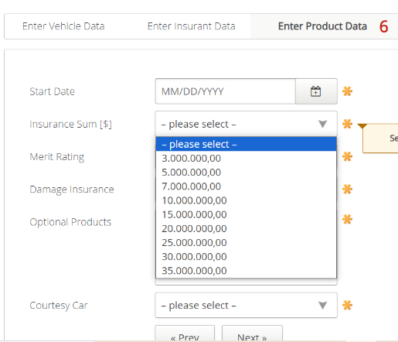 | 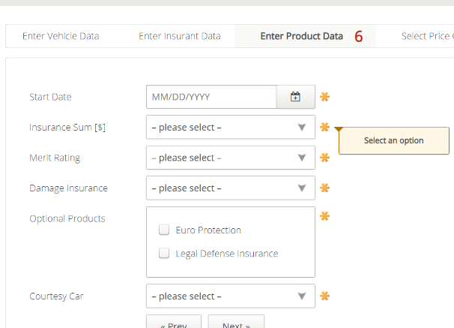 | 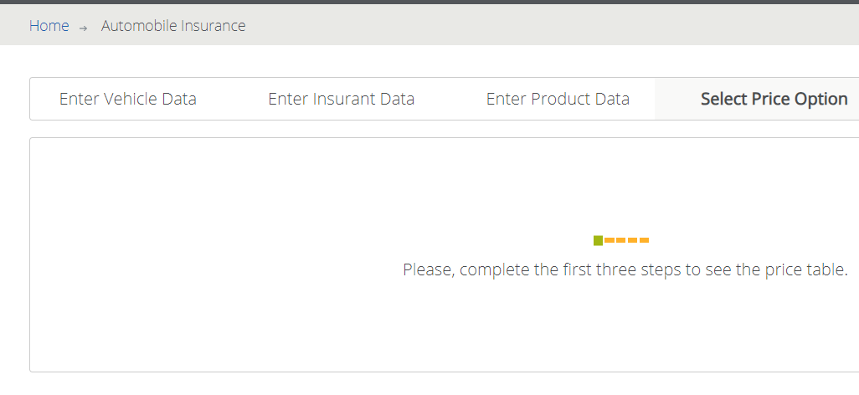
TC_004 | Merit Rate field Validation. | 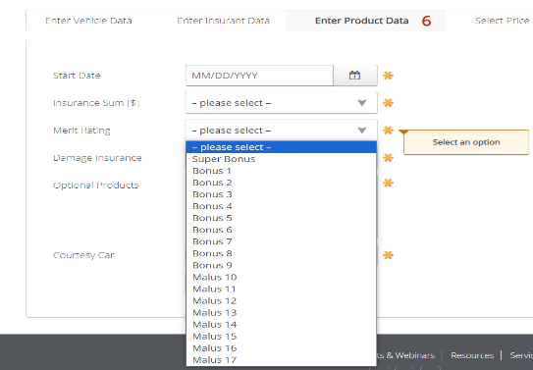 | 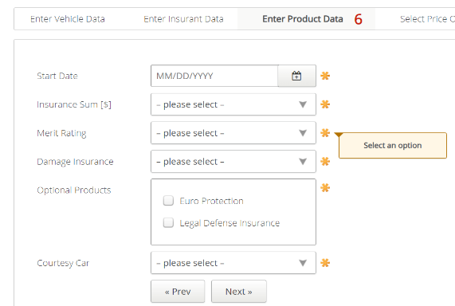
TC_005 | Damage Insurance Field Validation. | 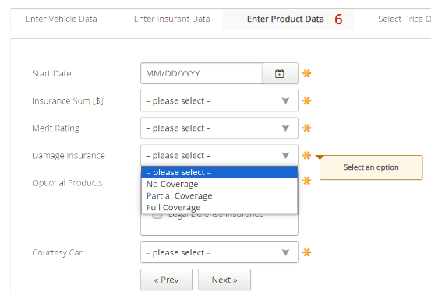 | 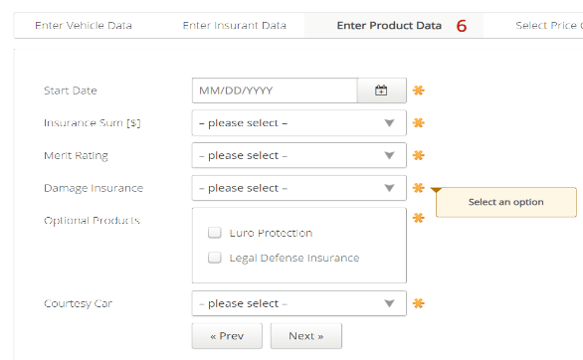
TC_006 | Optional Products Field Validation. | 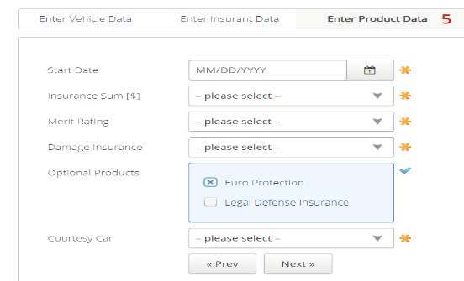 | 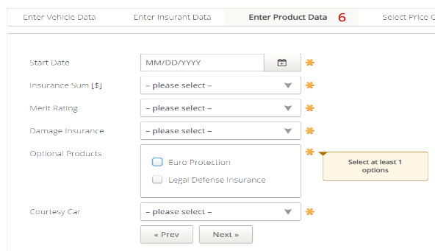
TC007 | Courtesy Car Field Validation | 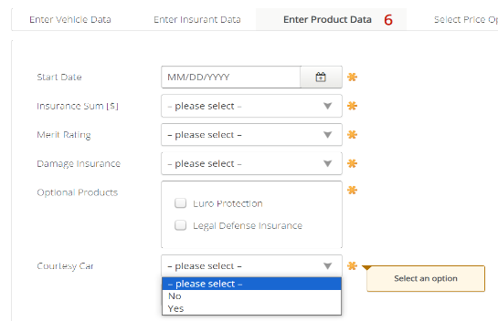 | 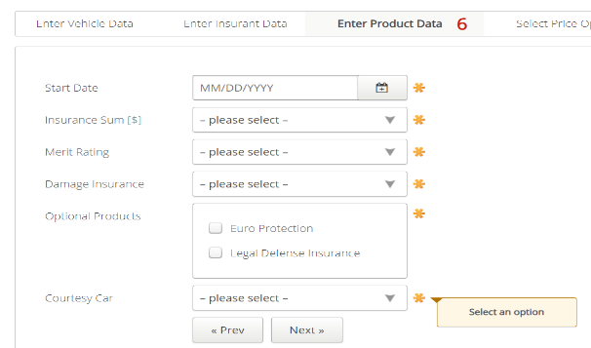
TC008 | Prev/Next Button Validation. | 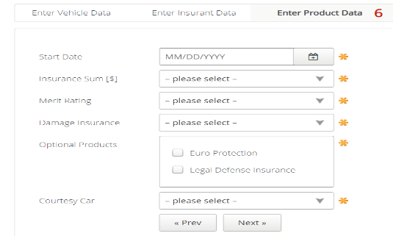 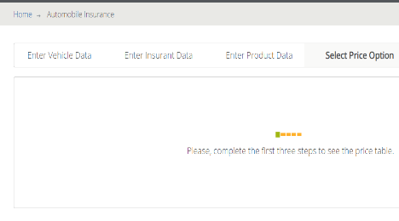
TC009 | Validate the Entered Details are Saved or not. | 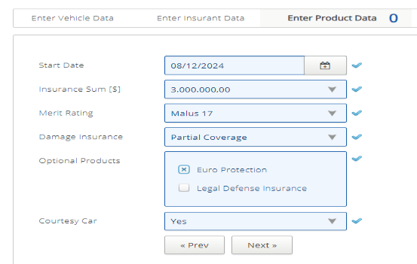 | 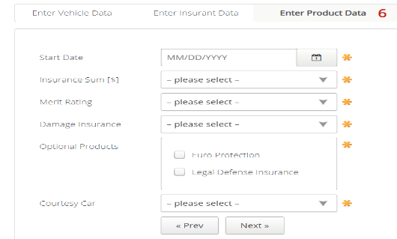
TC010 | Validate the changes of * sign | 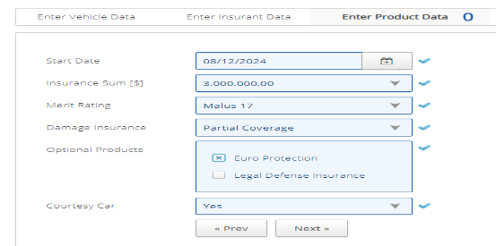
TC011 | Validate number of details entered in the navbar beside "Enter Product details" | 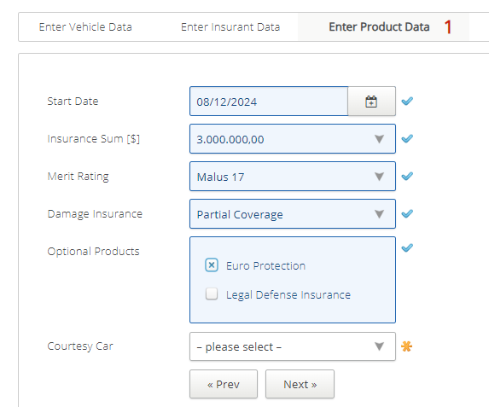

Defect_Snapshots
User Story-5 Ankita Govindsa Bakale
Defect number Test case ID Summary Snapshots
DC_01 | TC_002 | Check that on hovering * sign displayes a message "This field is mandatory" | 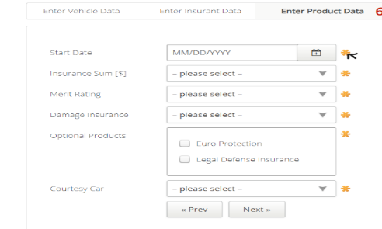
DC_02 | TC_003 | Check if amount can be added manually or not in "Insurance sum field. | 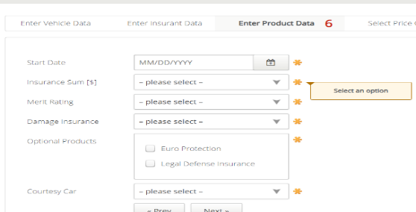
DC_03 | TC_004 | Check if Merit Rate can be added manually or not. | 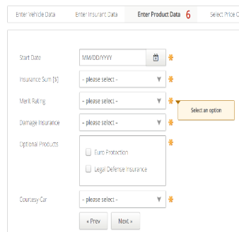
DC_04 | TC_005 | Check if Damage type can be added manually or not. | 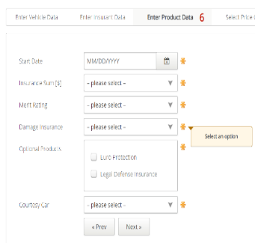
DC_05 | TC_005 | Check that user should be able to select both options. | 
DC_06 | TC_009 | Check that on Entering all the details and ckicking on Prev/Next button, the data entered must be saved. | 