Sheet1
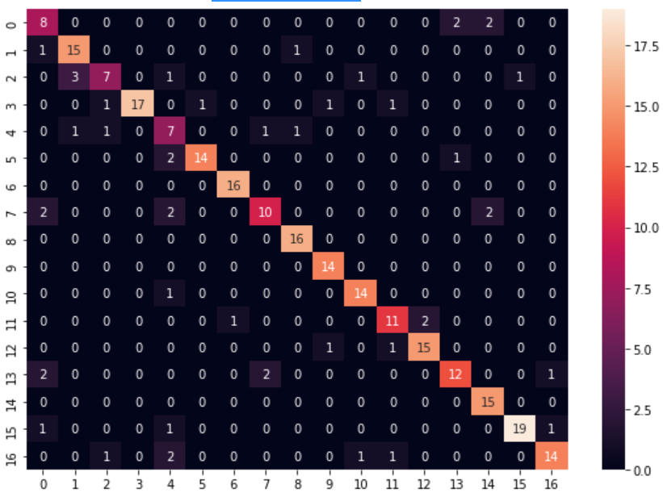
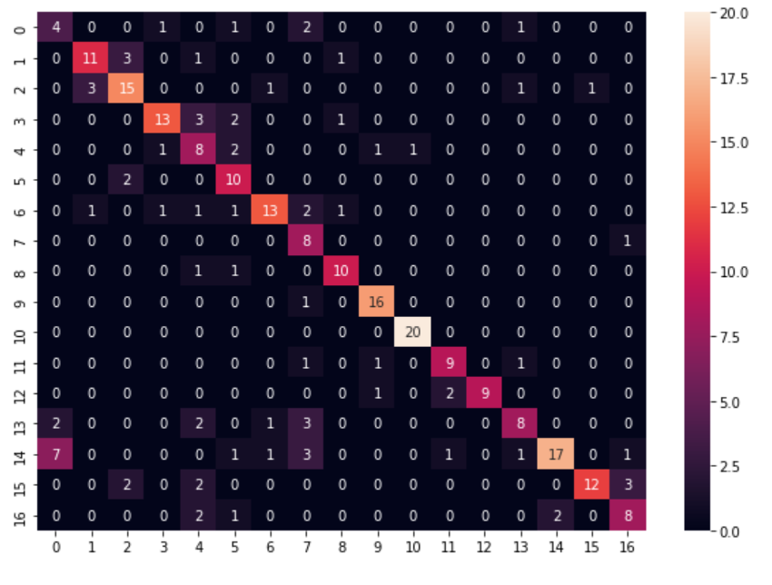
Link to the code : https://cutt.ly/6Tk7iep
Linnk to the ppt : https://cutt.ly/MTk5JMQ
Link to the results : https://cutt.ly/jTltzlb

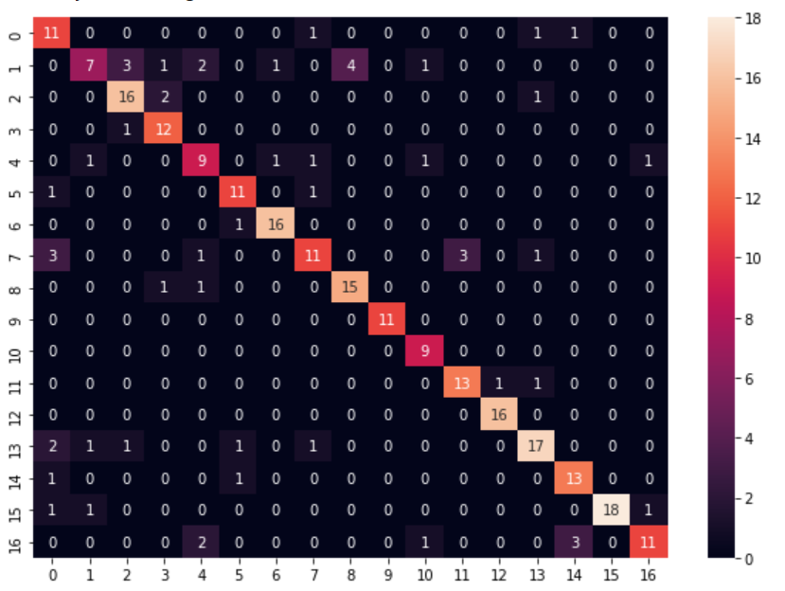
LOGISTIC REGRESSION - K = 5 FOLD
 |  |  |  |  | Class | Precision | Recall
FOLD 1 : |  |  |  |  | 0 | 0.7857142857 | 0.5789473684
 |  |  |  |  | 1 | 0.3684210526 | 0.7
 | Accuracy |  |  |  | 2 | 0.8421052632 | 0.7619047619
Model 0 | 79.044117647 |  |  |  | 3 | 0.9230769231 | 0.75
Model 1 | 71.323529412 |  |  |  | 4 | 0.6428571429 | 0.6
Model 2 | 66.911764706 |  |  |  | 5 | 0.8461538462 | 0.7857142857
Model 3 | 59.926470588 |  |  |  | 6 | 0.9411764706 | 0.8888888889
 |  |  |  |  | 7 | 0.5789473684 | 0.7333333333
Accuracy % : | 79.411764706 |  |  |  | 8 | 0.8823529412 | 0.7894736842
 |  |  |  |  | 9 | 1 | 1
 |  |  |  |  | 10 | 1 | 0.75
 |  |  |  |  | 11 | 0.8666666667 | 0.8125
 |  |  |  |  | 12 | 1 | 0.9411764706
 |  |  |  |  | 13 | 0.7391304348 | 0.8095238095
 |  |  |  |  | 14 | 0.8666666667 | 0.7647058824
 |  |  |  |  | 15 | 0.8571428571 | 1
 |  |  |  |  | 16 | 0.6470588235 | 0.8461538462
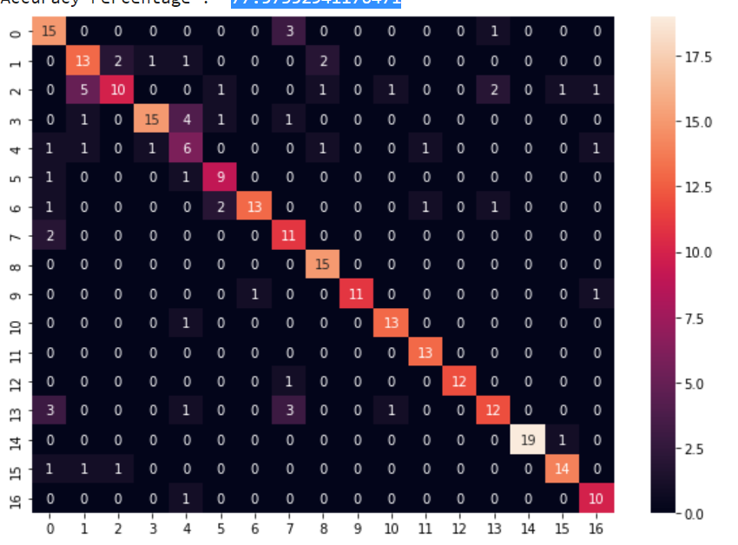
 |  |  |  |  | 0 | 0.7894736842 | 0.625
Fold 2 : |  |  |  |  | 1 | 0.6842105263 | 0.619047619
 |  |  |  |  | 2 | 0.4545454545 | 0.7692307692
 |  |  |  |  | 3 | 0.6818181818 | 0.8823529412
 | Accuracy |  |  |  | 4 | 0.5 | 0.4
Model 0 | 76.102941176 |  |  |  | 5 | 0.8181818182 | 0.6923076923
Model 1 | 73.897058824 |  |  |  | 6 | 0.7222222222 | 0.9285714286
Model 2 | 68.75 |  |  |  | 7 | 0.8461538462 | 0.5789473684
Model 3 | 60.294117647 |  |  |  | 8 | 1 | 0.7894736842
 |  |  |  |  | 9 | 0.8461538462 | 1
Accuracy % : | 77.573529412 |  |  |  | 10 | 0.9285714286 | 0.8666666667
 |  |  |  |  | 11 | 1 | 0.8666666667
 |  |  |  |  | 12 | 0.9230769231 | 1
 |  |  |  |  | 13 | 0.6 | 0.75
 |  |  |  |  | 14 | 0.95 | 1
 |  |  |  |  | 15 | 0.8235294118 | 0.875
 |  |  |  |  | 16 | 0.9090909091 | 0.7692307692
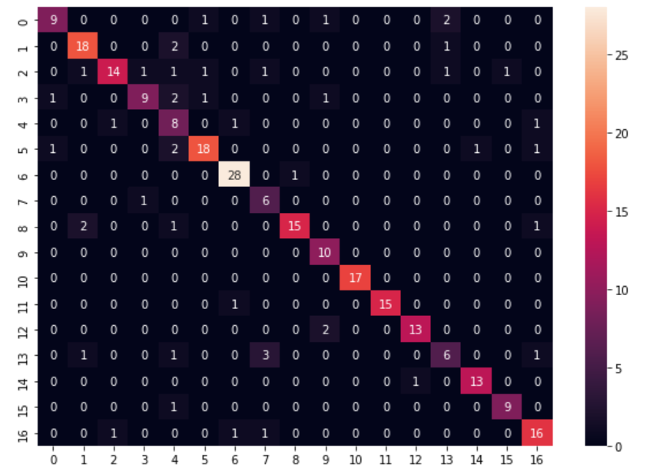
 |  |  |  |  | 0 | 0.6428571429 | 0.8181818182
Fold 3 : |  |  |  |  | 1 | 0.8571428571 | 0.8181818182
 |  |  |  |  | 2 | 0.6666666667 | 0.875
 | Accuracy |  |  |  | 3 | 0.6428571429 | 0.8181818182
Model 0 | 82.352941176 |  |  |  | 4 | 0.7272727273 | 0.4444444444
Model 1 | 71.691176471 |  |  |  | 5 | 0.7826086957 | 0.8571428571
Model 2 | 69.485294118 |  |  |  | 6 | 0.9655172414 | 0.9032258065
Model 3 | 58.823529412 |  |  |  | 7 | 0.8571428571 | 0.5
 |  |  |  |  | 8 | 0.7894736842 | 0.9375
Accuracy % : | 82.352941176 |  |  |  | 9 | 1 | 0.7142857143
 |  |  |  |  | 10 | 1 | 1
 |  |  |  |  | 11 | 0.9375 | 1
 |  |  |  |  | 12 | 0.8666666667 | 0.9285714286
 |  |  |  |  | 13 | 0.5 | 0.6
 |  |  |  |  | 14 | 0.9285714286 | 0.9285714286
 |  |  |  |  | 15 | 0.9 | 0.9
 |  |  |  |  | 16 | 0.8421052632 | 0.8
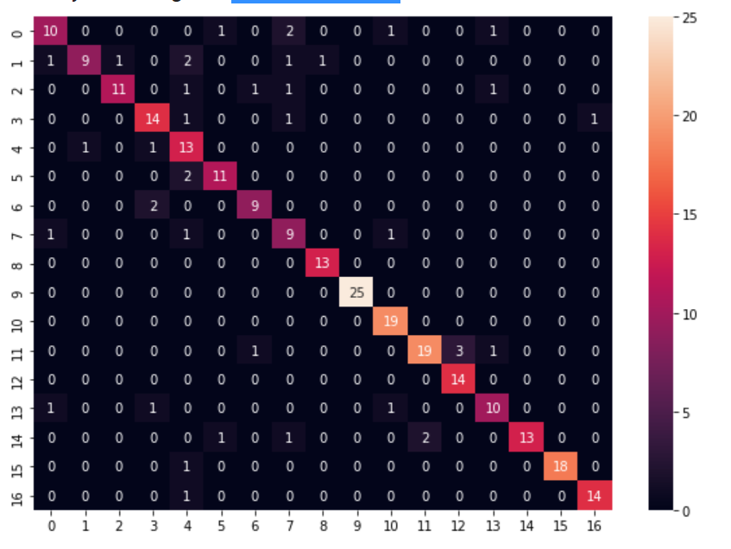
Fold 4 : |  |  |  |  | 0 | 0.6666666667 | 0.7692307692
 |  |  |  |  | 1 | 0.6 | 0.9
 | Accuracy |  |  |  | 2 | 0.7333333333 | 0.9166666667
Model 0 | 86.397058824 |  |  |  | 3 | 0.8235294118 | 0.7777777778
Model 1 | 74.264705882 |  |  |  | 4 | 0.8666666667 | 0.5909090909
Model 2 | 72.058823529 |  |  |  | 5 | 0.8461538462 | 0.8461538462
Model 3 | 61.764705882 |  |  |  | 6 | 0.8181818182 | 0.8181818182
 |  |  |  |  | 7 | 0.75 | 0.6
Accuracy % : | 84.926470588 |  |  |  | 8 | 1 | 0.9285714286
 |  |  |  |  | 9 | 1 | 1
 |  |  |  |  | 10 | 1 | 0.8636363636
 |  |  |  |  | 11 | 0.7916666667 | 0.9047619048
 |  |  |  |  | 12 | 1 | 0.8235294118
 |  |  |  |  | 13 | 0.7692307692 | 0.7692307692
 |  |  |  |  | 14 | 0.7647058824 | 1
 |  |  |  |  | 15 | 0.9473684211 | 1
 |  |  |  |  | 16 | 0.9333333333 | 0.9333333333

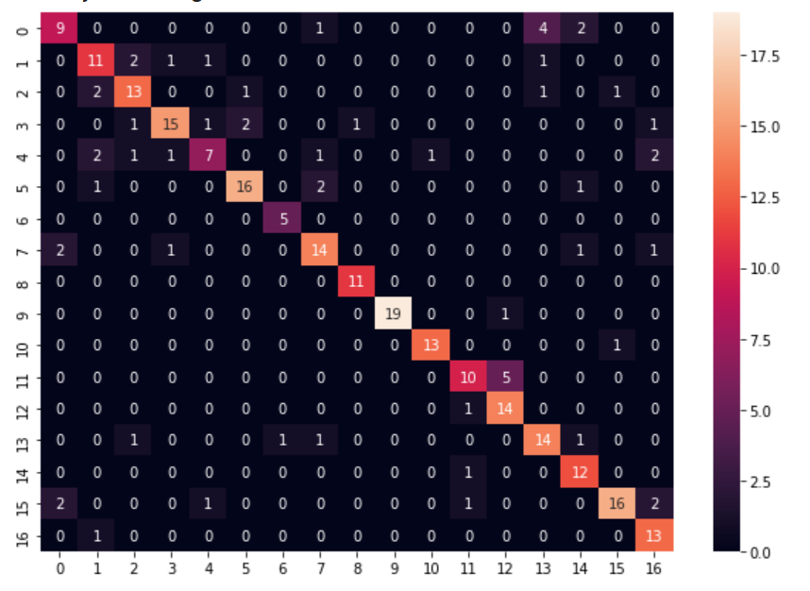
Fold 5 :
 |  |  |  |  | 0 | 0.5625 | 0.6923076923
 | Accuracy |  |  |  | 1 | 0.6875 | 0.6470588235
Model 0 | 74.264705882 |  |  |  | 2 | 0.7222222222 | 0.7222222222
Model 1 | 75 |  |  |  | 3 | 0.7142857143 | 0.8333333333
Model 2 | 66.176470588 |  |  |  | 4 | 0.4666666667 | 0.7
Model 3 | 61.764705882 |  |  |  | 5 | 0.8 | 0.8421052632
 |  |  |  |  | 6 | 1 | 0.8333333333
Accuracy % : | 77.941176471 |  |  |  | 7 | 0.7368421053 | 0.7368421053
 |  |  |  |  | 8 | 1 | 0.9166666667
 |  |  |  |  | 9 | 0.95 | 1
 |  |  |  |  | 10 | 0.9285714286 | 0.9285714286
 |  |  |  |  | 11 | 0.6666666667 | 0.7692307692
 |  |  |  |  | 12 | 0.9333333333 | 0.7
 |  |  |  |  | 13 | 0.7777777778 | 0.7
 |  |  |  |  | 14 | 0.9230769231 | 0.7058823529
Average Accuracy | 80.441176471 |  |  |  | 15 | 0.7272727273 | 0.8888888889
 |  |  |  |  | 16 | 0.9285714286 | 0.6842105263

Single Layer Perceptron
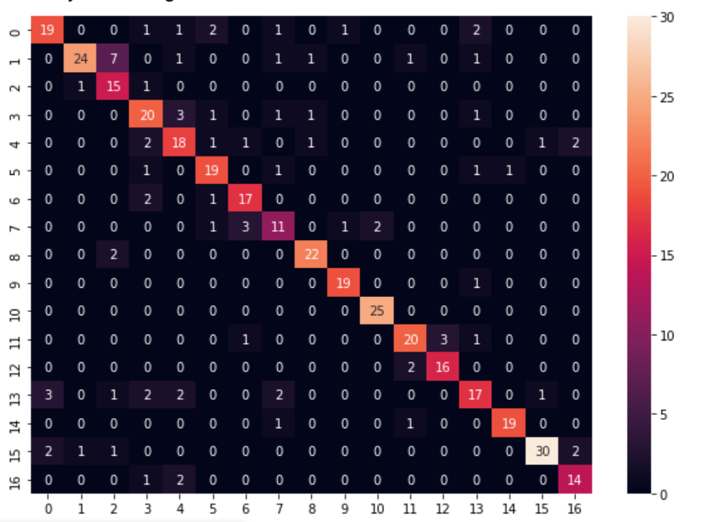
Without K-fold |  |  |  |  | 0 | 0.7037037037 | 0.7916666667
 |  |  |  |  | 1 | 0.6666666667 | 0.9230769231
 | Accuracy |  |  |  | 2 | 0.8823529412 | 0.5769230769
Model 0 | 79.411764706 |  |  |  | 3 | 0.7407407407 | 0.6666666667
Model 1 | 71.81372549 |  |  |  | 4 | 0.6923076923 | 0.6666666667
Model 2 | 62.745098039 |  |  |  | 5 | 0.8260869565 | 0.76
Model 3 | 57.352941176 |  |  |  | 6 | 0.85 | 0.7727272727
 |  |  |  |  | 7 | 0.6111111111 | 0.6111111111
Accuracy % : | 79.656862745 |  |  |  | 8 | 0.9166666667 | 0.88
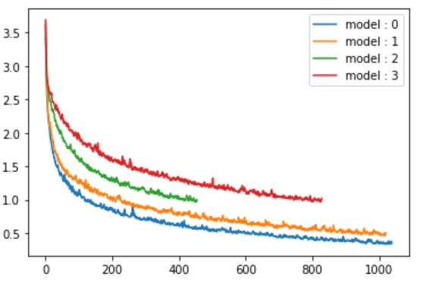
 |  |  |  |  | 9 | 0.95 | 0.9047619048
 |  |  |  |  | 10 | 1 | 0.9259259259
 |  |  |  |  | 11 | 0.8 | 0.8333333333
 |  |  |  |  | 12 | 0.8888888889 | 0.8421052632
 |  |  |  |  | 13 | 0.6071428571 | 0.7083333333
 |  |  |  |  | 14 | 0.9047619048 | 0.95
 |  |  |  |  | 15 | 0.8333333333 | 0.9375
 |  |  |  |  | 16 | 0.8235294118 | 0.7777777778

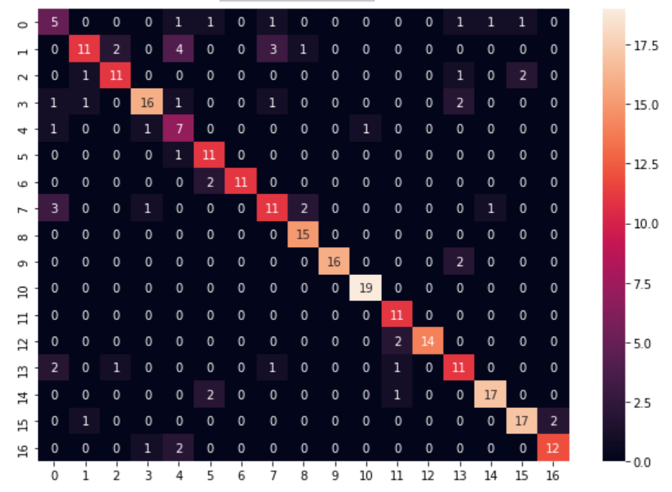
With k-fold

Fold 1 |  |  |  |  | 0 | 0.4545454545 | 0.4166666667
 | Accuracy |  |  |  | 1 | 0.5238095238 | 0.7857142857
Model 0 | 74.632352941 |  |  |  | 2 | 0.7333333333 | 0.7857142857
Model 1 | 75.735294118 |  |  |  | 3 | 0.7272727273 | 0.8421052632
Model 2 | 58.455882353 |  |  |  | 4 | 0.7 | 0.4375
Model 3 | 56.985294118 |  |  |  | 5 | 0.9166666667 | 0.6875
 |  |  |  |  | 6 | 0.8461538462 | 1
Accuracy % : | 79.044117647 |  |  |  | 7 | 0.6111111111 | 0.6470588235
 |  |  |  |  | 8 | 1 | 0.8333333333
 |  |  |  |  | 9 | 0.8888888889 | 1
 |  |  |  |  | 10 | 1 | 0.95
 |  |  |  |  | 11 | 1 | 0.7333333333
 |  |  |  |  | 12 | 0.875 | 1
 |  |  |  |  | 13 | 0.6875 | 0.6470588235
 |  |  |  |  | 14 | 0.85 | 0.8947368421
 |  |  |  |  | 15 | 0.85 | 0.85
 |  |  |  |  | 16 | 0.8 | 0.8571428571
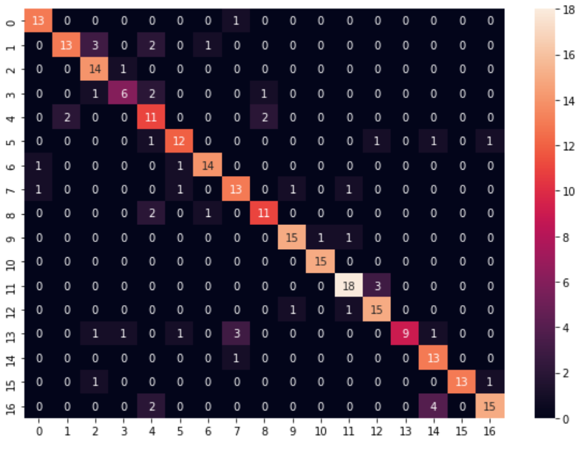
Fold 2 |  |  |  |  | 0 | 0.9285714286 | 0.8666666667
 | Accuracy |  |  |  | 1 | 0.6842105263 | 0.8666666667
Model 0 | 78.676470588 |  |  |  | 2 | 0.9333333333 | 0.7
Model 1 | 73.161764706 |  |  |  | 3 | 0.6 | 0.75
Model 2 | 65.441176471 |  |  |  | 4 | 0.7333333333 | 0.55
Model 3 | 67.279411765 |  |  |  | 5 | 0.75 | 0.8
 |  |  |  |  | 6 | 0.875 | 0.875
Accuracy % : | 80.882352941 |  |  |  | 7 | 0.7647058824 | 0.7222222222
 |  |  |  |  | 8 | 0.7857142857 | 0.7857142857
 |  |  |  |  | 9 | 0.8823529412 | 0.8823529412
 |  |  |  |  | 10 | 1 | 0.9375
 |  |  |  |  | 11 | 0.8571428571 | 0.8571428571
 |  |  |  |  | 12 | 0.8823529412 | 0.7894736842
 |  |  |  |  | 13 | 0.5625 | 1
 |  |  |  |  | 14 | 0.9285714286 | 0.6842105263
 |  |  |  |  | 15 | 0.8666666667 | 1
 |  |  |  |  | 16 | 0.7142857143 | 0.8823529412
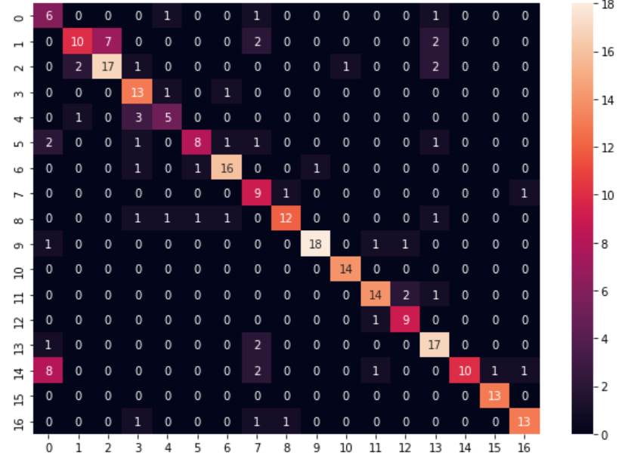
Fold 3
 |  |  |  |  | 0 | 0.6666666667 | 0.3333333333
 | Accuracy |  |  |  | 1 | 0.4761904762 | 0.7692307692
Model 0 | 72.058823529 |  |  |  | 2 | 0.7391304348 | 0.7083333333
Model 1 | 66.544117647 |  |  |  | 3 | 0.8666666667 | 0.619047619
Model 2 | 68.382352941 |  |  |  | 4 | 0.5555555556 | 0.625
Model 3 | 57.352941176 |  |  |  | 5 | 0.5714285714 | 0.8
 |  |  |  |  | 6 | 0.8421052632 | 0.8421052632
Accuracy % : | 75 |  |  |  | 7 | 0.8181818182 | 0.5
 |  |  |  |  | 8 | 0.7058823529 | 0.8571428571
 |  |  |  |  | 9 | 0.8571428571 | 0.9473684211
 |  |  |  |  | 10 | 1 | 0.9333333333
 |  |  |  |  | 11 | 0.8235294118 | 0.8235294118
 |  |  |  |  | 12 | 0.9 | 0.75
 |  |  |  |  | 13 | 0.85 | 0.68
 |  |  |  |  | 14 | 0.4347826087 | 1
 |  |  |  |  | 15 | 1 | 0.9285714286
 |  |  |  |  | 16 | 0.8125 | 0.8666666667

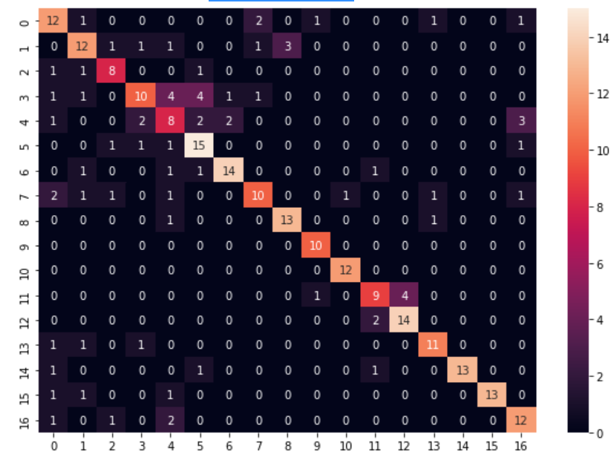
Fold 4
 |  |  |  |  | 0 | 0.6666666667 | 0.5714285714
 | Accuracy |  |  |  | 1 | 0.6315789474 | 0.6315789474
Model 0 | 74.264705882 |  |  |  | 2 | 0.7272727273 | 0.6666666667
Model 1 | 62.132352941 |  |  |  | 3 | 0.4545454545 | 0.6666666667
Model 2 | 62.5 |  |  |  | 4 | 0.4444444444 | 0.4
Model 3 | 47.426470588 |  |  |  | 5 | 0.7894736842 | 0.625
 |  |  |  |  | 6 | 0.7777777778 | 0.8235294118
Accuracy % : | 72.058823529 |  |  |  | 7 | 0.5555555556 | 0.7142857143
 |  |  |  |  | 8 | 0.8666666667 | 0.8125
 |  |  |  |  | 9 | 1 | 0.8333333333
 |  |  |  |  | 10 | 1 | 0.9230769231
 |  |  |  |  | 11 | 0.6428571429 | 0.6923076923
 |  |  |  |  | 12 | 0.875 | 0.7777777778
 |  |  |  |  | 13 | 0.7857142857 | 0.7857142857
 |  |  |  |  | 14 | 0.8125 | 1
 |  |  |  |  | 15 | 0.8125 | 1
 |  |  |  |  | 16 | 0.75 | 0.6666666667

Fold 5 :
 |  |  |  |  | 0 | 0.6666666667 | 0.5714285714
 |  |  |  |  | 1 | 0.8823529412 | 0.7894736842
 | Accuracy |  |  |  | 2 | 0.5384615385 | 0.7
Model 0 | 81.617647059 |  |  |  | 3 | 0.8095238095 | 1
Model 1 | 70.220588235 |  |  |  | 4 | 0.6363636364 | 0.4375
Model 2 | 71.691176471 |  |  |  | 5 | 0.8235294118 | 0.9333333333
Model 3 | 65.808823529 |  |  |  | 6 | 1 | 0.9411764706
 |  |  |  |  | 7 | 0.625 | 0.7692307692
Accuracy % : | 82.352941176 |  |  |  | 8 | 1 | 0.8888888889
 |  |  |  |  | 9 | 1 | 0.875
 |  |  |  |  | 10 | 0.9333333333 | 0.875
 |  |  |  |  | 11 | 0.7857142857 | 0.7857142857
 |  |  |  |  | 12 | 0.8823529412 | 0.8823529412
 |  |  |  |  | 13 | 0.7058823529 | 0.8
 |  |  |  |  | 14 | 1 | 0.7894736842
 |  |  |  |  | 15 | 0.8636363636 | 0.95
 |  |  |  |  | 16 | 0.7368421053 | 0.875

Average Accuracy : 77.86764705882354

Perceptron Learning Algorithm

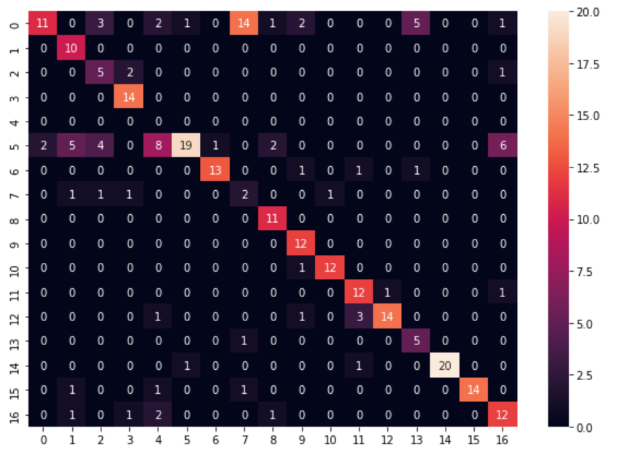
Fold 1
 |  |  |  |  | 0 | 0.275 | 0.8461538462
 | Accuracy |  |  |  | 1 | 1 | 0.5555555556
Model 0 | 59.558823529 |  |  |  | 2 | 0.625 | 0.3846153846
Model 1 | 56.985294118 |  |  |  | 3 | 1 | 0.7777777778
Model 2 | 66.176470588 |  |  |  | 4 |  | 0
Model 3 | 47.426470588 |  |  |  | 5 | 0.4042553191 | 0.9047619048
 |  |  |  |  | 6 | 0.8125 | 0.9285714286
Accuracy % : | 68.382352941 |  |  |  | 7 | 0.3333333333 | 0.1111111111
 |  |  |  |  | 8 | 1 | 0.7333333333
 |  |  |  |  | 9 | 1 | 0.7058823529
 |  |  |  |  | 10 | 0.9230769231 | 0.9230769231
 |  |  |  |  | 11 | 0.8571428571 | 0.7058823529
 |  |  |  |  | 12 | 0.7368421053 | 0.9333333333
 |  |  |  |  | 13 | 0.8333333333 | 0.4545454545
 |  |  |  |  | 14 | 0.9090909091 | 1
 |  |  |  |  | 15 | 0.8235294118 | 1
 |  |  |  |  | 16 | 0.7058823529 | 0.5714285714

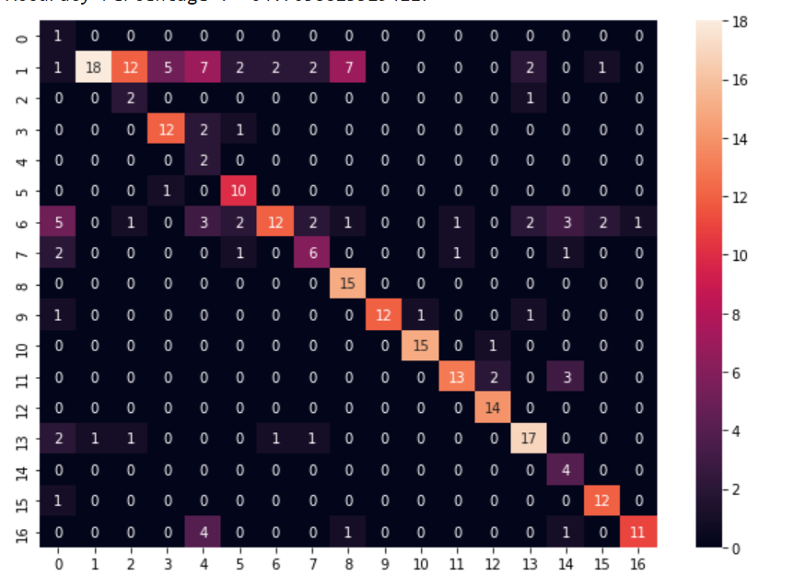
 |  |  |  |  | 0 | 1 | 0.07692307692
Fold 2 |  |  |  |  | 1 | 0.3050847458 | 0.9473684211
 |  |  |  |  | 2 | 0.6666666667 | 0.125
 | Accuracy |  |  |  | 3 | 0.8 | 0.6666666667
Model 0 | 64.338235294 |  |  |  | 4 | 1 | 0.1111111111
Model 1 | 51.102941176 |  |  |  | 5 | 0.9090909091 | 0.625
Model 2 | 60.294117647 |  |  |  | 6 | 0.3428571429 | 0.8
Model 3 | 19.852941176 |  |  |  | 7 | 0.5454545455 | 0.5454545455
 |  |  |  |  | 8 | 1 | 0.625
Accuracy % : | 64.705882353 |  |  |  | 9 | 0.8 | 1
 |  |  |  |  | 10 | 0.9375 | 0.9375
 |  |  |  |  | 11 | 0.7222222222 | 0.8666666667
 |  |  |  |  | 12 | 1 | 0.8235294118
 |  |  |  |  | 13 | 0.7391304348 | 0.7391304348
 |  |  |  |  | 14 | 1 | 0.3333333333
 |  |  |  |  | 15 | 0.9230769231 | 0.8
 |  |  |  |  | 16 | 0.6470588235 | 0.9166666667

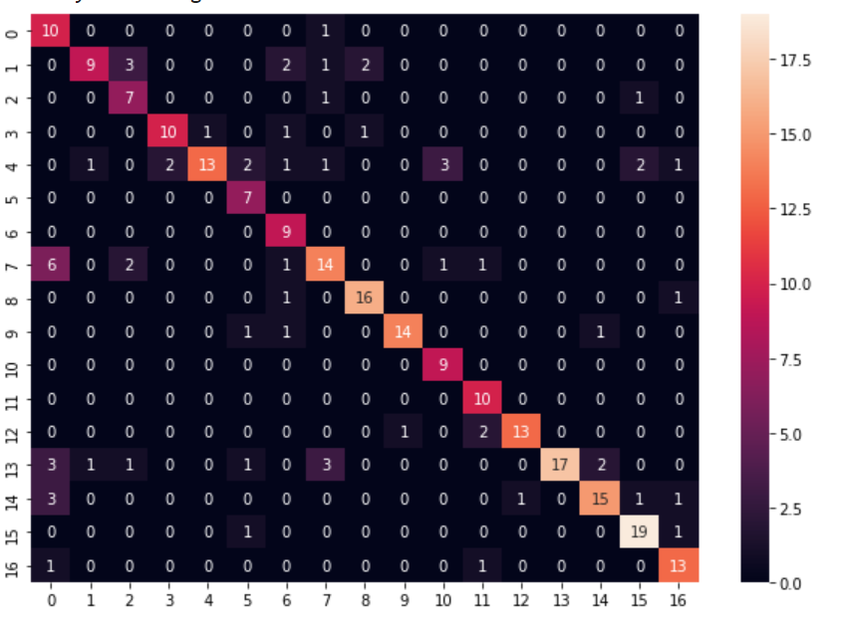
Fold 3 |  |  |  |  | 0 | 0.9090909091 | 0.4347826087
 |  |  |  |  | 1 | 0.5294117647 | 0.8181818182
 | Accuracy |  |  |  | 2 | 0.7777777778 | 0.5384615385
Model 0 | 75 |  |  |  | 3 | 0.7692307692 | 0.8333333333
Model 1 | 72.426470588 |  |  |  | 4 | 0.5 | 0.9285714286
Model 2 | 61.397058824 |  |  |  | 5 | 1 | 0.5833333333
Model 3 | 26.838235294 |  |  |  | 6 | 1 | 0.5625
 |  |  |  |  | 7 | 0.56 | 0.6666666667
Accuracy % : | 75.367647059 |  |  |  | 8 | 0.8888888889 | 0.8421052632
 |  |  |  |  | 9 | 0.8235294118 | 0.9333333333
 |  |  |  |  | 10 | 1 | 0.6923076923
 |  |  |  |  | 11 | 1 | 0.7142857143
 |  |  |  |  | 12 | 0.8125 | 0.9285714286
 |  |  |  |  | 13 | 0.6071428571 | 1
 |  |  |  |  | 14 | 0.7142857143 | 0.8333333333
 |  |  |  |  | 15 | 0.9047619048 | 0.8260869565
 |  |  |  |  | 16 | 0.8666666667 | 0.7647058824

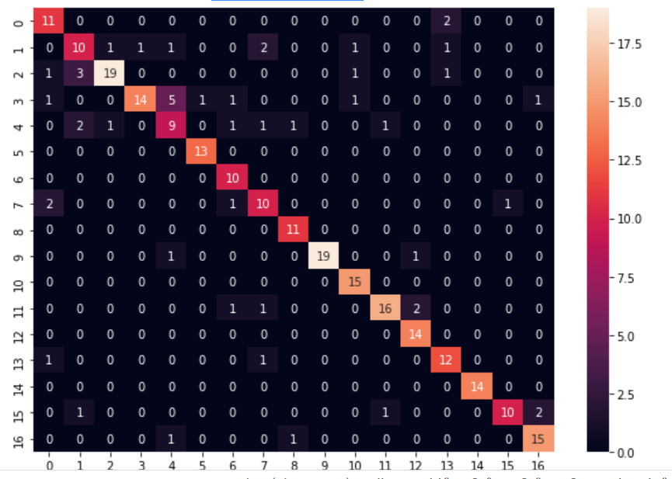
 |  |  |  |  | 0 | 0.8461538462 | 0.6875
 |  |  |  |  | 1 | 0.5882352941 | 0.625
Fold 4 |  |  |  |  | 2 | 0.76 | 0.9047619048
 |  |  |  |  | 3 | 0.5833333333 | 0.9333333333
 | Accuracy |  |  |  | 4 | 0.5625 | 0.5294117647
Model 0 | 76.838235294 |  |  |  | 5 | 1 | 0.9285714286
Model 1 | 61.764705882 |  |  |  | 6 | 1 | 0.7142857143
Model 2 | 61.397058824 |  |  |  | 7 | 0.7142857143 | 0.6666666667
Model 3 | 39.705882353 |  |  |  | 8 | 1 | 0.8461538462
 |  |  |  |  | 9 | 0.9047619048 | 1
Accuracy % : | 81.617647059 |  |  |  | 10 | 1 | 0.8333333333
 |  |  |  |  | 11 | 0.8 | 0.8888888889
 |  |  |  |  | 12 | 1 | 0.8235294118
 |  |  |  |  | 13 | 0.8571428571 | 0.75
 |  |  |  |  | 14 | 1 | 1
 |  |  |  |  | 15 | 0.7142857143 | 0.9090909091
 |  |  |  |  | 16 | 0.8823529412 | 0.8333333333

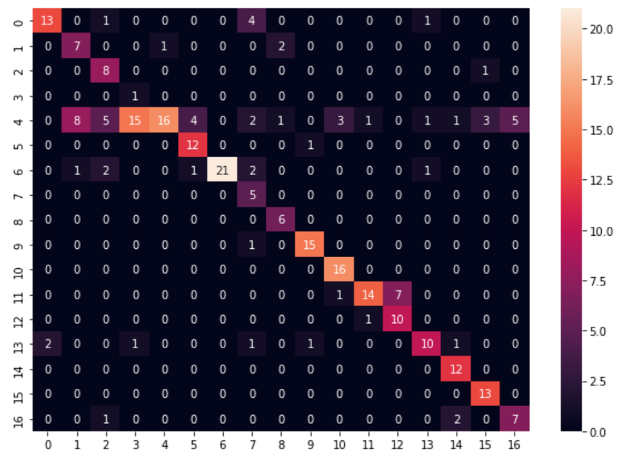
 |  |  |  |  | 0 | 0.6842105263 | 0.8666666667
 |  |  |  |  | 1 | 0.7 | 0.4375
Fold 5 |  |  |  |  | 2 | 0.8888888889 | 0.4705882353
 |  |  |  |  | 3 | 1 | 0.05882352941
 | Accuracy |  |  |  | 4 | 0.2461538462 | 0.9411764706
Model 0 | 66.176470588 |  |  |  | 5 | 0.9230769231 | 0.7058823529
Model 1 | 55.147058824 |  |  |  | 6 | 0.75 | 1
Model 2 | 63.970588235 |  |  |  | 7 | 1 | 0.3333333333
Model 3 | 43.382352941 |  |  |  | 8 | 1 | 0.6666666667
 |  |  |  |  | 9 | 0.9375 | 0.8823529412
Accuracy % : | 68.382352941 |  |  |  | 10 | 1 | 0.8
 |  |  |  |  | 11 | 0.6363636364 | 0.875
 |  |  |  |  | 12 | 0.9090909091 | 0.5882352941
 |  |  |  |  | 13 | 0.625 | 0.7692307692
 |  |  |  |  | 14 | 1 | 0.75
 |  |  |  |  | 15 | 1 | 0.7647058824
 |  |  |  |  | 16 | 0.7 | 0.5833333333

Average Accuracy : 71.69117647058823

Multilayer Perceptron [ MLP ] |  |  | Hidden Layers : 1 | Hidden Neurons : 2000

Fold 1
 |  |  |  |  | 0 | 0.4444444444 | 0.3076923077
 | Accuracy |  |  |  | 1 | 0.6875 | 0.7333333333
Model 0 | 66.911764706 |  |  |  | 2 | 0.7142857143 | 0.6818181818
Model 1 | 59.926470588 |  |  |  | 3 | 0.6842105263 | 0.8125
Model 2 | 66.544117647 |  |  |  | 4 | 0.6153846154 | 0.4
Model 3 | 52.573529412 |  |  |  | 5 | 0.8333333333 | 0.5263157895
 |  |  |  |  | 6 | 0.65 | 0.8125
Accuracy % : | 70.220588235 |  |  |  | 7 | 0.8888888889 | 0.4
 |  |  |  |  | 8 | 0.8333333333 | 0.7692307692
 |  |  |  |  | 9 | 0.9411764706 | 0.8421052632
 |  |  |  |  | 10 | 1 | 0.9523809524
 |  |  |  |  | 11 | 0.75 | 0.75
 |  |  |  |  | 12 | 0.75 | 1
 |  |  |  |  | 13 | 0.5 | 0.6666666667
 |  |  |  |  | 14 | 0.53125 | 0.8947368421
 |  |  |  |  | 15 | 0.6315789474 | 0.9230769231
 |  |  |  |  | 16 | 0.6153846154 | 0.6153846154
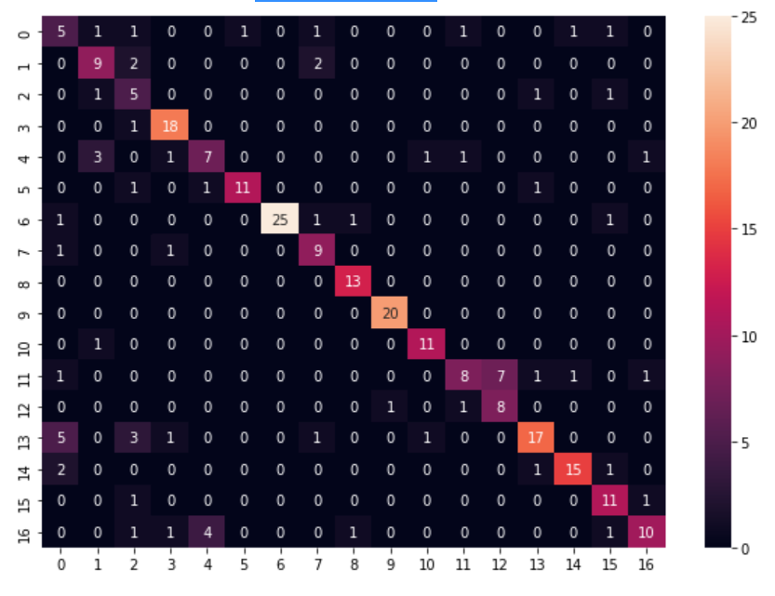
 |  |  |  |  | 0 | 0.4166666667 | 0.3333333333
Fold 2 |  |  |  |  | 1 | 0.6923076923 | 0.6
 |  |  |  |  | 2 | 0.625 | 0.3333333333
 | Accuracy |  |  |  | 3 | 0.9473684211 | 0.8181818182
Model 0 | 72.794117647 |  |  |  | 4 | 0.5 | 0.5833333333
Model 1 | 65.073529412 |  |  |  | 5 | 0.7857142857 | 0.9166666667
Model 2 | 55.147058824 |  |  |  | 6 | 0.8620689655 | 1
Model 3 | 48.161764706 |  |  |  | 7 | 0.8181818182 | 0.6428571429
 |  |  |  |  | 8 | 1 | 0.8666666667
Accuracy % : | 74.264705882 |  |  |  | 9 | 1 | 0.9523809524
 |  |  |  |  | 10 | 0.9166666667 | 0.8461538462
 |  |  |  |  | 11 | 0.4210526316 | 0.7272727273
 |  |  |  |  | 12 | 0.8 | 0.5333333333
 |  |  |  |  | 13 | 0.6071428571 | 0.8095238095
 |  |  |  |  | 14 | 0.7894736842 | 0.8823529412
 |  |  |  |  | 15 | 0.8461538462 | 0.6875
 |  |  |  |  | 16 | 0.5555555556 | 0.7692307692

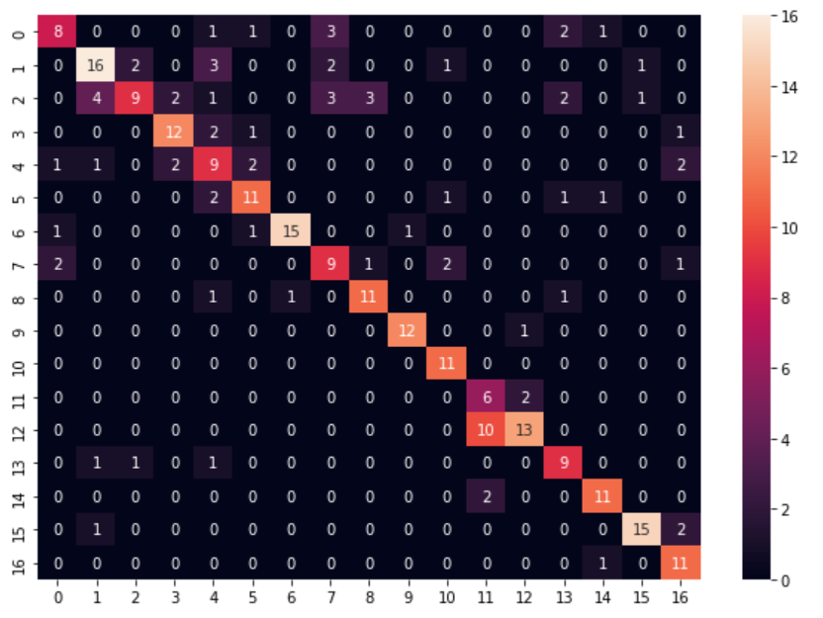
Fold 3
 |  |  |  |  | 0 | 0.5 | 0.6666666667
 | Accuracy |  |  |  | 1 | 0.64 | 0.6956521739
Model 0 | 67.647058824 |  |  |  | 2 | 0.36 | 0.75
Model 1 | 60.661764706 |  |  |  | 3 | 0.75 | 0.75
Model 2 | 48.161764706 |  |  |  | 4 | 0.5294117647 | 0.45
Model 3 | 47.794117647 |  |  |  | 5 | 0.6875 | 0.6875
 |  |  |  |  | 6 | 0.8333333333 | 0.9375
Accuracy % : | 69.117647059 |  |  |  | 7 | 0.6 | 0.5294117647
 |  |  |  |  | 8 | 0.7857142857 | 0.7333333333
 |  |  |  |  | 9 | 0.9230769231 | 0.9230769231
 |  |  |  |  | 10 | 1 | 0.7333333333
 |  |  |  |  | 11 | 0.75 | 0.3333333333
 |  |  |  |  | 12 | 0.5652173913 | 0.8125
 |  |  |  |  | 13 | 0.75 | 0.6
 |  |  |  |  | 14 | 0.8461538462 | 0.7857142857
 |  |  |  |  | 15 | 0.8333333333 | 0.8823529412
 |  |  |  |  | 16 | 0.9166666667 | 0.6470588235
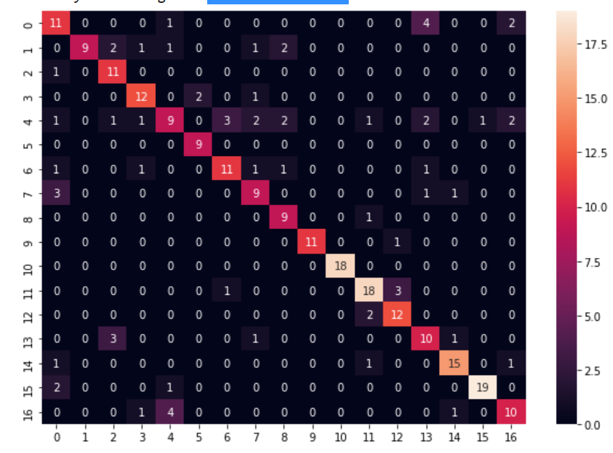

Fold 4 |  |  |  |  | 0 | 0.6111111111 | 0.55
 |  |  |  |  | 1 | 0.5625 | 1
 | Accuracy |  |  |  | 2 | 0.9166666667 | 0.6470588235
Model 0 | 74.264705882 |  |  |  | 3 | 0.8 | 0.75
Model 1 | 61.397058824 |  |  |  | 4 | 0.36 | 0.5625
Model 2 | 61.397058824 |  |  |  | 5 | 1 | 0.8181818182
Model 3 | 50.367647059 |  |  |  | 6 | 0.6875 | 0.7333333333
 |  |  |  |  | 7 | 0.6428571429 | 0.6
Accuracy % : | 74.632352941 |  |  |  | 8 | 0.9 | 0.6428571429
 |  |  |  |  | 9 | 0.9166666667 | 1
 |  |  |  |  | 10 | 1 | 1
 |  |  |  |  | 11 | 0.8181818182 | 0.7826086957
 |  |  |  |  | 12 | 0.8571428571 | 0.75
 |  |  |  |  | 13 | 0.6666666667 | 0.5555555556
 |  |  |  |  | 14 | 0.8333333333 | 0.8333333333
 |  |  |  |  | 15 | 0.8636363636 | 0.95
 |  |  |  |  | 16 | 0.625 | 0.6666666667

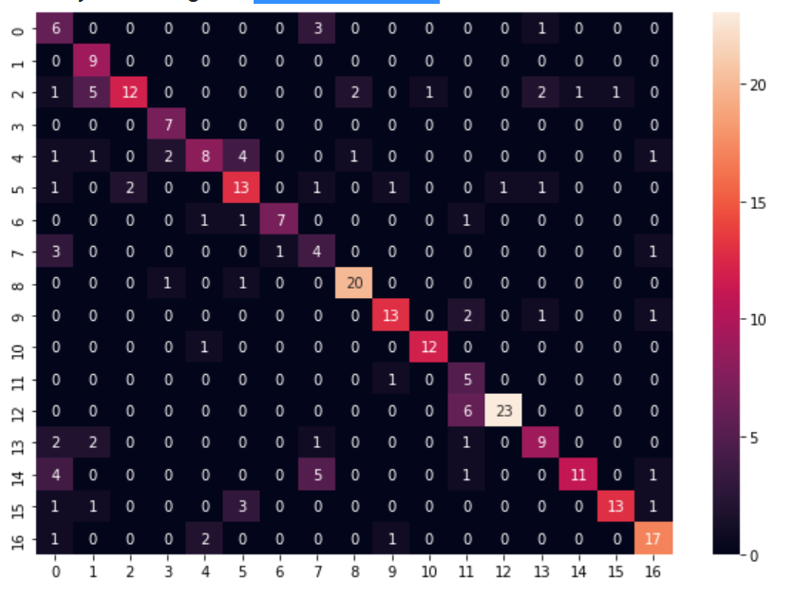

Fold 5 |  |  |  |  | 0 | 0.6 | 0.3
 |  |  |  |  | 1 | 1 | 0.5
 | Accuracy |  |  |  | 2 | 0.48 | 0.8571428571
Model 0 | 68.014705882 |  |  |  | 3 | 1 | 0.7
Model 1 | 60.661764706 |  |  |  | 4 | 0.4444444444 | 0.6666666667
Model 2 | 61.029411765 |  |  |  | 5 | 0.65 | 0.5909090909
Model 3 | 44.117647059 |  |  |  | 6 | 0.7 | 0.875
 |  |  |  |  | 7 | 0.4444444444 | 0.2857142857
Accuracy % : | 69.485294118 |  |  |  | 8 | 0.9090909091 | 0.8695652174
 |  |  |  |  | 9 | 0.7647058824 | 0.8125
 |  |  |  |  | 10 | 0.9230769231 | 0.9230769231
 |  |  |  |  | 11 | 0.8333333333 | 0.3125
 |  |  |  |  | 12 | 0.7931034483 | 0.9583333333
 |  |  |  |  | 13 | 0.6 | 0.6428571429
 |  |  |  |  | 14 | 0.5 | 0.9166666667
 |  |  |  |  | 15 | 0.6842105263 | 0.9285714286
 |  |  |  |  | 16 | 0.8095238095 | 0.7727272727

Logistic Regression | [ Based on Converting Images to gray scale of 1 D array of pixels ]
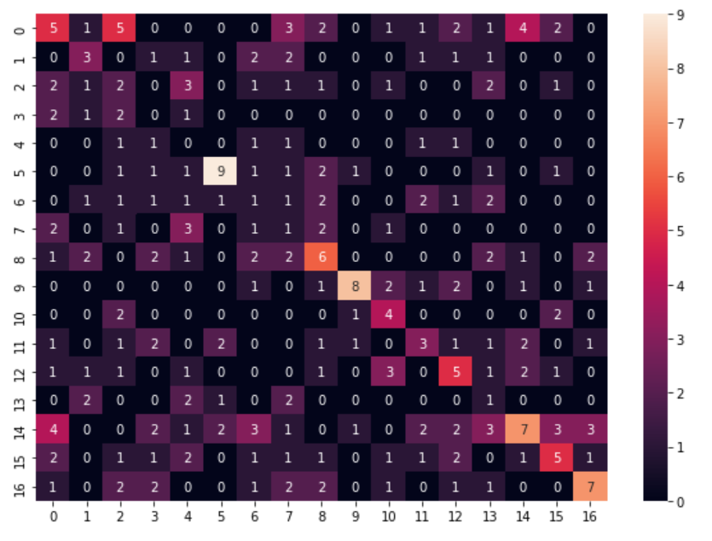
 |  |  |  |  | 0 | 0.1851851852 | 0.2380952381
Fold 1 |  |  |  |  | 1 | 0.25 | 0.25
 |  |  |  |  | 2 | 0.1333333333 | 0.1
Accuracy : 24.63235294117647 |  |  |  |  | 3 | 0 | 0
 |  |  |  |  | 4 | 0 | 0
 |  |  |  |  | 5 | 0.4736842105 | 0.6
 |  |  |  |  | 6 | 0.07142857143 | 0.06666666667
 |  |  |  |  | 7 | 0.09090909091 | 0.05555555556
 |  |  |  |  | 8 | 0.2857142857 | 0.2857142857
 |  |  |  |  | 9 | 0.4705882353 | 0.6666666667
 |  |  |  |  | 10 | 0.4444444444 | 0.2857142857
 |  |  |  |  | 11 | 0.1875 | 0.25
 |  |  |  |  | 12 | 0.2941176471 | 0.2777777778
 |  |  |  |  | 13 | 0.125 | 0.0625
 |  |  |  |  | 14 | 0.2058823529 | 0.3888888889
 |  |  |  |  | 15 | 0.25 | 0.3333333333
 |  |  |  |  | 16 | 0.35 | 0.4666666667

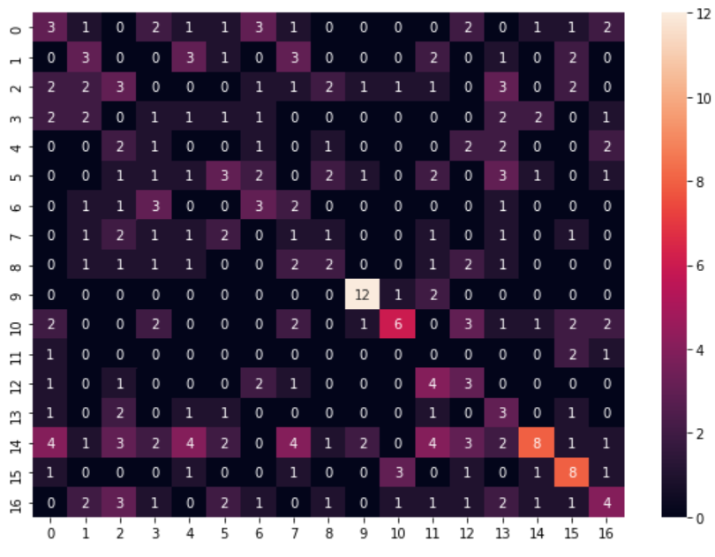

Fold 2 |  |  |  |  | 0 | 0.1666666667 | 0.1764705882
 |  |  |  |  | 1 | 0.2 | 0.2142857143
Accuracy : 23.16176470588235 |  |  |  |  | 2 | 0.1578947368 | 0.1578947368
 |  |  |  |  | 3 | 0.07692307692 | 0.06666666667
 |  |  |  |  | 4 | 0 | 0
 |  |  |  |  | 5 | 0.1666666667 | 0.2307692308
 |  |  |  |  | 6 | 0.2727272727 | 0.2142857143
 |  |  |  |  | 7 | 0.08333333333 | 0.05555555556
 |  |  |  |  | 8 | 0.1666666667 | 0.2
 |  |  |  |  | 9 | 0.8 | 0.7058823529
 |  |  |  |  | 10 | 0.2727272727 | 0.5
 |  |  |  |  | 11 | 0 | 0
 |  |  |  |  | 12 | 0.25 | 0.1764705882
 |  |  |  |  | 13 | 0.3 | 0.1363636364
 |  |  |  |  | 14 | 0.1904761905 | 0.5333333333
 |  |  |  |  | 15 | 0.4705882353 | 0.380952381
 |  |  |  |  | 16 | 0.1904761905 | 0.2666666667

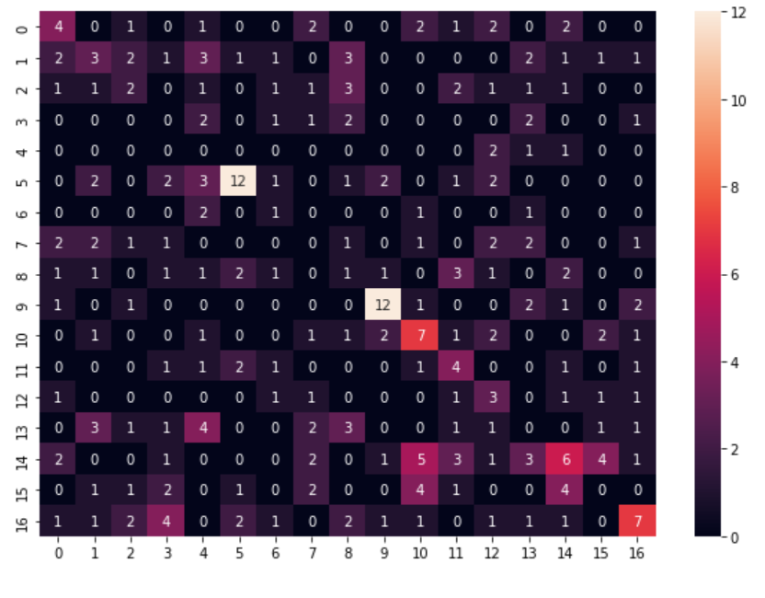
 |  |  |  |  | 0 | 0.2666666667 | 0.2666666667
 |  |  |  |  | 1 | 0.1428571429 | 0.2
Fold 3 |  |  |  |  | 2 | 0.1333333333 | 0.1818181818
 |  |  |  |  | 3 | 0 | 0
Accuracy : 22.794117647058822 |  |  |  |  | 4 | 0 | 0
 |  |  |  |  | 5 | 0.4615384615 | 0.6
 |  |  |  |  | 6 | 0.2 | 0.1111111111
 |  |  |  |  | 7 | 0 | 0
 |  |  |  |  | 8 | 0.06666666667 | 0.05882352941
 |  |  |  |  | 9 | 0.6 | 0.6315789474
 |  |  |  |  | 10 | 0.3684210526 | 0.3043478261
 |  |  |  |  | 11 | 0.3333333333 | 0.2222222222
 |  |  |  |  | 12 | 0.3 | 0.1666666667
 |  |  |  |  | 13 | 0 | 0
 |  |  |  |  | 14 | 0.2068965517 | 0.2857142857
 |  |  |  |  | 15 | 0 | 0
 |  |  |  |  | 16 | 0.28 | 0.4117647059

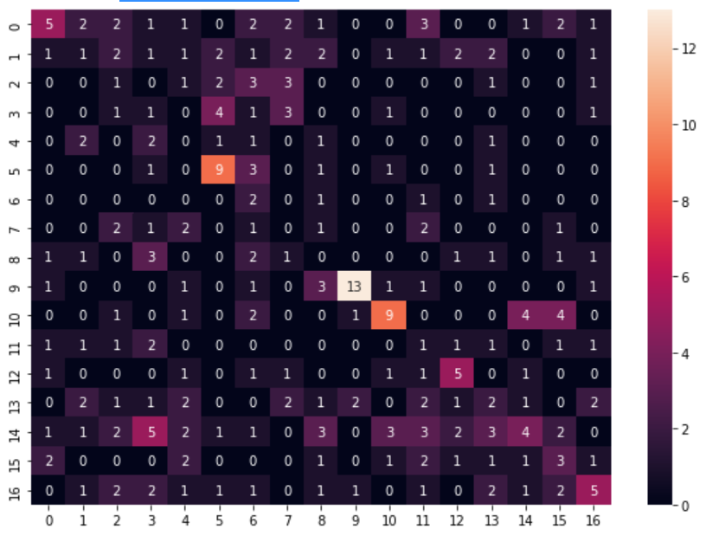
Fold 4
 |  |  |  |  | 0 | 0.2173913043 | 0.3846153846
Accuracy : 22.426470588235293 |  |  |  |  | 1 | 0.05 | 0.09090909091
 |  |  |  |  | 2 | 0.08333333333 | 0.06666666667
 |  |  |  |  | 3 | 0.08333333333 | 0.05
 |  |  |  |  | 4 | 0 | 0
 |  |  |  |  | 5 | 0.5625 | 0.45
 |  |  |  |  | 6 | 0.4 | 0.09090909091
 |  |  |  |  | 7 | 0 | 0
 |  |  |  |  | 8 | 0 | 0
 |  |  |  |  | 9 | 0.5909090909 | 0.7647058824
 |  |  |  |  | 10 | 0.4090909091 | 0.5
 |  |  |  |  | 11 | 0.1 | 0.05555555556
 |  |  |  |  | 12 | 0.4166666667 | 0.3846153846
 |  |  |  |  | 13 | 0.1052631579 | 0.125
 |  |  |  |  | 14 | 0.1212121212 | 0.3076923077
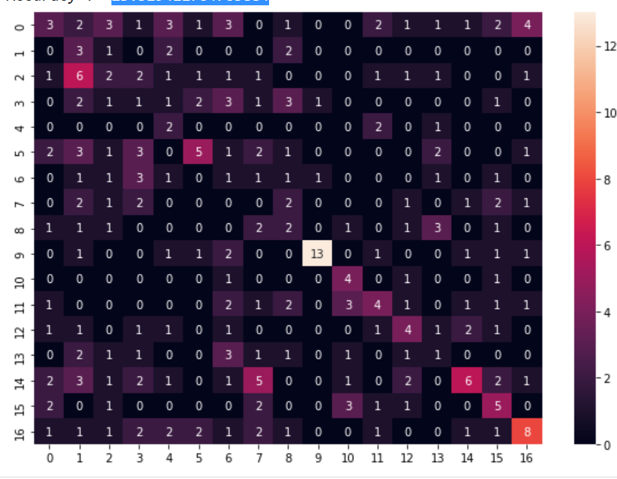
 |  |  |  |  | 15 | 0.2 | 0.1875
 |  |  |  |  | 16 | 0.2380952381 | 0.3333333333

 |  |  |  |  | 0 | 0.1071428571 | 0.2142857143
Fold 5 |  |  |  |  | 1 | 0.375 | 0.1071428571
 |  |  |  |  | 2 | 0.1052631579 | 0.1333333333
Accuracy : 23.529411764705884 |  |  |  |  | 3 | 0.0625 | 0.05555555556
 |  |  |  |  | 4 | 0.4 | 0.1333333333
 |  |  |  |  | 5 | 0.2380952381 | 0.4166666667
 |  |  |  |  | 6 | 0.08333333333 | 0.05
 |  |  |  |  | 7 | 0 | 0
 |  |  |  |  | 8 | 0.1538461538 | 0.125
 |  |  |  |  | 9 | 0.5909090909 | 0.8666666667
 |  |  |  |  | 10 | 0.5714285714 | 0.3076923077
 |  |  |  |  | 11 | 0.2352941176 | 0.3076923077
 |  |  |  |  | 12 | 0.2857142857 | 0.2857142857
 |  |  |  |  | 13 | 0.08333333333 | 0.09090909091
 |  |  |  |  | 14 | 0.2222222222 | 0.4615384615
 |  |  |  |  | 15 | 0.3333333333 | 0.2631578947
 |  |  |  |  | 16 | 0.3333333333 | 0.4444444444

Average Accuracy | 23.308823529

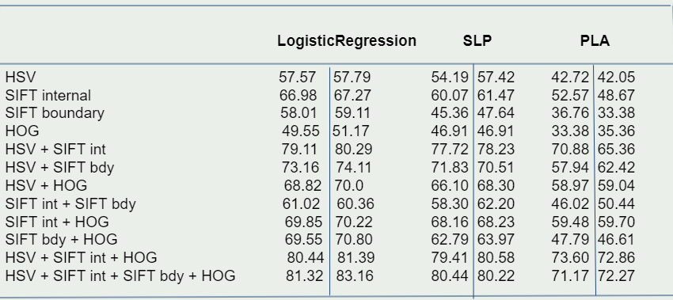

Observations

Instead of considering combination of features as models, here we combined various combinations of features and experimented using ML algorithms.
Observed Results are shown above. Each algorithm has 2 values, first value represents the accuracy for 5-fold and second value is for 10-fold.
It can be observed that combining almost all the features is giving good accuracy compared to single feature ones.
Also we can see that the best accuracy is resulting in Logistic Regression and in all the algorithms either combination of HSV + SIFT int + HOG or HSV + SIFT int + SIFT bdy + HOG gives better results compared to others

Summary of the Results

 |  | Average Accuracy
 |  | 5-fold | 10-fold
Logistic Regression |  | 80.41 | 80.07
Single Layer Perceptron |  | 77.86 | 78.97
Perceptron Learning Algorithm |  | 71.69 | 70.44
Multi Layer Perceptron |  | 71.54 | 53.6

Logistic Regression [ Gray Scale ] |  | 23.3

In MLP 10 fold cross validation has less accuracy compared to 5-fold, its because : for 5-fold its trained with 1 hidden layer and 2000 hidden neurons while 10-fold is trained with 1 hidden layer and 100 hidden neurons
so according to cover's theorem, hidden neurons must be atleast same as the number of features. The higher the number of hidden neurons, the more it converts the dataset into linearly seperable

Accuracy Comparison :

LogisticRegression > SLP > MLP > PLA
The accuracy of the MLP can be increased by further increasing the number of hidden neurons.
It’s also can be observed that the accuracy is almost similar in the respective algorithm in case of 5-fold and 10-fold cross validation.

