Nova Poshta Test Cases
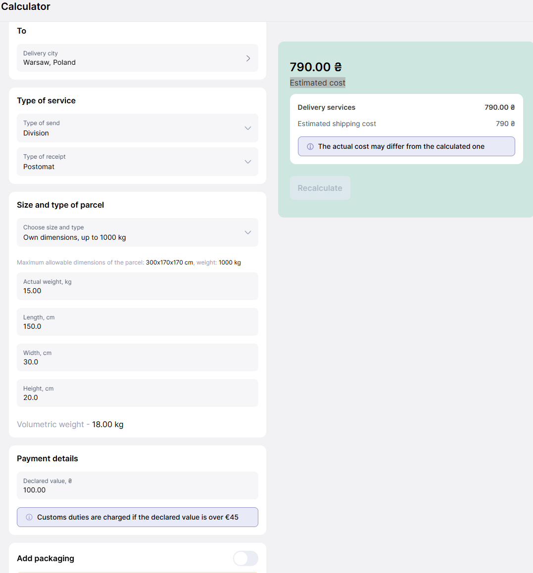
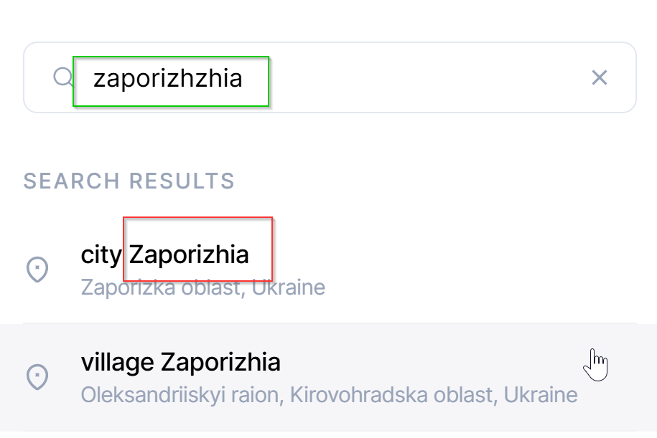
ID | Title | Precondition | Steps | Expected result
NP-TC-001 | Check that a list of available branches/parcel box is returned for the selected city | Go to https://novaposhta.ua/ (eng version) | 1. Click on the 'Send' (//nav[contains(@class,'app-menu-desktop')]//div[contains(text(),'Send')]) header's menu element and click on the 'The nearest branch' (//div[@class='app-header-menu']//a[contains(@href,'/departments')] OR //div[@plerdy-tracking-id="61156379301"]) 2. Click on the 'Select city' (//p[contains(text(),'Select city')]) 3. Inpit 'Zaporizhzhia' in the 'Settlement' field (//input[contains(@placeholder,'Settlement')]) and/OR select 'city Zaporizhzhia' from the list (//ul/li//div[contains(text(),'Zaporizhzhia')]) | 1. User is redirected to the https://novaposhta.ua/en/departments with map and of the closes branches 2. The list of the popular cities are opened 3. The list and a card with branches of selected city is shown. The first address in the list should conatins info about the city - //ul/li//div//p[contains(text(),'Zaporizhia')]
NP-TC-002 | Calculating the cost of delivery between two cities | Go to https://novaposhta.ua/ (eng version) * unput datat for the test | 1. 1. Click on the 'Send' (//nav[contains(@class,'app-menu-desktop')]//div[contains(text(),'Send')]) header's menu element and click on the 'The shipping cost' (//div[@plerdy-tracking-id="11879535101"]) 2. Field the all mandatory field in the Calculator form: * From //input[@aria-label="City of departure"] * To //input[@aria-label="Delivery city"] *Type of Service (drop down list): * Type of send //label[@for="f_0345784c-652c-4c6a-b634-e3e71e904a80"] > Select division //div[@id="f_0345784c-652c-4c6a-b634-e3e71e904a80_0"] * Type of receipt //label[@for="f_79e1ecb7-1545-4796-8bc5-2c0181dc03a5"] > Select division //div[@id="f_79e1ecb7-1545-4796-8bc5-2c0181dc03a5_1"] * Size and type of parcel (drop down list): * Choose size and type //label[@for="f_8ec9043c-dd47-4dcc-b88a-2b3c66a85ad0"] > Select Own Dimensions //div[@id="f_8ec9043c-dd47-4dcc-b88a-2b3c66a85ad0_1"] * Filed Actual weight //input[@id='f_ab414eca-2100-41bb-b507-2eacdf67af77'] * Filed Length //input[@id='f_07d2e8f3-5351-4b65-ad55-1bc7e8a93c3d'] * Filed Width //input[@id='f_07d2e8f3-5351-4b65-ad55-1bc7e8a93c3d'] * Filed Height //input[@id='f_dd92009b-1281-42f7-aae2-e0b4729480ac'] * Payment datails //input[@id='f_550017f7-82dd-4c37-a902-51b041e4ae57'] * Add packaging - disable //div[@role='switch'] 3. Click Calculate btn //button[contains(@class,'calculate-button')] | 3. The Estimated cost is calculated for the specified parameters in the form
NP-TC-003 | Tracking a parcel by TTN number | Go to https://novaposhta.ua/ (eng version) There is a valid track number: '20400012345678' | 1. Enter the TTN number in the field on the main page. //form[@id="main-page-search"]//input[contains(@placeholder,'parcel number')] 2.Click Track btn (//button//span[text()='Track']) | 2. The user is redirected to the page https://novaposhta.ua/en/tracking/{{TTN}} On the page should be available info about parcel and track number can be found by xpath //div[contains(@class,'items-center')]//span[contains(text(),'6437')]

 | Test data for test 2 |  | Bug - invalid eng veriosn of the city Zaporizhzhia (Запоріжжя)

