Sheet1
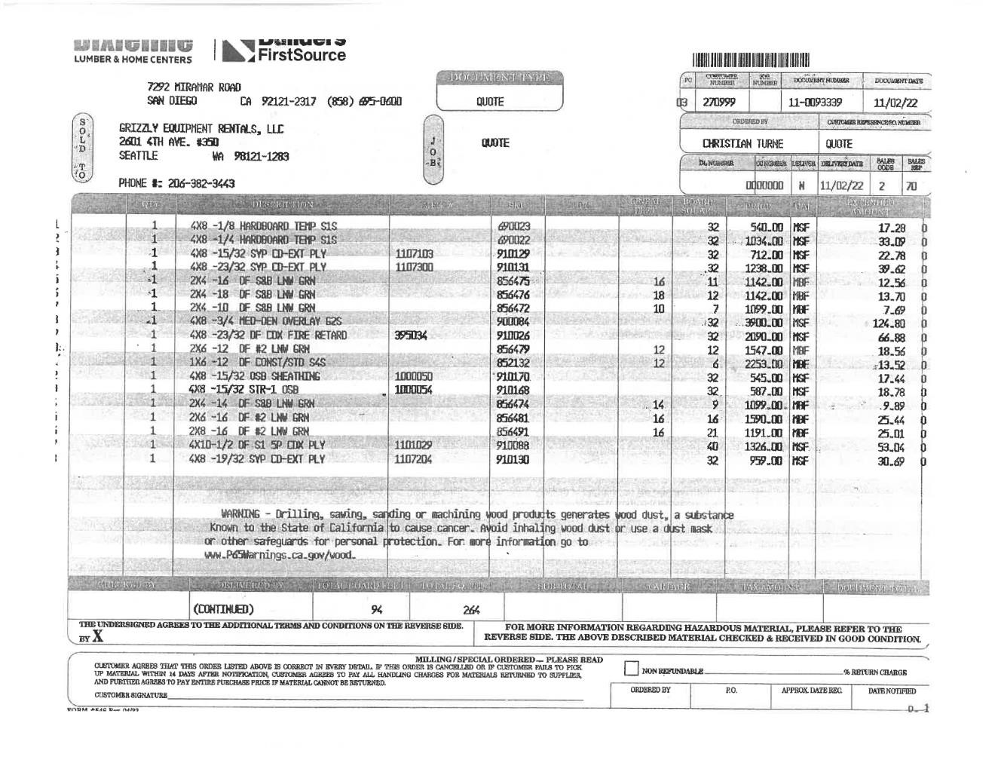
Item# | Description | HomeDepot | BuildClub | AshbyLumber | Best | CloseLumber | WhiteCap
M10007 | 1/8IN Masonite | https://www.homedepot.com/p/Hardboard-Tempered-Panel-Common-1-8-in-4-ft-x-8-ft-Actual-0-115-in-x-47-7-in-x-95-7-in-832777/202189720 | https://www.buildclub.com/product/bc4_4125415?gclid=EAIaIQobChMIk42Q_9iD_QIVcQWtBh2X4QroEAQYESABEgIbBfD_BwE |  | https://www.doitbest.com/shop/building-materials/wall-materials/wall-paneling-and-accessories/hardboard-panel/dpi-4-ft-x-8-ft-x-18-in-hardboard-panel?SKU=112522
M11026 | 1/4IN Masonite | https://www.homedepot.com/p/1-4-in-x-4-ft-x-8-ft-MDF-S2S-Tempered-Hardboard-Panel-158498/205187184 |  | https://store.ashbylumber.com/products/1-4--x-4--x-8--tempered-masonite-fiberboard-s1s-12588.html | https://www.doitbest.com/shop/building-materials/wall-materials/wall-paneling-and-accessories/hardboard-panel/dpi-4-ft-x-8-ft-x-14-in-hardboard-panel?SKU=112531
M22086 | 1/2IN CDX | https://www.homedepot.com/p/Sheathing-Plywood-Common-15-32-in-x-4-ft-x-8-ft-Actual-0-438-in-x-48-in-x-96-in-20159/206827282 | https://www.buildclub.com/product/bc0_314238535/?queryId=1aa56ab18d6393c57d96c00b1ac6e68a |  |  | https://www.closelumber.com/plywood-panels/1105-4x8-1-2-in-15-32-in-cdx-plywood-5ply.html
M22087 | 3/4IN CDX | https://www.homedepot.com/p/23-32-in-x-4-ft-x-8-ft-Fir-Sheathing-Plywood-Actual-0-688-in-x-48-in-x-96-in-439614/100034683 | https://www.buildclub.com/product/bc4_4714323
M22114 | 2x4x16 | https://www.homedepot.com/p/2-in-x-4-in-x-16-ft-Prime-Standard-and-Better-Douglas-Fir-Lumber-2167-16/206019456?source=shoppingads&locale=en-US&&mtc=SHOPPING-CM-CML-GGL-D21-021_003_DIM_LUMBER-NA-NA-NA-SMART-2996800-NA-NA-NA-NBR-NA-NA-NEW-D21New_Active&cm_mmc=SHOPPING-CM-CML-GGL-D21-021_003_DIM_LUMBER-NA-NA-NA-SMART-2996800-NA-NA-NA-NBR-NA-NA-NEW-D21New_Active-71700000093711346-58700007799976626-92700070867243649&gclid=EAIaIQobChMIy5H7l7P1_AIVSButBh0lNAXqEAQYBSABEgLzbfD_BwE&gclsrc=aw.ds | https://www.buildclub.com/product/bc4_2111574684
M22118 | 2x4x18 | https://www.homedepot.com/p/2-in-x-4-in-x-18-ft-Standard-and-Better-FSC-Green-Douglas-Fir-Lumber-15199-18/308996862 |  |  | https://hillsflatlumber.com/p/doug-fir-df20418 | https://store.hlc-inc.com/MainSite/Store1/StoreProducts/ProductDetail/55194
M22119 | 2X4X10 | https://www.homedepot.com/p/2-in-x-4-in-x-10-ft-2-and-Better-Douglas-Fir-Lumber-D204SEC-294-10/313824028?source=shoppingads&locale=en-US&pla&mtc=SHOPPING-BF-CDP-GGL-D21-021_003_DIM_LUMBER-NA-NA-NA-LIA-4035574-NA-NA-NA-NBR-NA-NA-NA-NA&cm_mmc=SHOPPING-BF-CDP-GGL-D21-021_003_DIM_LUMBER-NA-NA-NA-LIA-4035574-NA-NA-NA-NBR-NA-NA-NA-NA-71700000045530102-58700004682521920-92700053361644927&gclid=EAIaIQobChMIzYC-gu62_QIVnBPUAR1YeAdWEAQYAiABEgJ4SvD_BwE&gclsrc=aw.ds | https://www.buildclub.com/product/bc0_424935139
M22123 | 3/4IN MDO |  | https://www.buildclub.com/product/bc4_6113215886?gclid=EAIaIQobChMIyorJq8Cg_gIVYhB9Ch3POAKnEAQYAiABEgLb-vD_BwE |  |  |  | https://www.whitecap.com/p/bid-list-dimensional-lumber-34-4-x-8-mdo-7-ply-1-side-16406/pl41700/339mdo3448
M22124 | 3/4IN Fire Treated CDX | https://www.homedepot.com/p/3-4-in-x-4-ft-x-8-ft-CDX-5-Ply-Interior-Fire-Rated-Fir-Pressure-Treated-Plywood-97874/203482483 | https://www.buildclub.com/product/bc0_314593594?gclid=EAIaIQobChMI2f3Tr7b1_AIVESmtBh2P-ALTEAQYASABEgJPXvD_BwE
M22136 | 2x6x12 | https://www.homedepot.com/p/2-in-x-6-in-x-12-ft-S4S-Premium-Kiln-Dried-Heat-Treated-Douglas-Fir-and-Larch-Dimensional-Lumber-20/322439999?source=shoppingads&locale=en-US&&mtc=SHOPPING-CM-CML-GGL-D21-021_003_DIM_LUMBER-NA-NA-NA-SMART-2996800-NA-NA-NA-NBR-NA-NA-NEW-D21New_Active&cm_mmc=SHOPPING-CM-CML-GGL-D21-021_003_DIM_LUMBER-NA-NA-NA-SMART-2996800-NA-NA-NA-NBR-NA-NA-NEW-D21New_Active-71700000093711346-58700007799976626-92700070867243649&gclid=EAIaIQobChMIr-mJ7rb1_AIViBJMCh1HOAwUEAQYAiABEgL6IvD_BwE&gclsrc=aw.ds | https://www.buildclub.com/product/bc0_317915181
M22138 | 1x6x12 | https://www.homedepot.com/p/1-in-x-6-in-x-12-ft-Common-Board-914797/202074487
M22139 | 1/2IN OSB | https://www.homedepot.com/p/15-32-in-OSB-Sheathing-Common-15-32-in-x-4-ft-x-8-ft-Actual-0-451-in-x-47-875-in-x-95-875-in-512977/202084681 | https://www.buildclub.com/product/bc0_313195792?gad=1&gclid=EAIaIQobChMIvK-JgbyJ_wIVoCGtBh23LwplEAQYASABEgITI_D_BwE
M22148 | 2x4x14 |  | https://www.buildclub.com/product/bc4_21111399-6 |  |  | https://www.closelumber.com/dimensional-lumber/239-2x4-14-douglas-fir-standard-and-better-surfaced-on-four-sides.html
M22149 | 2x6x16 | https://www.homedepot.com/p/2-in-x-6-in-x-16-ft-2-and-Better-Prime-Douglas-Fir-Lumber-2023-16/206019467 | https://www.buildclub.com/product/bc4_2111139-48?gad=1&gclid=EAIaIQobChMIo6Txp8zF_gIVACGtBh1ASgw1EAQYAyABEgJyxfD_BwE
M22150 | 2x8x16 | https://www.homedepot.com/p/2-in-x-8-in-x-16-ft-2-Better-Prime-Douglas-Fir-Lumber-915556/206182011 | https://www.buildclub.com/product/bc4_21116823--
M22152 | 1/2IN CDX 4x10 |  | https://www.buildclub.com/product/bc0_313199861?gclid=EAIaIQobChMIs8_0p7n1_AIVIgx9Ch0SigK-EAQYAyABEgKYivD_BwE |  | https://hillsflatlumber.com/p/cdx-plywood-struct-cd1210
M22155 | 5/8IN CDX | https://www.homedepot.com/p/Sheathing-Plywood-Common-19-32-in-x-4-ft-x-8-ft-Actual-0-563-in-x-48-in-x-96-in-407735/206821342

