1. uzd
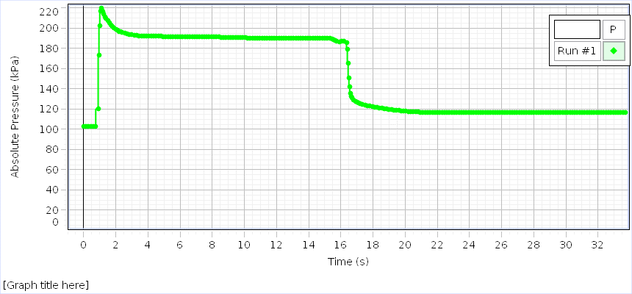
Absolute Pressure (kPa) Run #1 | Temperature (°C) Run #1 | Time (s) Auto
103,118 | 25,46 | 0,000
103,153 | 25,46 | 0,050
103,140 | 25,46 | 0,100
103,144 | 25,45 | 0,150
103,157 | 25,46 | 0,200
103,144 | 25,45 | 0,250
103,147 | 25,45 | 0,300
103,157 | 25,46 | 0,350
103,162 | 25,46 | 0,400
103,149 | 25,46 | 0,450
103,140 | 25,46 | 0,500
103,151 | 25,45 | 0,550
103,153 | 25,46 | 0,600
103,155 | 25,46 | 0,650
103,173 | 25,46 | 0,700
103,164 | 25,46 | 0,750
103,153 | 25,46 | 0,800
103,529 | 25,46 | 0,850
120,202 | 25,53 | 0,900
173,564 | 26,16 | 0,950
202,540 | 27,79 | 1,000
217,100 | 29,77 | 1,050
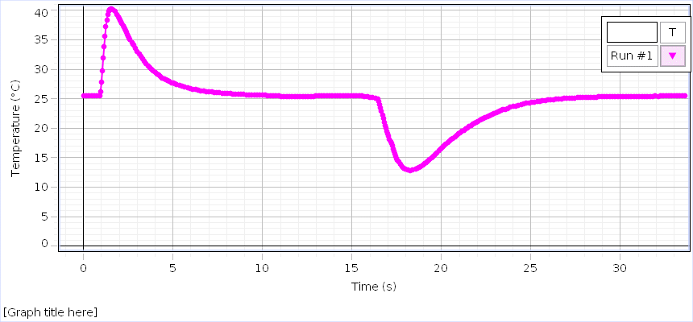
220,057 | 31,86 | 1,100
218,077 | 33,83 | 1,150
216,123 | 35,62 | 1,200
214,287 | 37,23 | 1,250
212,914 | 38,35 | 1,300
211,430 | 39,30 | 1,350
210,016 | 39,85 | 1,400
208,696 | 40,13 | 1,450
207,418 | 40,25 | 1,500
206,253 | 40,26 | 1,550
205,374 | 40,22 | 1,600
204,365 | 40,11 | 1,650
203,340 | 39,96 | 1,700
202,409 | 39,77 | 1,750
201,552 | 39,56 | 1,800
200,752 | 39,32 | 1,850
200,044 | 39,07 | 1,900
199,447 | 38,85 | 1,950
198,829 | 38,58 | 2,000
198,293 | 38,30 | 2,050
197,830 | 38,02 | 2,100
197,397 | 37,72 | 2,150
197,065 | 37,44 | 2,200
196,683 | 37,13 | 2,250
196,355 | 36,84 | 2,300
196,038 | 36,54 | 2,350
195,725 | 36,24 | 2,400
195,483 | 35,94 | 2,450
195,260 | 35,66 | 2,500
195,004 | 35,37 | 2,550
194,788 | 35,08 | 2,600
194,659 | 34,85 | 2,650
194,482 | 34,57 | 2,700
194,281 | 34,30 | 2,750
194,163 | 34,03 | 2,800
194,012 | 33,78 | 2,850
193,787 | 33,53 | 2,900
193,640 | 33,27 | 2,950
193,568 | 33,04 | 3,000
193,382 | 32,80 | 3,050
193,308 | 32,56 | 3,100
193,199 | 32,34 | 3,150
193,090 | 32,13 | 3,200
192,998 | 31,92 | 3,250
192,917 | 31,72 | 3,300
192,819 | 31,52 | 3,350
192,775 | 31,33 | 3,400
192,692 | 31,14 | 3,450
192,714 | 30,96 | 3,500
192,633 | 30,79 | 3,550
192,583 | 30,61 | 3,600
192,504 | 30,45 | 3,650
192,480 | 30,29 | 3,700
192,410 | 30,14 | 3,750
192,357 | 30,01 | 3,800
192,357 | 29,87 | 3,850
192,314 | 29,73 | 3,900
192,298 | 29,60 | 3,950
192,270 | 29,47 | 4,000
192,266 | 29,34 | 4,050
192,196 | 29,21 | 4,100
192,180 | 29,10 | 4,150
192,132 | 28,99 | 4,200
192,172 | 28,88 | 4,250
192,110 | 28,77 | 4,300
192,134 | 28,67 | 4,350
192,130 | 28,57 | 4,400
192,067 | 28,47 | 4,450
192,071 | 28,38 | 4,500
192,067 | 28,29 | 4,550
192,036 | 28,20 | 4,600
191,990 | 28,12 | 4,650
191,975 | 28,04 | 4,700
191,995 | 27,97 | 4,750
191,988 | 27,89 | 4,800
191,966 | 27,82 | 4,850
191,947 | 27,75 | 4,900
191,922 | 27,68 | 4,950
191,888 | 27,63 | 5,000
191,896 | 27,56 | 5,050
191,898 | 27,50 | 5,100
191,853 | 27,44 | 5,150
191,837 | 27,38 | 5,200
191,874 | 27,32 | 5,250
191,826 | 27,27 | 5,300
191,826 | 27,22 | 5,350
191,826 | 27,17 | 5,400
191,831 | 27,12 | 5,450
191,776 | 27,07 | 5,500
191,804 | 27,02 | 5,550
191,770 | 26,98 | 5,600
191,789 | 26,94 | 5,650
191,735 | 26,89 | 5,700
191,794 | 26,86 | 5,750
191,710 | 26,82 | 5,800
191,759 | 26,78 | 5,850
191,794 | 26,75 | 5,900
191,750 | 26,72 | 5,950
191,750 | 26,68 | 6,000
191,765 | 26,64 | 6,050
191,750 | 26,61 | 6,100
191,763 | 26,58 | 6,150
191,728 | 26,55 | 6,200
191,726 | 26,52 | 6,250
191,770 | 26,50 | 6,300
191,767 | 26,47 | 6,350
191,704 | 26,44 | 6,400
191,710 | 26,42 | 6,450
191,730 | 26,39 | 6,500
191,704 | 26,37 | 6,550
191,695 | 26,34 | 6,600
191,656 | 26,32 | 6,650
191,752 | 26,30 | 6,700
191,706 | 26,28 | 6,750
191,708 | 26,26 | 6,800
191,686 | 26,24 | 6,850
191,678 | 26,22 | 6,900
191,665 | 26,20 | 6,950
191,695 | 26,19 | 7,000
191,689 | 26,17 | 7,050
191,700 | 26,15 | 7,100
191,682 | 26,13 | 7,150
191,645 | 26,12 | 7,200
191,654 | 26,11 | 7,250
191,634 | 26,08 | 7,300
191,673 | 26,07 | 7,350
191,638 | 26,05 | 7,400
191,647 | 26,05 | 7,450
191,612 | 26,03 | 7,500
191,560 | 26,01 | 7,550
191,579 | 26,01 | 7,600
191,575 | 25,99 | 7,650
191,544 | 25,98 | 7,700
191,527 | 25,97 | 7,750
191,575 | 25,96 | 7,800
191,520 | 25,94 | 7,850
191,492 | 25,93 | 7,900
191,459 | 25,92 | 7,950
191,424 | 25,91 | 8,000
191,429 | 25,90 | 8,050
191,420 | 25,88 | 8,100
191,420 | 25,87 | 8,150
191,383 | 25,87 | 8,200
191,380 | 25,85 | 8,250
191,339 | 25,84 | 8,300
191,330 | 25,83 | 8,350
191,295 | 25,83 | 8,400
191,254 | 25,81 | 8,450
191,271 | 25,80 | 8,500
191,241 | 25,80 | 8,550
191,212 | 25,78 | 8,600
191,247 | 25,77 | 8,650
191,190 | 25,77 | 8,700
191,208 | 25,75 | 8,750
191,201 | 25,74 | 8,800
191,182 | 25,74 | 8,850
191,168 | 25,73 | 8,900
191,188 | 25,72 | 8,950
191,186 | 25,72 | 9,000
191,160 | 25,71 | 9,050
191,151 | 25,70 | 9,100
191,151 | 25,70 | 9,150
191,153 | 25,69 | 9,200
191,155 | 25,68 | 9,250
191,166 | 25,68 | 9,300
191,195 | 25,67 | 9,350
191,151 | 25,66 | 9,400
191,116 | 25,66 | 9,450
191,134 | 25,66 | 9,500
191,138 | 25,65 | 9,550
191,155 | 25,65 | 9,600
191,120 | 25,64 | 9,650
191,103 | 25,64 | 9,700
191,118 | 25,63 | 9,750
191,136 | 25,63 | 9,800
191,107 | 25,63 | 9,850
191,079 | 25,62 | 9,900
191,005 | 25,62 | 9,950
190,854 | 25,61 | 10,000
190,675 | 25,61 | 10,050
190,541 | 25,60 | 10,100
190,513 | 25,59 | 10,150
190,434 | 25,58 | 10,200
190,395 | 25,57 | 10,250
190,301 | 25,56 | 10,300
190,257 | 25,55 | 10,350
190,165 | 25,55 | 10,400
190,021 | 25,53 | 10,450
189,923 | 25,52 | 10,500
189,864 | 25,50 | 10,550
189,846 | 25,49 | 10,600
189,866 | 25,48 | 10,650
189,872 | 25,46 | 10,700
189,899 | 25,45 | 10,750
189,921 | 25,44 | 10,800
189,923 | 25,44 | 10,850
189,910 | 25,43 | 10,900
189,966 | 25,42 | 10,950
189,982 | 25,41 | 11,000
189,966 | 25,41 | 11,050
189,977 | 25,40 | 11,100
190,047 | 25,41 | 11,150
190,021 | 25,39 | 11,200
189,997 | 25,39 | 11,250
189,999 | 25,39 | 11,300
190,045 | 25,39 | 11,350
190,008 | 25,39 | 11,400
190,032 | 25,38 | 11,450
190,019 | 25,38 | 11,500
190,032 | 25,38 | 11,550
190,034 | 25,38 | 11,600
190,010 | 25,37 | 11,650
190,019 | 25,38 | 11,700
190,021 | 25,38 | 11,750
190,006 | 25,38 | 11,800
190,065 | 25,38 | 11,850
190,045 | 25,39 | 11,900
190,089 | 25,39 | 11,950
190,089 | 25,38 | 12,000
190,115 | 25,38 | 12,050
190,095 | 25,39 | 12,100
190,119 | 25,39 | 12,150
190,130 | 25,40 | 12,200
190,111 | 25,40 | 12,250
190,152 | 25,40 | 12,300
190,161 | 25,40 | 12,350
190,135 | 25,40 | 12,400
190,174 | 25,41 | 12,450
190,137 | 25,41 | 12,500
190,130 | 25,41 | 12,550
190,168 | 25,42 | 12,600
190,150 | 25,42 | 12,650
190,126 | 25,42 | 12,700
190,146 | 25,42 | 12,750
190,150 | 25,43 | 12,800
190,146 | 25,43 | 12,850
190,106 | 25,44 | 12,900
190,126 | 25,44 | 12,950
190,100 | 25,44 | 13,000
190,119 | 25,44 | 13,050
190,168 | 25,44 | 13,100
190,161 | 25,45 | 13,150
190,165 | 25,45 | 13,200
190,106 | 25,46 | 13,250
190,157 | 25,45 | 13,300
190,165 | 25,46 | 13,350
190,150 | 25,46 | 13,400
190,122 | 25,46 | 13,450
190,152 | 25,47 | 13,500
190,159 | 25,48 | 13,550
190,150 | 25,47 | 13,600
190,185 | 25,48 | 13,650
190,163 | 25,48 | 13,700
190,095 | 25,48 | 13,750
190,141 | 25,48 | 13,800
190,148 | 25,48 | 13,850
190,163 | 25,49 | 13,900
190,148 | 25,49 | 13,950
190,133 | 25,50 | 14,000
190,154 | 25,49 | 14,050
190,082 | 25,49 | 14,100
190,133 | 25,50 | 14,150
190,119 | 25,50 | 14,200
190,106 | 25,50 | 14,250
190,128 | 25,50 | 14,300
190,128 | 25,50 | 14,350
190,106 | 25,51 | 14,400
190,098 | 25,51 | 14,450
190,082 | 25,51 | 14,500
190,091 | 25,51 | 14,550
190,058 | 25,51 | 14,600
190,067 | 25,51 | 14,650
190,069 | 25,51 | 14,700
190,071 | 25,51 | 14,750
190,039 | 25,51 | 14,800
189,993 | 25,51 | 14,850
189,997 | 25,51 | 14,900
190,021 | 25,52 | 14,950
190,065 | 25,51 | 15,000
190,021 | 25,52 | 15,050
189,988 | 25,52 | 15,100
189,969 | 25,52 | 15,150
189,980 | 25,52 | 15,200
189,925 | 25,52 | 15,250
189,892 | 25,51 | 15,300
189,829 | 25,51 | 15,350
189,560 | 25,51 | 15,400
189,337 | 25,50 | 15,450
189,029 | 25,49 | 15,500
188,673 | 25,48 | 15,550
188,308 | 25,47 | 15,600
187,897 | 25,45 | 15,650
187,484 | 25,42 | 15,700
187,049 | 25,39 | 15,750
186,870 | 25,36 | 15,800
186,832 | 25,33 | 15,850
186,846 | 25,30 | 15,900
186,876 | 25,27 | 15,950
186,898 | 25,24 | 16,000
186,944 | 25,22 | 16,050
186,909 | 25,19 | 16,100
186,922 | 25,17 | 16,150
186,942 | 25,15 | 16,200
186,924 | 25,13 | 16,250
186,911 | 25,11 | 16,300
186,050 | 25,09 | 16,350
179,504 | 25,05 | 16,400
165,526 | 24,89 | 16,450
150,542 | 24,55 | 16,500
141,961 | 24,05 | 16,550
135,346 | 23,46 | 16,600
132,555 | 22,84 | 16,650
130,940 | 22,21 | 16,700
129,825 | 21,62 | 16,750
128,966 | 21,05 | 16,800
128,271 | 20,51 | 16,850
127,692 | 19,99 | 16,900
127,104 | 19,51 | 16,950
126,637 | 19,04 | 17,000
126,215 | 18,60 | 17,050
125,874 | 18,18 | 17,100
125,535 | 17,78 | 17,150
125,257 | 17,38 | 17,200
124,967 | 16,96 | 17,250
124,696 | 16,52 | 17,300
124,455 | 16,06 | 17,350
124,263 | 15,63 | 17,400
124,080 | 15,25 | 17,450
123,909 | 14,90 | 17,500
123,739 | 14,58 | 17,550
123,590 | 14,31 | 17,600
123,404 | 14,07 | 17,650
123,199 | 13,86 | 17,700
123,096 | 13,66 | 17,750
122,936 | 13,50 | 17,800
122,740 | 13,36 | 17,850
122,598 | 13,24 | 17,900
122,497 | 13,14 | 17,950
122,309 | 13,06 | 18,000
122,198 | 12,99 | 18,050
122,023 | 12,93 | 18,100
121,920 | 12,88 | 18,150
121,728 | 12,86 | 18,200
121,592 | 12,85 | 18,250
121,455 | 12,84 | 18,300
121,334 | 12,86 | 18,350
121,192 | 12,88 | 18,400
121,057 | 12,92 | 18,450
120,930 | 12,96 | 18,500
120,819 | 13,02 | 18,550
120,692 | 13,08 | 18,600
120,602 | 13,15 | 18,650
120,443 | 13,23 | 18,700
120,323 | 13,30 | 18,750
120,196 | 13,40 | 18,800
120,115 | 13,50 | 18,850
119,955 | 13,60 | 18,900
119,820 | 13,73 | 18,950
119,715 | 13,84 | 19,000
119,590 | 13,96 | 19,050
119,494 | 14,07 | 19,100
119,405 | 14,20 | 19,150
119,295 | 14,34 | 19,200
119,190 | 14,46 | 19,250
119,086 | 14,60 | 19,300
119,018 | 14,73 | 19,350
118,911 | 14,88 | 19,400
118,812 | 15,01 | 19,450
118,707 | 15,15 | 19,500
118,635 | 15,29 | 19,550
118,520 | 15,43 | 19,600
118,511 | 15,58 | 19,650
118,417 | 15,72 | 19,700
118,321 | 15,86 | 19,750
118,253 | 16,00 | 19,800
118,187 | 16,15 | 19,850
118,131 | 16,29 | 19,900
118,065 | 16,43 | 19,950
117,962 | 16,58 | 20,000
117,932 | 16,72 | 20,050
117,879 | 16,85 | 20,100
117,800 | 16,99 | 20,150
117,759 | 17,13 | 20,200
117,696 | 17,27 | 20,250
117,626 | 17,40 | 20,300
117,551 | 17,53 | 20,350
117,484 | 17,67 | 20,400
117,468 | 17,80 | 20,450
117,442 | 17,93 | 20,500
117,379 | 18,06 | 20,550
117,313 | 18,18 | 20,600
117,302 | 18,31 | 20,650
117,241 | 18,44 | 20,700
117,178 | 18,55 | 20,750
117,140 | 18,68 | 20,800
117,079 | 18,79 | 20,850
117,055 | 18,92 | 20,900
117,005 | 19,03 | 20,950
116,957 | 19,14 | 21,000
116,920 | 19,25 | 21,050
116,883 | 19,37 | 21,100
116,808 | 19,47 | 21,150
116,819 | 19,59 | 21,200
116,800 | 19,69 | 21,250
116,743 | 19,79 | 21,300
116,749 | 19,90 | 21,350
116,701 | 19,99 | 21,400
116,684 | 20,10 | 21,450
116,649 | 20,20 | 21,500
116,620 | 20,30 | 21,550
116,598 | 20,39 | 21,600
116,583 | 20,48 | 21,650
116,515 | 20,58 | 21,700
116,531 | 20,68 | 21,750
116,515 | 20,77 | 21,800
116,513 | 20,85 | 21,850
116,511 | 20,94 | 21,900
116,487 | 21,02 | 21,950
116,491 | 21,11 | 22,000
116,474 | 21,19 | 22,050
116,470 | 21,28 | 22,100
116,470 | 21,36 | 22,150
116,467 | 21,44 | 22,200
116,465 | 21,52 | 22,250
116,463 | 21,60 | 22,300
116,448 | 21,68 | 22,350
116,470 | 21,76 | 22,400
116,485 | 21,83 | 22,450
116,450 | 21,91 | 22,500
116,509 | 21,98 | 22,550
116,476 | 22,05 | 22,600
116,467 | 22,13 | 22,650
116,452 | 22,20 | 22,700
116,513 | 22,27 | 22,750
116,480 | 22,34 | 22,800
116,502 | 22,40 | 22,850
116,480 | 22,47 | 22,900
116,494 | 22,52 | 22,950
116,476 | 22,59 | 23,000
116,472 | 22,65 | 23,050
116,483 | 22,71 | 23,100
116,513 | 22,77 | 23,150
116,507 | 22,83 | 23,200
116,513 | 22,89 | 23,250
116,513 | 22,95 | 23,300
116,480 | 23,01 | 23,350
116,529 | 23,06 | 23,400
116,498 | 23,12 | 23,450
116,520 | 23,18 | 23,500
116,537 | 23,23 | 23,550
116,452 | 23,27 | 23,600
116,483 | 23,33 | 23,650
116,504 | 23,38 | 23,700
116,515 | 23,43 | 23,750
116,520 | 23,48 | 23,800
116,489 | 23,53 | 23,850
116,515 | 23,57 | 23,900
116,555 | 23,62 | 23,950
116,509 | 23,66 | 24,000
116,522 | 23,70 | 24,050
116,489 | 23,74 | 24,100
116,485 | 23,78 | 24,150
116,489 | 23,83 | 24,200
116,504 | 23,87 | 24,250
116,507 | 23,91 | 24,300
116,544 | 23,94 | 24,350
116,537 | 23,98 | 24,400
116,515 | 24,02 | 24,450
116,542 | 24,04 | 24,500
116,489 | 24,08 | 24,550
116,531 | 24,12 | 24,600
116,513 | 24,15 | 24,650
116,544 | 24,18 | 24,700
116,483 | 24,21 | 24,750
116,524 | 24,24 | 24,800
116,524 | 24,27 | 24,850
116,494 | 24,30 | 24,900
116,509 | 24,33 | 24,950
116,500 | 24,35 | 25,000
116,522 | 24,38 | 25,050
116,500 | 24,41 | 25,100
116,511 | 24,44 | 25,150
116,483 | 24,46 | 25,200
116,529 | 24,48 | 25,250
116,518 | 24,51 | 25,300
116,507 | 24,54 | 25,350
116,509 | 24,56 | 25,400
116,511 | 24,58 | 25,450
116,502 | 24,60 | 25,500
116,496 | 24,63 | 25,550
116,496 | 24,65 | 25,600
116,513 | 24,67 | 25,650
116,533 | 24,69 | 25,700
116,509 | 24,70 | 25,750
116,511 | 24,73 | 25,800
116,520 | 24,74 | 25,850
116,489 | 24,76 | 25,900
116,513 | 24,78 | 25,950
116,476 | 24,80 | 26,000
116,489 | 24,81 | 26,050
116,539 | 24,83 | 26,100
116,502 | 24,84 | 26,150
116,520 | 24,86 | 26,200
116,504 | 24,87 | 26,250
116,489 | 24,89 | 26,300
116,520 | 24,90 | 26,350
116,483 | 24,92 | 26,400
116,513 | 24,93 | 26,450
116,472 | 24,95 | 26,500
116,476 | 24,96 | 26,550
116,476 | 24,97 | 26,600
116,480 | 24,98 | 26,650
116,511 | 24,99 | 26,700
116,485 | 25,00 | 26,750
116,513 | 25,01 | 26,800
116,476 | 25,03 | 26,850
116,485 | 25,04 | 26,900
116,496 | 25,05 | 26,950
116,485 | 25,06 | 27,000
116,450 | 25,07 | 27,050
116,459 | 25,08 | 27,100
116,498 | 25,09 | 27,150
116,500 | 25,09 | 27,200
116,476 | 25,11 | 27,250
116,511 | 25,12 | 27,300
116,456 | 25,12 | 27,350
116,494 | 25,13 | 27,400
116,480 | 25,14 | 27,450
116,496 | 25,15 | 27,500
116,489 | 25,15 | 27,550
116,461 | 25,16 | 27,600
116,478 | 25,17 | 27,650
116,456 | 25,18 | 27,700
116,489 | 25,18 | 27,750
116,496 | 25,19 | 27,800
116,459 | 25,20 | 27,850
116,439 | 25,21 | 27,900
116,498 | 25,21 | 27,950
116,467 | 25,21 | 28,000
116,435 | 25,23 | 28,050
116,472 | 25,23 | 28,100
116,470 | 25,23 | 28,150
116,467 | 25,24 | 28,200
116,459 | 25,25 | 28,250
116,465 | 25,25 | 28,300
116,463 | 25,26 | 28,350
116,470 | 25,27 | 28,400
116,456 | 25,27 | 28,450
116,459 | 25,28 | 28,500
116,496 | 25,27 | 28,550
116,463 | 25,28 | 28,600
116,443 | 25,29 | 28,650
116,441 | 25,29 | 28,700
116,470 | 25,29 | 28,750
116,480 | 25,30 | 28,800
116,450 | 25,31 | 28,850
116,494 | 25,31 | 28,900
116,430 | 25,31 | 28,950
116,459 | 25,31 | 29,000
116,454 | 25,32 | 29,050
116,463 | 25,32 | 29,100
116,452 | 25,33 | 29,150
116,461 | 25,32 | 29,200
116,445 | 25,33 | 29,250
116,452 | 25,34 | 29,300
116,456 | 25,34 | 29,350
116,445 | 25,34 | 29,400
116,459 | 25,34 | 29,450
116,450 | 25,34 | 29,500
116,480 | 25,35 | 29,550
116,426 | 25,35 | 29,600
116,419 | 25,35 | 29,650
116,441 | 25,35 | 29,700
116,465 | 25,36 | 29,750
116,424 | 25,36 | 29,800
116,467 | 25,36 | 29,850
116,437 | 25,37 | 29,900
116,445 | 25,37 | 29,950
116,480 | 25,37 | 30,000
116,443 | 25,37 | 30,050
116,461 | 25,38 | 30,100
116,441 | 25,38 | 30,150
116,445 | 25,38 | 30,200
116,452 | 25,38 | 30,250
116,461 | 25,38 | 30,300
116,432 | 25,38 | 30,350
116,472 | 25,39 | 30,400
116,470 | 25,39 | 30,450
116,456 | 25,39 | 30,500
116,470 | 25,40 | 30,550
116,459 | 25,39 | 30,600
116,415 | 25,40 | 30,650
116,428 | 25,39 | 30,700
116,443 | 25,40 | 30,750
116,437 | 25,41 | 30,800
116,421 | 25,40 | 30,850
116,430 | 25,40 | 30,900
116,454 | 25,41 | 30,950
116,421 | 25,41 | 31,000
116,410 | 25,41 | 31,050
116,445 | 25,41 | 31,100
116,452 | 25,41 | 31,150
116,439 | 25,41 | 31,200
116,443 | 25,41 | 31,250
116,435 | 25,42 | 31,300
116,432 | 25,42 | 31,350
116,437 | 25,42 | 31,400
116,432 | 25,42 | 31,450
116,454 | 25,42 | 31,500
116,437 | 25,42 | 31,550
116,424 | 25,42 | 31,600
116,437 | 25,42 | 31,650
116,445 | 25,43 | 31,700
116,461 | 25,43 | 31,750
116,467 | 25,42 | 31,800
116,441 | 25,43 | 31,850
116,424 | 25,42 | 31,900
116,445 | 25,43 | 31,950
116,415 | 25,43 | 32,000
116,417 | 25,43 | 32,050
116,467 | 25,43 | 32,100
116,465 | 25,44 | 32,150
116,439 | 25,44 | 32,200
116,432 | 25,43 | 32,250
116,419 | 25,43 | 32,300
116,448 | 25,44 | 32,350
116,402 | 25,44 | 32,400
116,415 | 25,44 | 32,450
116,426 | 25,44 | 32,500
116,413 | 25,44 | 32,550
116,408 | 25,44 | 32,600
116,437 | 25,44 | 32,650
116,454 | 25,44 | 32,700
116,432 | 25,45 | 32,750
116,413 | 25,45 | 32,800
116,437 | 25,44 | 32,850
116,419 | 25,45 | 32,900
116,419 | 25,45 | 32,950
116,435 | 25,44 | 33,000
116,413 | 25,45 | 33,050
116,465 | 25,45 | 33,100
116,443 | 25,45 | 33,150
116,450 | 25,45 | 33,200
116,441 | 25,45 | 33,250
116,406 | 25,45 | 33,300
116,448 | 25,46 | 33,350
116,408 | 25,45 | 33,400
116,408 | 25,45 | 33,450
116,463 | 25,45 | 33,500
116,448 | 25,45 | 33,550
116,421 | 25,45 | 33,600
116,395 | 25,45 | 33,650
116,419 | 25,45 | 33,700

2. uzd
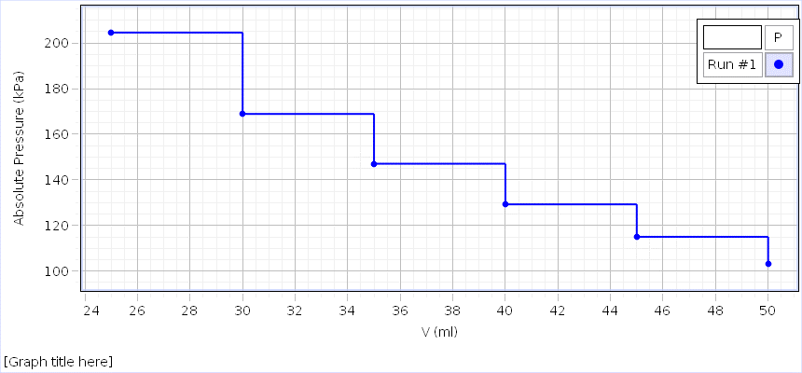
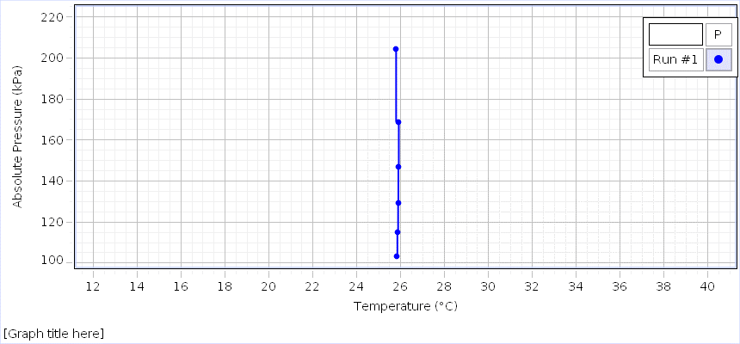
Temperature (°C) Run #1 | Absolute Pressure (kPa) Run #1 | V (ml) Set
25,81 | 103,123 | 50
25,85 | 115,021 | 45
25,88 | 129,253 | 40
25,90 | 147,065 | 35
25,91 | 168,885 | 30
25,79 | 204,561 | 25

2. uzd papild
Temperature (°C) Run #1 | Absolute Pressure (kPa) Run #1 | V (ml) Set
25,88 | 102,987 | 60
25,90 | 113,054 | 55
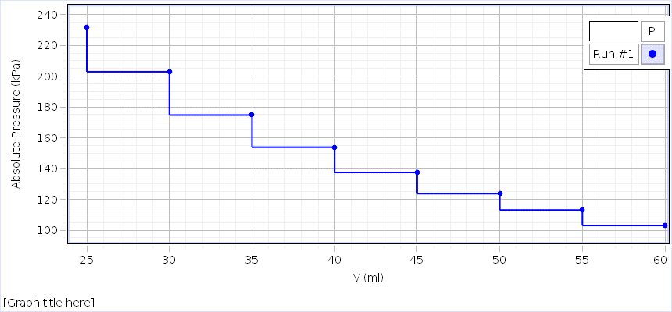
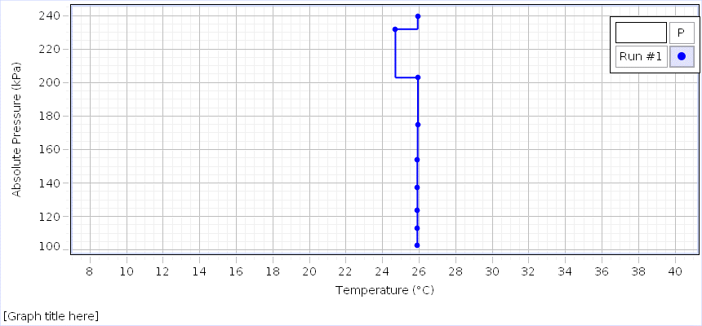
25,91 | 123,690 | 50
25,90 | 137,468 | 45
25,90 | 153,873 | 40
25,92 | 174,746 | 35
25,93 | 202,907 | 30
25,92 | 239,676 | 25

