i18n
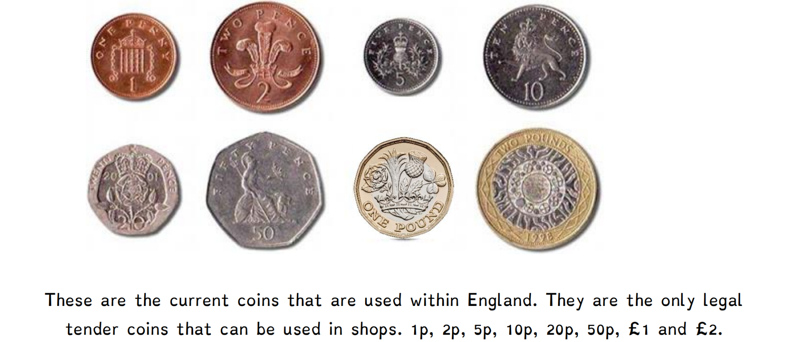
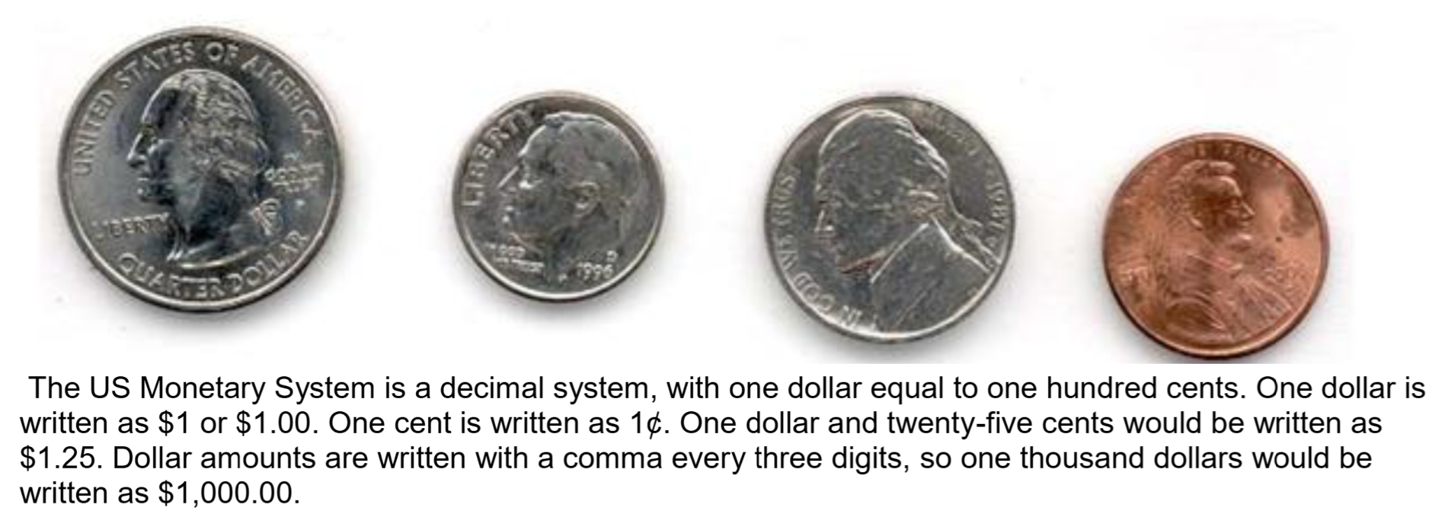

Item | en-US | en-GB | en-AU | pl-PL | ro-RO | fr-CA | fr-FR | es-ES | es-419 | fi-FI | nl-NL | pt-PT | pt-BR | de-DE | it-IT | ja-JP | ko-KR | zh-CN | zh-TW | zh-HK
Currency format (positive values) for penny | 85p | 85p | 85p | 85 zł | 85p | 0,85 $ | 85 p | 85 p. | ¢85 | 85 p | 85p | 85 p | 85p | 85 p | 85 p | 85p | 85p | 85 便士 | 35.53 TWD | 35.53 TWD
Currency format (negative values) for penny | -85p | -85p | -85p | -85 zł | -85p | -0,85 $ | -85 p | - 85 p. | ¢−85 | –85 p | -85p | -85 p | -85p | -85 p | -85 p | -85p | -85p | -85 便士 | -35.53 TWD | -35.53 TWD
Currency format (positive values) for cent | 85¢ | 85¢ | 85¢ | 85 gr | 85¢ | 85 ¢ | 85 ¢ | 85 cts. | ¢85 | 85 ¢ | 85¢ | 85 ¢ | 85¢ | 85 ¢ | 85 ¢ | 85¢ | 85¢ | 85 美分 | 27.35 TWD | 27.35 TWD
Currency format (negative values) for cent | -85¢ | -85¢ | -85¢ | -85 gr | -85¢ | -85 ¢ | -85 ¢ | - 85 cts. | ¢−85 | –85 ¢ | -85¢ | -85 ¢ | -85¢ | -85 ¢ | -85 ¢ | -85¢ | -85¢ | -85 美分 | -27.35 TWD | -27.35 TWD

