Sheet1
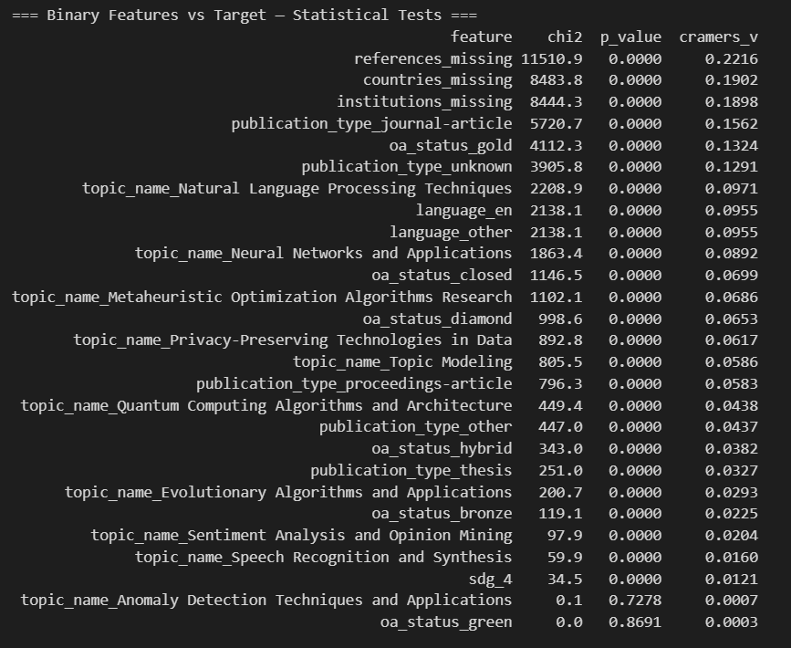
GBC model
Metric | First Model | Enriched | Trimmed+Flags | Tuned GBC
Accuracy | 0.8190 | 0.8311 | 0.8205 | 0.8135
F1 | 0.5428 | 0.5257 | 0.5405 | 0.5523
AUC | 0.8413 | 0.8412 | 0.8406 | 0.8462
Recall | 0.5961 | 0.5195 | 0.5859 | 0.6384
Precision | 0.4982 | 0.5323 | 0.5016 | 0.4867
True Positives | 6.421 | 5.563 | 6.305 | 6.803
False Negatives | 4.139 | 4.997 | 4.255 | 3.757

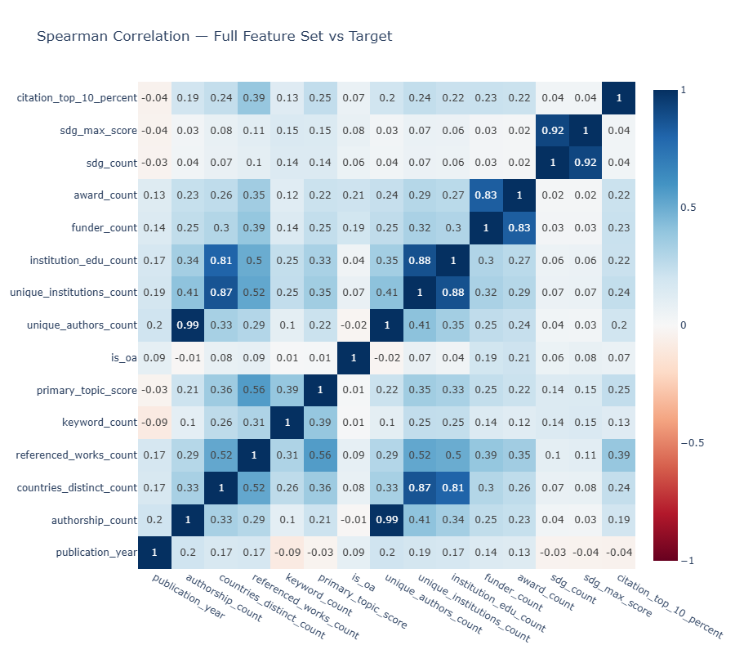

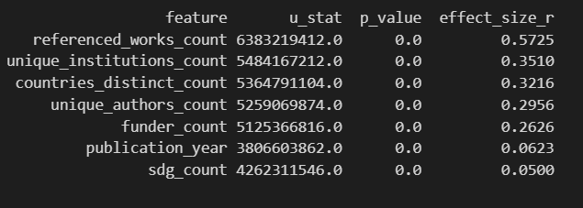

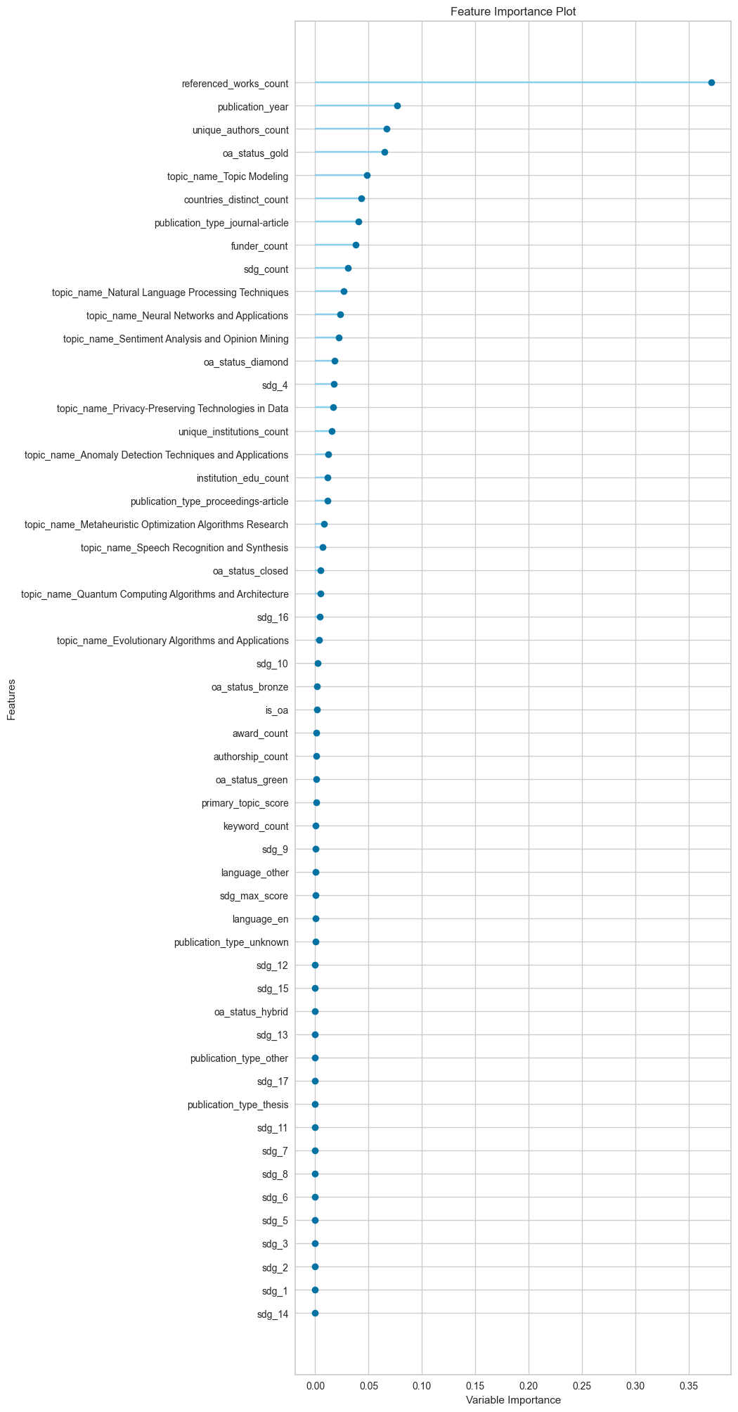
Enriched
GBC
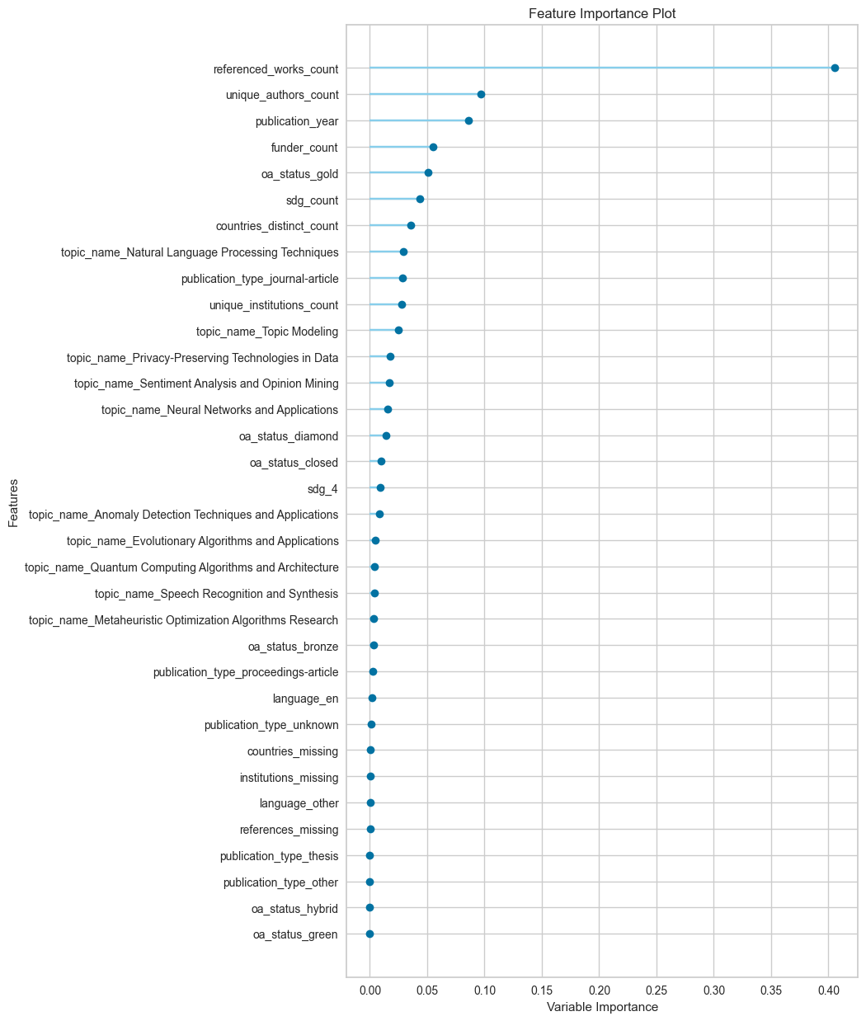
Trimmed+Flags GBC
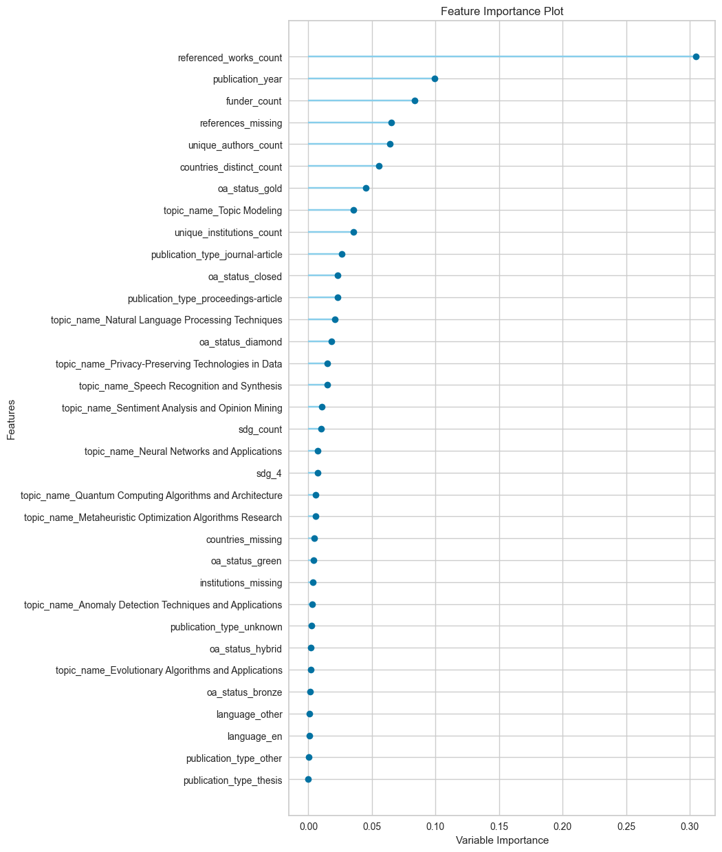
Tuned GBC
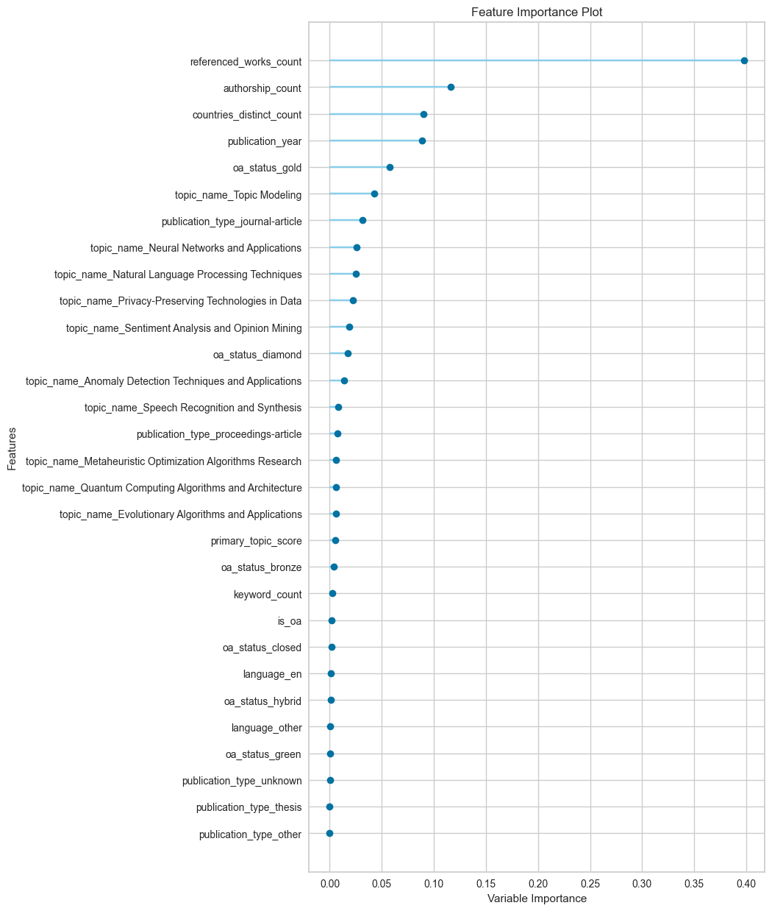
First
GBC

