Model
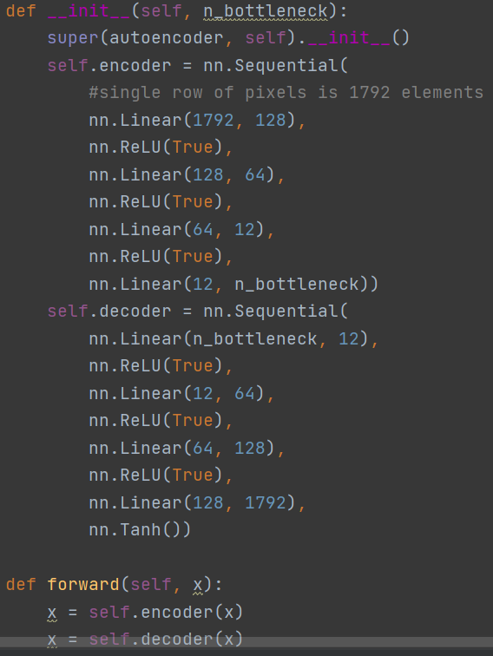
Variables:
learning_rate
batch size
number of images
n_bottleneck variable (neurons in bottleneck layer)
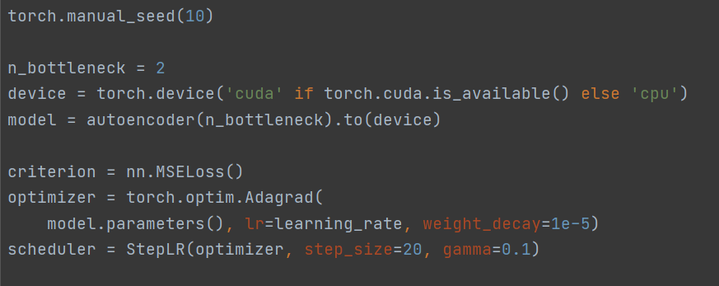

Input:
1D array of uint8 (1792 el.) which is single matrix row
each bit is separate uint8
first 8 numbers are 14th bits from pixels 0, 16, 32…
AUTOENCODER (same input and prediction)

v_batch_size
variable batch size
 | start_loss | stop_loss
2 | 0.0650 | 0.0626
3 | 0.0651 | 0.0630
10 | 0.0627 | 0.0618
20 | 0.0625 | 0.0617
50 | 0.0660 | 0.0623
100 | 0.0649 | 0.0623
128 | 0.0679 | 0.0622
256 | 0.0349 | 0.0622
epochs = 50
learn_rate = 0.1
batch_size = variable
number_of_im = 450
n_bottleneck = 4

ID | batch_size | start_loss | stop_loss
0 | 2 | 0.0650 | 0.0626
1 | 3 | 0.0651 | 0.0630
2 | 10 | 0.0627 | 0.0618
3 | 20 | 0.0625 | 0.0617
4 | 50 | 0.0660 | 0.0623
5 | 100 | 0.0649 | 0.0623
6 | 128 | 0.0679 | 0.0622
7 | 256 | 0.0349 | 0.0622

v_n_bottleneck
variable n_bottleneck
epochs = 50
learn_rate = 0.1
batch_size = 3
number_of_im = 450
n_bottleneck = variable

ID | n_bottleneck | start_loss | stop_loss
0 | 2 | 0.0651 | 0.0630
1 | 4 | 0.0651 | 0.0630
2 | 10 | 0.0651 | 0.0630
3 | 48 | 0.0652 | 0.0630
4 | 96 | 0.0652 | 0.0630
5 | 128 | 0.0652 | 0.0630
6 | 256 | 0.0652 | 0.0630
7 | 512 | 0.0652 | 0.0630

