Model
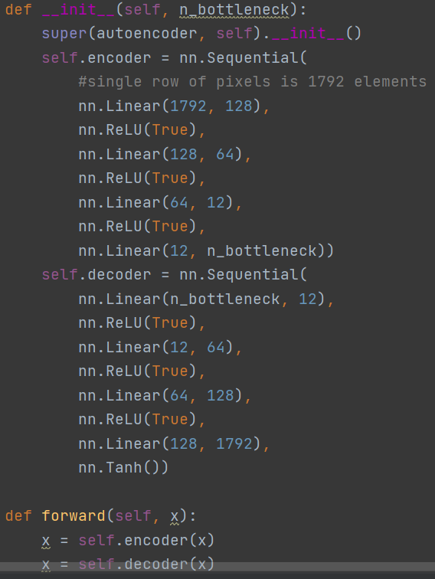
Variables:
learning_rate
batch size
number of images
n_bottleneck variable (neurons in bottleneck layer)
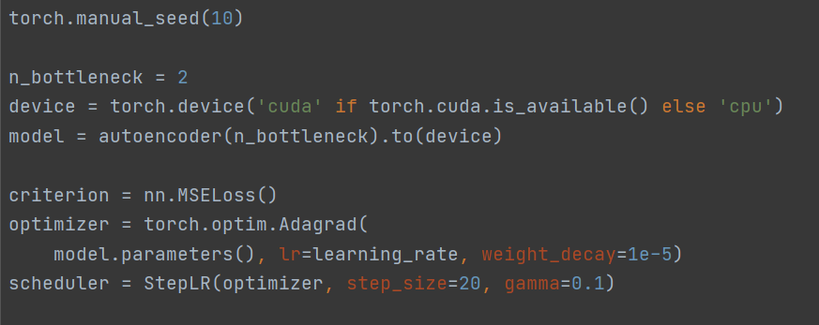

Input:
1D array of uint8 (1792 el.) which is single matrix row
each bit is separate uint8
first 8 numbers are 14th bits from pixels 0, 16, 32…
ENCODER/DECODER

v_batch_size
epochs = 50
learn_rate = 0.1
batch_size = variable
variable batch size
 | start_loss | stop_loss
2 | 0.1862 | 0.1761
3 | 0.1966 | 0.1808
10 | 0.1880 | 0.1681
12 | 0.1815 | 0.1602
14 | 0.2084 | 0.1796
20 | 0.2065 | 0.1738
36 | 0.2363 | 0.1801
50 | 0.2329 | 0.1583
64 | 0.2325 | 0.1643
100 | 0.6621 | 0.1586
128 | 0.7631 | 0.1361
256 | 0.8875 | 0.0850
number_of_im = 450
n_bottleneck = 4

ID | batch_size | start_loss | stop_loss
 | 2 | 0.1862 | 0.1761
 | 3 | 0.1966 | 0.1808
 | 10 | 0.1880 | 0.1681
 | 12 | 0.1815 | 0.1602
 | 14 | 0.2084 | 0.1796
 | 20 | 0.2065 | 0.1738
 | 36 | 0.2363 | 0.1801
 | 50 | 0.2329 | 0.1583
 | 64 | 0.2325 | 0.1643
 | 100 | 0.6621 | 0.1586
 | 128 | 0.7631 | 0.1361
 | 256 | 0.8875 | 0.0850

v_n_bottleneck
epochs = 50
learn_rate = 0.1
batch_size = 12
variable n_bottleneck
 | start_loss | stop_loss
2 | 0.1820 | 0.1602
4 | 0.1815 | 0.1602
6 | 0.1825 | 0.1601
10 | 0.1836 | 0.1603
24 | 0.1814 | 0.1602
48 | 0.1795 | 0.1603
96 | 0.1816 | 0.1603
number_of_im = 450
n_bottleneck = variable

ID | n_bottleneck | start_loss | stop_loss
0 | 2 | 0.1820 | 0.1602
1 | 4 | 0.1815 | 0.1602
2 | 6 | 0.1825 | 0.1601
3 | 10 | 0.1836 | 0.1603
4 | 24 | 0.1814 | 0.1602
5 | 48 | 0.1795 | 0.1603
6 | 96 | 0.1816 | 0.1603

bottleneck48, v_batch_size
variable batch_size
epochs = 50
learn_rate = 0.1
batch_size = variable
number_of_im = 450
n_bottleneck = 48

ID | batch_size | start_loss | stop_loss
0 | 2 | 0.1869 | 0.1761
1 | 4 | 0.1798 | 0.1672
2 | 6 | 0.2042 | 0.1867
3 | 10 | 0.1874 | 0.1681
4 | 24 | 1.0305 | 0.1705
5 | 48 | 0.2343 | 0.1584
6 | 96 | 0.7495 | 0.1584
7 | 128 | 0.5121 | 0.1354
8 | 256 | 0.9125 | 0.0844
9 | 512 | 0.4554 | 0.0004

