Grip Sensor
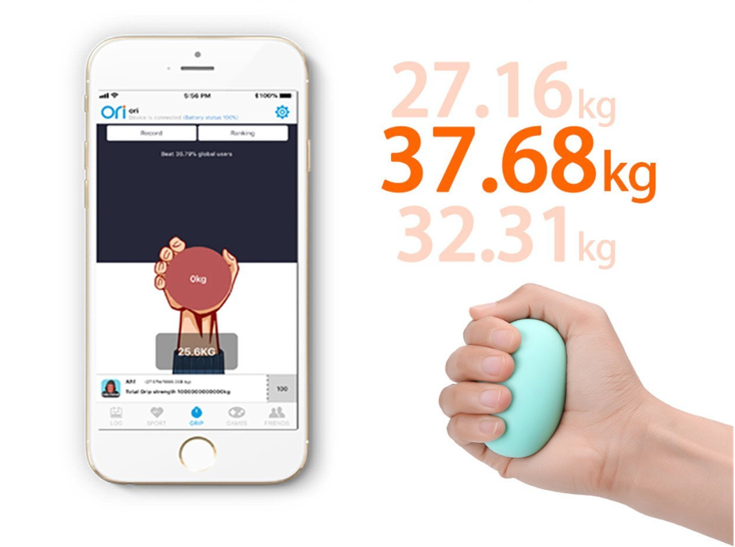 |  | 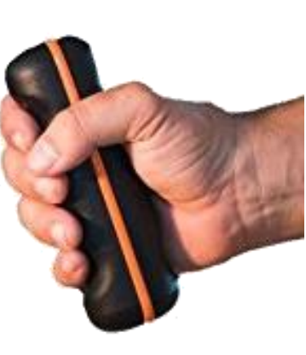 | 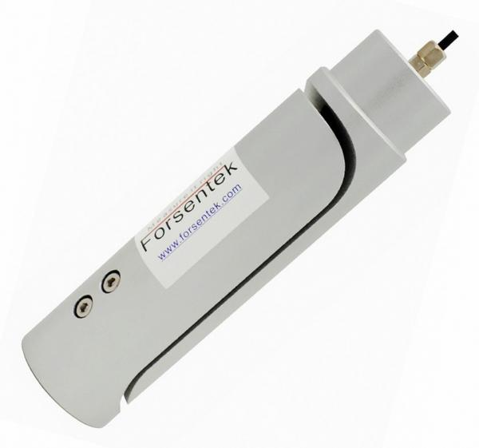 | 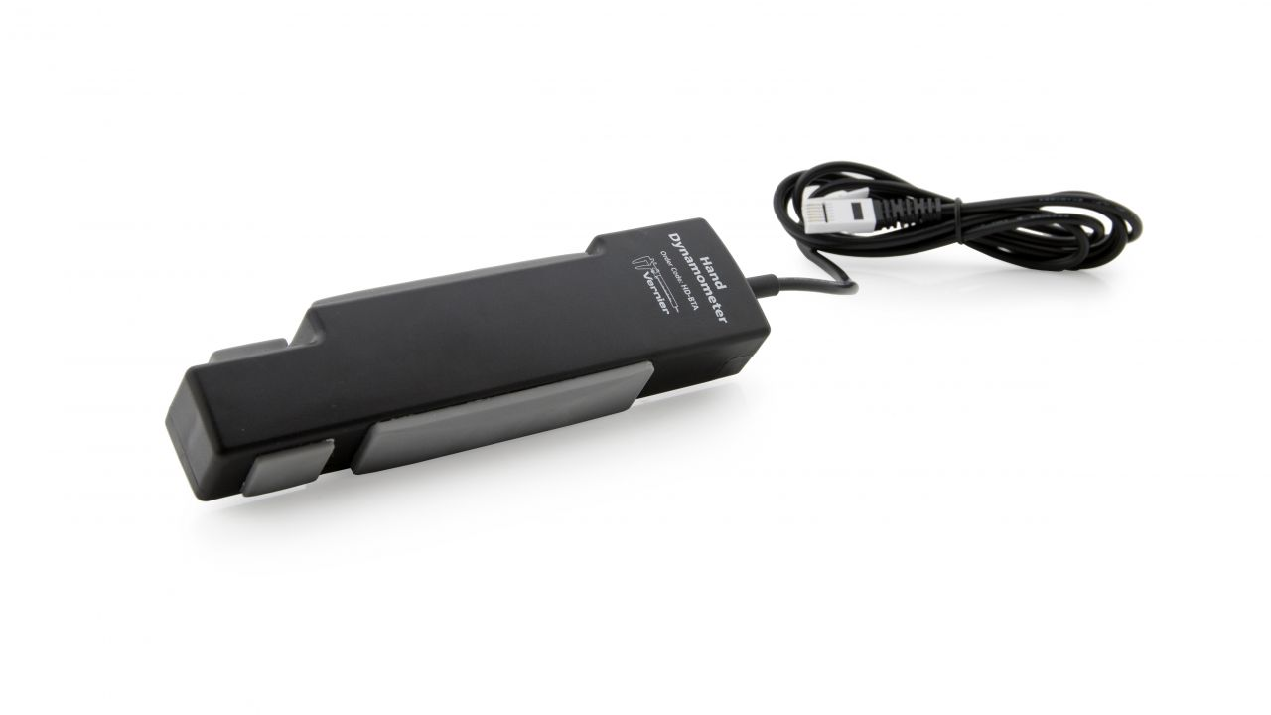 |  | 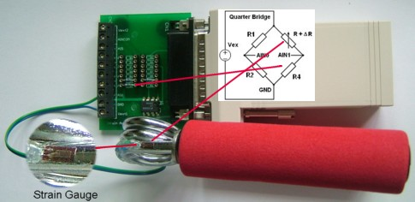 | 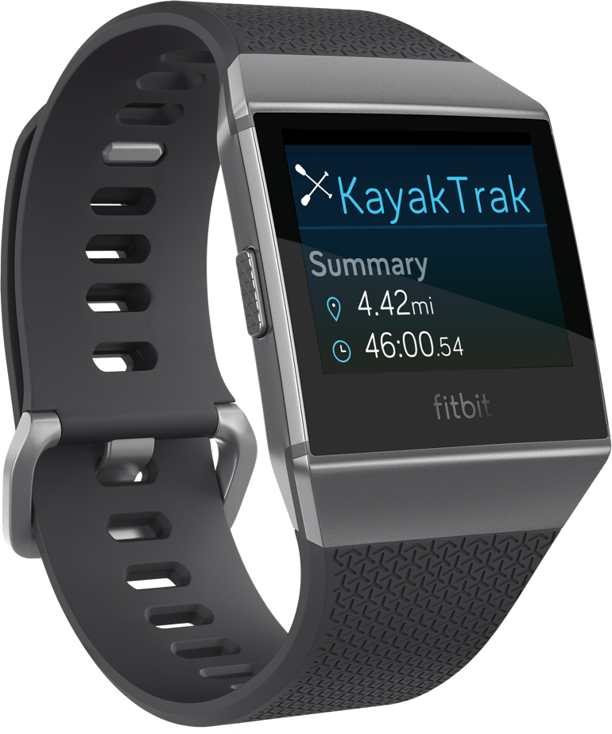
Brand | Oriori | K-Invent | Forsentek | Vernier | Vernier | Self assembly from components, no soldering | Fitbit Ionic
URL | https://www.orioritech.com/shop/oriori-ball | https://www.k-invent.com/k-force-grip/ | http://www.forsentek.com/prodetail_266.html | https://www.vernier.com/products/sensors/hd-bta/ | https://www.vernier.com/products/sensors/ekg-sensors/ekg-bta/ | http://emant.com/80100.page | https://dev.fitbit.com/
Application | Fun, toy, but usable for more serious applications when calibrated | Fitness/ Medical application/hand stenght apparatus | Medical- Fitness application/hanReasearch tool fitness ad strength capacity | Fitness application/hand stenght apparatus | Fitness application/hand stenght apparatus | Fitness application/hand stenght apparatus | Fitness and possibly medical applications
Material | Silicon | Silicon | Aluminium casing | Soft plastic | Plastic | Silicon grip | Metal, silicon wristband
Function | Force measurement of handstrength | Force measurement of handstrength | Force measurement of handstrength | Force measurement of hand and fingerstrength | Musce tension through electro | Force measurement of handrstrength | Several sensors, temperatur, heart rate, blood pressure, saturation
Type of sensor | Force/strength | Force/strength | Force/strength | Force/strength | Muscle tension(EKG, EMG) | Force/strength | Several
Measures up to | 60kg | 70-90kg | 5 - 50kilo | 0 - 90kilo | EKG/EMG tables tension measurement | 30kg | NA
Accuracy | Reasonbly accurate(5 to 10% off) | Accurate and calibrated(less than 3%) | Accurate ad calibrated(less than 3% + or - difference) | Accurate(less than 5% + or - difference) | Accurate(less than 5% + or - difference) | Accurate(less than 5% + or - difference) | Accurate(less than 5% off)
Wired | No | No | Yes | Yes(USB( | Yes(USB) | Yes(USB) | Yes, USB
Wireless | Yes(BLE4) | Yes(BLE4) | No | No | No | No | Yes, Bluetooth 5
Protocol | Bluetooth 4 | Bluetooth 4 | Serial to USB, analog output, need A/D converter | Serial to USB | Serial to USB | Serial to USB | Depending on connection
Interface | From USB to software | Provided by software | Data from the USB port | Provided by software | Provided by software | Codeexamples available | SDK/API ad cloud service available
Programmable | Maybe | Yes | Yes | Yes | Yes | Yes | Yes
Development Software available | No | Yes | No | Yes | Yes | Yes | Yes
Data available | Possibly | Yes | Yes | Yes | Yes | Yes | Yes
Industry Grade | No, but sturdy through material | Yes | Yes | No, for test use, research & study | No, for test use, research & study | No | No, but very durable
Price | $30 - $50 | $300 | $50 to $80, only for the sensor | $150 | $200 | About $200 total BOM cost | About $200

