Tabelle1
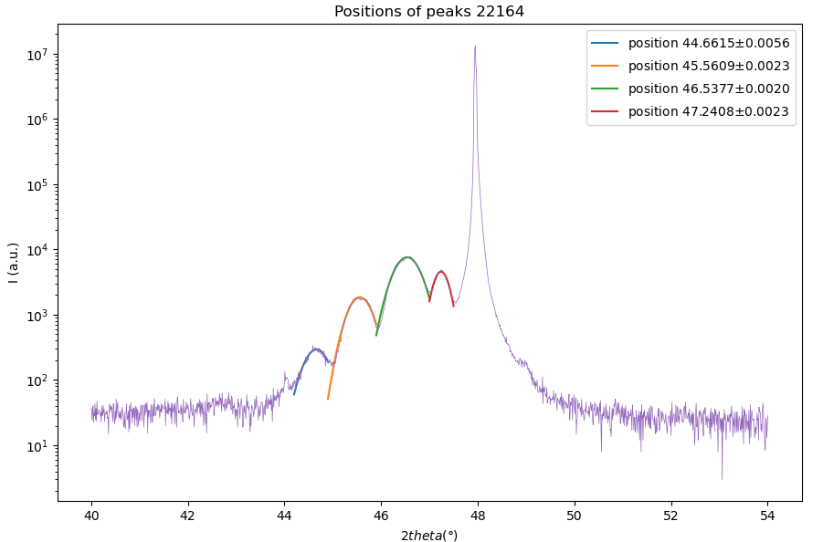
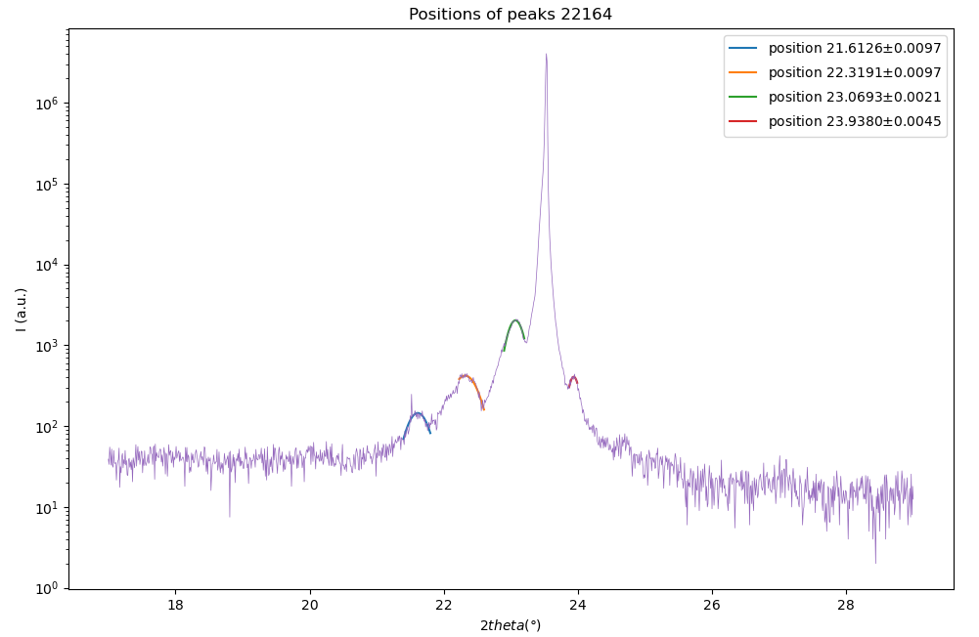
Sample | 22164 (10,12)*5
n | 2ϑ | sinϑ |  | repetitions | 𝞬 (x-rays) (Angstrom) |  | 0.1980105477 | 0
1 | 23.0693 | 0.19996051384 | 0.001 | 5 | 1.5406 |  | 0.00097498307106 | #N/A
2 | 46.5377 | 0.39504611233 | 0.001 |  |  |  | 0.99997575585 | 0.0021801284238
3 |  |  |  |  |  |  | 41246.062938 | 1
4 |  |  |  |  |  |  | 0.196040885 | 4.7529599442E-06
5
 |  |  | (+/-)
 | slope | 0.19508559849 | 0.0014142143728
 | c | 3.9485231405

001 Peak |  |  |  |  | 002 Peak
n | 2ϑ | sinϑ | err | propagated | n | 2ϑ | sinϑ | err | propagated
1 | 21.6126 | 0.18748932158 | 0.0097 |  | 1 | 44.6615 | 0.3799526545 | 0.0056 | 0.0019914653047 | theta oder 2theta?
2 | 22.3191 | 0.19354176258 | 0.0097 |  | 2 | 45.5609 | 0.38720101325 | 0.0023 | 0.00080515688269
3 | 23.0693 | 0.19996051384 | 0.0021 |  | 3 | 46.5377 | 0.39504611233 | 0.002 | 0.00068786447009
4 | 23.938 | 0.20738243163 | 0.0045 |  | 4 | 47.2408 | 0.40067527553 | 0.0023 | 0.00078073949698
5 |  |  |  |  |  | slope | 0.0070012962164 | 0.0032
 | slope | 0.0066098081422 | 0.00022 |  |  | ƛ | 110.02248386 |  | mean values
 | ƛ | 116.53893478 |  |  |  | uc | 27.864211491 |  | ƛ | 113.28070932
 | uc | 29.514562948 |  |  |  | thickness | 550.11241932 |  | uc | 28.68938722
 | thickness | 582.69467391 |  |  |  |  |  |  | thickness uc | 566.40354662
 |  |  |  |  |  |  |  |  | thickness | 143.4469361
 | PEAK 001
 | 2𝛝 (deg) | ∆_2𝛝 | 𝛝 | ∆_𝛝 | sin(𝛝) (rad) | ∆_sin𝛝 | slope | delta_slope | ƛ | ∆ƛ | uc | ∆uc
1 | 21.6126 | 0.0097 | 10.8063 | 0.00485 | 0.18748932158 | 0.005 | 0.0068659143789 | 0.0015122152399 | 112.191903 | 24.710227385 | 28.41363717 | 6.2614824318
002
2 | 22.3191 | 0.0097 | 11.15955 | 0.00485 | 0.19354176258 | 0.005
3 | 23.0693 | 0.0021 | 11.53465 | 0.00105 | 0.19996051384 | 0.001
4 | 23.938 | 0.0045 | 11.969 | 0.00225 | 0.20738243163 | 0.002

 | PEAK 002
n | 2𝛝 (deg) | ∆_2𝛝 | 𝛝 | ∆_𝛝 | sin(𝛝) (rad) | ∆_sin𝛝 | slope | delta_slope | ƛ | ∆ƛ | uc | ∆uc
1 | 44.6615 | 0.0056 | 22.33075 | 0.0028 | 0.3799526545 | 0.003 | 0.0068148302766 | 0.0006416888603 | 113.03289572 | 10.643251128 | 28.626626355 | 2.7034782268
2 | 45.5609 | 0.0023 | 22.78045 | 0.00115 | 0.38720101325 | 0.001
3 | 46.5377 | 0.002 | 23.26885 | 0.001 | 0.39504611233 | 0.001
4 | 47.2408 | 0.0023 | 23.6204 | 0.00115 | 0.40067527553 | 0.001

n | 2𝛝 (deg) | ∆_2𝛝 | 𝛝 | ∆_𝛝 | sin(𝛝) (rad) | ∆_sin𝛝 | slope | delta_slope | c | ∆c
1 | 23.0693 | 0.0021 | 11.53465 | 0.00105 | 0.19996051384 | 0.001 | 0.1950856 | 0.0014142143728 | 3.9485231099 | 0.028623630515
2 | 46.5377 | 0.002 | 23.26885 | 0.001 | 0.39504611233 | 0.001
001
Mean values
 | c | ∆c | ƛ | ∆ƛ | uc | ∆uc
22164 | 3.9485231099 | 0.028623630515 | 112.61239936 | 13.452454534 | 28.520131762 | 3.4100937218

