Tabelle1
Sample | 22165 (10,17)*4
n | 2ϑ | sinϑ |  | repetitions | 𝞬 (x-rays) (Angstrom)
1 | 23.1409 | 0.20057268359 |  | 4 | 1.5406
2 | 46.779 | 0.39697969665
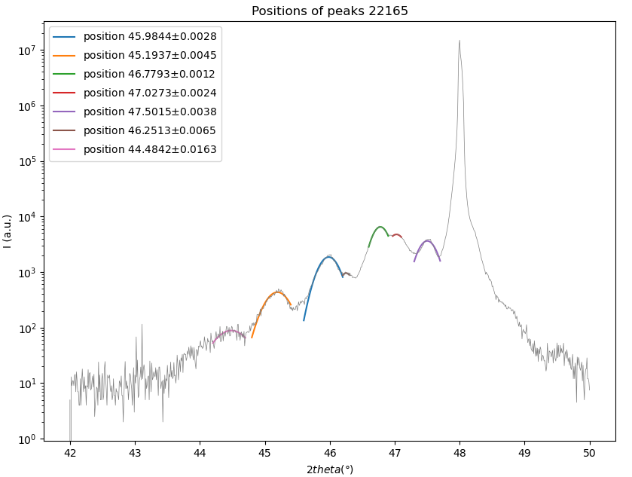
3
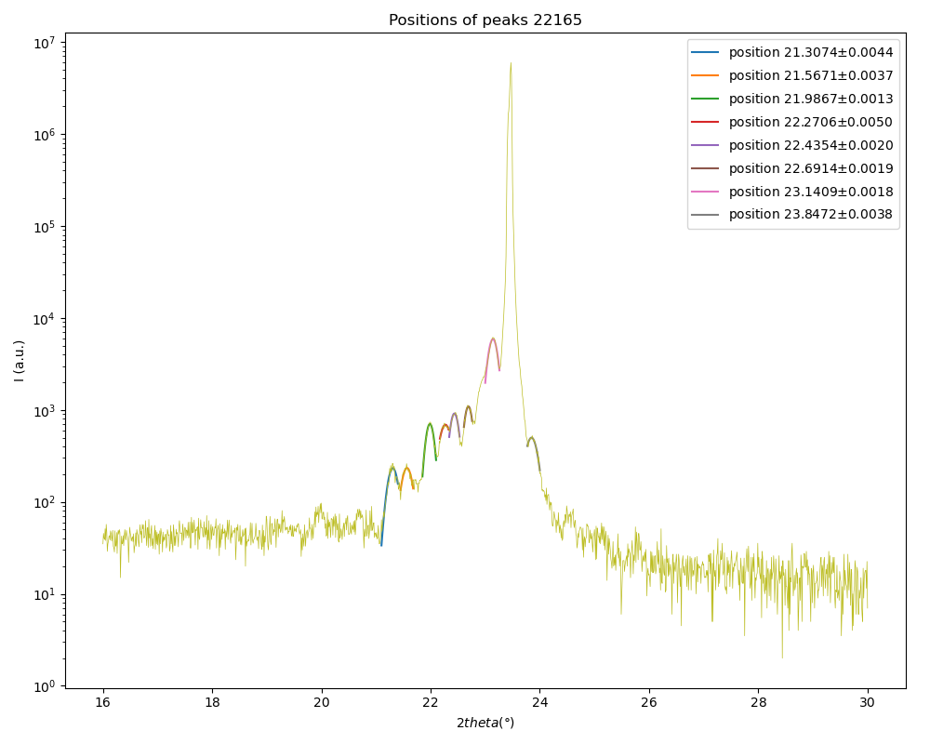
4
5

 | slope | 0.19640701306
 | c | 3.9219577143

001 Peak |  |  |  |  | 002 Peak
n | 2ϑ | sinϑ | delta_2ϑ | delta_sinϑ | n | 2ϑ | sinϑ | delta_2ϑ | delta_sinϑ
1 | 21.3074 | 0.18487251779 | 0.0044 |  | 1 | 44.4842 | 0.37852099929 | 0.0163
2 | 21.9867 | 0.19069506213 | 0.0013 |  | 2 | 45.194 | 0.38424698296 | 0.0045
3 | 22.4354 | 0.19453738183 | 0.002 |  | 3 | 45.984 | 0.39060259796 | 0.0028
4 | 23.1409 | 0.20057268359 | 0.0018 |  | 4 | 46.779 | 0.39697969665 | 0.0012
5 | 23.8472 | 0.2066072135 | 0.0038 |  | 5 | 47.5014 | 0.40275787247 | 0.0038
6
7
8 |  |  |  |  |  |  |  | mean values
 | slope | 0.0053347012881 |  |  |  | slope | 0.0061206460038 | ƛ | 135.12347132
 | ƛ | 144.39421411 |  |  |  | ƛ | 125.85272854 | uc | 34.453066853
 | uc | 36.816871733 |  |  |  | uc | 32.089261973 | thickness | 540.4938853
 | thickness | 577.57685644 |  |  |  | thickness | 503.41091416 | thickness uc | 137.81226741

 |  |  |  |  |  |  | Fehler übernehmen vom Gauss fit -> linear fit

002
001
 | PEAK 001
n | 2𝛝 (deg) | ∆_2𝛝 | 𝛝 (deg) | ∆_𝛝 | sin(𝛝) (rad) | ∆_sin𝛝 | slope | delta_slope | ƛ | ∆ƛ | uc | ∆uc
1 | 21.3074 | 0.0044 | 10.6537 | 0.0022 | 0.18487251779 | 0.0021620775232 | 0.0050858263246 | 0.00042415641891 | 151.46014646 | 12.631731646 | 38.618975062 | 3.2272905688
2 | 21.9867 | 0.0013 | 10.99335 | 0.00065 | 0.19069506213 | 0.00063807205993
3 | 22.4354 | 0.002 | 11.2177 | 0.001 | 0.19453738183 | 0.00098089510503
4 | 23.1409 | 0.0018 | 11.57045 | 0.0009 | 0.20057268359 | 0.00088171094179
5 | 23.8472 | 0.0038 | 11.9236 | 0.0019 | 0.2066072135 | 0.0018590055374

 | PEAK 002
n | 2𝛝 (deg) | ∆_2𝛝 | 𝛝 (deg) | ∆_𝛝 | sin(𝛝) (rad) | ∆_sin𝛝 | slope | delta_slope | ƛ | ∆ƛ | uc | ∆uc
1 | 44.4842 | 0.0163 | 22.2421 | 0.00815 | 0.37852099929 | 0.0075435805349 | 0.0062310735632 | 0.0007294537357 | 123.62235692 | 14.472111291 | 31.520956703 | 3.6938365677
2 | 45.1937 | 0.0045 | 22.59685 | 0.00225 | 0.38424456595 | 0.0020772705228
3 | 45.9844 | 0.0028 | 22.9922 | 0.0014 | 0.39060581131 | 0.0012887812523 | 0.0038762586931
4 | 46.2513 | 0.0065 | 23.12565 | 0.00325 | 0.39274886016 | 0.0029888487358 | 0.0033458254712 | 0.00037875429133
5 | 46.7793 | 0.0012 | 23.38965 | 0.0006 | 0.39698209951 | 0.00055069581128 | 0.0061206460038
6 | 47.0273 | 0.0024 | 23.51365 | 0.0012 | 0.39896753565 | 0.0011003580617
7 | 47.5015 | 0.0038 | 23.75075 | 0.0019 | 0.40275867122 | 0.0017390817935

n | 2𝛝 (deg) | ∆_2𝛝 | 𝛝 (deg) | ∆_𝛝 | sin(𝛝) (rad) | ∆_sin𝛝 | slope | delta_slope | c | ∆c
1 | 23.1409 | 0.0018 | 11.57045 | 0.0009 | 0.20057268359 | 0.00088171094179 | 0.1964094 | 0.0010395497638 | 3.9219100511 | 0.020757767537
2 | 46.7793 | 0.0012 | 23.38965 | 0.0006 | 0.39698209951 | 0.00055069581128

Mean values
 | c | ∆c | ƛ | ∆ƛ | uc | ∆uc
22165 | 3.9219100511 | 0.020757767537 | 137.54125169 | 9.6047208393 | 35.069965883 | 2.4525411823

