Tabelle1
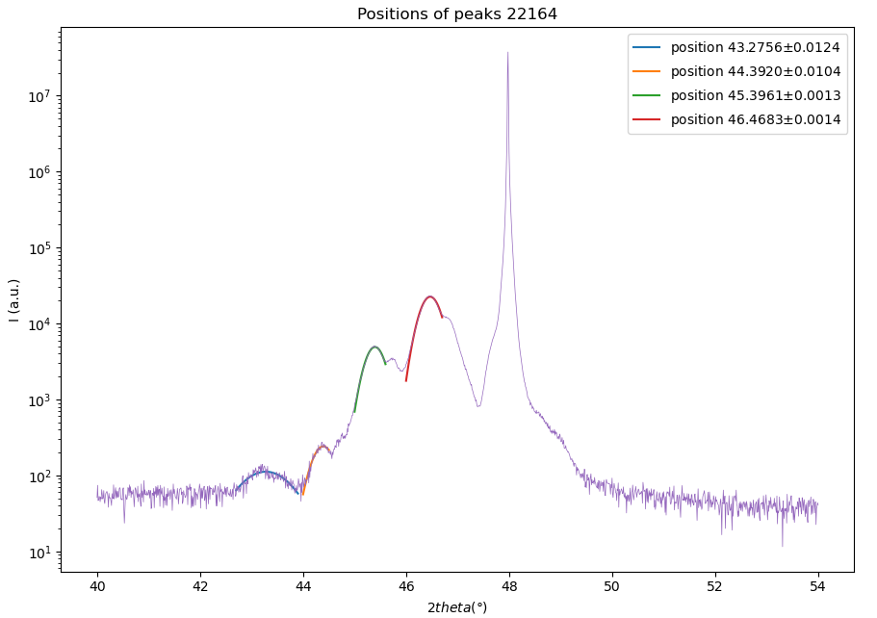
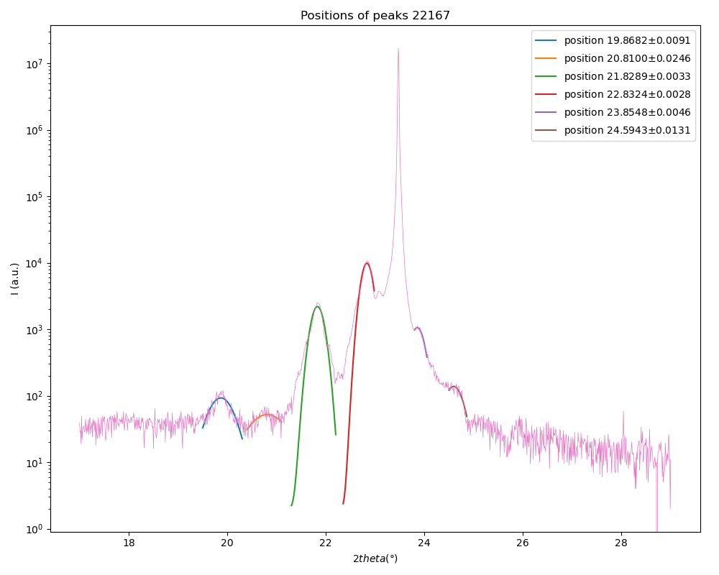
Sample | 22167 (10,8)*6
n | 2ϑ | sinϑ |  | repetitions | 𝞬 (x-rays) (Angstrom)
1 | 22.8324 | 0.19793449762 |  | 6 | 1.5406
2 | 46.4683 | 0.39448967176
3
4
5

 | slope | 0.19655517415
 | c | 3.9190013865

001 Peak |  |  |  |  | 002 Peak
n | 2ϑ | sinϑ |  |  | n | 2ϑ | sinϑ
1 | 19.8682 | 0.17251536478 |  |  | 1 | 43.2756 | 0.36873787811
2 | 20.81 | 0.18060497737 |  |  | 2 | 44.392 | 0.37777614794
3 | 21.8289 | 0.18934308704 |  |  | 3 | 45.3961 | 0.38587464451
4 | 22.8324 | 0.19793449762 |  |  | 4 | 46.4683 | 0.39448967176
5 | 23.8548 | 0.20667210458 |  |  | 5
6 | 24.5943 | 0.21298178592 |  |  |  | slope | 0.0085353877533 |  | mean values
 | slope | 0.00826071137 |  |  |  | ƛ | 90.24780388 |  | ƛ | 91.748215845
 | ƛ | 93.248627811 |  |  |  | uc | 23.028265361 |  | uc | 23.411121048
 | uc | 23.793976734 |  |  |  | thickness | 541.48682328 |  | thickness (A) | 550.48929507
 | thickness | 559.49176687 |  |  |  |  |  |  | thickness (uc) | 140.46672629

 |  |  |  | Fehler übernehmen vom Gauss fit -> linear fit
 |  | 001 Peak
 | n | 2𝛝 (deg) | ∆_2𝛝 | 𝛝 (deg) | ∆_𝛝 | sin(𝛝) (rad) | ∆_sin𝛝 | slope | delta_slope | ƛ | ∆ƛ | uc | ∆uc
 | 1 | 19.8682 | 0.0091 | 9.9341 | 0.00455 | 0.17251536478 | 0.0044817810621 | 0.0084724808161 | 0.00096356138361 | 90.917880692 | 10.339941844 | 23.199246392 | 2.644469374
002 Peak
 | 2 | 20.81 | 0.0246 | 10.405 | 0.0123 | 0.18060497737 | 0.01209773528
001 Peak
 | 3 | 21.8289 | 0.0033 | 10.91445 | 0.00165 | 0.18934308704 | 0.0016201531361
 | 4 | 22.8324 | 0.0028 | 11.4162 | 0.0014 | 0.19793449762 | 0.0013723013488
 | 5 | 23.8548 | 0.0046 | 11.9274 | 0.0023 | 0.20667210458 | 0.0022503436031
 | 6 | 24.5943 | 0.0131 | 12.29715 | 0.00655 | 0.21298178592 | 0.0063997179119

 |  | 002 Peak
 | n | 2𝛝 (deg) | ∆_2𝛝 | 𝛝 (deg) | ∆_𝛝 | sin(𝛝) (rad) | ∆_sin𝛝 | slope | delta_slope | ƛ | ∆ƛ | uc | ∆uc
 | 1 | 43.2756 | 0.0124 | 21.6378 | 0.0062 | 0.36873787811 | 0.0057631071985 | 0.0085901651609 | 0.00079935025452 | 89.672315441 | 8.3443783475 | 22.881419195 | 2.1292103137
 | 2 | 44.392 | 0.0104 | 22.196 | 0.0052 | 0.37777614794 | 0.0048146641962
 | 3 | 45.3961 | 0.0013 | 22.69805 | 0.00065 | 0.38587464451 | 0.00059965829483
 | 4 | 46.4683 | 0.0014 | 23.23415 | 0.0007 | 0.39448967176 | 0.00064323026238

 | n | 2𝛝 (deg) | ∆_2𝛝 | 𝛝 (deg) | ∆_𝛝 | sin(𝛝) (rad) | ∆_sin𝛝 | slope | delta_slope | c | ∆c
 | 1 | 22.8324 | 0.0028 | 11.4162 | 0.0014 | 0.19793449762 | 0.0013723013488 | 0.19655517 | 0.0015155699058 | 3.9190014692 | 0.030218084253
 | 2 | 46.4683 | 0.0014 | 23.23415 | 0.0007 | 0.39448967176 | 0.00064323026238

Mean values
 | c | ∆c | ƛ | ∆ƛ | uc | ∆uc
22167 | 3.9190014692 | 0.030218084253 | 90.295098066 | 6.6434751326 | 23.040332793 | 1.6975537421

 | 3.9190014692 | 0.030218084253 | 90.295098066 | 6.6434751326 | 23.040332793 | 1.6975537421

