Tabelle1
Sample |  |  | (12,8)*5
n | 2ϑ | sinϑ |  | repetitions | 𝞬 (x-rays) (Angstrom)
1 | 22.8855 | 0.19838869331 |  | 5 | 1.5406
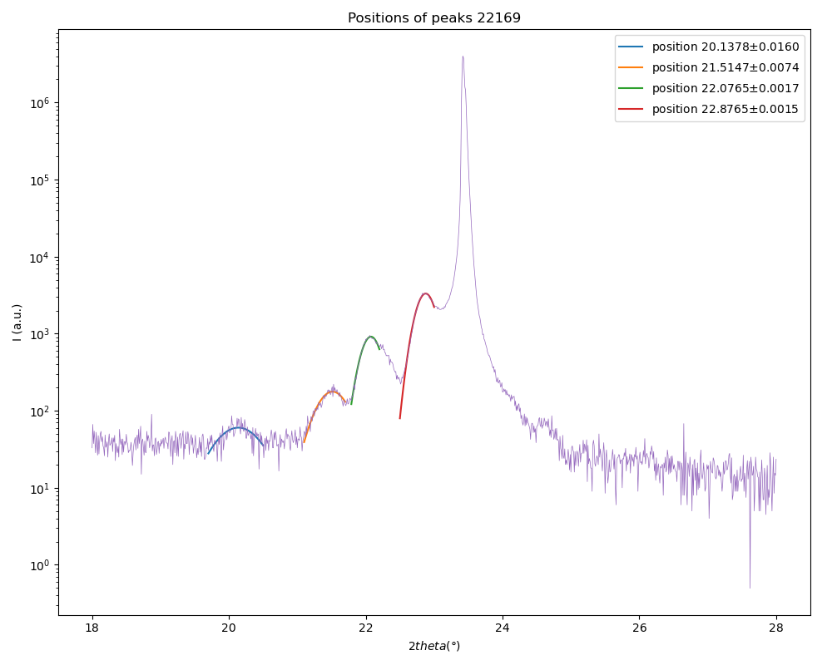
2 | 46.59 | 0.39546535149
3
4
5
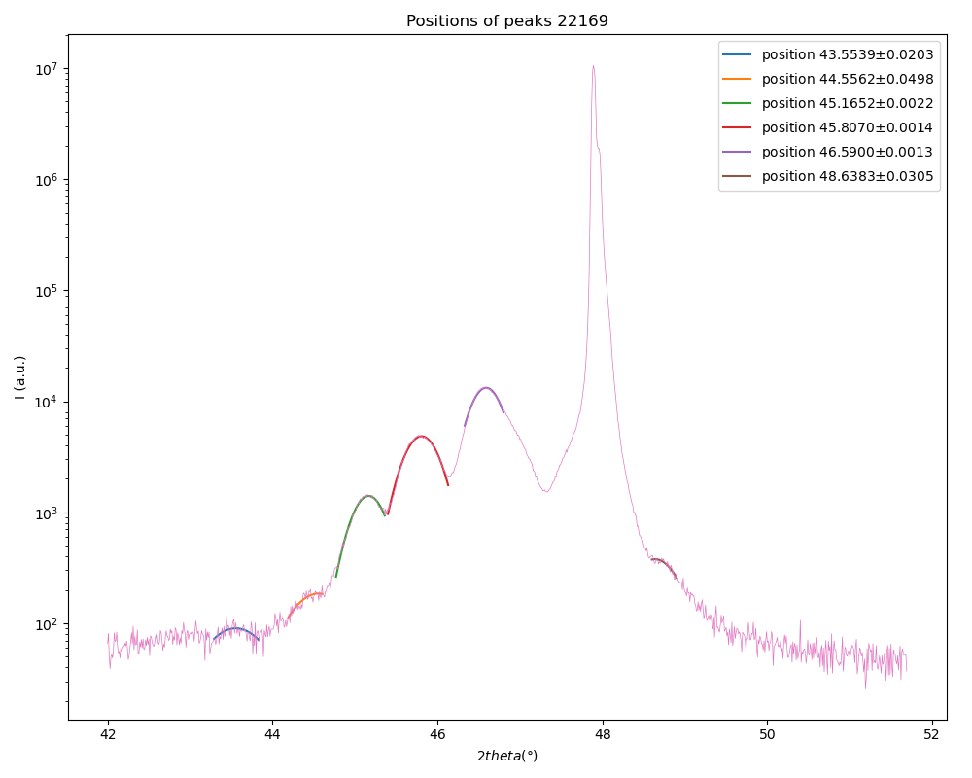
 | slope | 0.19707665818
 | c | 3.9086313272

001 Peak |  |  |  | 002 Peak
n | 2ϑ | sinϑ |  | n | 2ϑ | sinϑ
1 | 20.1525 | 0.17495861902 |  | 1 | 43.5539 | 0.37099427715
2 | 21.5173 | 0.18667235538 |  | 2 | 44.5562 | 0.37910249159
3 | 22.0703 | 0.19141117125 |  | 3 | 45.1652 | 0.38401493773
4 | 22.8855 | 0.19838869331 |  | 4 | 45.807 | 0.38918022143
5 |  |  |  | 5 | 46.59 | 0.39546535149
 | slope | 0.0075029038762 |  | 6 | 48.6383 | 0.41181895443 |  | mean values
 | ƛ | 102.66691573 |  |  | slope | 0.0073822071376 |  | ƛ | 103.50620144
 | uc | 26.266717717 |  |  | ƛ | 104.34548715 |  | uc | 26.481443957
 | thickness | 513.33457866 |  |  | uc | 26.696170197 |  | thickness (A) | 517.5310072
 |  |  |  |  | thickness | 521.72743574 |  | thickness (uc) | 158.88866374

 |  | ƛ (mean) | time | # uc | thickness | thickness (uc) | LCO #uc | expected c | average c | SCO #uc
(10,8)*6 | 22167 | 91.748215845 | 100 | 23.411121048 | 550.48929507 | 140.46672629 | 13.851121048 | 9.5609756098 | 3.9190013865 | 9.56
(12,8)*5 | 22169 | 103.50620144 | 120 | 26.481443957 | 517.5310072 | 158.88866374 | 16.921443957 |  |  | 9.56
(19,8)*4 | 22170 | 137.9269139 | 190 | 34.994412598 | 551.70765562 | 139.97765039 | 25.434412598 |  |  | 9.56

Slopes with error bars
 | PEAK 001
 | n | 2𝛝 (deg) | ∆_2𝛝 | 𝛝 (deg) | ∆_𝛝 | sin(𝛝) (rad) | ∆_sin𝛝 | slope | delta_slope | ƛ | ∆ƛ | uc | ∆uc
 | 1 | 20.1525 | 0.0141 | 10.07625 | 0.00705 | 0.17495861902 | 0.006941259303 | 0.0064664758791 | 0.0012187880503 | 119.12207119 | 22.451882541 | 30.476671325 | 5.7469212205
 | 2 | 21.5173 | 0.006 | 10.75865 | 0.003 | 0.18667235538 | 0.0029472666804
001
 | 3 | 22.1221 | 0.0045 | 11.06105 | 0.00225 | 0.1918548337 | 0.0022082024582
 | 4 | 22.8855 | 0.002 | 11.44275 | 0.001 | 0.19838869331 | 0.00098012342405
 |  |  |  |  |  |  |  |  |  |  |  |  |  |  |  |  |  |  |  |  |  |  | PEAK 002
 | n | 2𝛝 (deg) | ∆_2𝛝 | 𝛝 (deg) | ∆_𝛝 | sin(𝛝) (rad) | ∆_sin𝛝 | slope | delta_slope | ƛ | ∆ƛ | uc | ∆uc
 | 1 | 43.5539 | 0.0203 | 21.77695 | 0.01015 | 0.37099427715 | 0.0094256467971 | 0.0058856386593 | 0.00054420037393 | 130.87789526 | 12.101286481 | 33.484328789 | 3.0960419595
002
 | 2 | 44.5562 | 0.0498 | 22.2781 | 0.0249 | 0.37910249159 | 0.023041331762 | 0.0058578153833 | 0.00054542293194
 | 3 | 45.1652 | 0.0022 | 22.5826 | 0.0011 | 0.38401493773 | 0.0010156595682
 | 4 | 45.807 | 0.0014 | 22.9035 | 0.0007 | 0.38918022143 | 0.00064481314353
 | 5 | 46.59 | 0.0013 | 23.295 | 0.00065 | 0.39546535149 | 0.00059701258221
 | 6 | 48.6383 | 0.0305 | 24.31915 | 0.01525 | 0.41181895443 | 0.013896801697

 | n | 2𝛝 (deg) | ∆_2𝛝 | 𝛝 (deg) | ∆_𝛝 | sin(𝛝) (rad) | ∆_sin𝛝 | slope | delta_slope | c | ∆c
 | 1 | 22.8855 | 0.002 | 11.44275 | 0.001 | 0.19838869331 | 0.00098012342405 | 0.19707666 | 0.0011476334895 | 3.908631291 | 0.022761072609
 | 2 | 46.59 | 0.0013 | 23.295 | 0.00065 | 0.39546535149 | 0.00059701258221
 |  |  |  |  |  |  |  |  |  |  |  |  |  |  |  | peak positions 2theta (deg) | std. deviation
Mean values |  |  |  |  |  |  |  |  |  |  |  |  |  |  |  | 20.1378 | 0.016
 | c | ∆c | ƛ | ∆ƛ | uc | ∆uc |  |  |  |  |  |  |  |  |  | 21.5147 | 0.0074
22169 | 3.908631291 | 0.022761072609 | 124.99998322 | 12.752726808 | 31.980500057 | 3.2639155676 |  |  |  |  |  |  |  |  |  | 22.0765 | 0.0017
 |  |  |  |  |  |  |  |  |  |  |  |  |  |  |  | 22.8765 | 0.0015
 | 3.908631291 | 0.022761072609 | 124.99998322 | 12.752726808 | 31.980500057 | 3.2639155676
 |  |  |  |  |  |  |  |  |  |  |  |  |  | n | 2𝛝 (deg) | ∆_2𝛝 | 𝛝 (deg) | ∆_𝛝 | sin(𝛝) (rad) | ∆_sin𝛝 | slope | delta_slope | ƛ | ∆ƛ | uc | ∆uc
 |  |  |  |  |  |  |  |  |  |  |  |  |  | 1 | 21.5147 | 0.006 | 10.75735 | 0.003 | 0.18665006488 | 0.0029472793861 | 0.0061002177839 | 0.0013783920218 | 126.27418025 | 28.532640764 | 32.306495765 | 7.3023297342
 |  |  |  |  |  |  |  |  |  |  |  |  |  | 2 | 22.0765 | 0.0045 | 11.03825 | 0.00225 | 0.19146427577 | 0.0022083740614
 |  |  |  |  |  |  |  |  |  |  |  |  |  | 3 | 22.8765 | 0.002 | 11.43825 | 0.001 | 0.19831171399 | 0.00098013900244

001_2
1 | 0.18665006488
2 | 0.19146427577
3 | 0.19831171399

