Tabelle1
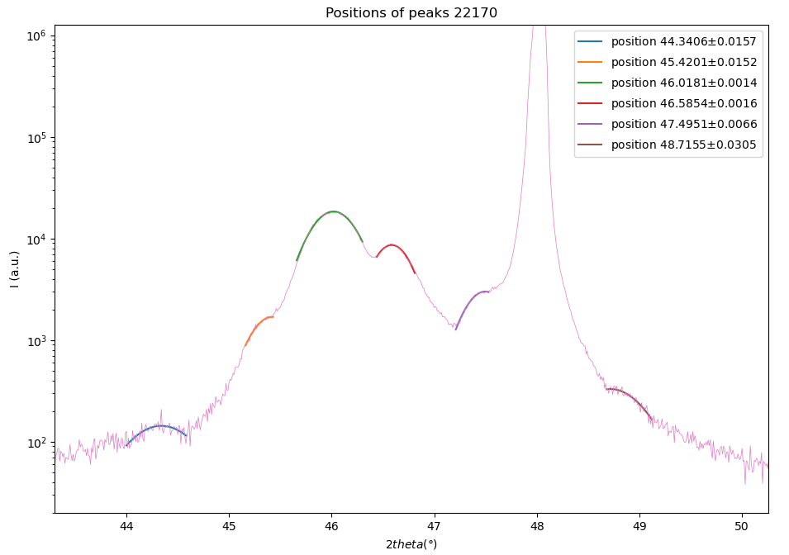
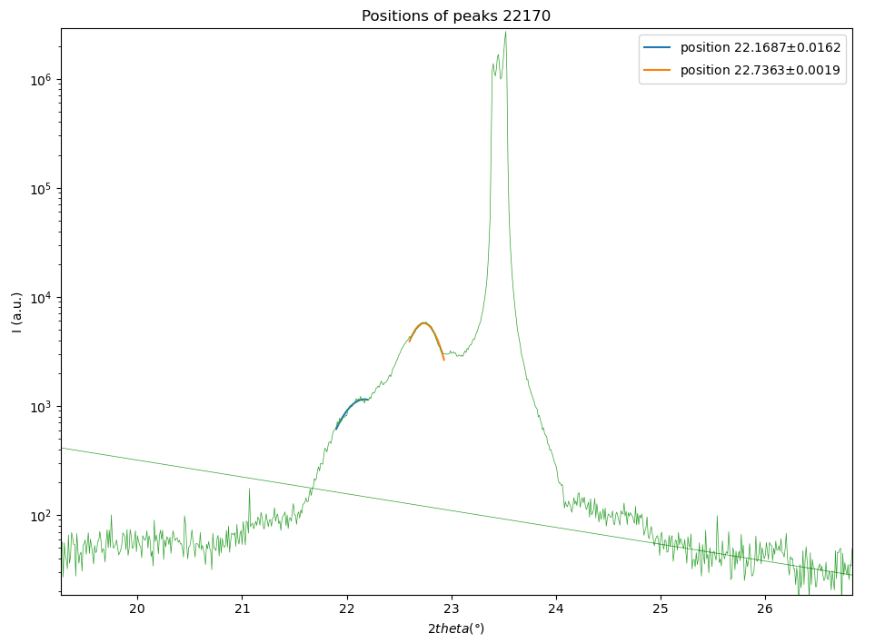
Sample | (19,8)*4 | 22170
n | 2ϑ | sinϑ |  | repetitions | 𝞬 (x-rays) (Angstrom)
1 | 22.7363 | 0.19711238951 |  | 4 | 1.5406
2 | 46.0181 | 0.39087651947
3
4
5

 | slope | 0.19376412996
 | c | 3.9413981737

001 Peak |  |  |  | 002 Peak
n | 2ϑ | sinϑ |  | n | 2ϑ | sinϑ
1 | 22.1687 | 0.19225392512 |  | 1 | 44.3406 | 0.37736079922
2 | 22.7363 | 0.19711238951 |  | 2 | 45.4201 | 0.38606785472
3 |  |  |  | 3 | 46.0181 | 0.39087651947
4 |  |  |  | 4 | 46.5854 | 0.39542848099
5 |  |  |  | 5 | 47.4951 | 0.40270755025
 | slope | 0.0048584643895 |  | 6 | 48.7155 | 0.41243277797 |  | mean values
 | ƛ | 158.54803869 |  |  | slope | 0.0065665983391 |  | ƛ | 137.9269139
 | uc | 40.226343978 |  |  | ƛ | 117.30578912 |  | uc | 34.994412598
 | thickness | 634.19215476 |  |  | uc | 29.762481218 |  | thickness | 551.70765562
 | thickness | 160.90537591 |  |  | thickness | 469.22315648 |  | thickness (uc) | 139.97765039
 |  |  |  |  | thickness (uc) | 119.04992487

002 Peak
Slopes with error bars
PEAK 001 |  |  |  |  |  |  |  |  |  |  |  |  | peak 002 | peak positions 2theta (deg) | std. deviation | peak positions 2theta (deg) | std. deviation
n | 2𝛝 (deg) | ∆_2𝛝 | 𝛝 (deg) | ∆_𝛝 | sin(𝛝) (rad) | ∆_sin𝛝 | slope | delta_slope | ƛ | ∆ƛ | uc | ∆uc |  | 44.3406 | 0.0157 | 22.1687 | 0.0162
1 | 22.1687 | 0.0162 | 11.08435 | 0.0081 | 0.19225392512 | 0.0079488962302 | 0.0048585 | 0.0080032857185 | 158.54687661 | 261.17031044 | 39.881465473 | 16.526034368 |  | 45.4201 | 0.0152 | 22.7363 | 0.0019
2 | 22.7363 | 0.0019 | 11.36815 | 0.00095 | 0.19711238951 | 0.00093136185346 |  |  |  |  |  |  |  | 46.0181 | 0.0014
PEAK 002 |  |  |  |  |  |  |  |  |  |  |  |  | 47.4951 | 46.5854 | 0.0016
n | 2𝛝 (deg) | ∆_2𝛝 | 𝛝 (deg) | ∆_𝛝 | sin(𝛝) (rad) | ∆_sin𝛝 | slope | delta_slope | ƛ | ∆ƛ | uc | ∆uc |  | 47.4951 | 0.0066
1 | 44.3406 | 0.0157 | 22.1703 | 0.00785 | 0.37736079922 | 0.0072696206043 | 0.0050698958667 | 0.00081621556779 | 151.93605949 | 24.46057677 | 38.218556179 | 1.5544298141 |  | 48.7155 | 0.0305
2 | 45.4201 | 0.0152 | 22.71005 | 0.0076 | 0.38606785472 | 0.0070107749274
3 | 46.0181 | 0.0014 | 23.00905 | 0.0007 | 0.39087651947 | 0.00064431018756
4 | 46.5854 | 0.0016 | 23.2927 | 0.0008 | 0.39542848099 | 0.00073479741597
5 | 47.4951 | 0.0066 | 23.74755 | 0.0033 | 0.40270755025 | 0.0030205847099
6 | 48.7155 | 0.0305 | 24.35775 | 0.01525 | 0.41243277797 | 0.013892567565

average c
n | 2𝛝 (deg) | ∆_2𝛝 | 𝛝 (deg) | ∆_𝛝 | sin(𝛝) (rad) | ∆_sin𝛝 | slope | delta_slope | c | ∆c
1 | 22.7363 | 0.0019 | 11.36815 | 0.00095 | 0.19711238951 | 0.00034581485507 | 0.1937641 | 0.00073123192684 | 3.9754526251 | 0.015002665009
2 | 46.0181 | 0.0014 | 23.00905 | 0.0007 | 0.39087651947 | 0.00064431018756

Mean values
 | c | ∆c | ƛ | ∆ƛ | uc | ∆uc
22170 | 3.9754526251 | 0.015002665009 | 155.24146805 | 131.15663429 | 39.050010826 | 8.2994888998

 | 3.9754526251 | 0.015002665009 | 155.24146805 | 131.15663429 | 39.050010826 | 8.2994888998

