Tabelle1
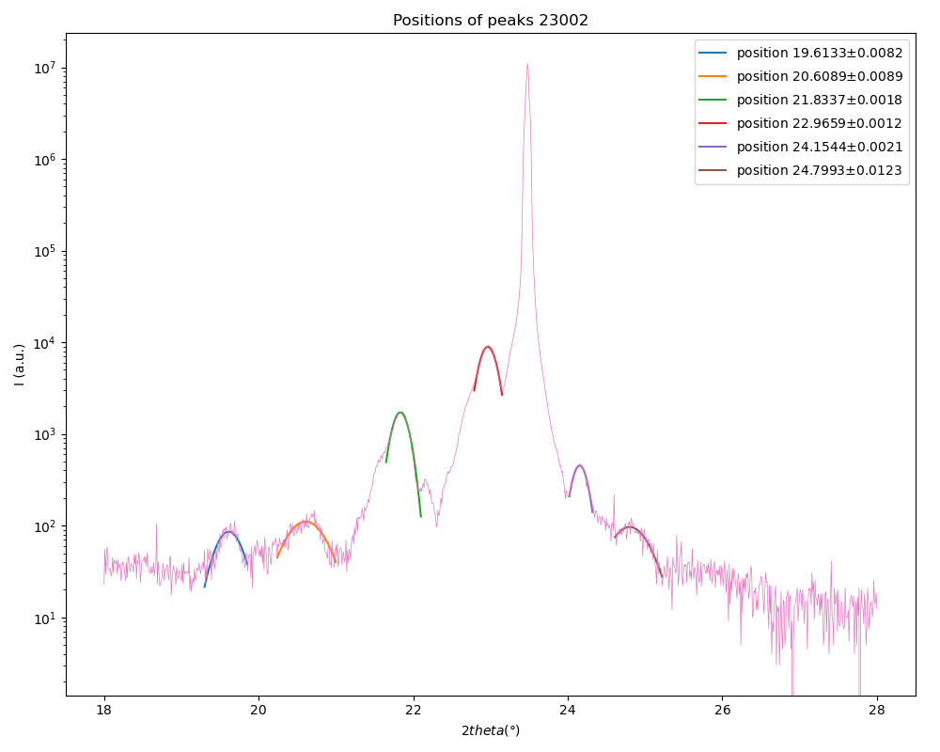
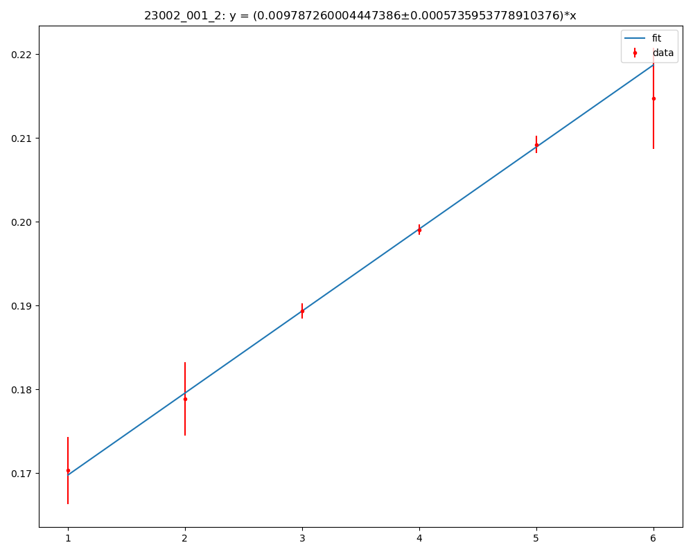
Slopes with error bars |  |  |  |  | 𝞬 (x-rays) (Angstrom)
 | PEAK 001 |  |  |  | 1.5406
 | n | 2𝛝 (deg) | ∆_2𝛝 | 𝛝 (deg) | ∆_𝛝 | sin(𝛝) (rad) | ∆_sin𝛝 | slope | delta_slope | ƛ | ∆ƛ | uc | ∆uc
 | 1 | 19.6133 | 0.0082 | 9.80665 | 0.0041 | 0.17032386879 | 0.00404009136 | 0.0097872600044 | 0.00057359537789 | 78.704356444 | 4.6125733919 | 20.055217692 | 1.1787291885
 | 2 | 20.6089 | 0.0089 | 10.30445 | 0.00445 | 0.17887863013 | 0.0043782266082
 | 3 | 21.8337 | 0.0018 | 10.91685 | 0.0009 | 0.18938421706 | 0.00088371275358
 | 4 | 22.9659 | 0.0012 | 11.48295 | 0.0006 | 0.19907632094 | 0.00058799039332
 | 5 | 24.1544 | 0.0021 | 12.0772 | 0.00105 | 0.20922945208 | 0.0010267599026
 | 6 | 24.7993 | 0.0123 | 12.39965 | 0.00615 | 0.21472936101 | 0.0060065425789

 | n | 2𝛝 (deg) | ∆_2𝛝 | 𝛝 (deg) | ∆_𝛝 | sin(𝛝) (rad) | ∆_sin𝛝 | slope | delta_slope | ƛ | ∆ƛ | uc | ∆uc
 | 1 | 44.1499 | 0.0088 | 22.07495 | 0.0044 | 0.37581914427 | 0.0040774493295 | 0.0099960719821 | 0.0012202558667 | 77.060269412 | 9.4070196783 | 19.636276164 | 2.3986539003
 | 2 | 45.32 | 0.0028 | 22.66 | 0.0014 | 0.38526189525 | 0.001291930189
 | 3 | 46.5771 | 0.0014 | 23.28855 | 0.0007 | 0.39536195216 | 0.00064296778623
 | 4
 | 5
 | 6

 | n | 2𝛝 (deg) | ∆_2𝛝 | 𝛝 (deg) | ∆_𝛝 | sin(𝛝) (rad) | ∆_sin𝛝 | slope | delta_slope | c | ∆c
 | 1 | 22.9659 | 0.0012 | 11.48295 | 0.0006 | 0.19907632094 | 0.00058799039332 | 0.19628563 | 0.00087128962667 | 3.9243830534 | 0.017419890827
 | 2 | 46.5771 | 0.0014 | 23.28855 | 0.0007 | 0.39536195216 | 0.00064296778623

Mean values
 | c | ∆c | ƛ | ∆ƛ | uc | ∆uc
23002 | 3.9243830534 | 0.017419890827 | 77.882312928 | 5.2385077198 | 19.845746928 | 1.3363142438

 |  |  |  |  |  |  |  |  |  |  |  |  |  |  | peak positions 2theta (deg) | std. deviation
 |  |  |  |  |  |  |  |  |  |  |  |  |  |  | 19.6133 | 0.0082
 |  |  |  |  |  |  |  |  |  |  |  |  |  |  | 20.6089 | 0.0089
 |  |  |  |  |  |  |  |  |  |  |  |  |  |  | 21.8337 | 0.0018
 |  |  |  |  |  |  |  |  |  |  |  |  |  |  | 22.9659 | 0.0012
 |  |  |  |  |  |  |  |  |  |  |  |  |  |  | 24.1544 | 0.0021
 |  |  |  |  |  |  |  |  |  |  |  |  |  |  | 24.7993 | 0.0123

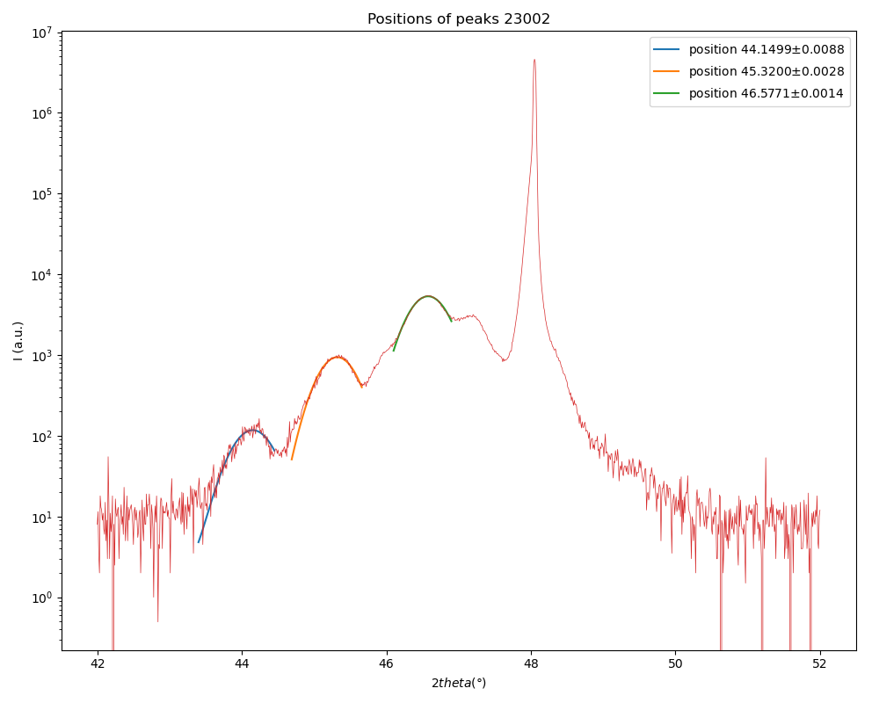
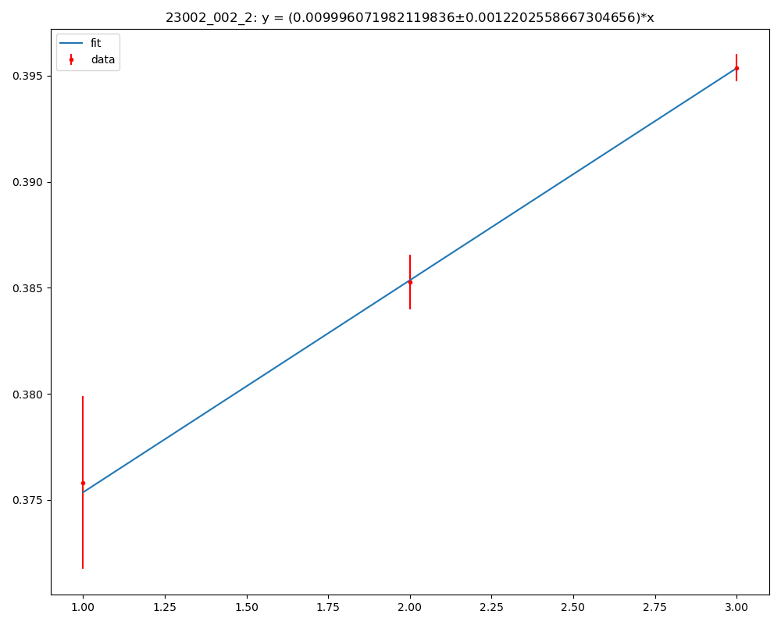

 |  |  |  |  |  |  |  |  |  |  |  |  |  | peak positions 2theta (deg) | std. deviation
 |  |  |  |  |  |  |  |  |  |  |  |  |  | 44.1499 | 0.0088
 |  |  |  |  |  |  |  |  |  |  |  |  |  | 45.32 | 0.0028
 |  |  |  |  |  |  |  |  |  |  |  |  |  | 46.5771 | 0.0014

