Tabelle1
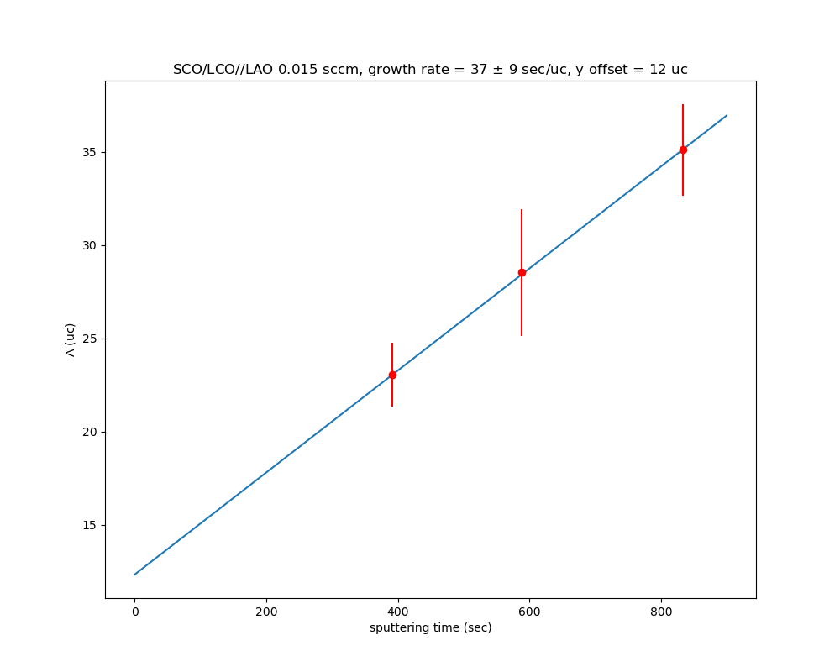
Growth rates

SCO growth rate |  |  |  |  |  |  |  |  |  |  |  | SLOPE ERROR CALC
 |  | ƛ (mean) | time | # uc | thickness | thickness (uc) | SCO (A) (SCO growth rate) | SCO (uc) (SCO growth rate) | LCO (uc) | expected c | average c | c | ∆c | ƛ | ∆ƛ | uc | ∆uc | calc uc (SCO) | calc uc (LCO)
10,8 | 22167 | 91.75 | 392.00 | 23.41 | 550.49 | 140.47 |  | 9.56 | 13.85 | 3.88 | 3.92 | 3.9190014692 | 0.030218084253 | 90.295098066 | 6.6434751326 | 23.040332793 | 1.6975537421 | 10.594594595 | 12.445738199
10,12 | 22164 | 113.28 | 588.00 | 28.69 | 566.40 | 143.45 |  | 14.34 | 14.35 | 3.89 | 3.95 | 3.95 | 0.028623630515 | 112.61239936 | 13.452454534 | 28.520131762 | 3.4100937218 | 15.891891892 | 12.62823987
10,17 | 22165 | 135.12 | 833.00 | 34.45 | 540.49 | 137.81 |  | 20.32 | 14.14 | 3.90 | 3.92 | 3.9219100511 | 0.020757767537 | 137.54125169 | 9.6047208393 | 35.069965883 | 2.4525411823 | 22.513513514 | 12.556452369
10,10 | 23002 |  | 410.00 |  |  |  |  |  |  |  |  | 3.92 | 0.017419890827 | 78.715616733 | 18.79815999 | 20.058087007 | 4.790506768
 |  |  |  |  |  |  |  |  |  |  |  |  | SLOPE ERROR CALC
LCO growth rate |  | ƛ (mean) | time (s) | # uc | thickness | thickness (uc) | LCO (A) (LCO growth rate) | LCO (uc) (LCO growth rate) | LCO (uc) (SCO growth rate) | SCO (uc) | expected c | average c | c | ∆c | ƛ | ∆ƛ | uc | ∆uc | calc uc (LCO) | calc uc (SCO)
10,8 | 22167 | 91.75 | 492.00 | 23.41 | 550.49 | 140.47 | 246.00 | 12.50 | 13.85 | 10.91 |  |  | 3.9190014692 | 0.030218084253 | 90.295098066 | 6.6434751326 | 23.040332793 | 1.6975537421 | 22.73
12,8 | 22169 | 103.51 | 512.00 | 26.48 | 517.53 | 158.89 | 256.00 | 15.00 | 16.92 | 11.48 |  |  | 3.908631291 | 0.022761072609 | 124.99998322 | 12.752726808 | 31.980500057 | 3.2639155676 | 27.27
19,8 | 22170 | 137.93 | 582.00 | 34.99 | 469.22 | 119.05 | 291.00 | 23.75 | 25.43 | 11.24 |  |  | 3.9754526251 | 0.015002665009 | 155.24146805 | 131.15663429 | 39.050010826 | 8.2994888998 | 43.18

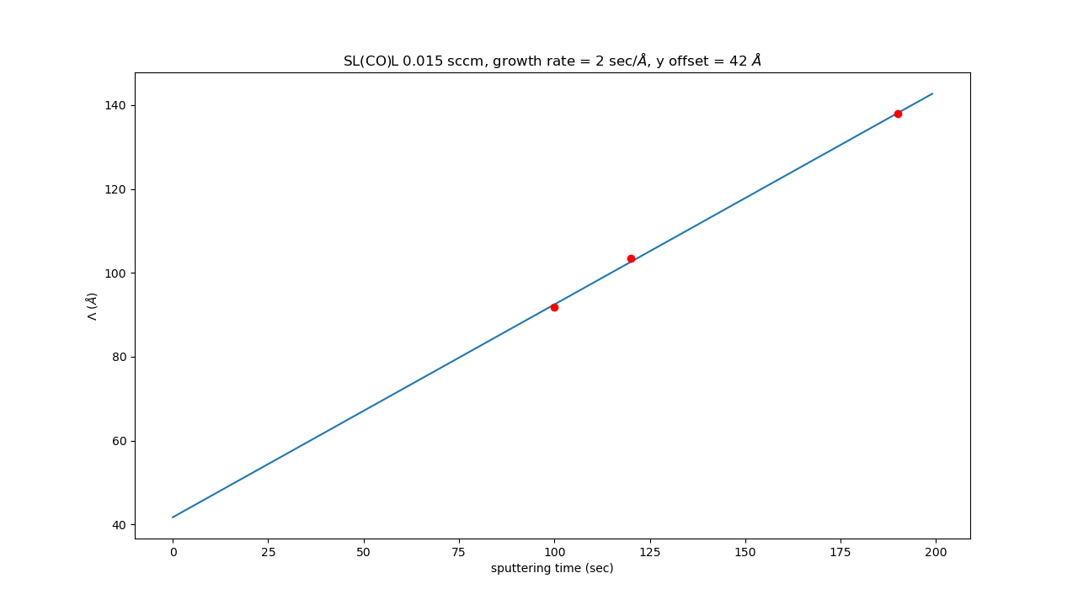
LCO growth rate
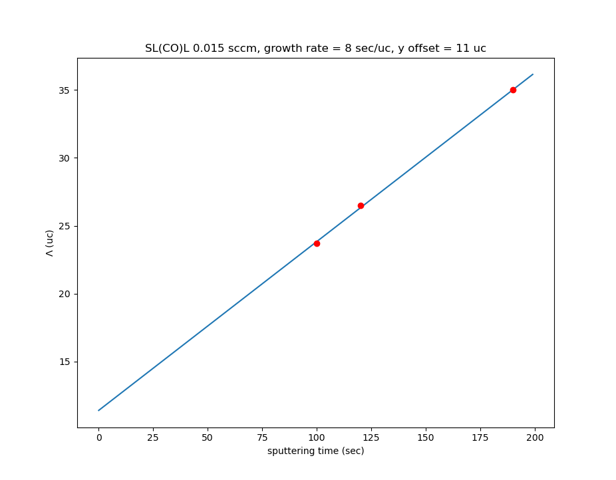
LCO growth rate
 |  | LCO | SCO | repetitions | ƛ measured (uc) | ƛ expected (uc) | LCO (uc) | SCO (uc) | thickness (uc) | thickness expected (uc)
 | 22164 | 10.00 | 12.00 | 5.00 | 113.28 | 22.00 |  |  | 110.00 | 427.90 |  |  |  |  |  |  |  |  |  |  | with ERROR CALC
 | 22165 | 10.00 | 17.00 | 5.00 | 135.12 | 27.00 |  |  | 135.00 | 523.90
 | 22169 | 12.00 | 8.00 | 5.00 | 103.51 | 20.00 |  |  |  | 390.60
 | 22167 | 10.00 | 8.00 | 6.00 | 91.75 | 18.00 |  |  | 108.00 | 421.32
 | 22170 | 19.00 | 8.00 | 4.00 | 137.93 | 27.00 |  |  |  | 423.08
LCO growth rate

 |  | c-axis expected
 | LCO | 3.95
 | SCO | 3.84
 |  |  | using error calc
growth rate | (sec/A) | (sec/uc) | (sec/uc) |  |  |  | aimed | sputtering time for 10 uc | aimed | sputtering time for5uc
SCO |  | 41 | 37 |  |  |  | SCO | 410 | SCO | 205
LCO | 2 | 8 | 4.4 |  |  |  | LCO | 80 | LCO | 40

 |  |  |  |  |  |  | aimed | sputtering time for 18 uc
 |  |  |  |  |  |  | SCO | 738
 |  |  |  |  |  |  | LCO | 144

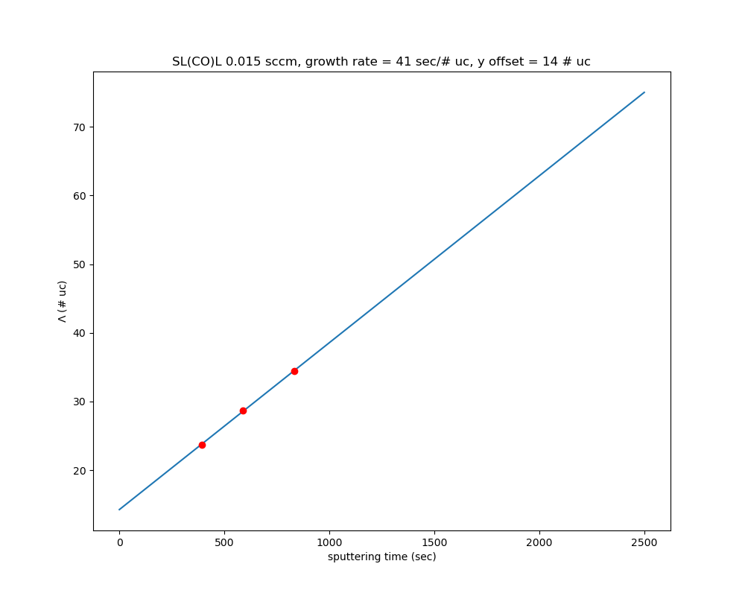
SCO growth rate

