A3 Template
Project Name |  | Team members (name & role) |  | Stakeholders (name & role) |  |  | Department |  | Organisation objective
Health insurance claim process - simplification |  | 1. | Annamalai Chidambaram | 1. | Consumer |  | Health Insurance |  | To provide insurance benefits
 |  | 2. | Rahul Kokkirala | 2. | Insurance provider
Team Leader (name & Email address) |  | 3. | Senthil Balaji Prakash | 3. | In-network healthcare providers |  |  |  | Start date & planned duration
Annamalai Chidambaram (annamalai2709@gmail.com) |  | 4. | Wijemuni De Soysa | 4. | Business Analysts |  |  |  | 11/04/2022 - 1 month

 | Percentage of Customers who understand the claim process
44866 | 32
44896 | 36
44927 | 36
44958 | 37
44986 | 31
45017 | 42
45047 | 51
45078 | 57
45108 | 60
45139 | 64
45170 | 69
45200 | 74
45231 | 77
45261 | 79
1. Clarify the problem |  |  |  | 4. Analyse the Root Cause |  |  |  |  | 7. Monitor Results & Process
Background: |  |  |  | 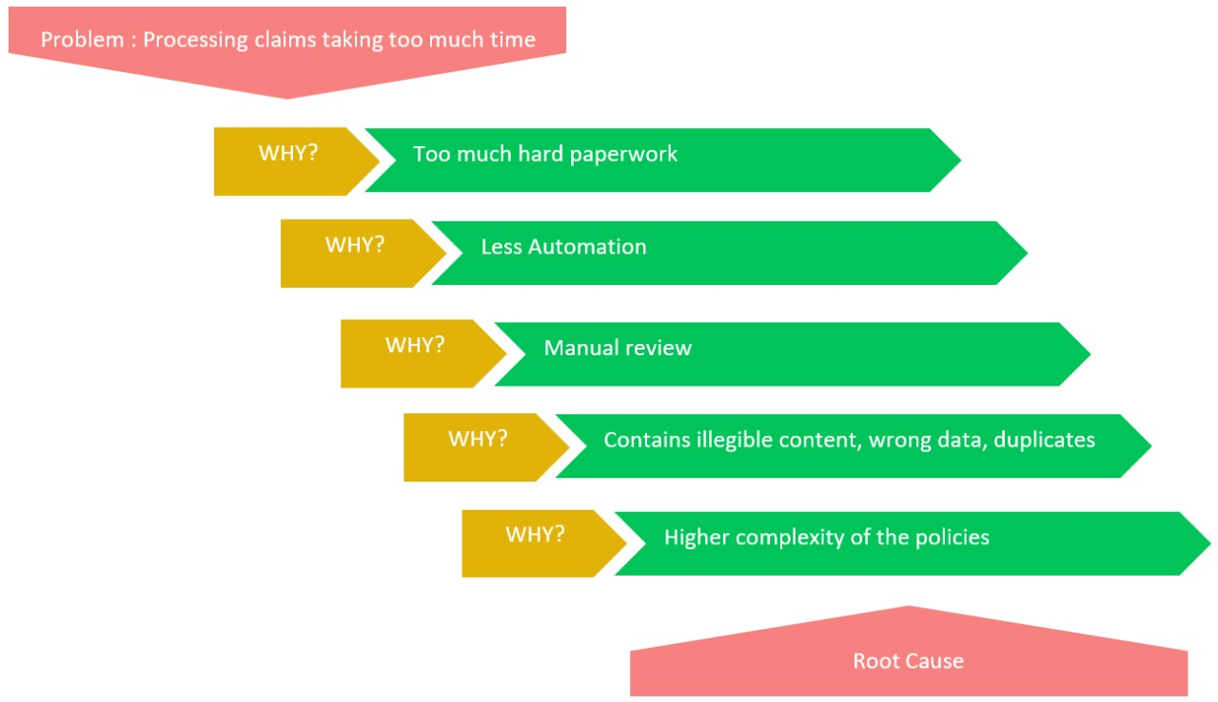 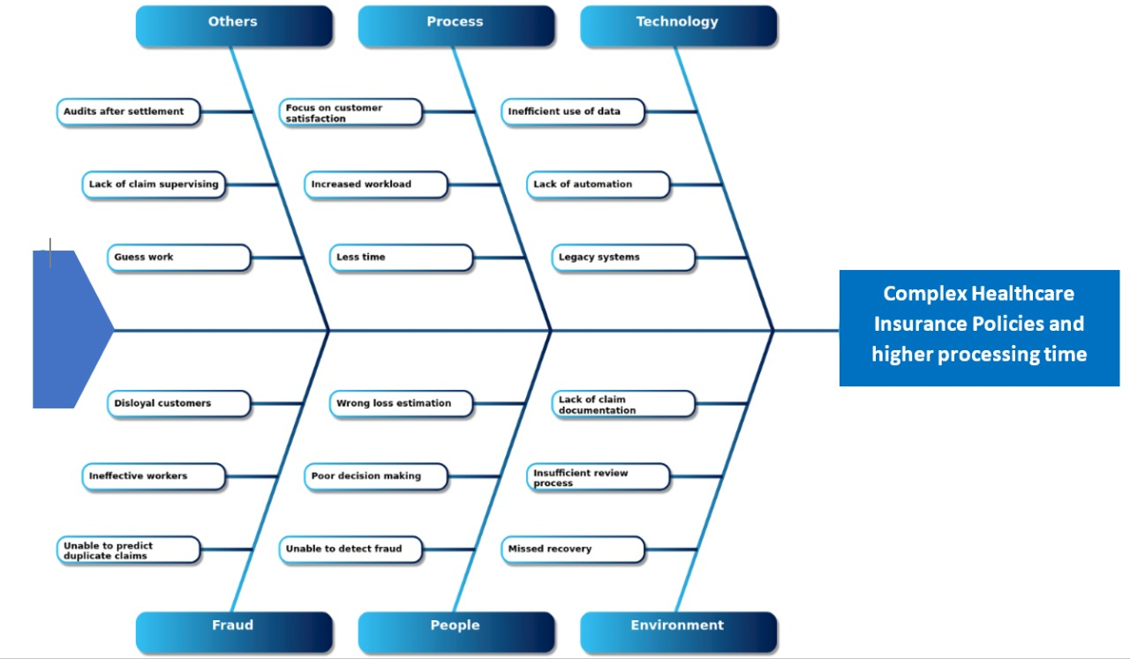 Reference : https://community.smartqed.ai/templatelib/business-claims-leakage/
In the insurance claim process, there are repetitive tasks and identifiable waste that should be removed in order to improve the overall efficiency of the process.

Problem statement:
Consumers find it difficult to navigate the terms and conditions in order to get the most out of their health insurance policy. Therefore, the insurance company should simplify the overall adjudication process and make sure the consumers understand the process and benefit from it.

2. Breakdown the problem
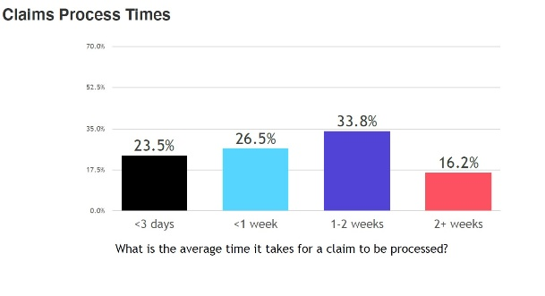 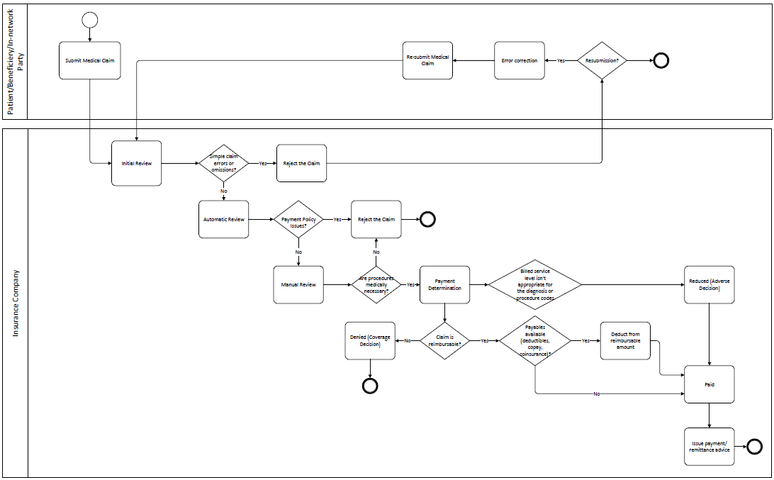 More often than not, the claims that are raised by the Doctors or the consumers, take weeks after the appointment to reach the insurance company as the claim application stays in a queue until the data is entered electronically. This is because they still use paperwork to keep track of and submit claims to the insurance company with the consumer information The adjudication process has 3 steps of reviews in total for the claim application. This is extra-processing.

 |  |  |  |  |  |  |  |  | 8. Standardise & Share Success

 |  |  |  |  |  |  |  |  |  | 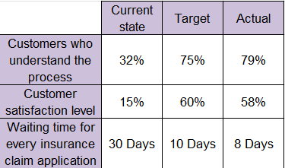
 |  |  |  | 5. Develop Countermeasures |  |  |  |  | 1. Considering that the root cause of the major problem was the complexity of the policies, achieving and surpassing the target that we set has eventually helped us in reducing the time taken for a claim process. 2. Adding to this, the countermeasures that were implemented has led to a increase in sustainability of the company and the trust that the consumers have on the company. 3. Oberving the consumer response, it is evident that they were understanding the legal terms and conditions of their health insurance policies much better after the implementation. 4.. The alternate flow that was created helped in reducing the process time and the level of manual review required for every claim application. This in turn reduced the stress and over-burden(Muri) on the employees in the company, thereby improving the overall satisfaction of the consumers and the employees.
 |  |  |  |  | Countermeasure | Who will do this? | When? | Notes
 |  |  |  | 1 | Share videos, eGuides, and infographics to help make them understand the terms better | Insurance company executive | Whenever a consumer gets an insurance plan

 |  |  |  | 2 | Build mobile applications and websites and let consumers know so that it will help consumers manage and update their policies and learn about them. | Insurance company developers and managers | When the policies are introduced to the consumers

 |  |  |  | 3 | Come up with an alternate process flow that will detect if we need a manual review or if it can be reviewd automatically. This reduces the number of time the application will be processed | Insurance company managers, head of the department and analysts | ASAP

 |  |  |  | 6. Implement Countermeasure
 |  |  |  | 1. Create videos and guides based off all the policies and information. Use visuals and examples to simplify and increase usablitity. Thisa can be done with the help of the people who have a lot of experience in this field. 2. Create surveys for consumers and use that data to understand their requirements and the parts of the insurance claim policies they need help with. Create website and mobile applications based on the most important concerns and keep them interactive and dynamic. 3. Create an algorithm to understand the claim applications and to detect issues or abnormalitites. Use these to predict if we need further review on the application. This can cut down extra processing. If there are no reasons to conduct further reviews, carry on to the next process.
3. Set the Target
1 | Increase customer understanding of insurance terms from 32% to 75% by 31 December 2023
2 | Increase Customer satisfaction in the digital experience of medical insurance from 15% to 60% by August 2023

3 | Reduce Wait times from 30 days to 10 days by the end of the year

