Volume
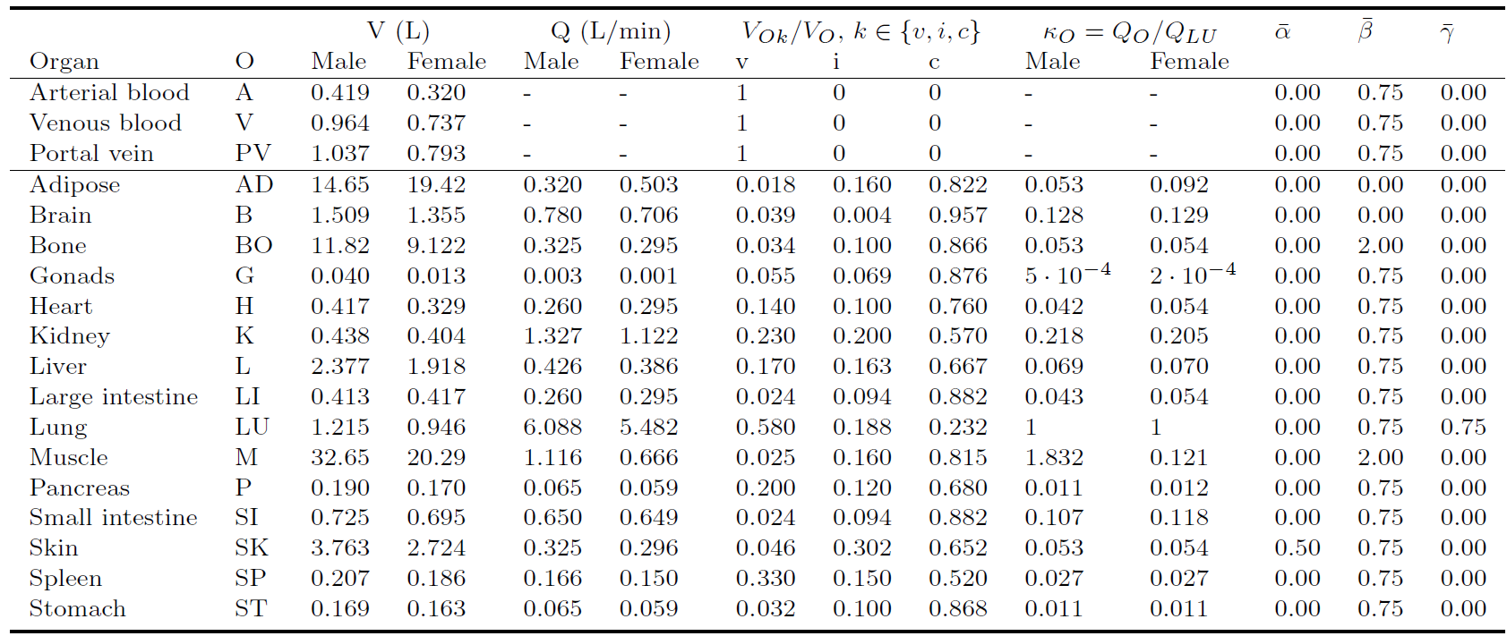
V | Value | NEW value | OLD value | ratio | Unit
Brain | 1.509 | 1.509 | 0.800 | 1.886 | L
Heart | 1.215 | 1.215 | 1.380 | 0.880 | L
Liver | 2.377 | 2.377 | 2.510 | 0.947 | L
Gut | 0.725 | 0.725 | 1.120 | 0.647 | L
Kidney | 0.438 | 0.438 | 0.660 | 0.664 | L
Muscle | 32.650 | 32.650 | 5.835 | 5.596 | L
Adipose | 14.650 | 14.650 | 1.945 | 7.532 | L
Adipose upper | 8.790 | 8.7900 | 0.9725 | 9.039 | L/min
Adipose lower | 5.860 | 5.8600 | 0.9725 | 6.026
 | 53.5640 | 53.5640 | 14.2500 | 3.759

 |  |  |  |  |  | 180

SIMOmodel
Parameter | Description | Value | Unit | optimized value | NEW value | OLD Value | Ratio | half time [min] | Move 99% time [h] | Research [min]
k_(js) | stomach-->jejunum | 0.02600 | 1/min | 0.02600 | 0.06437 | 0.02824 | 0.92 | 0.17947 | 2.95203 | 75.333 | 1.256 | https://bmcgastroenterol.biomedcentral.com/articles/10.1186/1471-230X-11-145
k_(gj) | jejunum-->liver (70-90%) | 0.03200 | 1/min | 0.03200 | 0.01848 | 0.03297 | 0.97 | 0.62522 | 2.39853 |  |  | 1.19926
k_(rj) | jejunum-->ileum/delay | 0.02900 | 1/min | 0.02900 | 0.01848 | 0.03440 | 0.84 | 0.62522 | 2.64665 | 189.417 | 4.413 | 3.157
k_(lr) | delay-->ileum | 0.02600 | 1/min | 0.02600 | 0.01848 | 0.05138 | 0.51 |  | 2.95203
k_(gl) | ileum-->liver (10-30%) | 0.03500 | 1/min | 0.03500 | 0.02383 | 0.01809 | 1.93 | 0.48471 | 2.19294 | 57.000 | 5.363
k_(hly) | lympatics-->blood | 0.00780 | 1/min | 0.00780 | 0.00780 | 0.00770 |  | 88.81153 | 9.83418 | 578.250 | 12.000 | https://aocs.onlinelibrary.wiley.com/doi/abs/10.1007/s11745-999-0342-3?sid=nlm%3Apubmed
 |  |  |  | 0.15580469828 | 0.13296 | 0.22416513534
 |  |  |  |  |  |  |  |  |  | 321.750 | total absortion |  | 5.3625
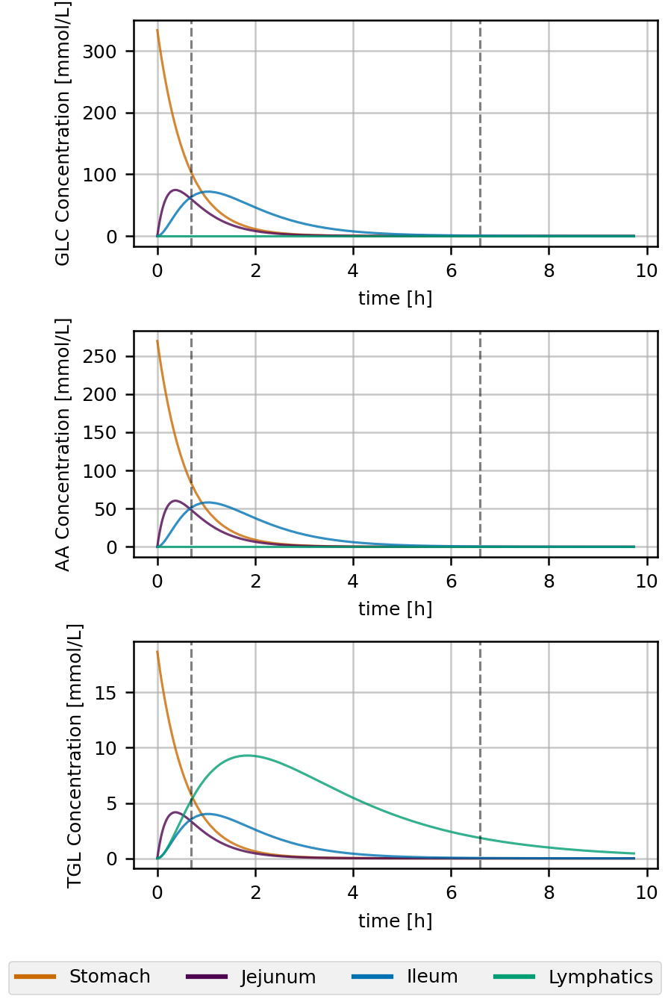
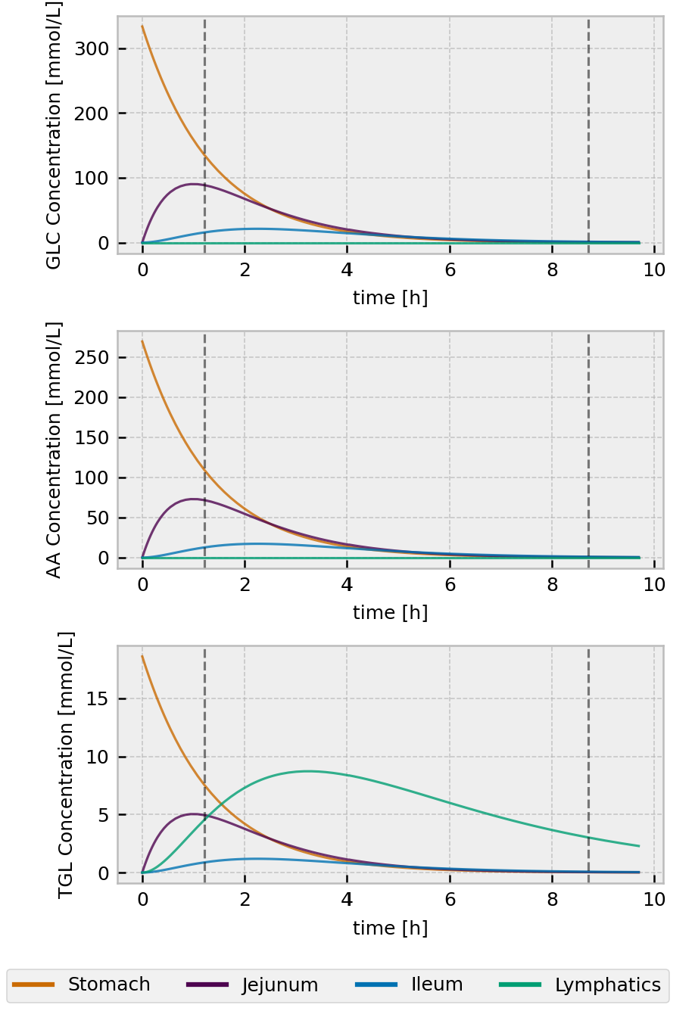
 |  |  |  |  |  |  |  |  |  | 265.000 | small intestine |  | 4.4166666667 | 5.363
 |  |  |  |  |  |  |  |  |  | 18.583335 | Duedeom

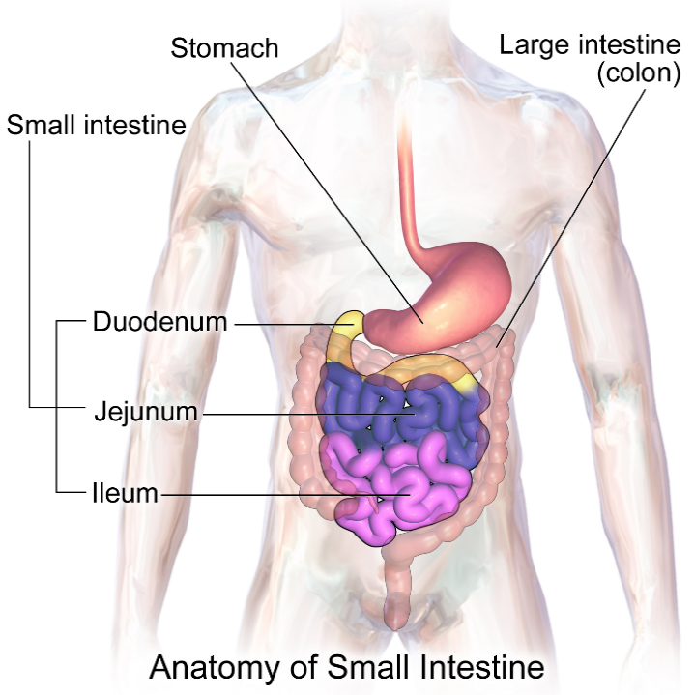

 |  |  |  |  |  |  |  |  |  |  |  |  |  |  | 0.66666666667

 |  |  |  |  |  |  |  |  | 0.04004 | 0.012013487442
 |  |  |  |  |  |  |  |  |  | 0.028031470697

