Sheet1
For this scene, I have established a mapping of 1.0 OpenGL unit = 1 metre. This scale allows for intuitive placement and size of objects in the scene. Using a metric unit simplifies calculations and as someone who uses the metric system in everyday life, it is easier to use. Additionally, for animation and movement, velocity can be thought of as x metres per second.

17/09/2024, 4 - 6pm
To Do: Set up project
Work Done: Set up the ground with colouring applied. Ensure it can switch between filled and wireframe. I did have trouble getting the project working but was able to consult my previous project to add the missing lines that I forgot were needed.
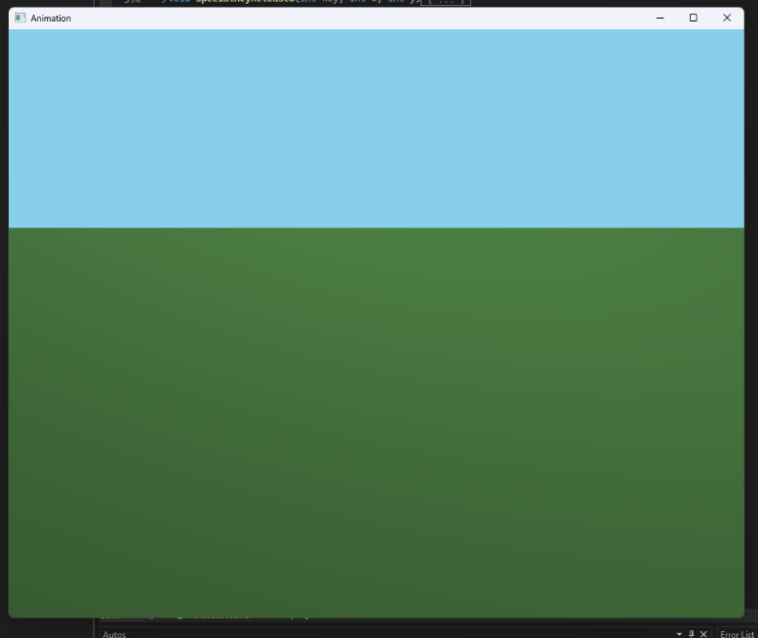
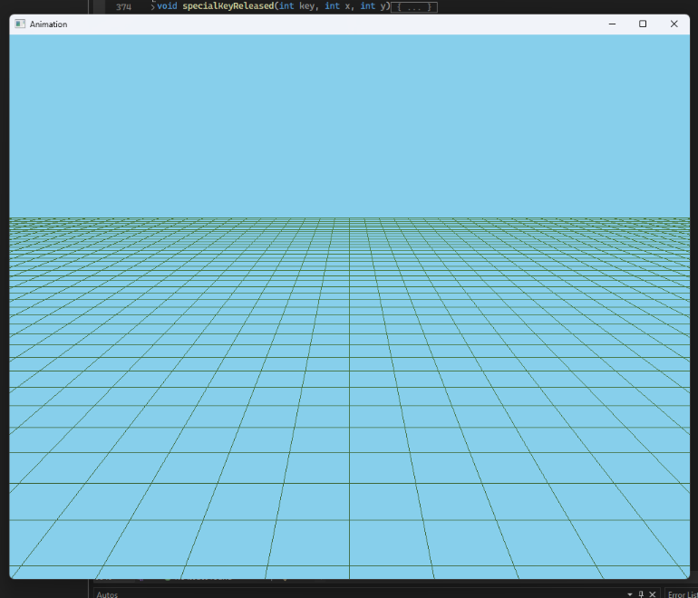

24/09/2024, 4 - 6pm
To Do: Create Helicopter
Work Done: Created helicopter model with rotors spinning on up button press. I used cubes and spheres to create the basic shapes and scaled them to better look like the part of the helicopter they represent. The tail cap will need to be added next time. Additionally, while the rotors do speed up, this logic will likely need to be replaced as I implement the helicopter control and tracking camera. I did oringally plan to have a helicopter with two blades on top, like ones you might find in the miltary but found the more typical design to be easier.

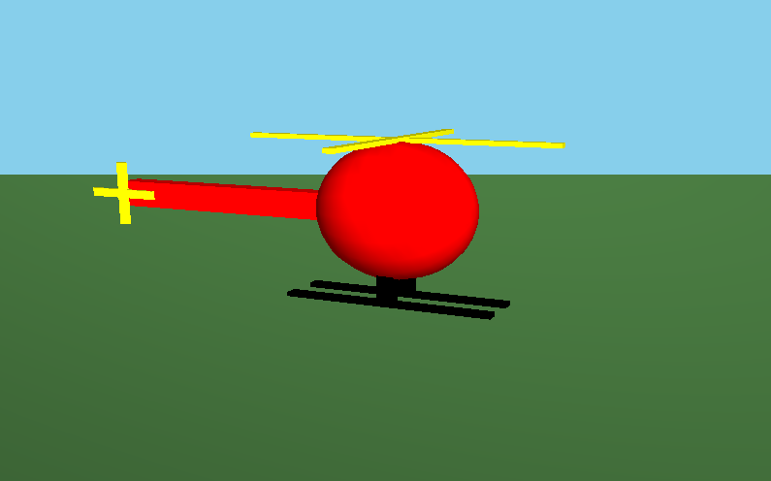

03/10/2024, 2 - 3:30pm
To Do: Helicopter control
Work Done: Added the missing tail cap. Set up helicopter movement by creating a variable to keep track of the location. I had a little trouble ensuring that the movement always occurred in the direction expected once the helicopter had been rotated but applied trig to solve this. I also set up camera tracking so it follows the helicopter from behind. I also had a little trouble this as I needed to ensure that the camera and helicopter rotated as one. I solved this by reordering a few lines. I also had the rotors stop spinning when the play touches the ground. The helicopter must also stay above ground. The user can also not take off until the rotors reach max rpm.
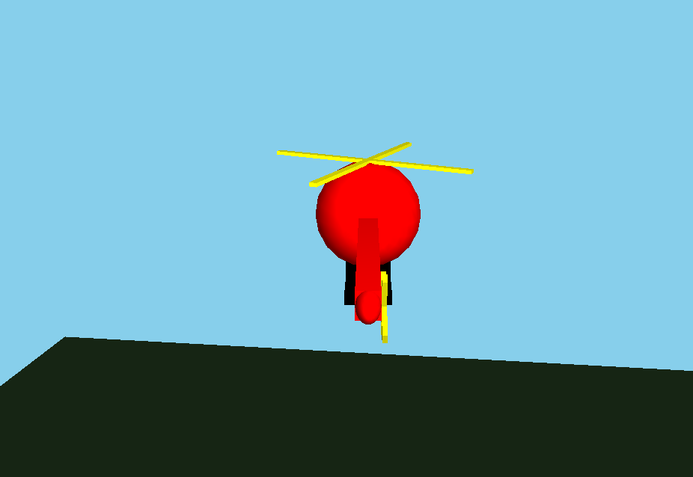

15/10/2024, 4 - 5pm
To Do: Lighting
Work Done: Increased the size of the ground plane. Added a spotlight to the helicopter and animate it so it moves when the helicopter moves. Also replaced the global lighting (directional lighting). This might need further work as I’m unsure how much this new lighting system affects the world.
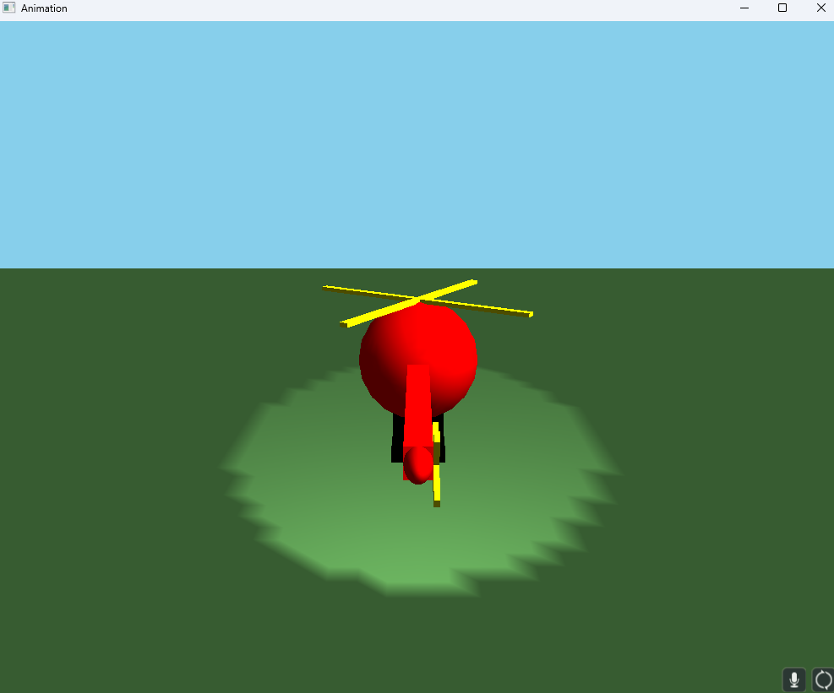

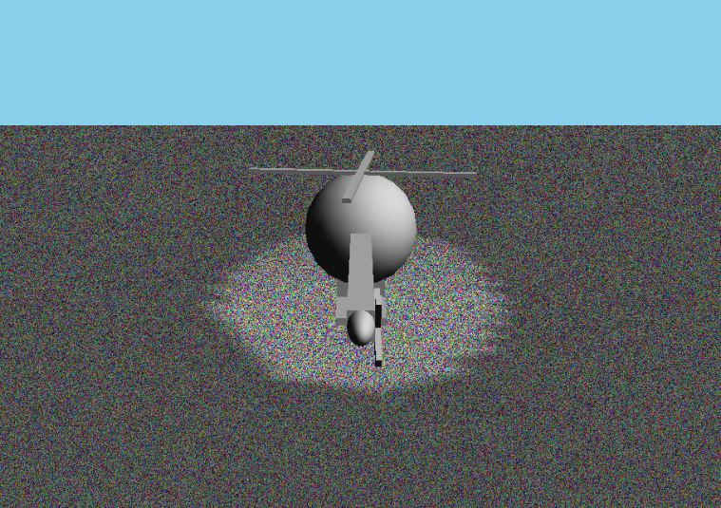
18/10/2024, 10am – 4pm
To Do: Textures
Work Done: I did some research to ensure that my helicopter followed the scale I set of 1.0 GL Unit = 1 metre. This included changing the rotor RPM to what most helicopters operate at with the main and tail rotors having a different speed and how fast the helicopter moves. Also because the template needs the variable in a ‘per second’, I needed to adjust the RPM value to be revolutions per second. Next I found a texture for the ground but it was in .png format so I opened up a sandbox and after playing around with the settings, managed to export a .ppm file that would work. I did have some trouble applying it so I used the createTexture function to put a random noise texture on the ground. From here, I was able to modify the function to have it read from the file and convert the data into a texture.
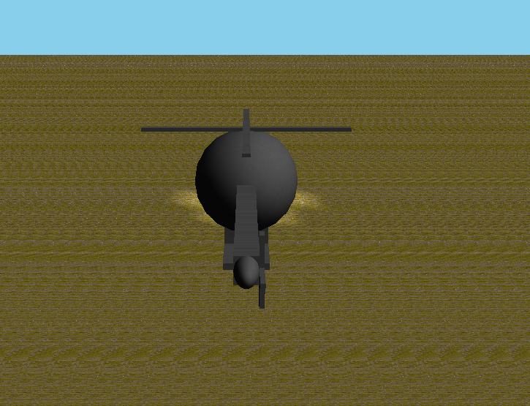

22/10/2024, 11am – 12pm
To Do: Objects
Work Done: I adjusted the size of the helicopter to make it better match what a really helicopter size is. I also filled out the scene with windmills, buildings, and trees. I also replaced the previous ground texture with a new dirt and increased the tiling. I found the last ground very hard to look at. The buildings are 10m high, windmills are 20m and trees are 4m. I did have to spend a little bit of time adjust the tiling of textures and size of the objects to ensure they were realistic.
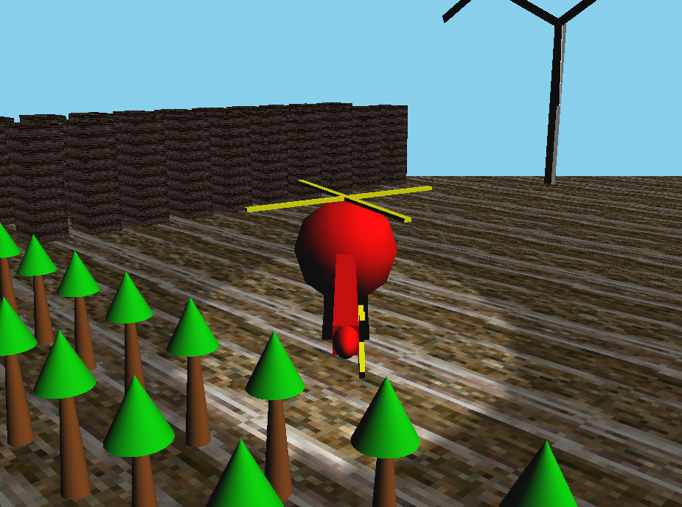

23/10/2024, 3 – 4pm
To Do: Fog
Work Done: I added dense fog to give it a winter early morning feel. I also adjusted the speed at which the rotors increase so the helicopter takes off faster. I also added some light rain to improve the atmosphere.
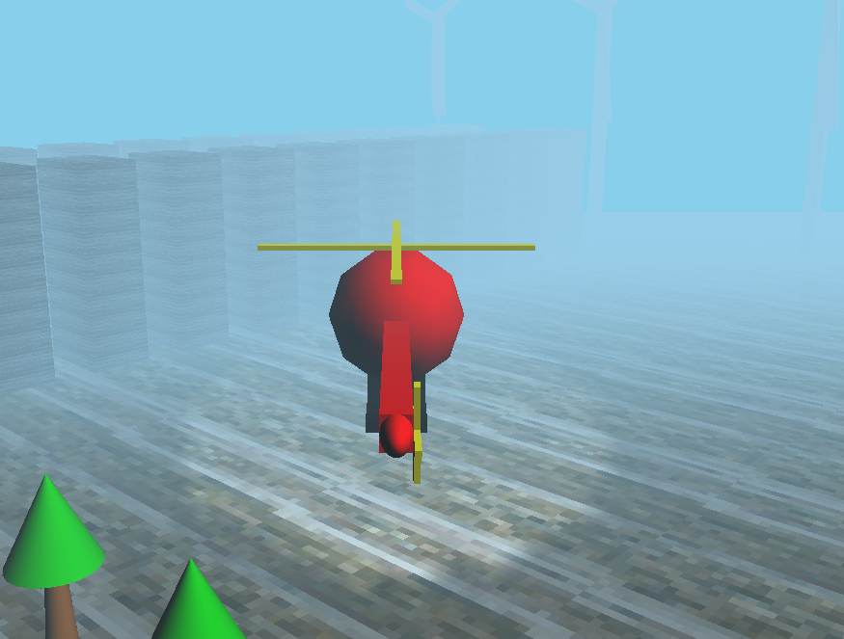

I think I did pretty well considering I have very little experience with the rendering pipeline. I found the textures to be the most difficult aspect, as I had trouble converting a .png to a .ppm and then applying it correctly. Next time, I would start on the assignment earlier to allow more time for troubleshooting and refinement. While the application does load quickly, I believe there is room for improvement in optimizing the rendering process and enhancing visual effects.

