Sheet 1
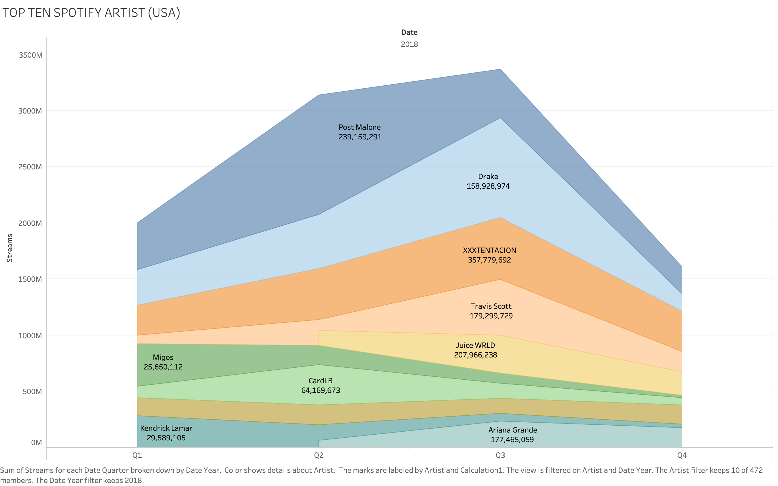
 | Date
Artist | Q1 | Q2 | Q3 | Q4 | Grand Total
Post Malone | 415,806,056.00 | 1,065,055,584.00 | 433,730,633.00 | 239,159,291.00 | 2,153,751,564.00
Drake | 312,827,938.00 | 484,589,459.00 | 891,715,690.00 | 158,928,974.00 | 1,848,062,061.00
XXXTENTACION | 271,049,330.00 | 453,603,152.00 | 550,272,597.00 | 357,779,692.00 | 1,632,704,771.00
Travis Scott | 75,334,771.00 | 93,533,099.00 | 497,894,737.00 | 179,299,729.00 | 846,062,336.00
Juice WRLD |  | 135,776,222.00 | 332,604,004.00 | 207,966,238.00 | 676,346,464.00
Migos | 378,567,790.00 | 170,391,033.00 | 92,889,463.00 | 25,650,112.00 | 667,498,398.00
Cardi B | 98,897,474.00 | 358,686,231.00 | 134,428,755.00 | 64,169,673.00 | 656,182,133.00
Khalid | 163,811,679.00 | 177,008,546.00 | 131,279,548.00 | 169,999,039.00 | 642,098,812.00
Kendrick Lamar | 281,259,840.00 | 136,343,327.00 | 69,602,944.00 | 29,589,105.00 | 516,795,216.00
Ariana Grande |  | 65,683,498.00 | 236,440,251.00 | 177,465,059.00 | 479,588,808.00
Grand Total | 1,997,554,878.00 | 3,140,670,151.00 | 3,370,858,622.00 | 1,610,006,912.00 | 10,119,090,563.00

