Sheet1
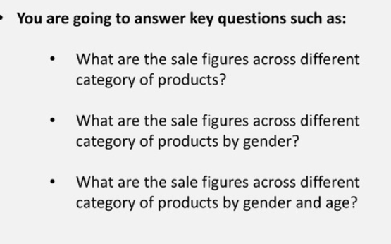
Sum of Total Sales | Generation
Product Category | Adult | Senior | Young Adult | Grand Total
Beauty | 63720 | 34085 | 45710 | 143515
Clothing | 59840 | 47070 | 48670 | 155580
Electronics | 56340 | 62000 | 38565 | 156905
Grand Total | 179900 | 143155 | 132945 | 456000

